Cater's 10-16-18
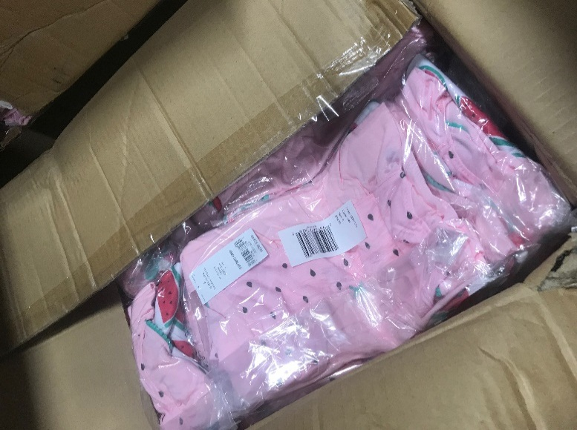
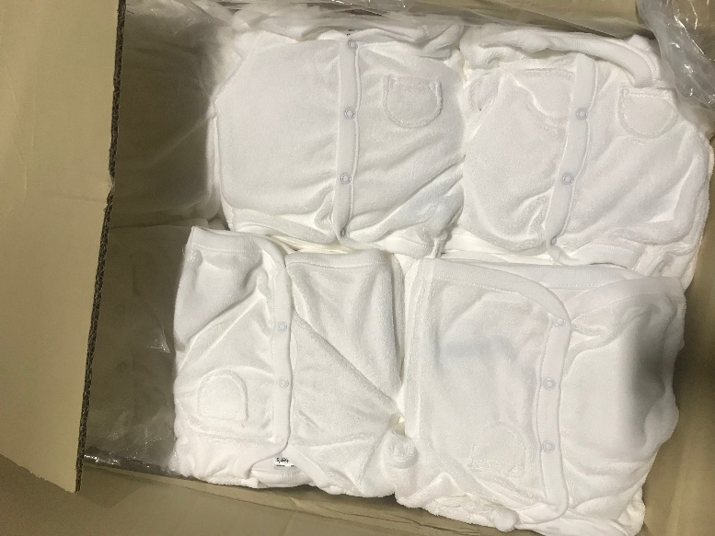
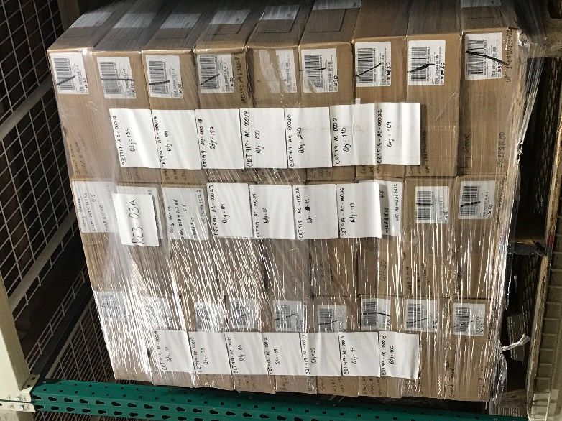
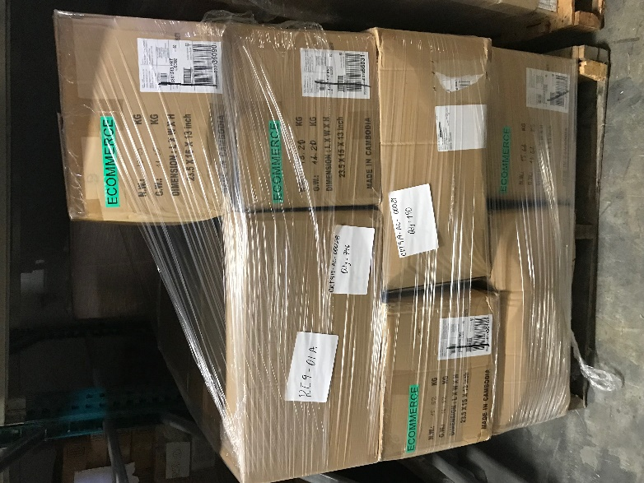
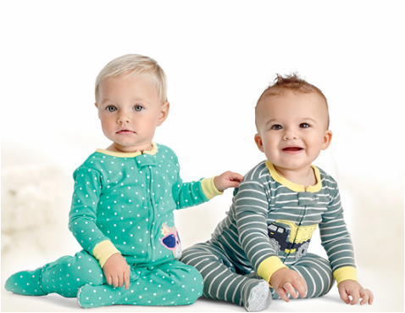


 |  |  |  |  |  |  | 90% OFF |  |  | 88.5% OFF |  |  | 87% OFF

 |  |  |  |  |  |  | TAKE ALL | YOUR PRICE | TOTAL PRICE | TAKE HALF | YOUR PRICE | TOTAL PRICE | TAKE 1/4 | YOUR PRICE | TOTAL PRICE

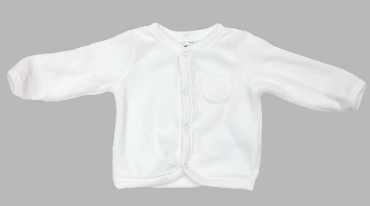
SKU Number | Brand | Name | Model # | UPC | List Price (MSRP) | Case Qty | QTY | US$ | US$ | QTY | US$ | US$ | QTY | US$ | US$ | Pics | Image 1
CRT919-AC-00035 | Carter's | Carter's Baby Long Sleeve White Size - NB | N/A | N/A | $22.00 | 1 | 2322 | $2.20 | $5,108.40 | 1161 | $2.53 | $2,937.33 | 581 | $2.86 | $1,660.23 |  | https://albanyobjects.blob.core.windows.net/productimages/40394/114159742/72c51ade-3955-4c12-8272-2e7e9b261b7f.jpg
CRT919-AC-00034 | Carter's | Carter's Baby Long Sleeve White Size - 3M | N/A | N/A | $22.00 | 1 | 3941 | $2.20 | $8,670.20 | 1971 | $2.53 | $4,985.37 | 985 | $2.86 | $2,817.82 |  | https://albanyobjects.blob.core.windows.net/productimages/40394/114159621/cd95b03b-abba-4eac-9cb2-b7585860a8b0.jpg
CRT919-AC-00033 | Carter's | Carter's Baby Long Sleeve White Size - 6M | N/A | N/A | $22.00 | 1 | 1050 | $2.20 | $2,310.00 | 525 | $2.53 | $1,328.25 | 263 | $2.86 | $750.75 |  | https://albanyobjects.blob.core.windows.net/productimages/40394/114159543/74ccd204-e3f9-49a9-afec-e5a8b6538e3f.jpg
CRT919-AC-00032 | Carter's | Carter's Baby Long Sleeve White Size - 9M | N/A | N/A | $22.00 | 1 | 1101 | $2.20 | $2,422.20 | 551 | $2.53 | $1,392.77 | 275 | $2.86 | $787.22 |  | https://albanyobjects.blob.core.windows.net/productimages/40394/114159315/e622c0d5-d7d8-490b-9eb2-602a80eb8513.jpg
 |  |  |  |  |  |  | 8414 |  | $18,510.80 | 4207 |  | $10,643.71 | 2104 |  | $6,016.01
CRT919-AC-00031 | Carter's | Carter's Girl 3 Pieces Watermelon Pijama Size - 4 | 43301510 prt | 190796678245 | $34.00 | 1 | 187 | $3.40 | $635.80 | 94 | $3.91 | $365.59 | 47 | $4.42 | $206.64 |  | https://albanyobjects.blob.core.windows.net/productimages/40394/114155815/3e6501af-75eb-4abb-89d4-57d09cd4f443.jpg
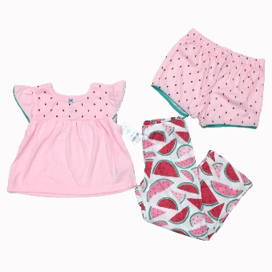
CRT919-AC-00027 | Carter's | Carter's Girl 3 Pieces Watermelon Pijama Size - 5 | 43301510 prt | 190796678252 | $34.00 | 524 | 528 | $3.40 | $1,795.20 | 264 | $3.91 | $1,032.24 | 132 | $4.42 | $583.44 |  | https://albanyobjects.blob.core.windows.net/productimages/40394/114153904/909067d8-700c-484c-a773-12d113d00333.jpg
CRT919-AC-00028 | Carter's | Carter's Girl 3 Pieces Watermelon Pijama Size - 6 | 43301510 prt | 190796678269 | $34.00 | 8 | 1010 | $3.40 | $3,434.00 | 505 | $3.91 | $1,974.55 | 253 | $4.42 | $1,116.05 |  | https://albanyobjects.blob.core.windows.net/productimages/40394/114154093/4f9dc808-1848-4dff-9d39-7ac3826c524f.jpg
CRT919-AC-00029 | Carter's | Carter's Girl 3 Pieces Watermelon Pijama Size - 7 | 43301510 prt | 190796678276 | $34.00 | 1 | 921 | $3.40 | $3,131.40 | 461 | $3.91 | $1,800.56 | 230 | $4.42 | $1,017.70 |  | https://albanyobjects.blob.core.windows.net/productimages/40394/114154171/100f3121-bc41-4763-b51b-41a4556b5b00.jpg
CRT919-AC-00030 | Carter's | Carter's Girl 3 Pieces Watermelon Pijama Size - 8 | 43301510 prt | 1907966782083 | $34.00 | 2 | 825 | $3.40 | $2,805.00 | 413 | $3.91 | $1,612.88 | 206 | $4.42 | $911.63 |  | https://albanyobjects.blob.core.windows.net/productimages/40394/114154270/5a997a5d-82bc-4ea7-872d-eb50cefd6c1d.jpg
 |  |  |  |  |  |  | 3471 |  | $11,801.40 | 1736 |  | $6,785.81 | 868 |  | $3,835.46
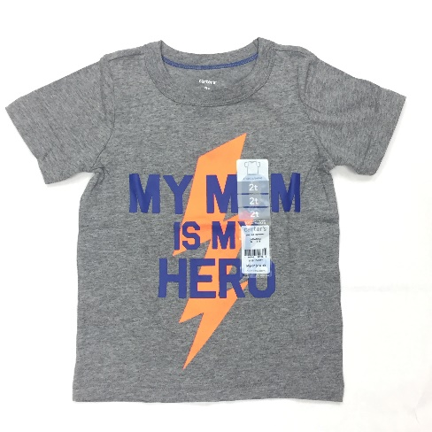
CRT919-AC-00009 | Carter's | Carter's Boy Short Sleeve Heather T-Shirt Size - 3M | 225h397 he | 190796325026 | $12.00 | 30 | 53 | $1.20 | $63.60 | 27 | $1.38 | $36.57 | 13 | $1.56 | $20.67 |  | https://albanyobjects.blob.core.windows.net/productimages/40394/113162281/44f9898a-00b9-4230-902c-cc71d0e0e206.jpg
CRT919-AC-00012 | Carter's | Carter's Boy Short Sleeve Heather T-Shirt Size - 6M | 225h397 he | 190796325033 | $12.00 | 30 | 44 | $1.20 | $52.80 | 22 | $1.38 | $30.36 | 11 | $1.56 | $17.16 |  | https://albanyobjects.blob.core.windows.net/productimages/40394/113162908/f7010444-0b67-4fe4-b3cc-51f78485db95.jpg
CRT919-AC-00013 | Carter's | Carter's Boy Short Sleeve Heather T-Shirt Size - 9M | 225h397 he | 190796325040 | $12.00 | 30 | 41 | $1.20 | $49.20 | 21 | $1.38 | $28.29 | 10 | $1.56 | $15.99 |  | https://albanyobjects.blob.core.windows.net/productimages/40394/113163037/1df22a73-83aa-4de7-947e-8aad15cff98f.jpg
CRT919-AC-00015 | Carter's | Carter's Boy Short Sleeve Heather T-Shirt Size - 12M | 225h397 he | 190796324999 | $12.00 | 30 | 75 | $1.20 | $90.00 | 38 | $1.38 | $51.75 | 19 | $1.56 | $29.25 |  | https://albanyobjects.blob.core.windows.net/productimages/40394/113163362/ee66fdb6-9852-4083-9948-48cba74098ab.jpg
CRT919-AC-00017 | Carter's | Carter's Boy Short Sleeve Heather T-Shirt Size - 18M | 225h397 he | 190796325002 | $12.00 | 30 | 74 | $1.20 | $88.80 | 37 | $1.38 | $51.06 | 19 | $1.56 | $28.86 |  | https://albanyobjects.blob.core.windows.net/productimages/40394/113163673/c6038a0c-d3c4-41b3-b952-38c5512985cd.jpg
CRT919-AC-00001 | Carter's | Carter's Boy Short Sleeve Heather T-Shirt Size - 2T | 243h600 he | 190796322384 | $14.00 | 30 | 175 | $1.40 | $245.00 | 88 | $1.61 | $140.88 | 44 | $1.82 | $79.63 |  | https://albanyobjects.blob.core.windows.net/productimages/40394/113136334/a48ed80c-1ac2-41d2-b284-90a533bba695.jpg
CRT919-AC-00003 | Carter's | Carter's Boy Short Sleeve Heather T-Shirt Size - 3T | 243h600 he | 190796322391 | $14.00 | 30 | 208 | $1.40 | $291.20 | 104 | $1.61 | $167.44 | 52 | $1.82 | $94.64 |  | https://albanyobjects.blob.core.windows.net/productimages/40394/113137324/ac9777a7-4032-4314-a2fa-3de10ff308ac.jpg
CRT919-AC-00006 | Carter's | Carter's Boy Short Sleeve Heather T-Shirt Size - 4T | 243h600 he | 190796322407 | $14.00 | 30 | 66 | $1.40 | $92.40 | 33 | $1.61 | $53.13 | 17 | $1.82 | $30.03 |  | https://albanyobjects.blob.core.windows.net/productimages/40394/113142504/d0318736-b3aa-461f-8c34-5d2131967d22.jpg
CRT919-AC-00007 | Carter's | Carter's Boy Short Sleeve Heather T-Shirt Size - 5T | 243h600 he | 190796322414 | $14.00 | 30 | 148 | $1.40 | $207.20 | 74 | $1.61 | $119.14 | 37 | $1.82 | $67.34 |  | https://albanyobjects.blob.core.windows.net/productimages/40394/113142661/37ae23ed-87ea-46dc-9317-0a8e897b7d4c.jpg
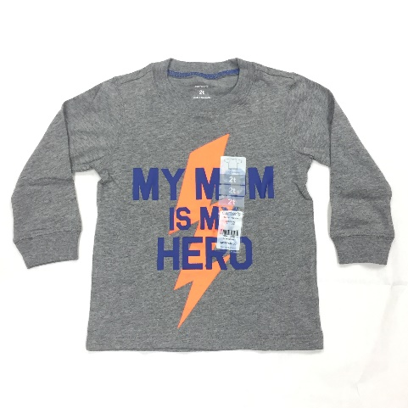
CRT919-AC-00019 | Carter's | Carter's Boy Short Sleeve Heather T-Shirt Size - 4/5 | 263h597 he | 190796321677 | $16.00 | 30 | 112 | $1.60 | $179.20 | 56 | $1.84 | $103.04 | 28 | $2.08 | $58.24 |  | https://albanyobjects.blob.core.windows.net/productimages/40394/113262468/b4932992-23fb-43a2-b606-b0c504afced2.jpg
CRT919-AC-00021 | Carter's | Carter's Boy Short Sleeve Heather T-Shirt Size - 6 | 263h597 he | 190796321684 | $16.00 | 30 | 86 | $1.60 | $137.60 | 43 | $1.84 | $79.12 | 22 | $2.08 | $44.72 |  | https://albanyobjects.blob.core.windows.net/productimages/40394/113262785/42c2f7b5-62d8-4c56-b57c-ae4328aaf2f9.jpg
CRT919-AC-00024 | Carter's | Carter's Boy Short Sleeve Heather T-Shirt Size - 8 | 263h597 he | 190796321707 | $16.00 | 30 | 38 | $1.60 | $60.80 | 19 | $1.84 | $34.96 | 10 | $2.08 | $19.76 |  | https://albanyobjects.blob.core.windows.net/productimages/40394/113263338/38c75573-a15d-47be-91b0-d2f733f566c8.jpg
 |  |  |  |  |  |  | 1120 |  | $1,557.80 | 560 |  | $389.39 | 280 |  | $506.29
CRT919-AC-00010 | Carter's | Carter's Boy Long Sleeve Heather T-Shirt Size - 3M | 225h484 he | 190796325446 | $14.00 | 30 | 54 | $1.40 | $75.60 | 27 | $1.61 | $43.47 | 14 | $1.82 | $24.57 |  | https://albanyobjects.blob.core.windows.net/productimages/40394/113162506/02aa062f-ad09-40f5-a1e0-26328f67b56d.jpg
CRT919-AC-00011 | Carter's | Carter's Boy Long Sleeve Heather T-Shirt Size - 6M | 225h484 he | 19079632453 | $14.00 | 30 | 61 | $1.40 | $85.40 | 31 | $1.61 | $49.11 | 15 | $1.82 | $27.76 |  | https://albanyobjects.blob.core.windows.net/productimages/40394/113162715/9128e85d-2e23-46a6-a733-a3d471b01450.jpg
CRT919-AC-00014 | Carter's | Carter's Boy Long Sleeve Heather T-Shirt Size - 9M | 225h484 he | 190796325460 | $14.00 | 30 | 72 | $1.40 | $100.80 | 36 | $1.61 | $57.96 | 18 | $1.82 | $32.76 |  | https://albanyobjects.blob.core.windows.net/productimages/40394/113163212/6968c8e7-21d9-44ce-ba50-346db06f32b3.jpg
CRT919-AC-00016 | Carter's | Carter's Boy Long Sleeve Heather T-Shirt Size - 12M | 225h484 he | 190796325415 | $14.00 | 30 | 101 | $1.40 | $141.40 | 51 | $1.61 | $81.31 | 25 | $1.82 | $45.96 |  | https://albanyobjects.blob.core.windows.net/productimages/40394/113163501/a0411011-355e-4234-9eef-19efc81fd771.jpg
CRT919-AC-00018 | Carter's | Carter's Boy Long Sleeve Heather T-Shirt Size - 18M | 225h484 he | 190796325422 | $14.00 | 30 | 110 | $1.40 | $154.00 | 55 | $1.61 | $88.55 | 28 | $1.82 | $50.05 |  | https://albanyobjects.blob.core.windows.net/productimages/40394/113163976/13c7713f-b665-4c15-9f3a-62e77caedf81.jpg
CRT919-AC-00026 | Carter's | Carter's Boy Long Sleeve Heather T-Shirt Size - 24M | 225h484 he | 190796325439 | $14.00 | 30 | 88 | $1.40 | $123.20 | 44 | $1.61 | $70.84 | 22 | $1.82 | $40.04 |  | https://albanyobjects.blob.core.windows.net/productimages/40394/113263457/dbae0354-bc22-4a88-9896-f7d48deab854.jpg
CRT919-AC-00002 | Carter's | Carter's Boy Long Sleeve Heather T-Shirt Size - 2T | 243h706 he | 190796325484 | $16.00 | 30 | 183 | $1.60 | $292.80 | 92 | $1.84 | $168.36 | 46 | $2.08 | $95.16 |  | https://albanyobjects.blob.core.windows.net/productimages/40394/113136981/1691703f-7282-4bdc-8c58-6096b7ebcb1d.jpg
CRT919-AC-00004 | Carter's | Carter's Boy Long Sleeve Heather T-Shirt Size - 3T | 243h706 he | 190796325491 | $16.00 | 30 | 286 | $1.60 | $457.60 | 143 | $1.84 | $263.12 | 72 | $2.08 | $148.72 |  | https://albanyobjects.blob.core.windows.net/productimages/40394/113138092/da922757-3700-4030-8b1e-c87bc3b786e5.jpg
CRT919-AC-00005 | Carter's | Carter's Boy Long Sleeve Heather T-Shirt Size - 4T | 243h706 he | 190796325507 | $16.00 | 30 | 194 | $1.60 | $310.40 | 97 | $1.84 | $178.48 | 49 | $2.08 | $100.88 |  | https://albanyobjects.blob.core.windows.net/productimages/40394/113142309/ff427434-0830-4eb7-ad06-2e0eb79de1c0.jpg
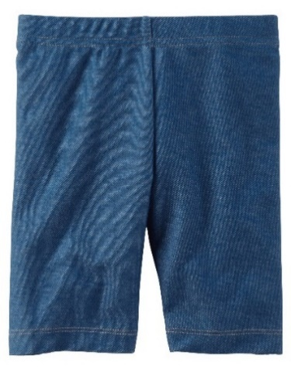
CRT919-AC-00008 | Carter's | Carter's Boy Long Sleeve Heather T-Shirt Size - 5T | 243h706 he | 190796325514 | $16.00 | 30 | 249 | $1.60 | $398.40 | 125 | $1.84 | $229.08 | 62 | $2.08 | $129.48 |  | https://albanyobjects.blob.core.windows.net/productimages/40394/113144951/6070f70b-467c-4900-9166-5413da65f412.jpg
CRT919-AC-00020 | Carter's | Carter's Boy Long Sleeve Heather T-Shirt Size - 4/5 | 263h707 h | 190796322612 | $18.00 | 30 | 202 | $1.80 | $363.60 | 101 | $2.07 | $209.07 | 51 | $2.34 | $118.17 |  | https://albanyobjects.blob.core.windows.net/productimages/40394/113262618/58097884-4c90-4349-b4f4-2e48d906b074.jpg
CRT919-AC-00022 | Carter's | Carter's Boy Long Sleeve Heather T-Shirt Size - 6 | 263h707 he | 190796322629 | $18.00 | 30 | 126 | $1.80 | $226.80 | 63 | $2.07 | $130.41 | 32 | $2.34 | $73.71 |  | https://albanyobjects.blob.core.windows.net/productimages/40394/113262966/a1fc03bb-53da-49ec-9544-ea7a1bad0428.jpg
CRT919-AC-00023 | Carter's | Carter's Boy Long Sleeve Heather T-Shirt Size - 7 | 263h707 he | 190796322636 | $18.00 | 30 | 66 | $1.80 | $118.80 | 33 | $2.07 | $68.31 | 17 | $2.34 | $38.61 |  | https://albanyobjects.blob.core.windows.net/productimages/40394/113263102/94ab8811-e7ee-4de9-85ba-e18691bfc154.jpg
CRT919-AC-00025 | Carter's | Carter's Boy Long Sleeve Heather T-Shirt Size - 8 | 263h707 he | 190796322643 | $18.00 | 30 | 8 | $1.80 | $14.40 | 4 | $2.07 | $8.28 | 2 | $2.34 | $4.68 |  | https://albanyobjects.blob.core.windows.net/productimages/40394/113263421/4a8ce1eb-a1bb-451b-ba7f-92250d186fdb.jpg
 |  |  |  |  |  |  | 1800 |  | $2,863.20 | 900 |  | $1,646.34 | 450 |  | $930.54

CRT919-AC-00043 | Carter's | Carter's Blue Girl's Playwear Short 3M-6M-9M-12M-18M-24M | 236G471 | 190795402131 | $10.00 | 360 | 5644 | $1.00 | $5,644.00 | 2822 | $1.15 | $3,245.30 | 1411 | $1.30 | $1,834.30

 |  |  |  |  |  |  | TOTAL |  | TOTAL PRICE | TOTAL |  | TOTAL PRICE | TOTAL |  | TOTAL PRICE
 |  |  |  |  |  |  | 20449 |  | $40,377.20 | 10225 |  | $22,710.55 | 5112 |  | $13,122.59

