OshKosh
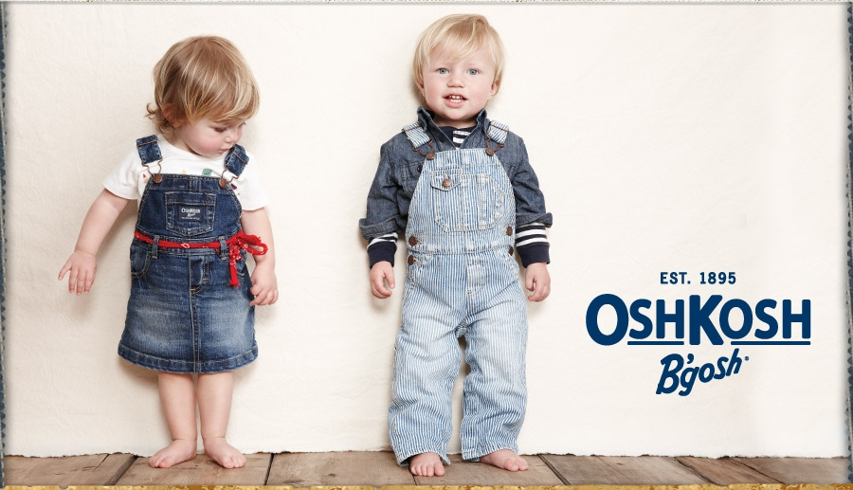
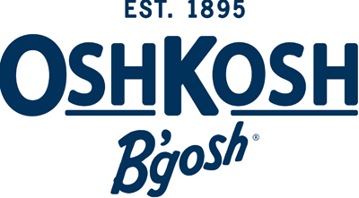
 |  |  |  |  |  |  |  | 90% OFF |  |  | 88.5% OFF |  |  | 87% OFF

 |  |  |  |  |  |  |  | TAKE ALL | YOUR PRICE | TOTAL PRICE | TAKE HALF | YOUR PRICE | TOTAL PRICE | TAKE 1/4 | YOUR PRICE | TOTAL PRICE

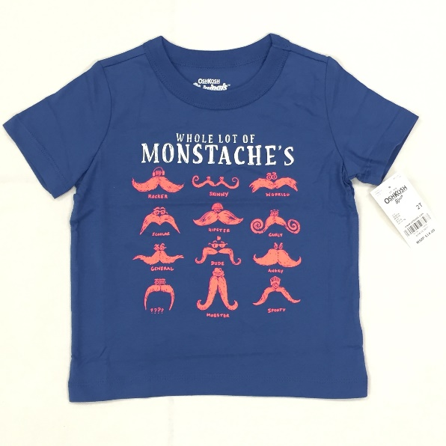
SKU Number | Brand | Name | Size | Manufacturer Part # | UPC | MSRP | Case Qty | QTY | US$ | US$ | QTY | US$ | US$ | QTY | US$ | US$ | Image 1
OSK919-AC-00009 | OshKosh | Oshkosh Boy Short Sleeve Blue T-Shirt Size - 6-9M | 6M-9M | 13161423 | 190796596471 | $14.00 | 30 | 191 | $1.40 | $267.40 | 96 | $1.61 | $153.76 | 48 | $1.82 | $86.91 | https://albanyobjects.blob.core.windows.net/productimages/40394/113267129/62853394-0a04-4361-b18d-98ab33ab9644.jpg
OSK919-AC-00012 | OshKosh | Oshkosh Boy Short Sleeve Blue T-Shirt Size - 9-12M | 9M-12M | 13161423 | 190796596488 | $14.00 | 30 | 202 | $1.40 | $282.80 | 101 | $1.61 | $162.61 | 51 | $1.82 | $91.91
OSK919-AC-00010 | OshKosh | Oshkosh Boy Short Sleeve Blue T-Shirt Size - 12-18M | 12M-18M | 13161423 | 190796596457 | $14.00 | 30 | 213 | $1.40 | $298.20 | 107 | $1.61 | $171.47 | 53 | $1.82 | $96.92
OSK919-AC-00011 | OshKosh | Oshkosh Boy Short Sleeve Blue T-Shirt Size - 18-24M | 18M-24M | 13161423 | 190796596464 | $14.00 | 30 | 180 | $1.40 | $252.00 | 90 | $1.61 | $144.90 | 45 | $1.82 | $81.90
OSK919-AC-00002 | OshKosh | Oshkosh Boy Short Sleeve Blue T-Shirt Size - 2T | 2T | 23161423 | 190796598567 | $14.00 | 30 | 551 | $1.40 | $771.40 | 276 | $1.61 | $443.56 | 138 | $1.82 | $250.71
OSK919-AC-00001 | OshKosh | Oshkosh Boy Short Sleeve Blue T-Shirt Size - 3T | 3T | 23161423 | 190796598574 | $14.00 | 30 | 804 | $1.40 | $1,125.60 | 402 | $1.61 | $647.22 | 201 | $1.82 | $365.82
OSK919-AC-00003 | OshKosh | Oshkosh Boy Short Sleeve Blue T-Shirt Size - 4T | 4T | 23161423 | 190796598581 | $14.00 | 30 | 639 | $1.40 | $894.60 | 320 | $1.61 | $514.40 | 160 | $1.82 | $290.75
OSK919-AC-00004 | OshKosh | Oshkosh Boy Short Sleeve Blue T-Shirt Size - 5T | 5T | 23161423 | 190796598598 | $14.00 | 30 | 461 | $1.40 | $645.40 | 231 | $1.61 | $371.11 | 115 | $1.82 | $209.76
OSK919-AC-00008 | OshKosh | Oshkosh Boy Short Sleeve Blue T-Shirt Size - 4/5 | 4/5 | 33161418 | 190796597768 | $16.00 | 30 | 292 | $1.60 | $467.20 | 146 | $1.84 | $268.64 | 73 | $2.08 | $151.84
OSK919-AC-00005 | OshKosh | Oshkosh Boy Short Sleeve Blue T-Shirt Size - 6 | 6 | 33161418 | 190796597775 | $16.00 | 30 | 392 | $1.60 | $627.20 | 196 | $1.84 | $360.64 | 98 | $2.08 | $203.84
OSK919-AC-00006 | OshKosh | Oshkosh Boy Short Sleeve Blue T-Shirt Size - 7 | 7 | 33161418 | 190796597782 | $16.00 | 30 | 315 | $1.60 | $504.00 | 158 | $1.84 | $289.80 | 79 | $2.08 | $163.80
OSK919-AC-00007 | OshKosh | Oshkosh Boy Short Sleeve Blue T-Shirt Size - 8 | 8 | 33161418 | 190796597799 | $16.00 | 30 | 257 | $1.60 | $411.20 | 129 | $1.84 | $236.44 | 64 | $2.08 | $133.64
OSK919-AC-00015 | OshKosh | Oshkosh Boy Short Sleeve Blue T-Shirt Size - 10 | 10 | 33161418 | 190796597737 | $16.00 | Varies | 272 | $1.60 | $435.20 | 136 | $1.84 | $250.24 | 68 | $2.08 | $141.44
OSK919-AC-00014 | OshKosh | Oshkosh Boy Short Sleeve Blue T-Shirt Size - 12 | 12 | 33161418 | 190796597744 | $16.00 | Varies | 145 | $1.60 | $232.00 | 73 | $1.84 | $133.40 | 36 | $2.08 | $75.40
 |  |  |  |  |  |  |  | 4914 |  | $7,214.20 | 2457 |  | $4,148.17 | 1229 |  | $2,344.62
 | Notes: | All individually bagged
 |  | Solid Size per case |  |  |  |  |  | TOTAL UNITS |  | TOTAL PRICE | TOTAL UNITS |  | TOTAL PRICE | TOTAL UNITS |  | TOTAL PRICE
 |  | Case qty may vary |  |  |  |  |  | 4914 |  | $7,214.20 | 2457 |  | $4,148.17 | 1229 |  | $2,344.62

