Summary
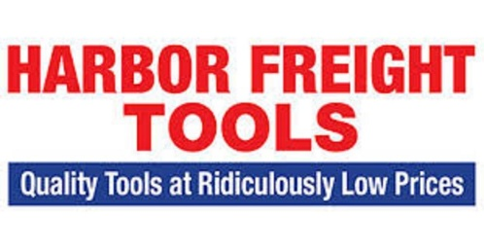
SUPPLIER | Facility | Bol | Category | Pallets | Retail Price | % Off | Your Price $
Harbor Freight | SC | 1171 | TOOLS | 25 | $65,288.40 | 79% | $13,710.56
Harbor Freight | SC | 1182 | TOOLS | 25 | $66,510.52 | 79% | $13,967.21
Harbor Freight | SC | 1184 | TOOLS | 25 | $67,131.39 | 79% | $14,097.59
Harbor Freight | SC | 1197 | TOOLS | 25 | $66,573.80 | 79% | $13,980.50
Harbor Freight | SC | 1210 | TOOLS | 25 | $69,182.46 | 79% | $14,528.32
Harbor Freight | SC | 1221 | TOOLS | 25 | $68,106.10 | 79% | $14,302.28
Harbor Freight | SC | 1222 | TOOLS | 25 | $67,912.71 | 79% | $14,261.67
Harbor Freight | LA | 1117 | TOOLS | 25 | $75,528.06 | 79% | $15,860.89
Harbor Freight | LA | 1124 | TOOLS | 25 | $77,740.79 | 79% | $16,325.57
Harbor Freight | LA | 1239 | TOOLS | 50 | $261,041.40 | 79% | $54,818.69

