Recap
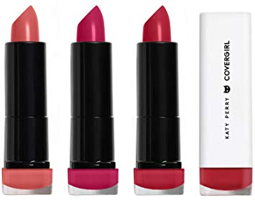
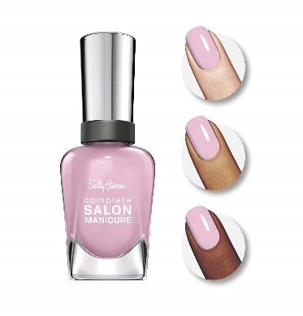
 |  |  |  |  | Cosmetic and Nail
 |  |  |  |  | By The Pallet

LOT# | CATEGORY | Brand | QTY | Value | Unit price | Your price | Discount
5902 | Cosmetics | Cover Girl | 7,559 | $38,231.13 | $1.03 | $7,820 | 80%
5847 | Cosmetics | Cover Girl | 8,198 | $40,098.13 | $1.00 | $8,201 | 80%
5850 | Cosmetics | Cover Girl | 5,431 | $26,761.61 | $1.01 | $5,476 | 80%
5865 | Nail | Sally Hansen | 5,996 | $26,088.01 | $0.48 | $2,850 | 89%
5867 | Nail | Sally Hansen | 5,752 | $24,597.28 | $0.47 | $2,687 | 89%
5874 | Nail | Sally Hansen | 5,619 | $24,050.81 | $0.47 | $2,628 | 89%
5875 | Nail | Sally Hansen | 5,530 | $23,977.21 | $0.47 | $2,620 | 89%
5876 | Nail | Sally Hansen | 5,595 | $24,301.35 | $0.47 | $2,655 | 89%
5844 | Nail | Sally Hansen | 7,720 | $35,095.84 | $0.50 | $3,832 | 89%

Photos




