report
CODIGO METALSA:
EMISION:
DENOMINACION :
REV. :
CLIENTE :
HOJA :
ESTA REVISION ANULA Y REEMPLAZA A TODA ANTERIOR
HOJA DE INSPECCION
CUALQUIER ALTERACION DEBE NOTIFICARSE PREVIAMENTE AL DPTO. DE CALIDAD
Part Model N - Part Report

 | Date: | 13/06/2026 | Time: | 11:26:39 |  |  | Part Id: | X234-44 |  | Part Number: | 812873
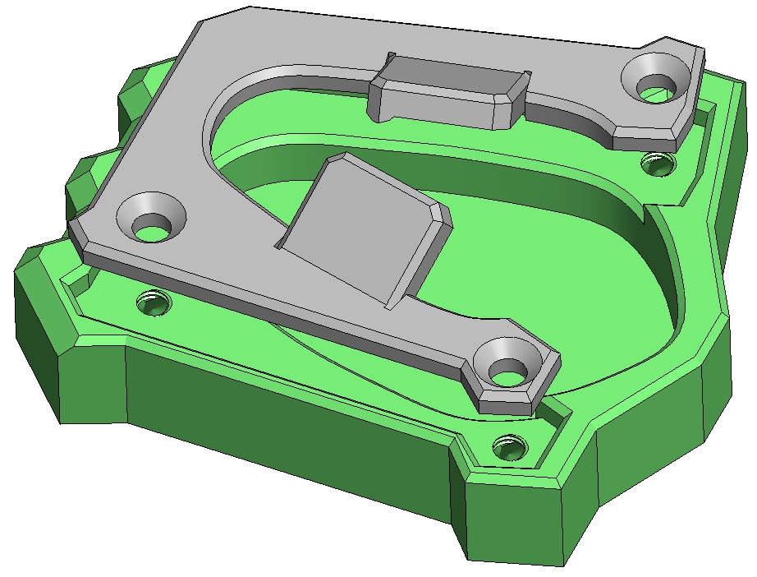 Report image
 | accuracy | 100.0% |  |  |  |  |  |  |  | condition | 0

Upper Sub-Assembly
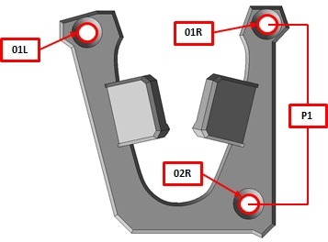 Group Image
Feature Id | Axis | Value | Nominal | LIE | LSE | Deviation | Judge | OOT | Description |  |  | NG on Accuracy | On Accuracy | LIE (internal) | LSE (internal) | Is Rejected
PART01_01L_X | Pos X | 226.9 | 226.2 | -3.0 | 3.0 | 0.7 | 0 |  | Upper Part Inboard LH Hole - Pos X |  |  |  | True | -4.5 | 4.5 | FALSE
PART01_01L_Y | Pos Y | -328.2 | -326.0 | -3.0 | 3.0 | -2.2 | 0 |  | Upper Part Inboard LH Hole - Pos Y |  |  |  | True | -4.5 | 4.5 | FALSE
PART01_01L_Z | Pos Z | 989.9 | 990.2 | -3.0 | 3.0 | -0.3 | 0 |  | Upper Part Inboard LH Hole - Pos Z |  |  |  | True | -4.5 | 4.5 | FALSE
PART01_01R_X | Pos X | 226.4 | 226.2 | -3.0 | 3.0 | 0.2 | 0 |  | Upper Part Inboard RH Hole - Pos X |  |  |  | True | -4.5 | 4.5 | FALSE
PART01_01R_Y | Pos Y | 326.7 | 326.0 | -3.0 | 3.0 | 0.7 | 0 |  | Upper Part Inboard RH Hole - Pos Y |  |  |  | True | -4.5 | 4.5 | FALSE
PART01_01R_Z | Pos Z | 989.2 | 990.2 | -3.0 | 3.0 | -1 | 0 |  | Upper Part Inboard RH Hole - Pos Z |  |  |  | True | -4.5 | 4.5 | FALSE
PART01_02R_X | Pos X | 228.9 | 226.2 | -3.0 | 3.0 | 2.7 | 0 |  | Upper Part Outboard RH Hole - Pos X |  |  |  | True | -4.5 | 4.5 | FALSE
PART01_02R_Y | Pos Y | 449.1 | 449.0 | -3.0 | 3.0 | 0.1 | 0 |  | Upper Part Outboard RH Hole - Pos Y |  |  |  | True | -4.5 | 4.5 | FALSE
PART01_02R_Z | Pos Z | 1051.5 | 1052.3 | -3.0 | 3.0 | -0.8 | 0 |  | Upper Part Outboard RH Hole - Pos Z |  |  |  | True | -4.5 | 4.5 | FALSE
PART01_P1_Y | Dist Y | 655.0 | 652.0 | -3.0 | 3.0 | 3 | 0 |  | Lower Part - Outboard vs Outboard Holes - W-Pitch |  |  |  | True | -6 | 6 | FALSE
Lower Sub-Assembly
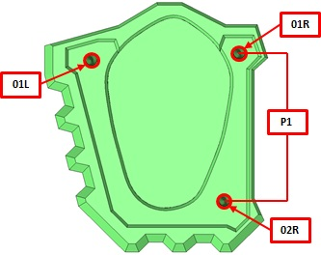 Group Image
Feature Id | Axis | Value | Nominal | LIE | LSE | Deviation | Judge | OOT | Description |  |  | NG on Accuracy | On Accuracy | LIE (internal) | LSE (internal) | Is Rejected
PART02_01L_X | Pos X | 420.4 | 420.0 | -4.0 | 4.0 | 0.4 | 0 |  | Lower Part Inboard LH Hole - Pos X |  |  |  | True | -8 | 8 | FALSE
PART02_01L_Y | Pos Y | -461.2 | -459.6 | -4.0 | 4.0 | -1.6 | 0 |  | Lower Part Inboard LH Hole - Pos Y |  |  |  | True | -8 | 8 | FALSE
PART02_01L_Z | Pos Z | 1068.7 | 1071.4 | -4.0 | 4.0 | -2.7 | 0 |  | Lower Part Inboard LH Hole - Pos Z |  |  |  | True | -8 | 8 | FALSE
PART02_01R_X | Pos X | 421.5 | 420.0 | -4.0 | 4.0 | 1.5 | 0 |  | Lower Part Inboard RH Hole - Pos X |  |  |  | True | -8 | 8 | FALSE
PART02_01R_Y | Pos Y | 459.7 | 459.6 | -4.0 | 4.0 | 0.1 | 0 |  | Lower Part Inboard RH Hole - Pos Y |  |  |  | True | -8 | 8 | FALSE
PART02_01R_Z | Pos Z | 1070.9 | 1071.4 | -4.0 | 4.0 | -0.5 | 0 |  | Lower Part Inboard RH Hole - Pos Z |  |  |  | True | -8 | 8 | FALSE
PART02_02R_X | Pos X | 1526.5 | 1527.1 | -4.0 | 4.0 | -0.6 | 0 |  | Lower Part Outboard Hole - Pos X |  |  |  | True | -8 | 8 | FALSE
PART02_02R_Y | Pos Y | 620.9 | 620.4 | -4.0 | 4.0 | 0.5 | 0 |  | Lower Part Outboard Hole - Pos Y |  |  |  | True | -8 | 8 | FALSE
PART02_02R_Z | Pos Z | 918.5 | 918.0 | -4.0 | 4.0 | 0.5 | 0 |  | Lower Part Outboard Hole - Pos Z |  |  |  | True | -8 | 8 | FALSE
PART02_P1_Y | Dist Y | 921.0 | 919.2 | -4.0 | 4.0 | 1.8 | 0 |  | Lower Part - Inboard vs Outboard Holes - W-Pitch |  |  |  | True | -8 | 8 | FALSE

Realizó: | J. Cabrera / M. Gamboa |  |  |  | Revisó: | D. Romero / F. Villalba |  |  |  | Aprobó: | A. Savastejko

