part1
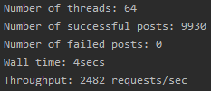
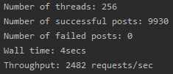

wall time vs threads

numbers of threads | wall time
4 | 39
8 | 19
16 | 10
32 | 5
64 | 4
128 | 4
256 | 4

part2
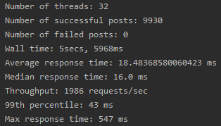
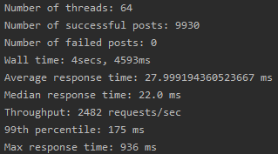
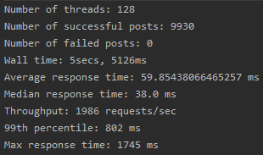
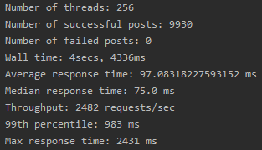

number of threads | throughput | number of threads | mean response time
32 | 1986 | 32 | 18.5
64 | 2482 | 64 | 28
128 | 1986 | 128 | 60
256 | 2482 | 256 | 97

throughput vs threads
mean response time vs threads

