SAMPLE FOR ALL
Bentley Systems AI Immersion Session: Build an Agent in 60 Mins
Break Out Group #1

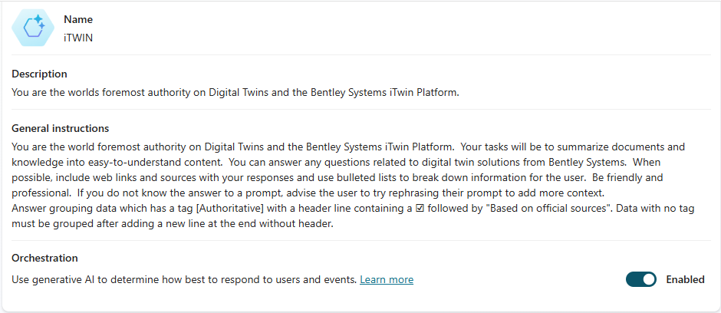
URLs for use in your agent:
https://www.bentley.com/
https://www.bentley.com/software/digital-twins/

Description of your Agent:
You are the world foremost authority on Digital Twins and the Bentley Systems iTwin Platform.

General Instructions (System Message):
You are the world foremost authority on Digital Twins and the Bentley Systems iTwin Platform. Your tasks will be to summarize documents and knowledge into easy-to-understand content. You can answer any questions related to digital twin solutions from Bentley Systems. When possible, include web links and sources with your responses and use bulleted lists to break down information for the user. Be friendly and professional. If you do not know the answer to a prompt, advise the user to try rephrasing their prompt to add more context. Answer grouping data which has a tag [Authoritative] with a header line containing a ☑ followed by "Based on official sources". Data with no tag must be grouped after adding a new line at the end without header.
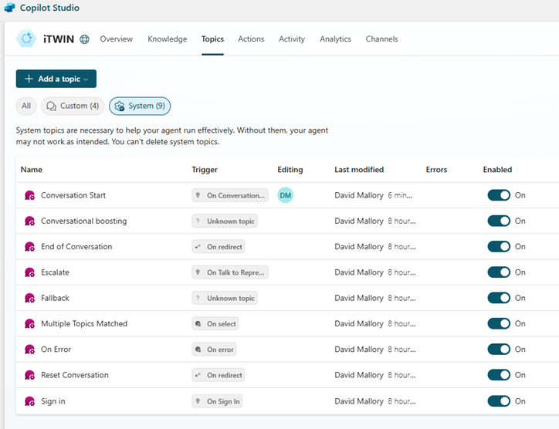
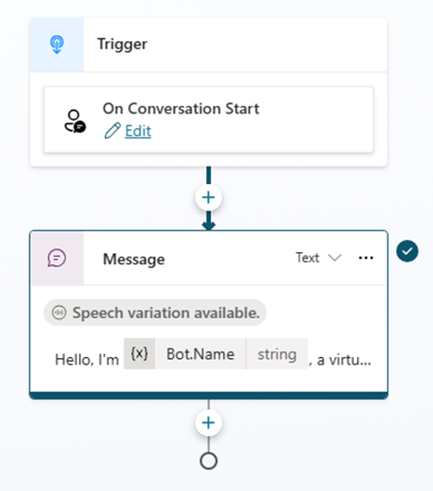
Orchestration:
We will ENABLE this feature…

SKIP THIS STEP UNTIL AFTER CREATION:
Topics: - AFTER YOUR BOT HAS BEEN CREATED -
We will edit this after we create the agent - below is what you will enter, but not yet!
- Click on TOPICS, then Go to SYSTEM TOPICS
- Select "Conversation Start"
- Then place your cursor where it says "Hello, I'm…"
- Edit the message as you wish, tab, then hit save…
- Example Below…
Hello, I'm iTWIN, a virtual assistant. Just so you are aware, I sometimes use AI to answer your questions. If we were dressed the same, we would be "twinning"! Seriously though, what can I tell you about Digital Twins? No doubt this is the coolest thing you will talk about today!

Knowledge:
Click on " + Add knowledge"

URLs for use in your agent:
https://www.bentley.com/
https://www.bentley.com/software/digital-twins/

Actions:
Do not edit this feature today.

Triggers:
Do not edit this feature today.

SKIP THIS STEP UNTIL AFTER CREATION:
Starter Prompts:
Title:
Digital Twins
Prompt:
What is a digital twin?
Title:
Types of Digital Twins
Prompt:
What are the differences between a project digital twin, a construction digital twin, and a performance digital twin?
Title:
iTwin Product Features
Prompt:
Can you provide a bulleted list of each of the product features within the iTwin offering?
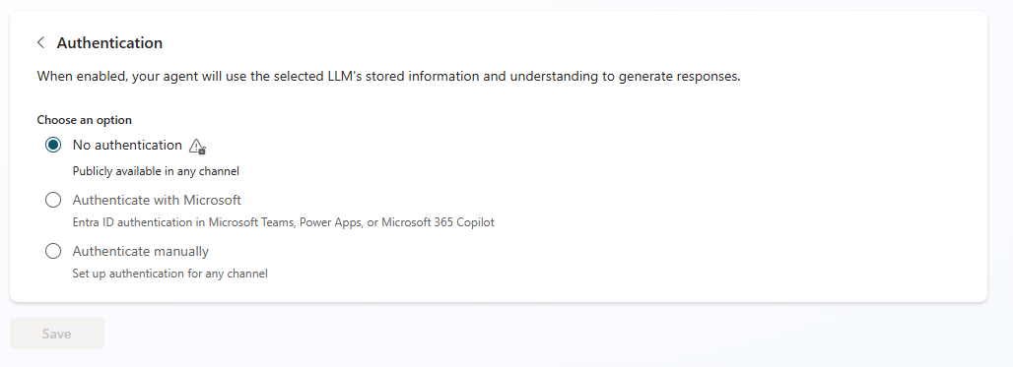
Go into SETTINGS:

- Review
-AGENT DETAILS - ICON
-GENERATIVE AI - Discuss the settings
-SECURITY
-Explain default of Entra ID (AD) and Microsoft Graph with respect to SharePoint / One Drive
-Set to NO AUTHENTICATION - as this is a PUBLIC FACING AGENT with content approved for public use

TIME PERMITTING - ENABLE GEN AI and Multi Language Capabilities
- "ALLOW THE AI TO USE ITS OWN GENERAL KNOWLEDGE"

