CHARTS
 | successful | failed | cancelled | live
film & video | 300 | 180 | 40
food | 34 | 140 | 20 | 6
games | 80 | 140
journalism |  |  | 24
music | 540 | 120 | 20 | 20
photography | 103 | 117
publishing | 80 | 127 | 30
technology | 209 | 213 | 178
theater | 839 | 493 | 37 | 24

 | successful | failed | cancelled | live
animation |  | 100
art books |  |  | 20
audio |  |  | 24
children's books |  | 40
classical music | 40
documentary | 180
drama |  | 80
electronic music | 40
faith |  | 40 |  | 20
fiction |  | 40
food trucks |  | 120 | 20
gadgets |  | 20
hardware | 140
indie rock | 140 | 20
jazz |  | 60
makerspaces | 9 | 11
metal | 20
mobile games |  | 40
musical | 60 | 60 | 20
nature |  | 20
nonfiction | 60
people |  | 20
photobooks | 103 | 57
places |  | 20
plays | 694 | 353 |  | 19
pop | 40
radio & podcasts | 20
restaurants |  | 20
rock | 260
science fiction |  |  | 40
shorts | 60
small batch | 34 |  |  | 6
space exploration | 40 | 2 | 18
spaces | 85 | 80 | 17 | 5
tabletop games | 80
television | 60
translations |  | 47 | 10
video games |  | 100
wearables | 20 | 120 | 60
web |  | 60 | 100
world music |  |  | 20

 | successful | failed | cancelled
January | 182 | 149 | 34
February | 202 | 106 | 27
March | 180 | 108 | 28
April | 192 | 102 | 27
May | 234 | 126 | 26
June | 211 | 147 | 27
July | 194 | 150 | 43
August | 166 | 134 | 33
September | 147 | 127 | 24
October | 183 | 149 | 20
November | 183 | 114 | 37
December | 111 | 118 | 23

Bonus
GOAL | Number successful | Number failed | Number Cancelled | Total projects | Percentage successful | Percentage Failed | Percentage Cancelled
Less Than 1000 | 322 | 113 | 18 | 453 | 71% | 25% | 4%
1000 to 4999 | 932 | 420 | 60 | 1412 | 66% | 30% | 4%
5000 to 9999 | 381 | 283 | 52 | 716 | 53% | 40% | 7%
10000 to 14999 | 168 | 144 | 40 | 352 | 48% | 41% | 11%
15000 to 19999 | 94 | 90 | 17 | 201 | 47% | 45% | 8%
20000 to 24999 | 62 | 72 | 14 | 148 | 42% | 49% | 9%
25000 to 29999 | 55 | 64 | 18 | 137 | 40% | 47% | 13%
30000 to 34999 | 32 | 37 | 13 | 82 | 39% | 45% | 16%
35000 to 39999 | 26 | 22 | 7 | 55 | 47% | 40% | 13%
40000 to 44999 | 21 | 16 | 6 | 43 | 49% | 37% | 14%
45000 to 49999 | 6 | 11 | 4 | 21 | 29% | 52% | 19%
Greater than 50000 | 86 | 258 | 100 | 444 | 19% | 58% | 23%
Outcomes Based on Goal

instructions
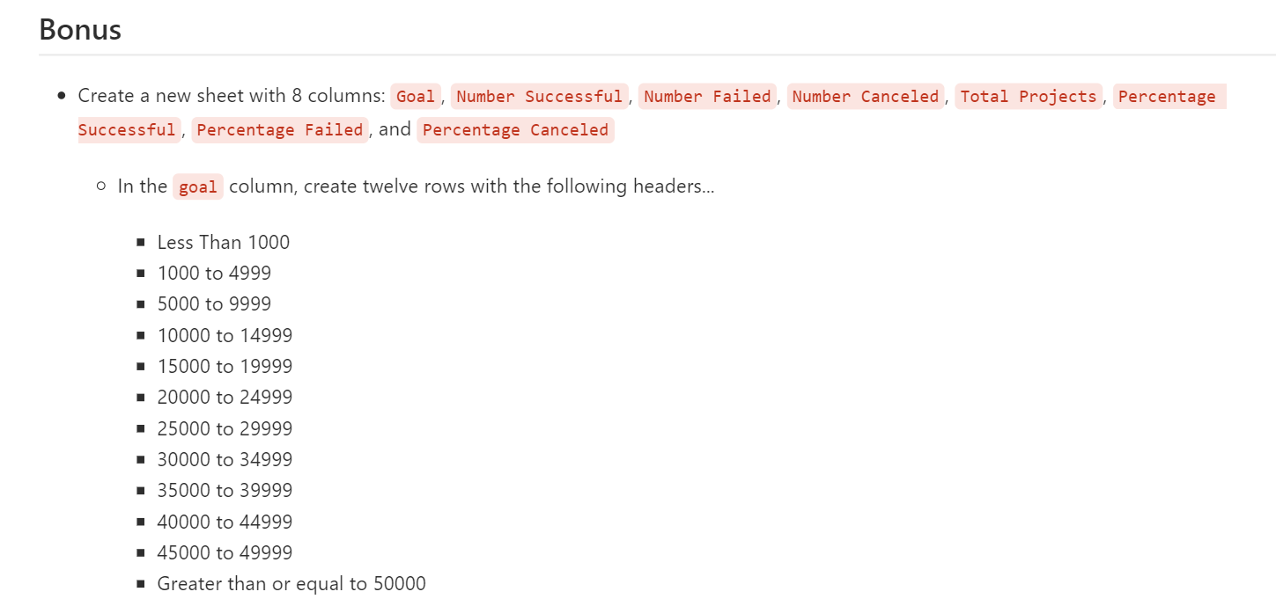
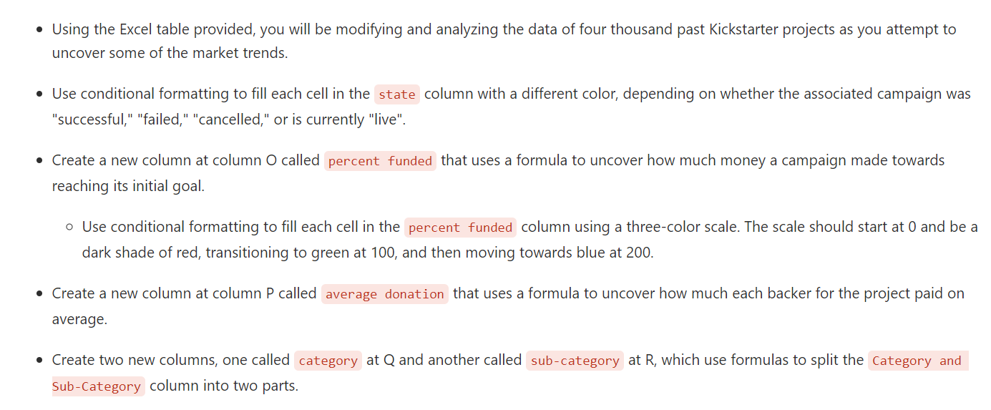
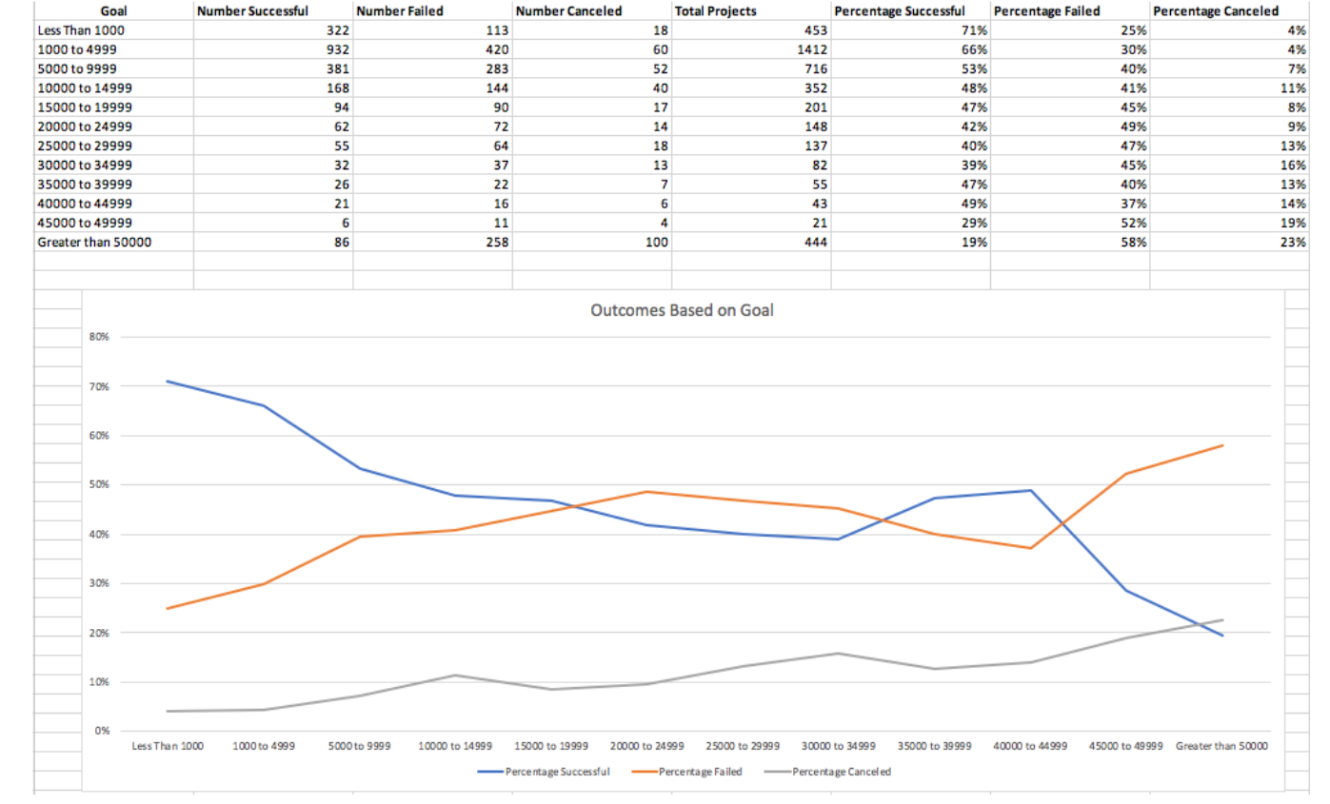
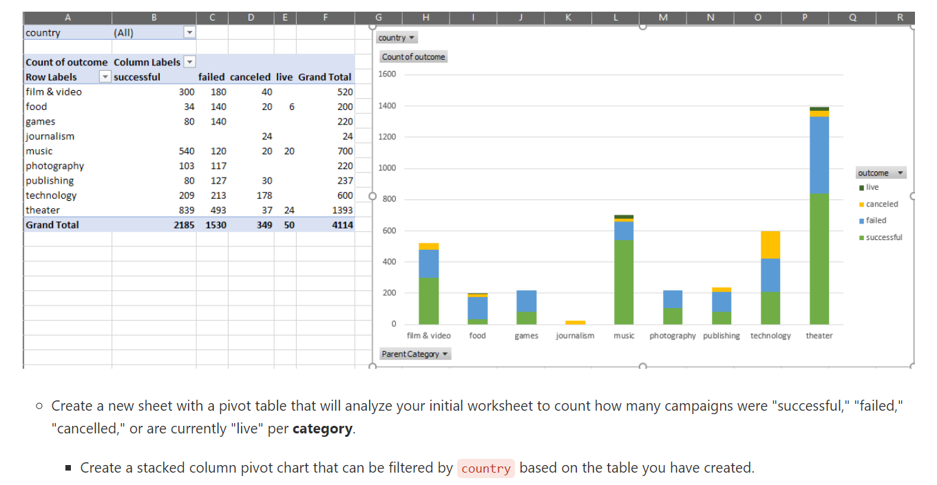
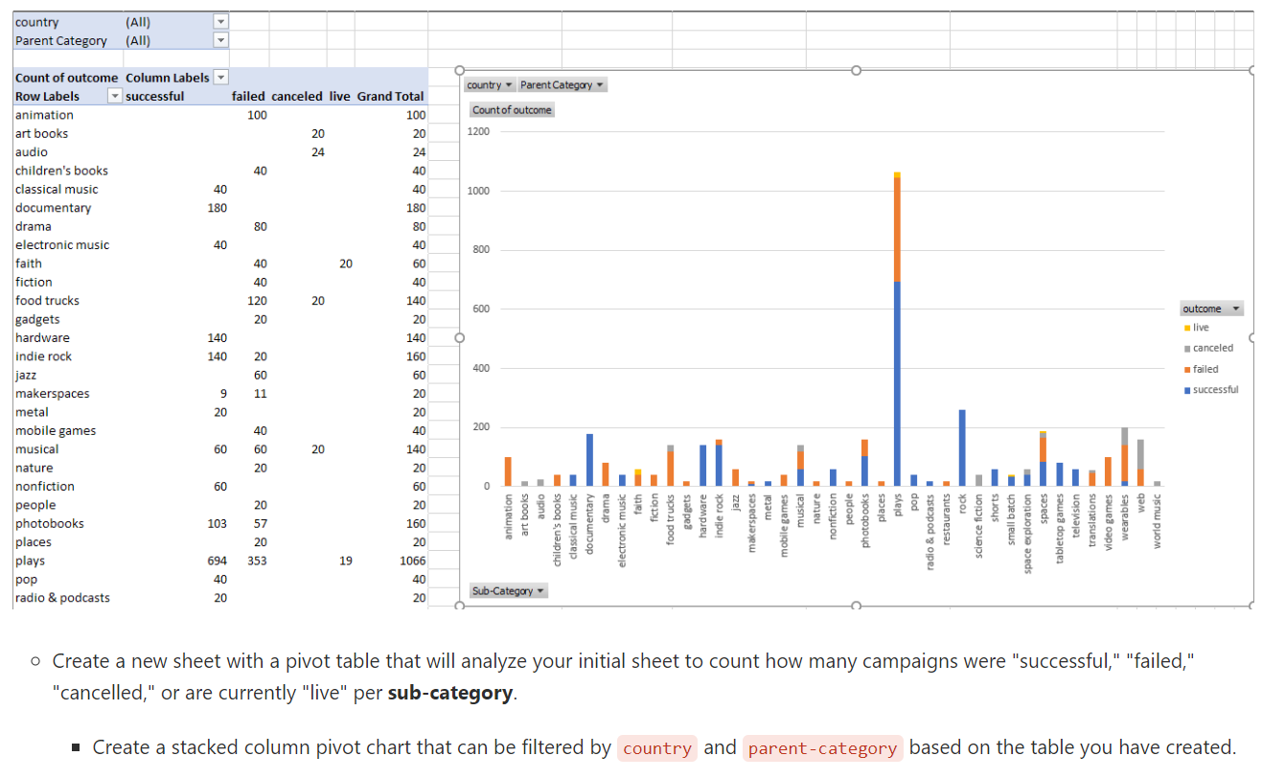
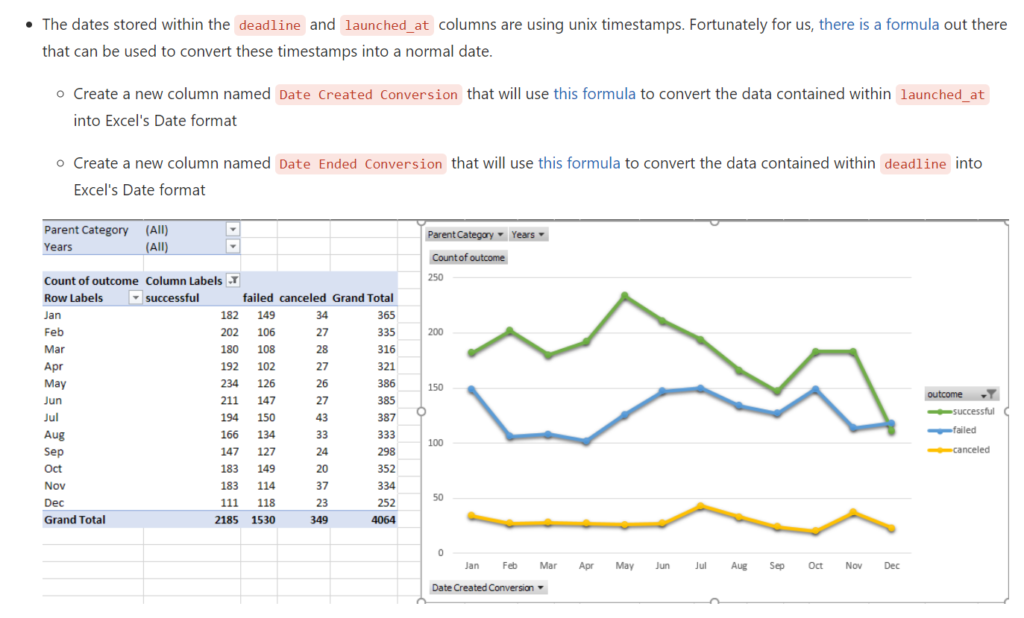
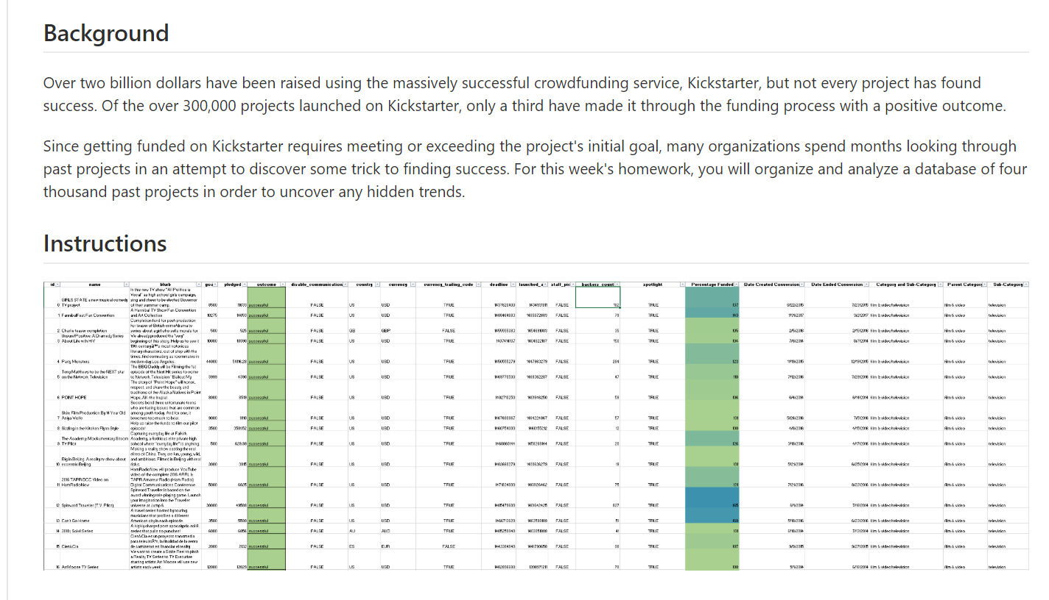
instructions

