Diagram
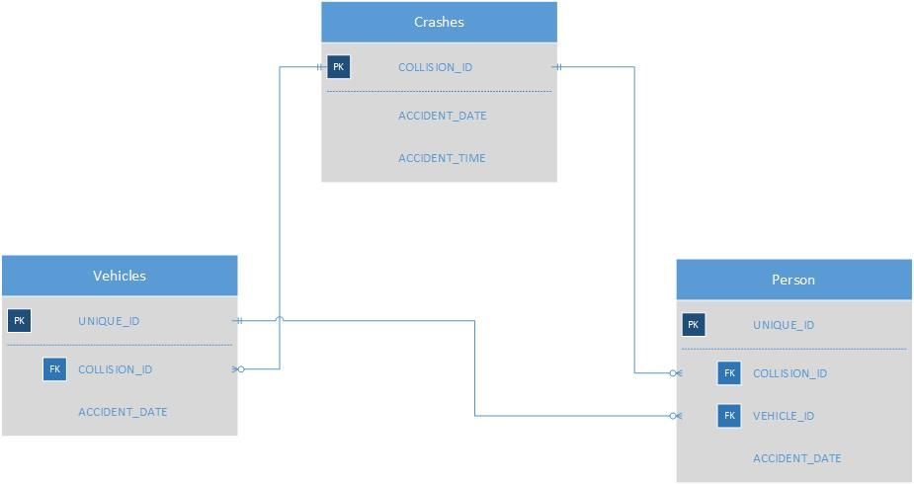
Include a Database Diagram so it is clear how the tables are connected.

