Break-Even Analysis
W05 Application Activity: Break-Even Analysis

 | Annual Costs (Fixed & Varable) | Annual Revenue
0 | $- | $-
0 | $- | $-
For instructions, see your Canvas course Modules - W05 Application Activity: Break-Even Analysis. |  | Part 1: Type Your Refreshing Drink's Name Here: | Part 2: Annual Fixed Cost |  |  | Part 3: Price and % of Demand |  |  | Part 5: Yearly Cost & Revenue
 |  |  | Neighborhood Market Fixed Cost per Month |  |  |  | Read Chart ✓ | Price Range ✓ |  |  | Monthly Demand | Price Adjusted Demand
 |  |  | Shop Rental |  |  | Price |  |  |  | January | 276 | -
 |  |  | Utilities (power, water, trash) |  |  | % of Demand |  |  |  | February | 617 | -
 |  |  |  |  | ✓ |  |  |  |  | March | 1,069 | -
 |  |  | Annual Fixed Cost |  |  | Part 4: Break-Even Point |  |  |  | April | 2,017 | -
 |  |  | Variable Costs | $0.30 |  |  | ✓ |  |  | May | 3,241 | -
 |  |  |  |  |  | Break-Even Point (# of cups sold) |  |  |  | June | 4,184 | -
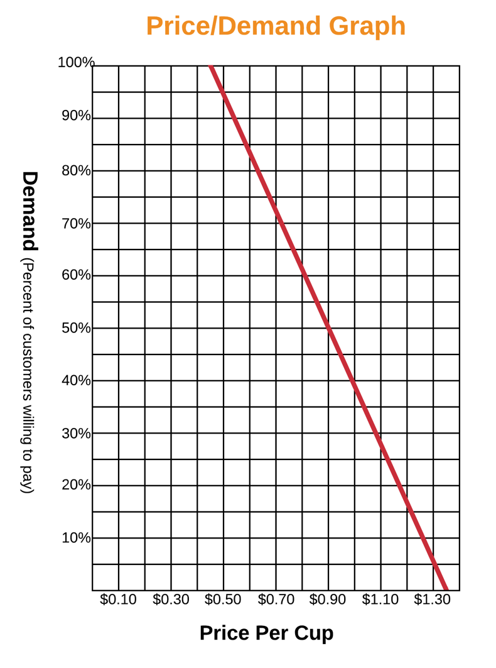
✓ Feedback Key: | C | = Correct |  |  |  | Break-Even Point = Fixed Cost / (Price - Variable Costs) |  |  |  | July | 3,103 | -
 | A | = Check Answer, Cell Referencing is Correct |  |  |  |  |  |  |  | August | 3,241 | -
 | CR | = Check Cell Referencing, Answer is Correct |  |  |  |  |  |  |  | September | 3,822 | -
 | N | = Not Correct |  |  |  |  |  |  |  | October | 2,730 | -
 |  |  |  |  |  |  |  |  |  | November | 2,126 | -
 |  |  |  |  |  |  |  |  |  | December | 748 | -

 |  |  |  |  |  |  |  |  |  |  | Beginning of Year | End of Year

 |  |  |  |  |  |  |  |  |  | Total Units (Cups) Sold | 0 | -
 |  |  |  |  |  |  |  |  |  | Annual (Fixed and Variable) Costs | $- | $-
 |  |  |  |  |  |  |  |  |  | Annual Revenue | $0 | $-
 |  |  |  |  |  |  |  |  |  |  | Annual Net Profit | $-
 |  |  |  |  |  |  |  |  |  |  | Profit Margin | #DIV/0!

