Sheet1
Autoencoder |  |  |  |  |  |  |  |  |  | PCA |  |  |  |  |  |  |  |  | PCA |  |  |  |  |  |  | PCA
 |  |  |  |  |  |  |  |  |  |  |  |  |  |  |  |  |  |  | class_weights = {0: 1, 1: 5} |  |  |  |  |  |  |  | Sampling = 0.8 |  | clase 1:5 |  |  |  |  | Sin pesos |  | clase 1:10

 | AUC-PR: | 0.8697 |  |  |  |  |  |  |  | AUC-PR: | 0.8814 |  |  |  |  |  |  | AUC-PR: | 0.8812 |  |  |  |  |  |  | AUC-PR: | 0.8742 |  |  |  |  |  |  | AUC-PR: | 0.8723
 | Precision: | 0.8187, | Recall: | 0.7881, | F1-score: | 0.8031 |  |  |  | Precision: | 0.7849, | Recall: | 0.8370, | F1-score: | 0.8101 |  |  | Precision: | 0.7867, | Recall: | 0.8419, | F1-score: | 0.8134 |  |  | Precision: | 0.7913, | Recall: | 0.8326, | F1-score: | 0.8114 |  |  | Precision: | 0.8234, | Recall: | 0.7805, | F1-score: | 0.8014
 |  |  |  |  |  |  |  |  |  |  |  |  |  |  |  |  |  |  | precision | recall | f1-score | support |  |  |  |  |  | precision | recall | f1-score | support |  |  |  |  | precision | recall | f1-score | support
 |  |  | precision | recall | f1-score | support |  |  |  |  |  | precision | recall | f1-score | support
 |  | 0 | 0.92 | 0.93 | 0.92 | 4528 | 0.92333333333 |  |  |  | 0 | 0.93 | 0.91 | 0.92 | 4528 | 0.92 |  |  | 0 | 0.93 | 0.91 | 0.92 | 4528 | 0.92 |  |  | 0 | 0.93 | 0.91 | 0.92 | 4528 | 0.92 |  |  | 0 | 0.91 | 0.93 | 0.92 | 4528 | 0.92
 |  | 1 | 0.82 | 0.79 | 0.8 | 1822 | 0.80333333333 |  |  |  | 1 | 0.78 | 0.84 | 0.81 | 1822 | 0.81 |  |  | 1 | 0.79 | 0.84 | 0.81 | 1822 | 0.81333333333 |  |  | 1 | 0.79 | 0.83 | 0.81 | 1822 | 0.81 |  |  | 1 | 0.82 | 0.78 | 0.8 | 1822 | 0.8

 |  | accuracy | 0.89 | 6350 |  |  |  |  |  |  | accuracy | 0.89 | 6350 |  |  |  |  |  | accuracy | 0.89 | 6350 |  |  |  |  |  | accuracy | 0.89 | 6350 |  |  |  |  |  | accuracy | 0.89 | 6350
 |  | macro | avg | 0.87 | 0.86 | 0.86 | 6350 |  |  |  | macro | avg | 0.86 | 0.87 | 0.87 | 6350 |  |  | macro | avg | 0.86 | 0.88 | 0.87 | 6350 |  |  | macro | avg | 0.86 | 0.87 | 0.87 | 6350 |  |  | macro | avg | 0.87 | 0.86 | 0.86 | 6350
 | weighted | avg | 0.89 | 0.89 | 0.89 | 6350 |  |  |  | weighted | avg | 0.89 | 0.89 | 0.89 | 6350 |  |  | weighted | avg | 0.89 | 0.89 | 0.89 | 6350 |  |  | weighted | avg | 0.89 | 0.89 | 0.89 | 6350 |  |  | weighted | avg | 0.89 | 0.89 | 0.89 | 6350

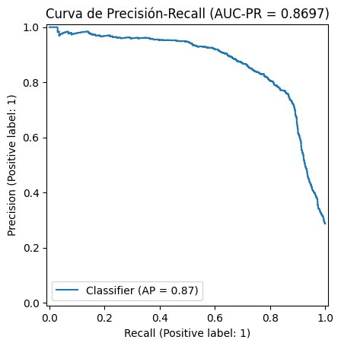
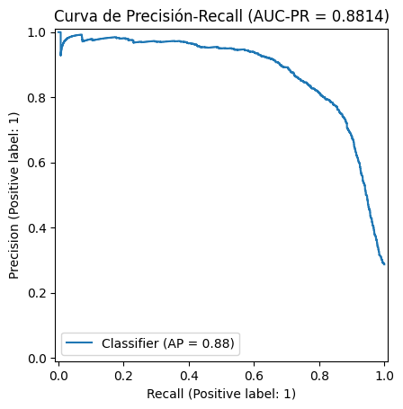
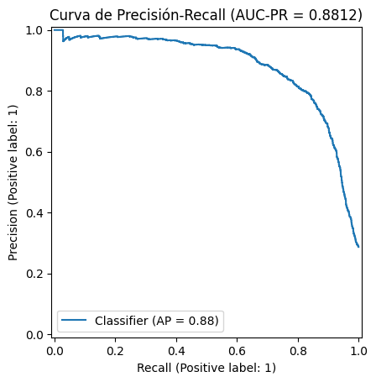

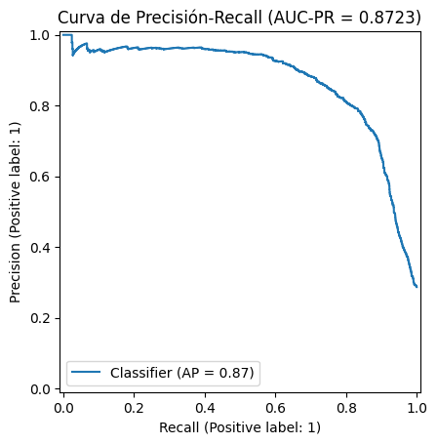

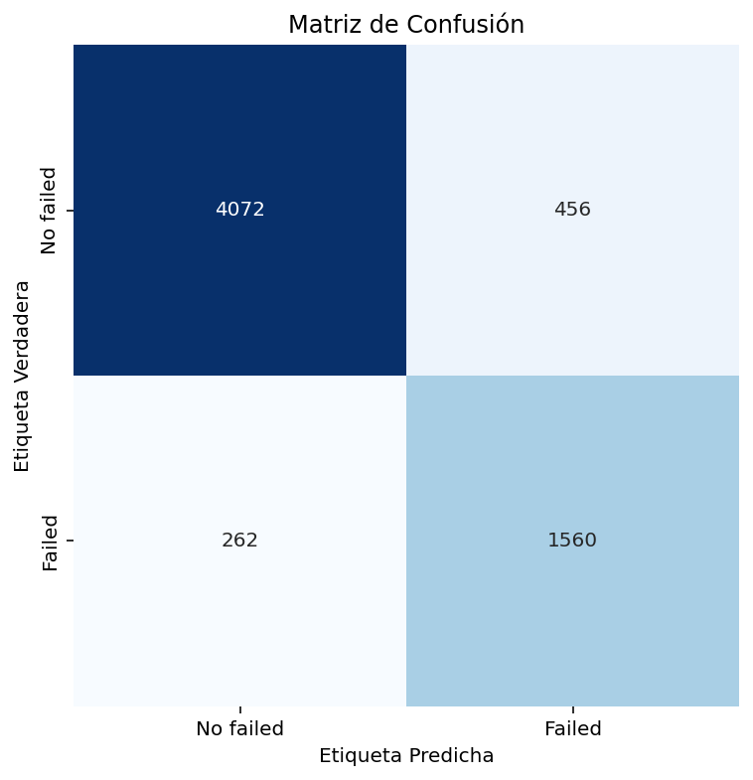

 | PCA final | L1 y L2

 | AUC-PR: | 0.8743
 | Precision: | 0.7796, | Recall: | 0.8447, | F1-score: | 0.8109 |  |  |  | AUC-PR: | 0.8689
 |  |  | precision | recall | f1-score | support |  |  |  | Precision: | 0.7899, | Recall: | 0.8255, | F1-score: | 0.8073 |  |  |  |  |  |  |  |  |  |  |  |  |  |  | AUC-PR: | 0.8686
 |  |  |  |  |  |  |  |  |  |  | precision | recall | f1-score | support |  |  |  |  |  |  |  |  |  |  |  |  |  |  |  | Precision: | 0.7953, | Recall: | 0.8233, | F1-score: | 0.8091
 |  | 0 | 0.94 | 0.9 | 0.92 | 4528 | 0.92 |  |  |  |  |  |  |  |  |  |  |  |  |  |  |  |  |  |  |  |  |  |  |  | precision | recall | f1-score | support
 |  | 1 | 0.78 | 0.84 | 0.81 | 1822 | 0.81 |  |  |  | 0 | 0.93 | 0.91 | 0.92 | 4528
 |  |  |  |  |  |  |  |  |  |  | 1 | 0.79 | 0.83 | 0.81 | 1822 |  |  |  |  |  |  |  |  |  |  |  |  |  |  |  | 0 | 0.93 | 0.91 | 0.92 | 4528
 |  | accuracy | 0.89 | 6350 |  |  |  |  |  |  |  |  |  |  |  |  |  |  |  |  |  |  |  |  |  |  |  |  |  |  | 1 | 0.8 | 0.82 | 0.81 | 1822
 |  | macro | avg | 0.86 | 0.87 | 0.87 | 6350 |  |  |  | accuracy | 0.89 | 6350
 | weighted | avg | 0.89 | 0.89 | 0.89 | 6350 |  |  |  |  | macro | avg | 0.86 | 0.87 | 0.86 | 6350 |  |  |  |  |  |  |  |  |  |  |  |  |  |  | accuracy | 0.89 | 6350
 |  |  |  |  |  |  |  |  |  | weighted | avg | 0.89 | 0.89 | 0.89 | 6350 |  |  |  |  |  |  |  |  |  |  |  |  |  |  |  | macro | avg | 0.86 | 0.87 | 0.87 | 6350
 |  |  |  |  |  |  |  |  |  |  |  |  |  |  |  |  |  |  |  |  |  |  |  |  |  |  |  |  |  | weighted | avg | 0.89 | 0.89 | 0.89 | 6350


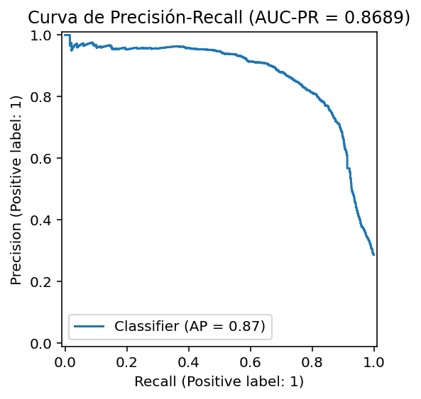

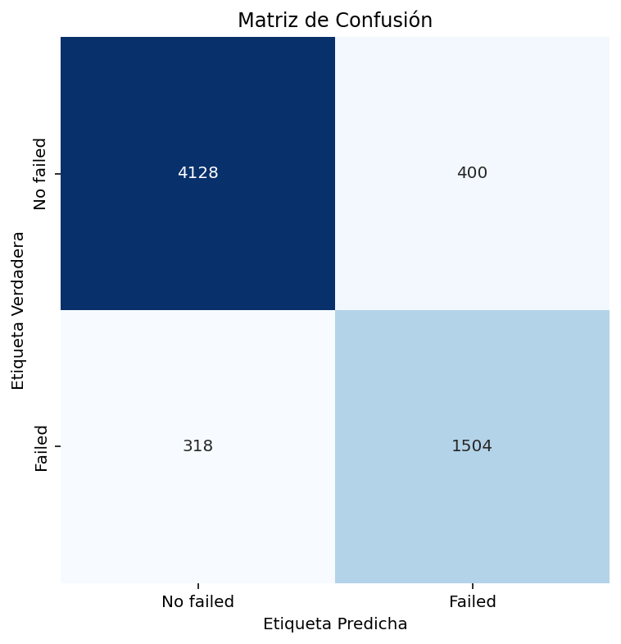

 |  |  |  |  |  |  |  |  |  |  |  |  |  |  |  |  |  |  |  |  |  |  |  |  |  |  |  |  |  | FP | 0.21008403361
 |  |  |  |  |  |  |  |  |  |  |  |  |  |  |  |  |  |  |  |  |  |  |  |  |  |  |  |  |  | Detección | 0.82546652031

 |  |  | Sampling 1 |  |  |  |  |  |  |  |  |  |  |  |  |  | Sampling .8

 |  |  | AUC-PR: | 0.8718
 |  |  | Precision: | 0.7669, | Recall: | 0.8507, | F1-score: | 0.8067
 |  |  |  | precision | recall | f1-score | support

 |  |  |  | 0 | 0.94 | 0.9 | 0.92 | 4528
 |  |  |  | 1 | 0.77 | 0.85 | 0.81 | 1822

 |  |  |  | accuracy | 0.88 | 6350 |  |  |  |  |  |  |  |  |  |  |  |  |  |  |  |  |  | TFP | 0.022199798184
 |  |  |  | macro | avg | 0.85 | 0.87 | 0.86 | 6350 |  |  |  |  |  |  |  |  |  |  |  |  |  |  | Detección | 0.8441273326
 |  |  | weighted | avg | 0.89 | 0.88 | 0.88 | 6350

