Hoja1
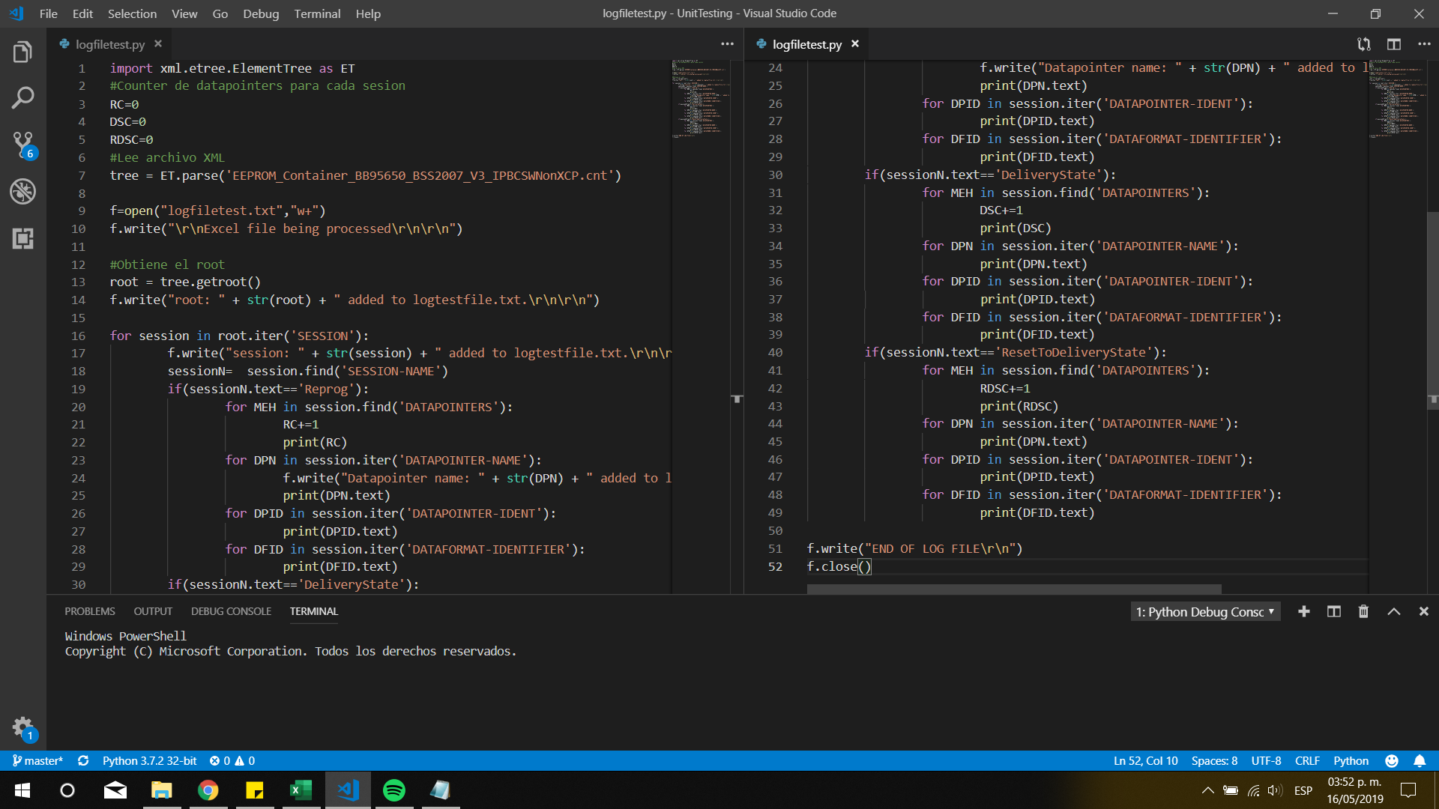
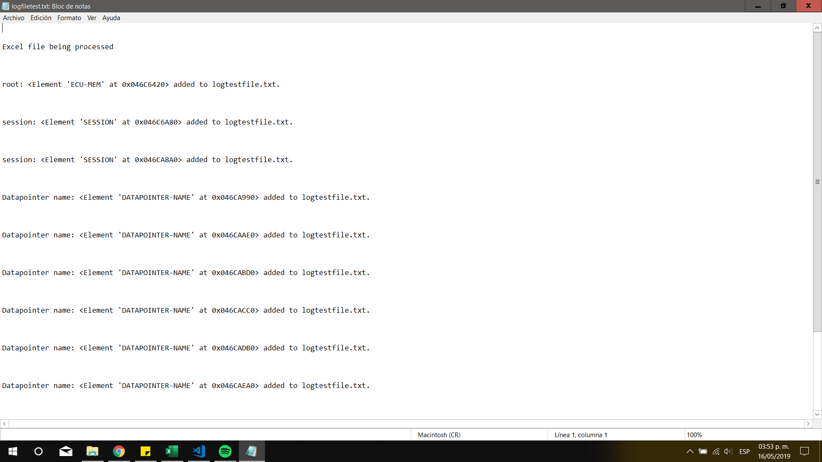
Unit Testing

 | This tests were made for the libraries we used to learn how to work and manipulate them, the rest is pure logic.
Test 1: | 01.py | Test to find cnt file
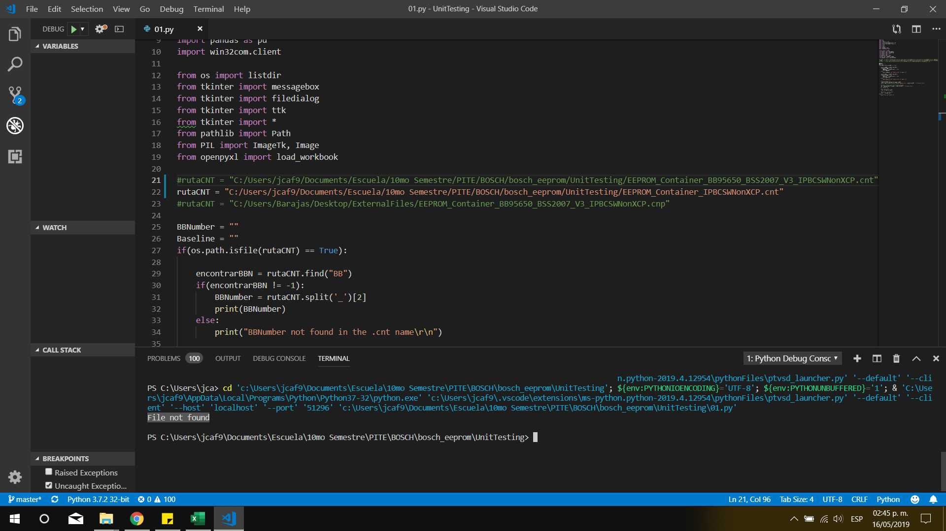
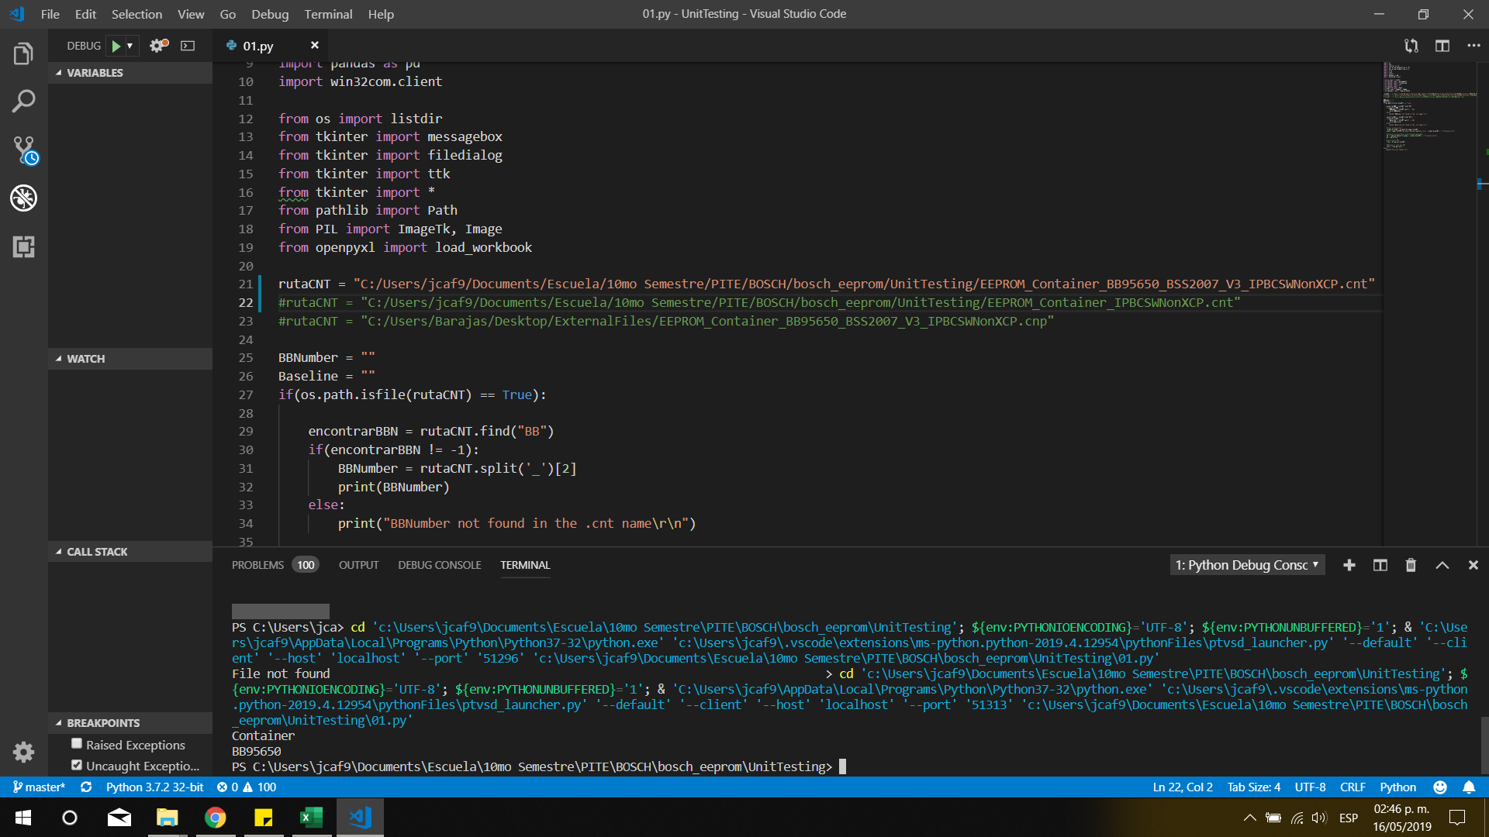

Test 2: | Example.py | test to understand how XML trees work

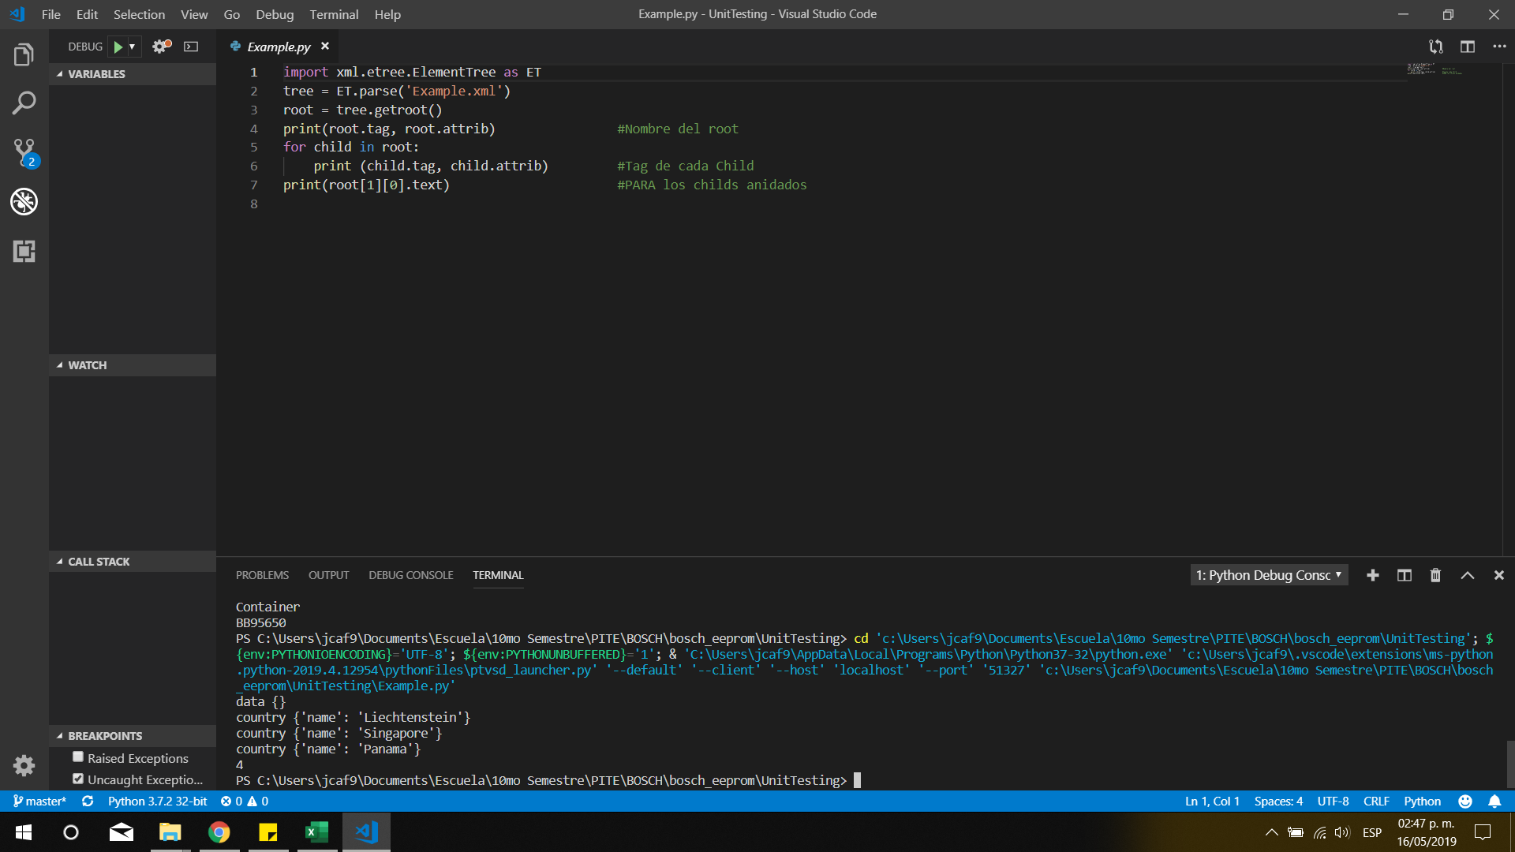

Test 3: | pruebaCNT3.py | Test to get data from a container
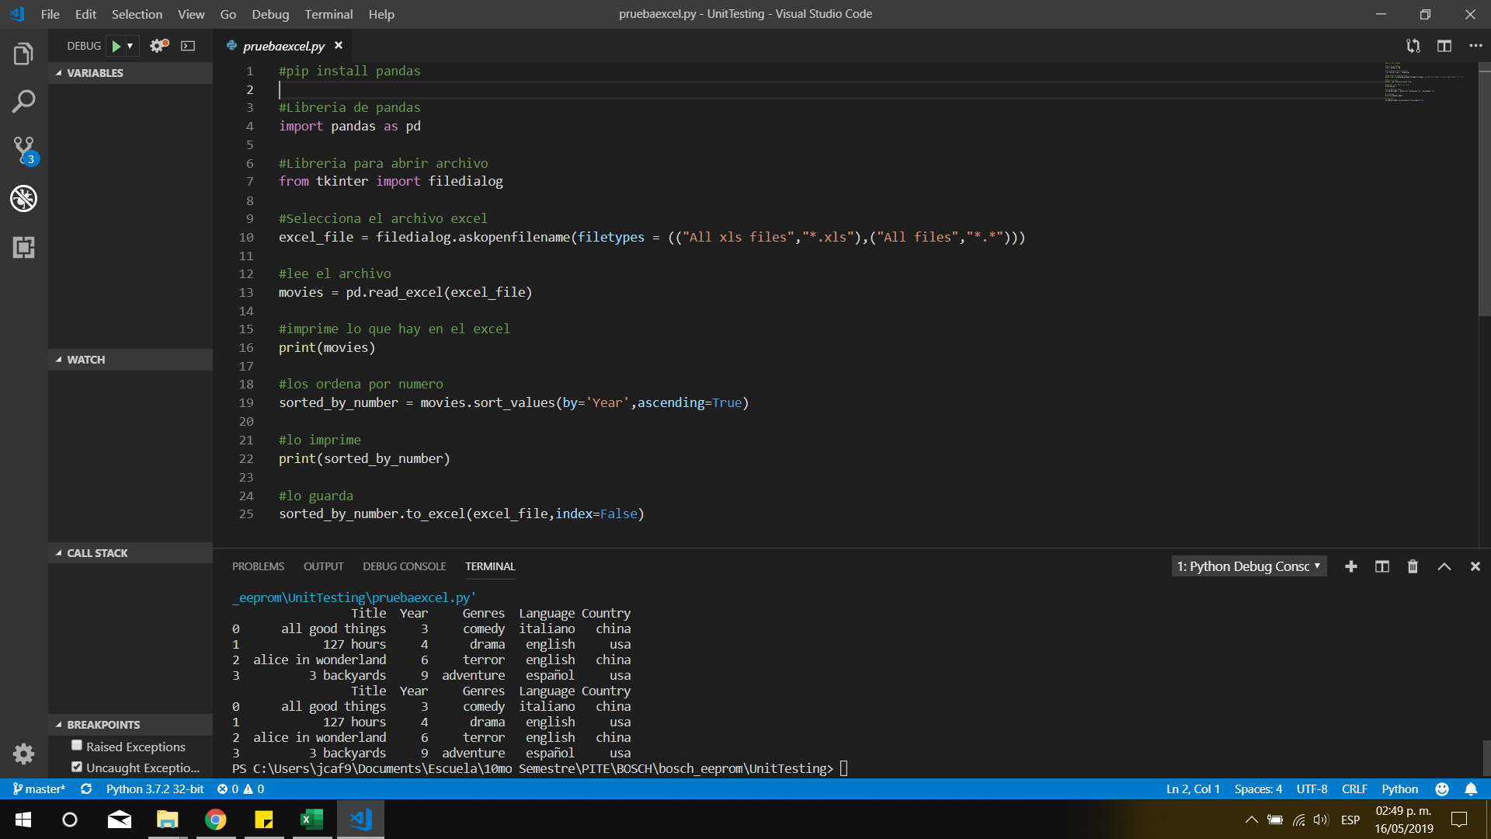

Test 4: | valuesexcel.py |  | Test to save anything into a Excel file
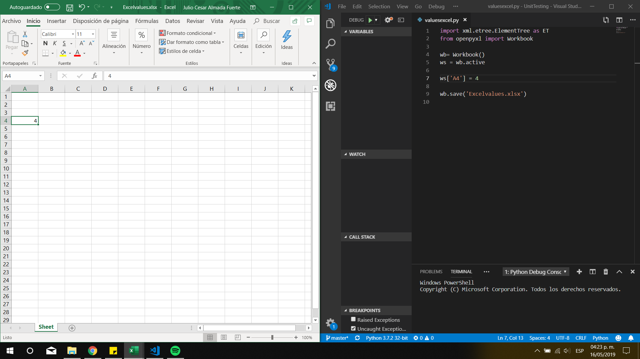

Test 5: | pruebaexcel.py | Test to order excel cells by values

Test 6 | logfiletest.py | test to create log files with content from a container

