ApplyBoard Analysis
ApplyBoard — Competitive Analysis

STRENGTHS
Strength 1: Onboarding
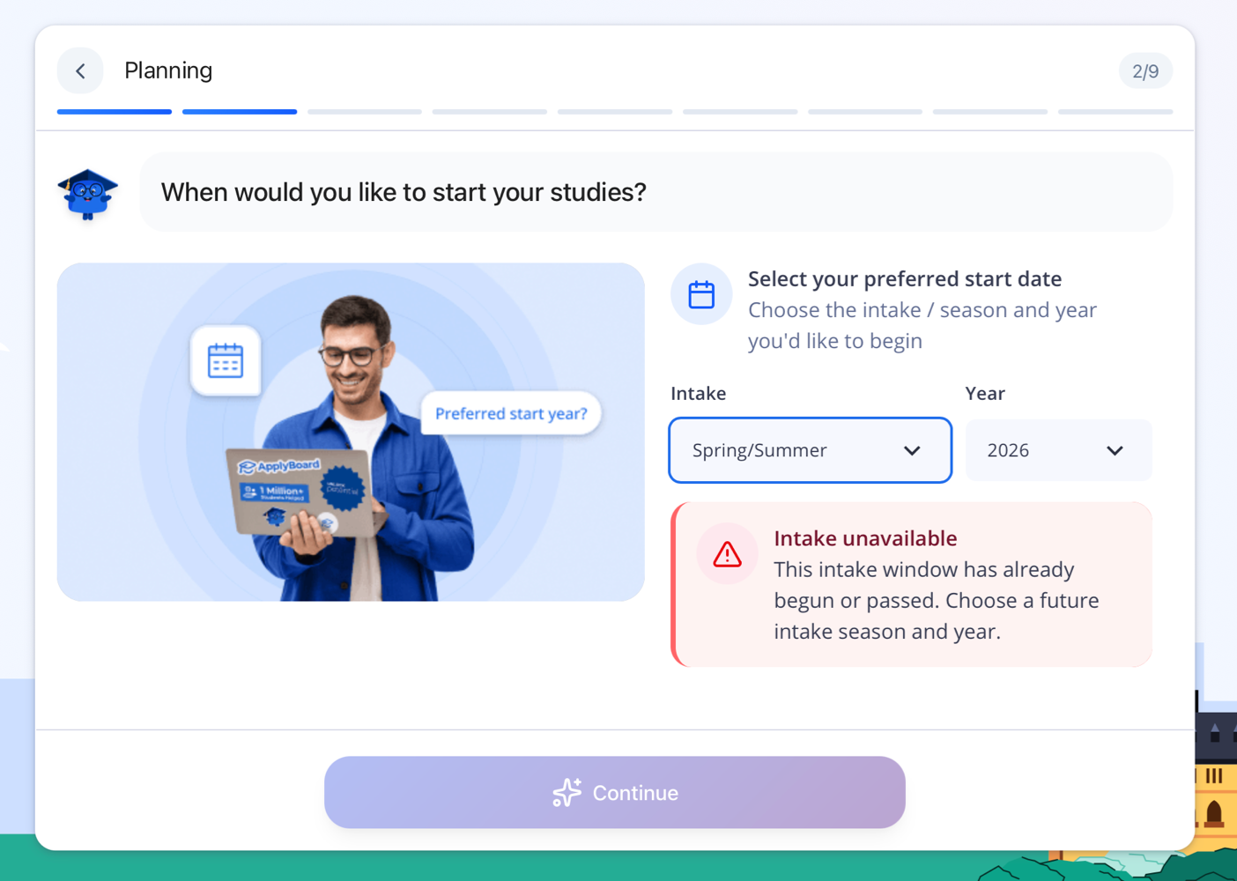 | Real-time feedback on intake availability. Users see immediately if their selection is valid.
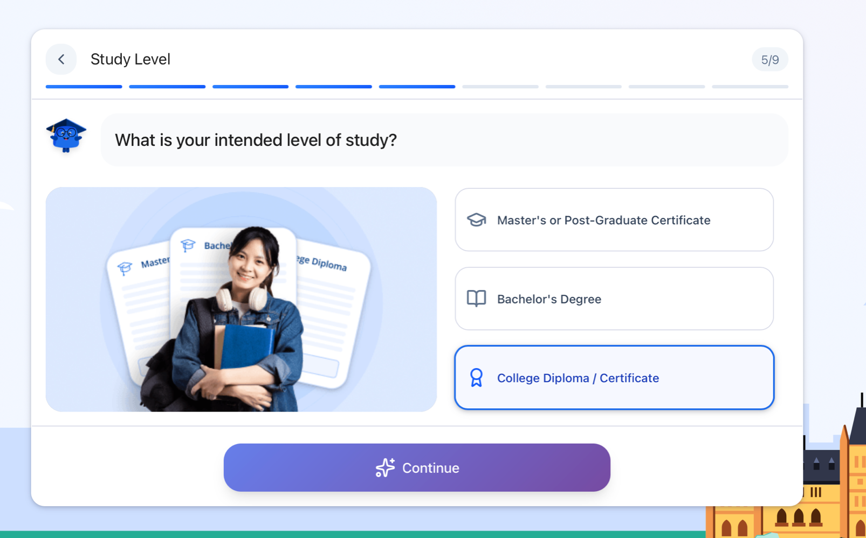 | Progress bar shows user exactly where they are in the onboarding. Clear sense of guidance and control.
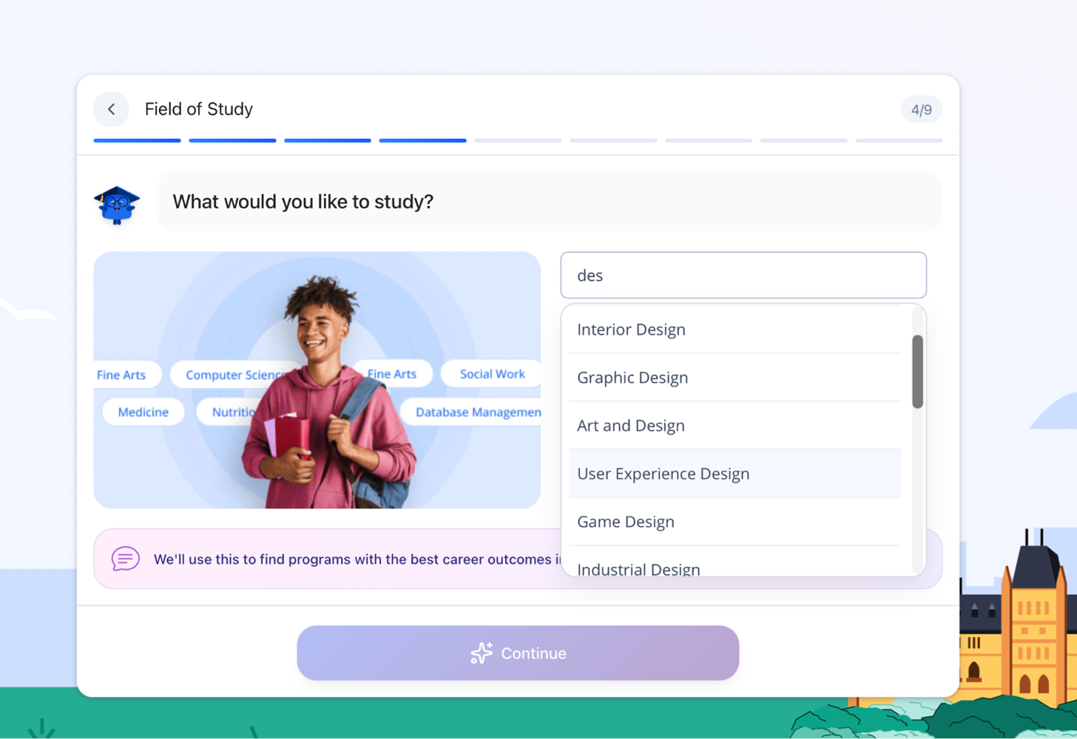 | Auto-complete dropdown shows all available fields. Prevents invalid selections and ensures data accuracy.

Strength 2: Detailed Modals
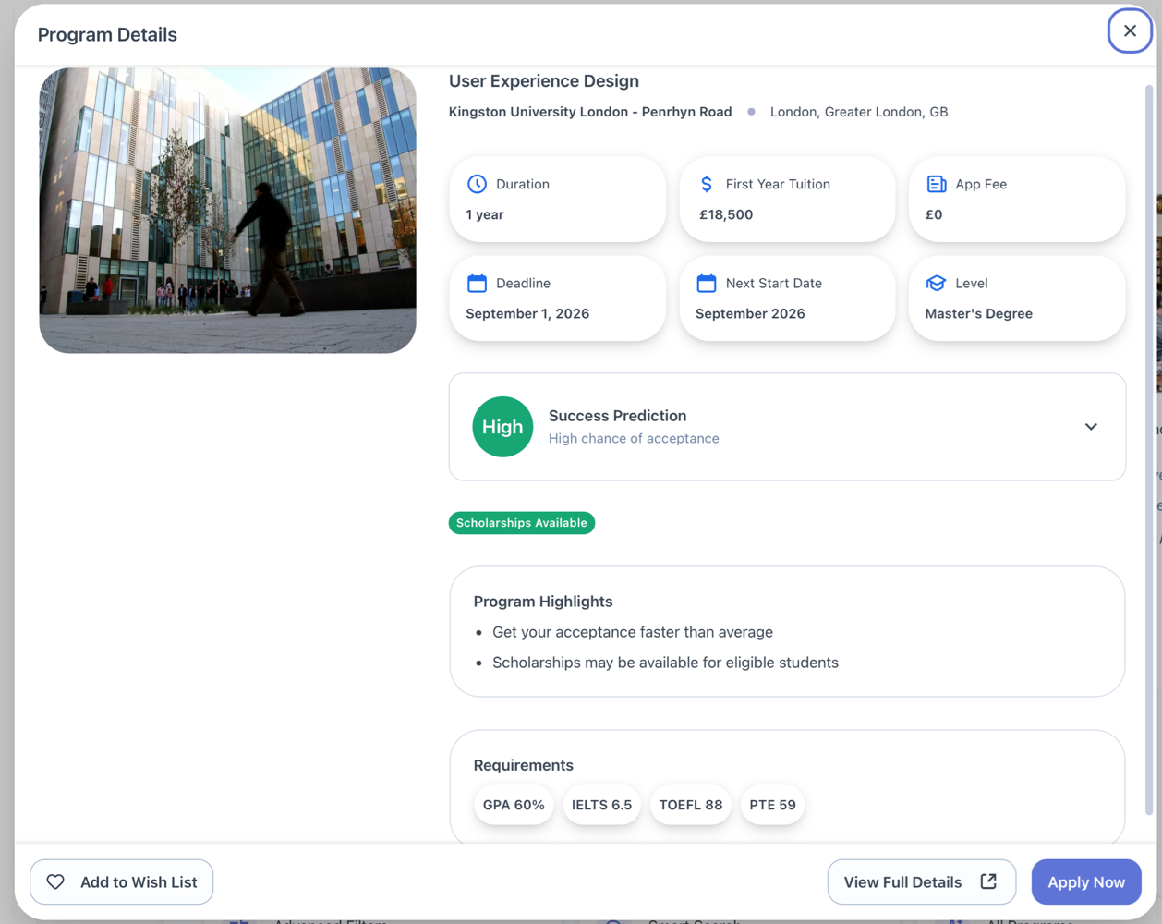 | Program Details modal is comprehensive: Duration, Tuition, Deadlines, Success Prediction, Scholarships, Requirements all in one place. Scannable, not overwhelming.
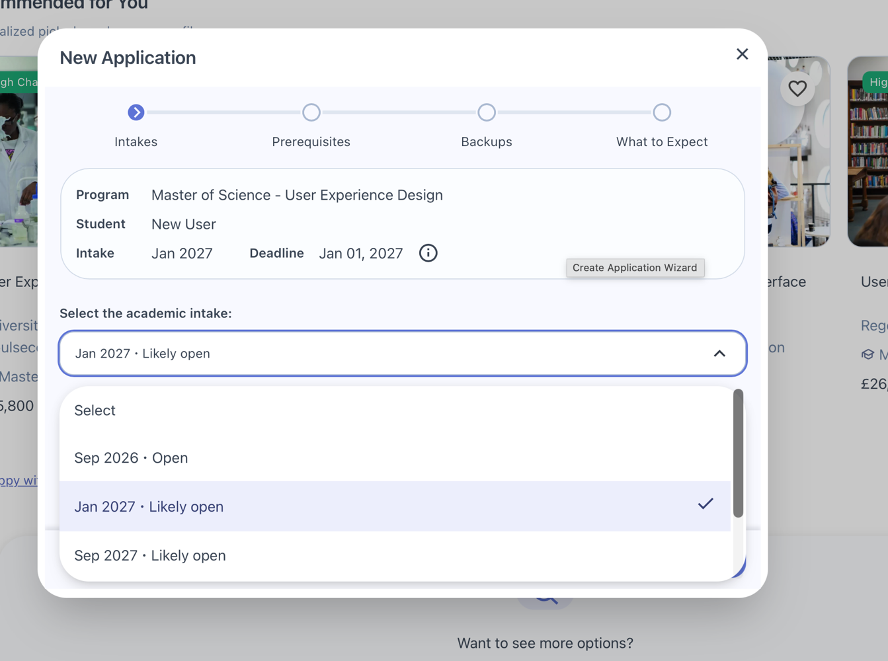 | New Application modal includes progress bar, intake options with deadlines, and clear next steps. Guides user through application flow seamlessly.

Strength 3: Floating Support Widget
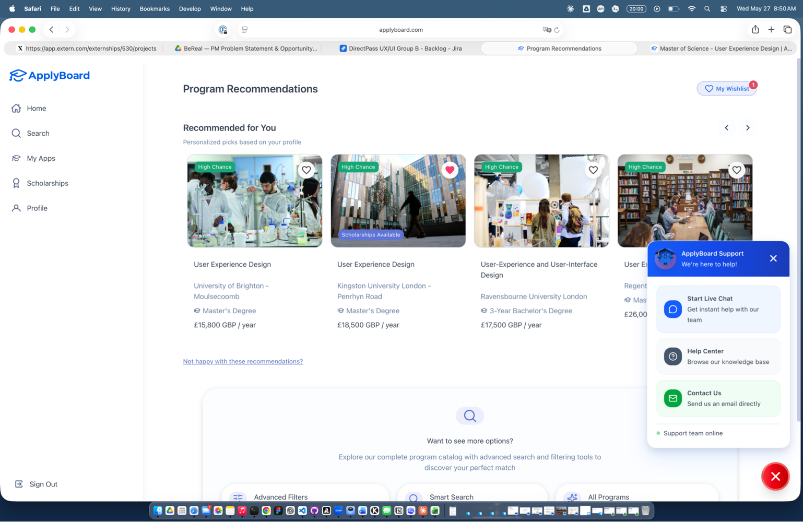 | Floating widget in bottom-right corner combines Live Chat, Help Center, and Contact Us. Always accessible across all screens. Reduces friction to getting help.

WEAKNESSES
Weakness 1: Contrast Accessibility Failures
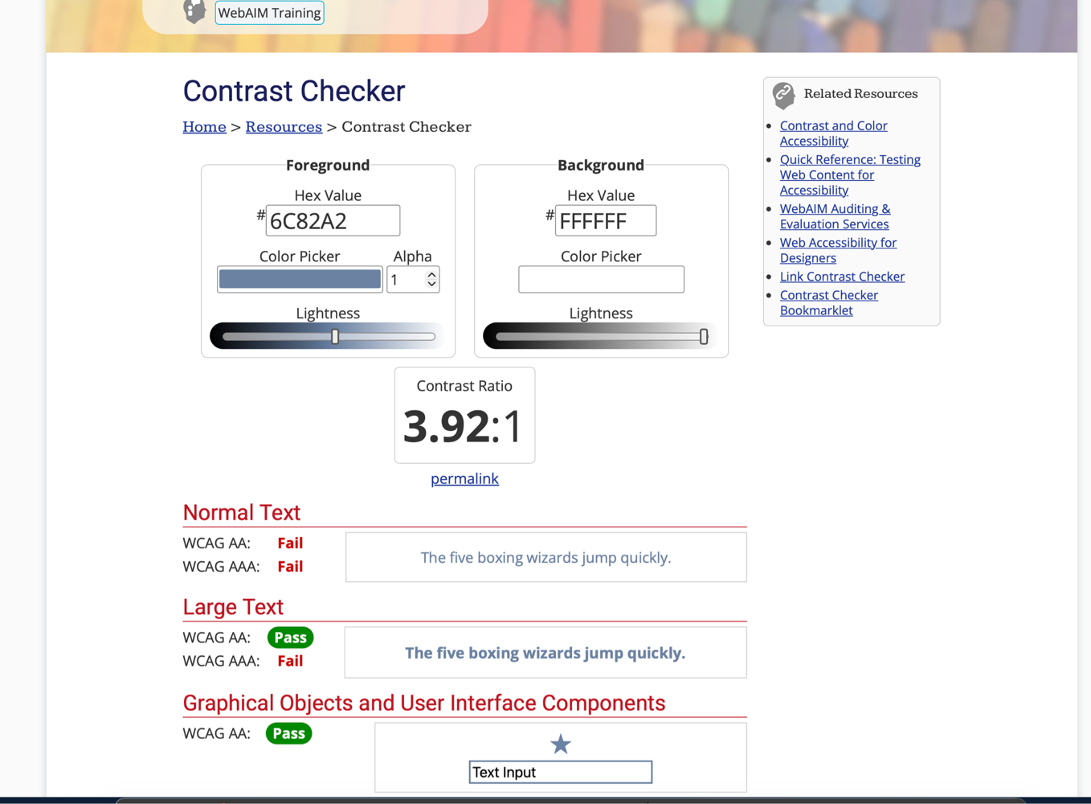 | WebAIM Contrast Checker shows color #6C82A2 fails WCAG AA standards (Ratio 3.92:1). Fails Normal Text and Large Text compliance.
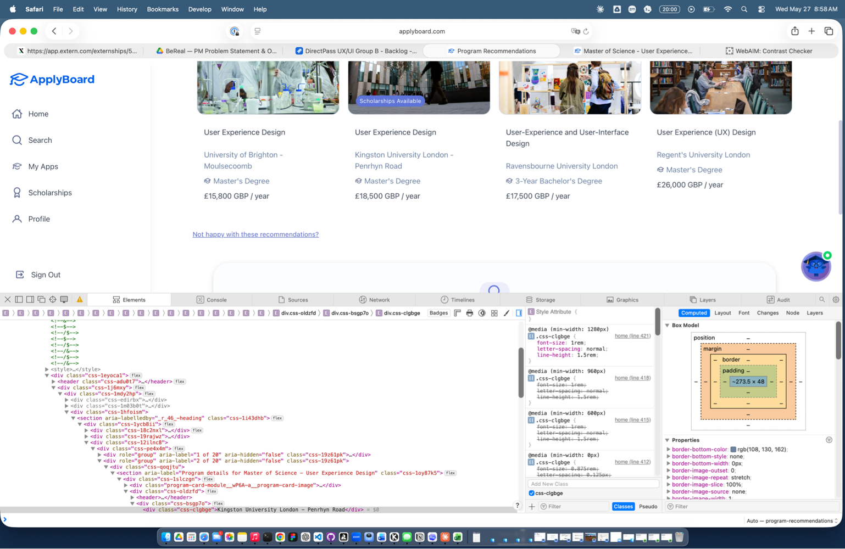 | Same problematic color used systematically across critical areas: program info, application steps, titles. Not isolated affects entire platform. Impacts users with low vision.

Weakness 2: Flat Design & Affordance Confusion (Norman Door)
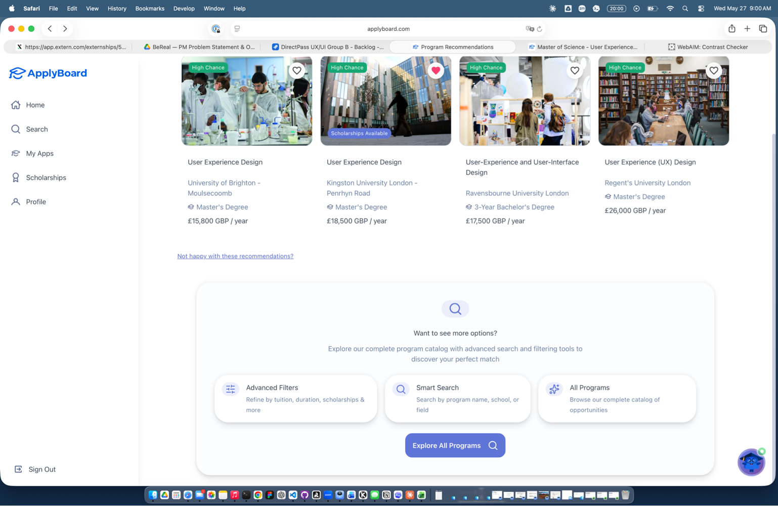 | Predominantly white, flat design lacks visual personality and depth. No clear visual hierarchy to distinguish interactive from informational elements.
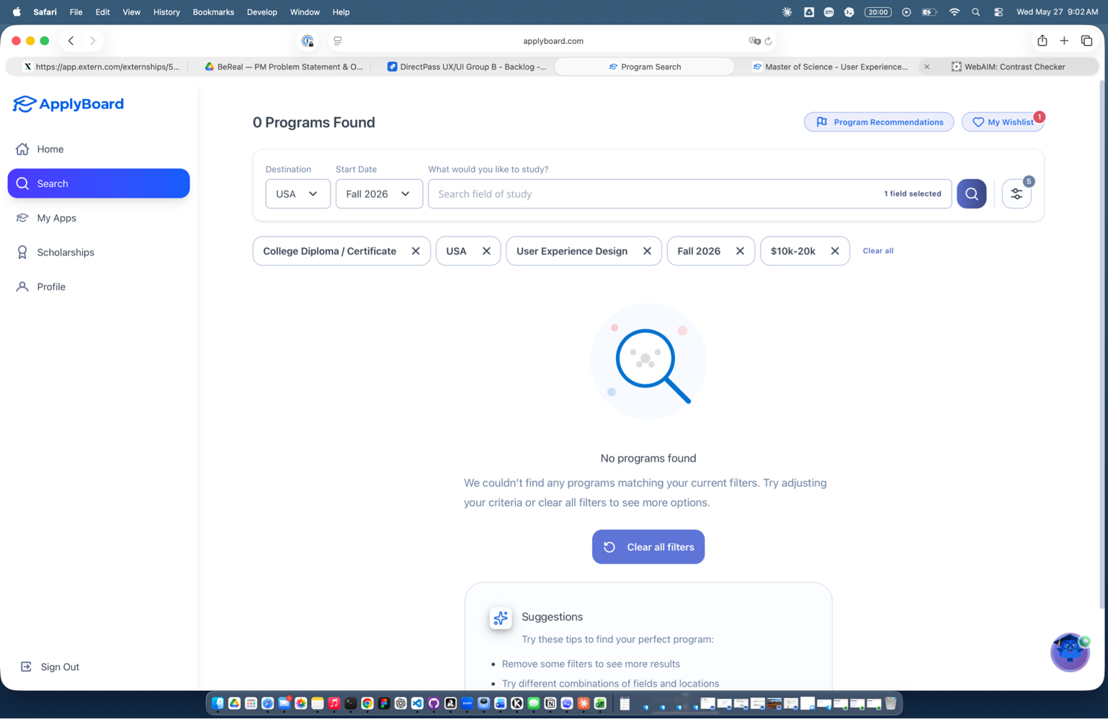 | NORMAN DOOR EFFECT: All elements have aggressive border-radius. buttons, cards, filters, inputs look identical. User can't distinguish clickable from non-clickable. Creates affordance confusion.

