Typeform Analysis
Typeform — Inspirational Platform Analysis

STRENGTHS
Strength 1: Motion Design Strategy
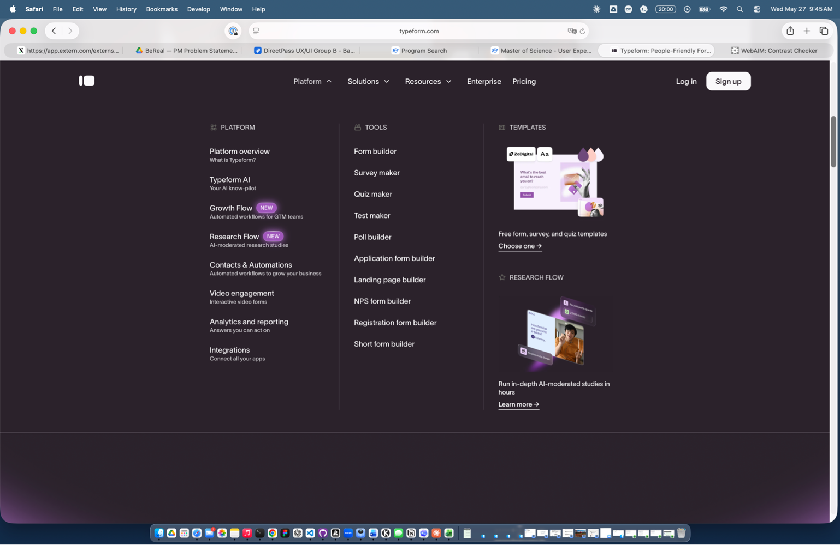 | Platform dropdown hover states and menu interactions feature consistent easing curves. Motion design strategy applied uniformly across all interactive elements.
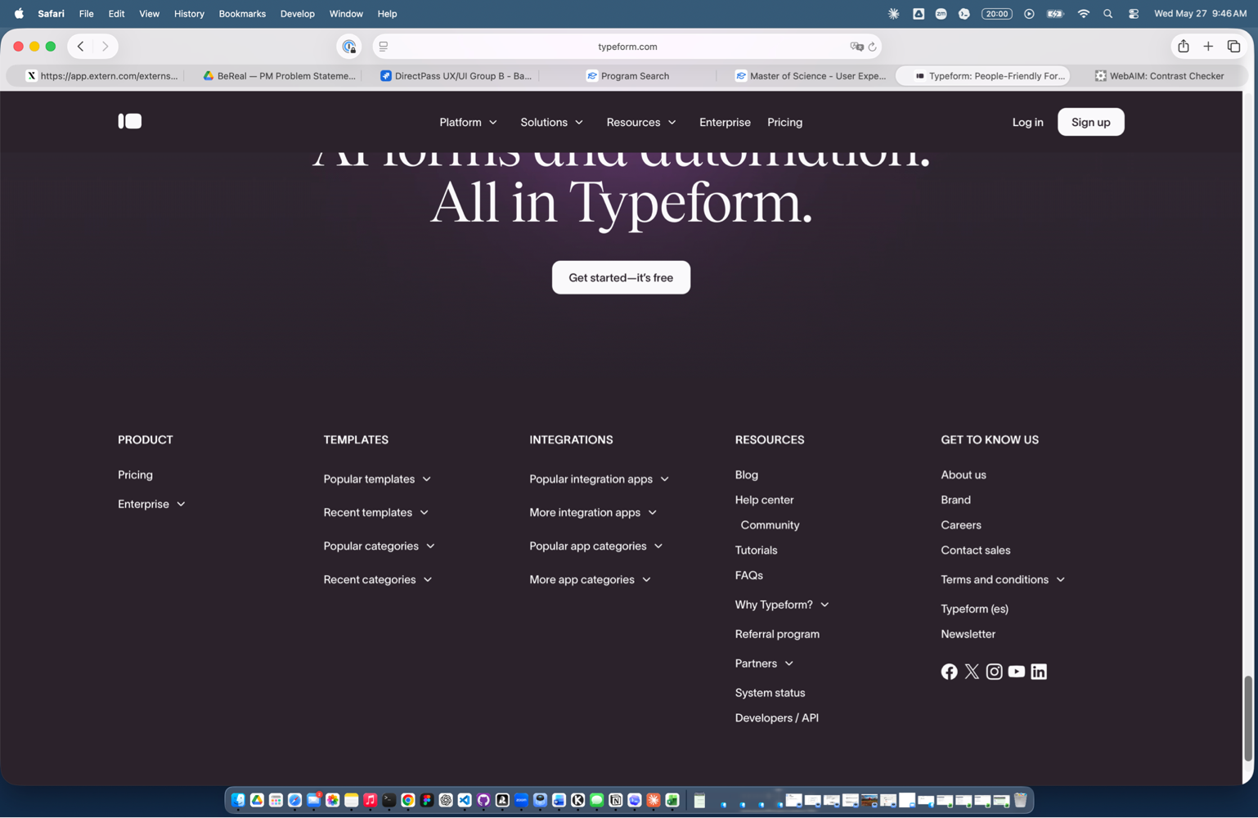 | Footer section with expandable categories (Templates, Integrations, Resources) demonstrates consistent easing on all motion interactions. Polished, refined feel.

Strength 2: Strong Design System & Visual Hierarchy
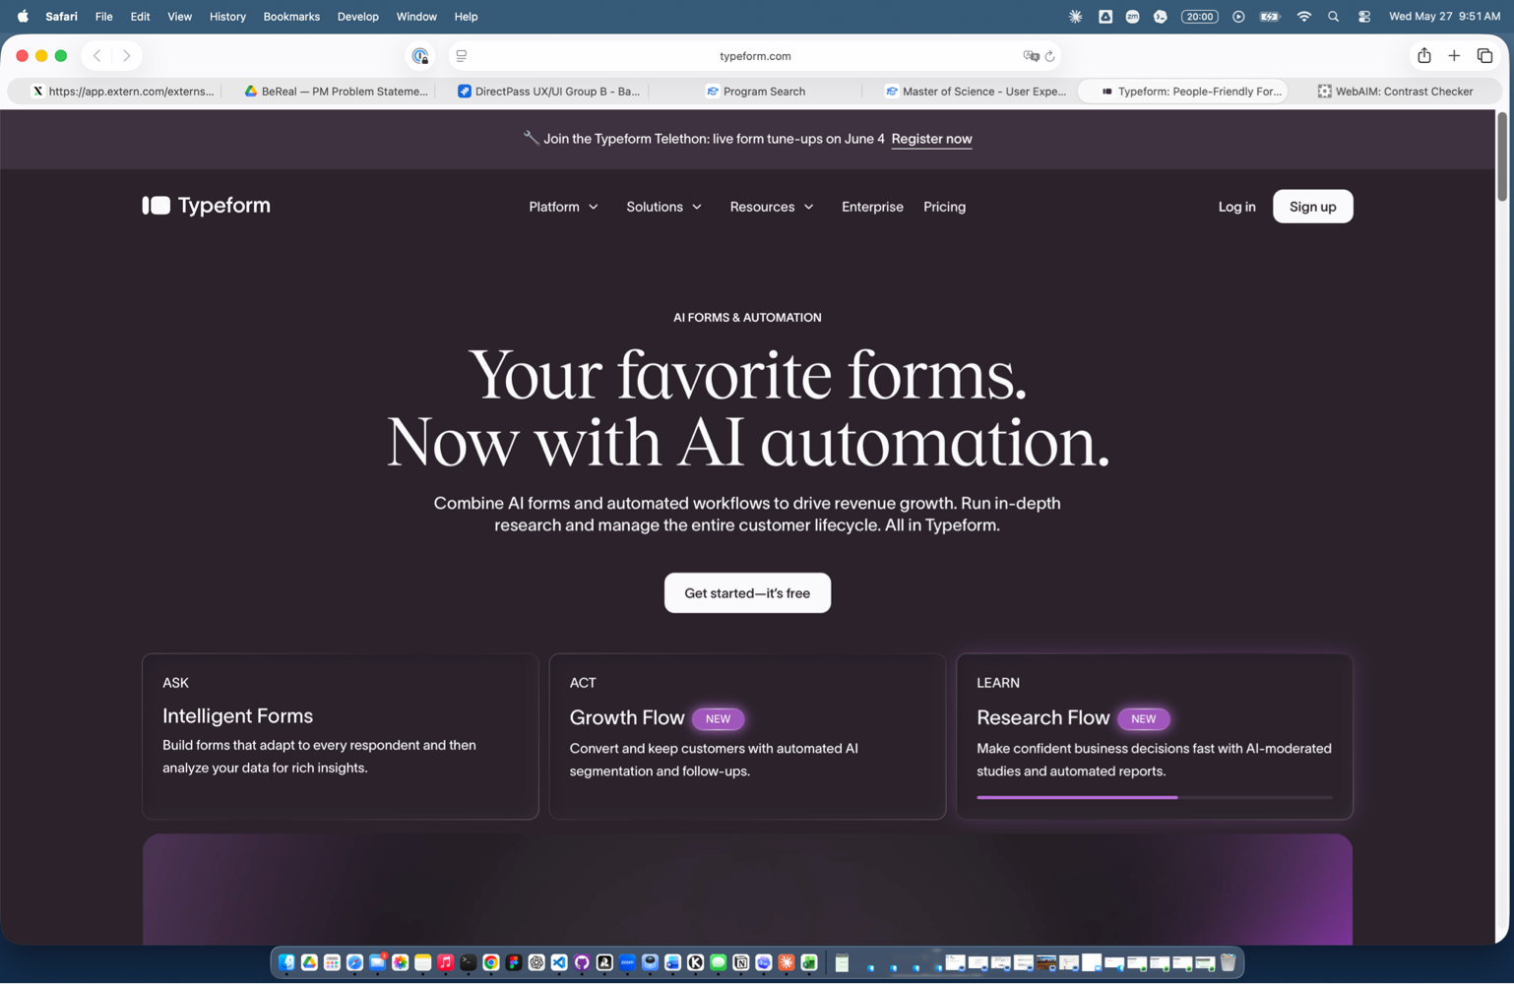 | AI Forms & Automation hero section shows clear typographic hierarchy, consistent card styling (ASK, ACT, LEARN), and uniform spacing. Design system evident throughout.

Strength 3: Smart Onboarding & Integration Hub
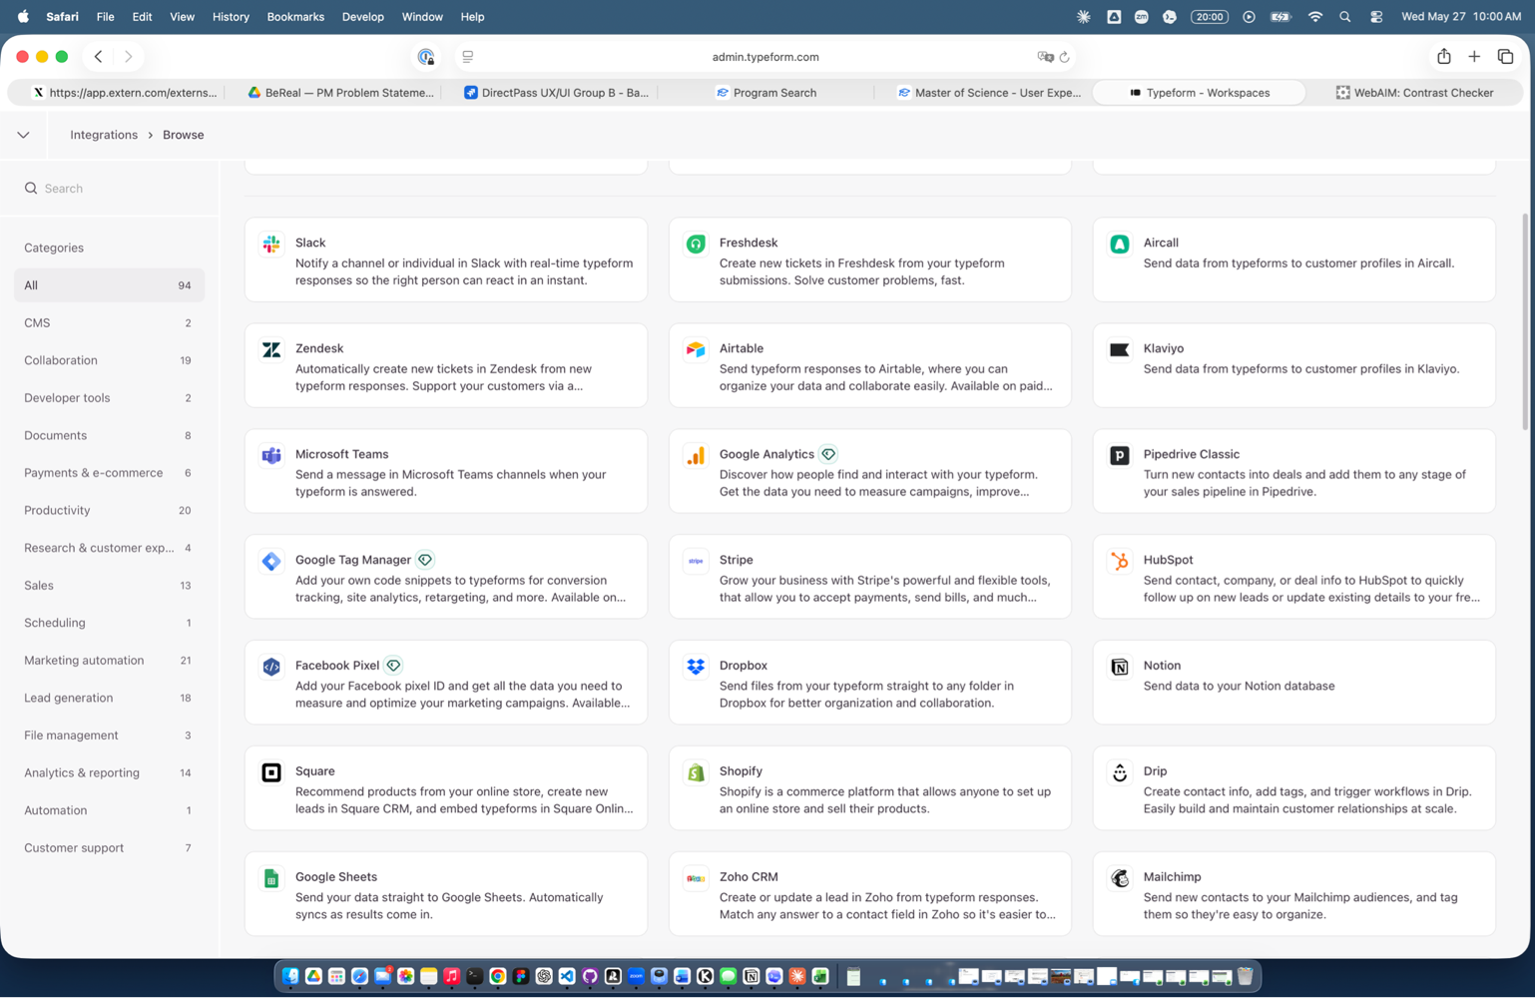 | Integration Browse page: 94 integrations organized into 15+ categories. Clear descriptions of each app's value. Searchable and discoverable.
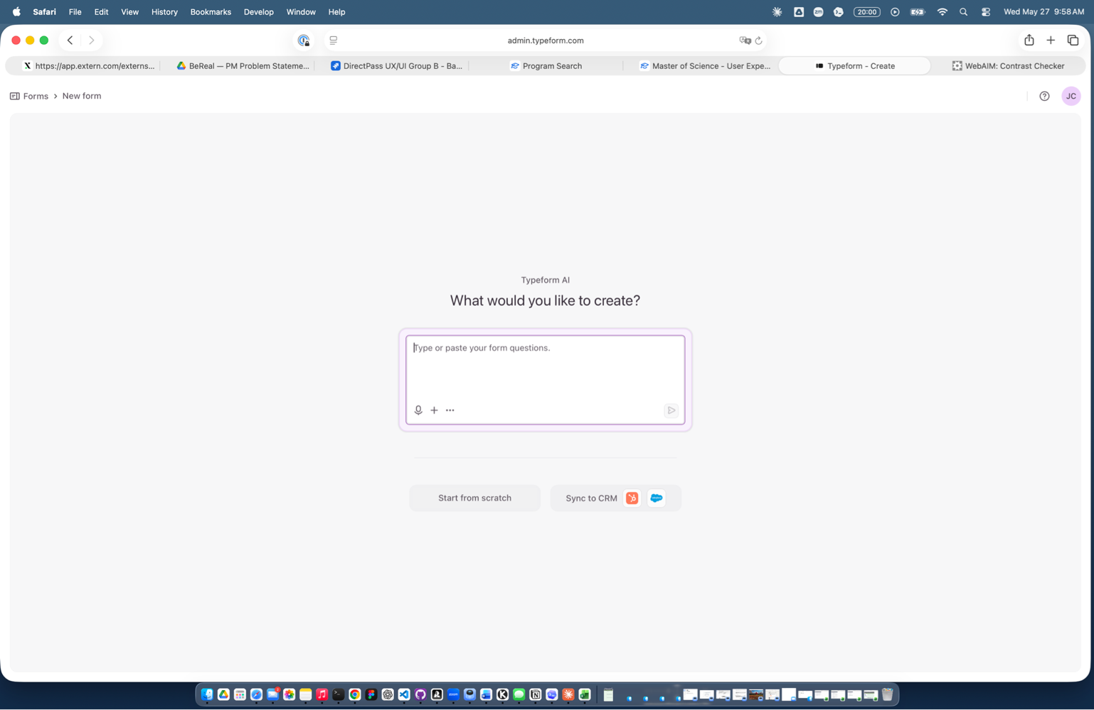 | New Form onboarding offers multiple pathways: AI-guided creation, start from scratch, or sync to CRM. Reduces friction for first time users with clear choices.

WEAKNESSES
Weakness 1: Contrast & Accessibility Issues
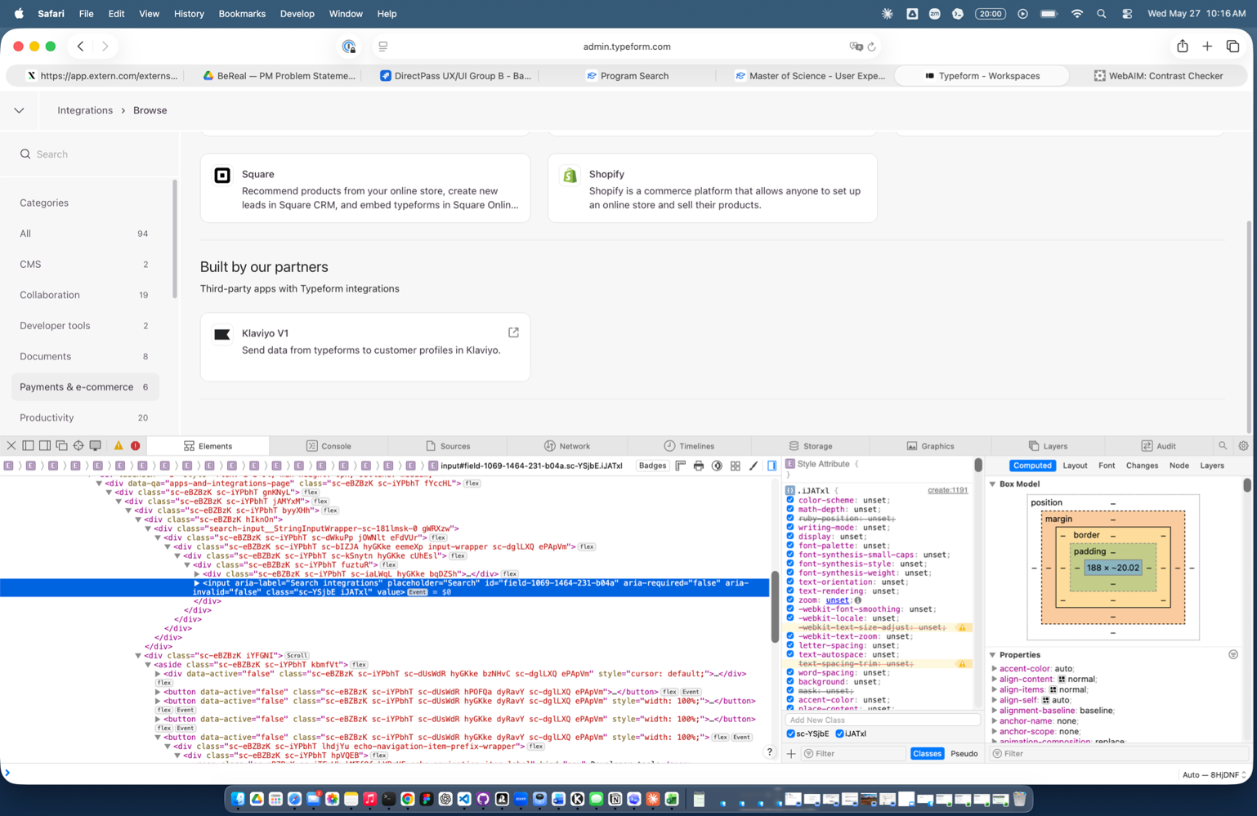 | Search input, category sidebar labels (CMS, Collaboration, Developer tools), and descriptive text fail WCAG AA contrast standards before hovering. Affects core navigation task for users with low vision.

Weakness 2: Complex & Technical Labels and titles Across Product
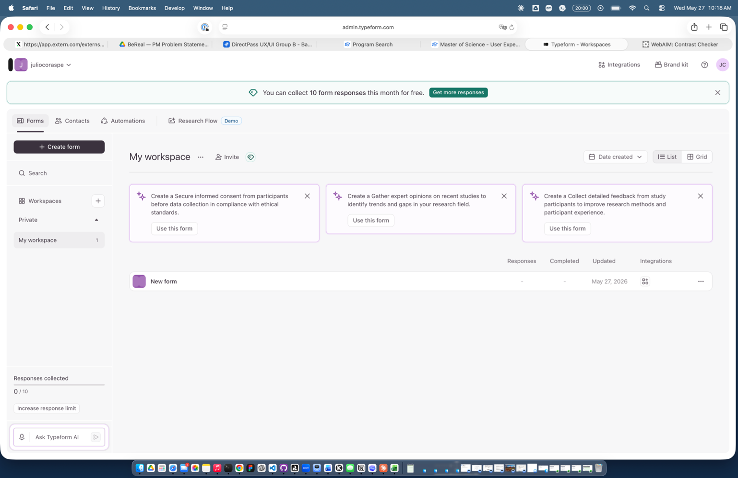 | Template labels use verbose, technical language ('private,' 'workspace') and might not be clear and easy to undertand for new users

Weakness 3: Weak CTA Visual Hierarchy & Sizing
 | The banner stating “You can collect 10 form responses this month for free” with “Get more responses” button lacks visual dominance. The button is small and blends into the banner, there’s minimal visual distinction between informational text and the CTA. The button color draws some attention but size is insufficient for a conversion-critical action. A larger button with stronger color contrast would increase visibility, draw more eyes, and likely improve conversion rates for premium upgrades.

