Introduction
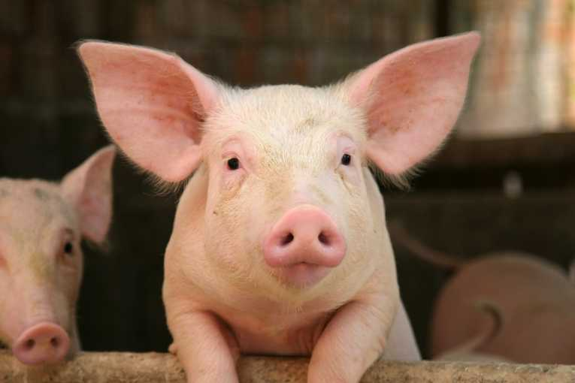

A case study evaluation of the factors influencing the U.S. swine industry during COVID-19

BAN 701.7001 Business Analysis Methods SPRING 2021

