Weight x NDVI x Date
year | julian date | date | NDVI mean | max | min | sd | se |  | RC2 | MC2 | XC2 | RC1 | MC1 | XC1
2015 | 337 | 2015-12-03 | 0.07 | 0.2 | -0.15 | 0.06 | 0.0022026692946 | 0.0011013346473 | 233.68235127 | 179.91402686 | 231.388619 | 274.2417232 | 302.00980073 | 312.65088578
2015 | 353 | 2015-12-19 | 0.11 | 0.22 | -0.08 | 0.06 | 0.0022026692946 | 0.0011013346473
2016 | 1 | 2016-01-01 | 0.09 | 0.22 | -0.09 | 0.05 | 0.0018355577455 | 0.00091777887277
2016 | 17 | 2016-01-17 | 0.11 | 0.23 | -0.06 | 0.05 | 0.0018355577455 | 0.00091777887277
2016 | 33 | 2016-02-02 | 0.14 | 0.25 | -0.05 | 0.05 | 0.0018355577455 | 0.00091777887277 | 229.971144 | 184.22315086 | 234.960656 | 278.8230024 | 287.577328 | 308.54335822
 | NDVI mean | RC2 | MC2 | XC2 | RC1 | MC1 | XC1
12/3/2015 | 0.07 | 233.68235127 | 179.91402686 | 231.388619 | 274.2417232 | 302.00980073 | 312.65088578
12/19/2015 | 0.11
1/1/2016 | 0.09
1/17/2016 | 0.11
2/2/2016 | 0.14 | 229.971144 | 184.22315086 | 234.960656 | 278.8230024 | 287.577328 | 308.54335822
2/18/2016 | 0.16
3/5/2016 | 0.16
3/21/2016 | 0.17
4/6/2016 | 0.18
4/22/2016 | 0.17
5/8/2016 | 0.21 | 234.32150364 | 190.34664286 | 242.2464775 | 290.639074 | 293.08228545 | 290.80287111
5/24/2016 | 0.22
6/9/2016 | 0.23
6/25/2016 | 0.21
7/11/2016 | 0.22
7/27/2016 | 0.22 | 266.89765636 | 227.44398857 | 273.28918 | 335.2498472 | 333.92618327 | 368.87109422
8/12/2016 | 0.19
8/28/2016 | 0.21
9/13/2016 | 0.29
9/29/2016 | 0.2 | 305.494212 | 269.07725429 | 323.3827465 | 349.719432 | 341.13898333 | 383.28524
10/15/2016 | 0.19
10/31/2016 | 0.16
11/16/2016 | 0.19 | 317.3102836 | 293.53882286 | 353.0930225 | 336.565264 | 341.13898333 | 408.73679111
12/2/2016 | 0.15
12/18/2016 | 0.06
1/1/2017 | 0.12 | 304.68001436 | 282.92801 | 344.5881725 | 346.2267736 | 352.28978667 | 385.40200267
1/17/2017 | 0.15
2/2/2017 | 0.14
2/18/2017 | 0.17
3/6/2017 | 0.19
3/22/2017 | 0.2 | 292.04974512 | 272.31719714 | 336.0833225
4/7/2017 | 0.22
4/23/2017 | 0.24
5/9/2017 | 0.23
5/25/2017 | 0.25
6/10/2017 | 0.24
6/6/2017 | 0.24
7/12/2017 | 0.18
7/28/2017 | 0.18
8/13/2017 | 0.25
8/29/2017 | 0.25 | 346.58551951 | 315.37603771 | 399.8696975
9/14/2017 | 0.25
9/30/2017 | 0.14
10/16/2017 | 0.19
11/1/2017 | 0.23 | 417.077844 | 361.90161714 | 492.14732
11/17/2017 | 0.2
12/3/2017 | 0.15
12/19/2017 | 0.19
1/1/2018 | 0.19
1/17/2018 | 0.18
...
2016 | 49 | 2016-02-18 | 0.16 | 0.25 | 0 | 0.04 | 0.0014684461964 | 0.00073422309821
2016 | 65 | 2016-03-05 | 0.16 | 0.25 | -0.01 | 0.04 | 0.0014684461964 | 0.00073422309821
2016 | 81 | 2016-03-21 | 0.17 | 0.26 | 0.03 | 0.04 | 0.0014684461964 | 0.00073422309821
2016 | 97 | 2016-04-06 | 0.18 | 0.26 | 0.03 | 0.04 | 0.0014684461964 | 0.00073422309821
2016 | 113 | 2016-04-22 | 0.17 | 0.26 | 0.04 | 0.04 | 0.0014684461964 | 0.00073422309821
2016 | 129 | 2016-05-08 | 0.21 | 0.3 | -0.04 | 0.05 | 0.0018355577455 | 0.00091777887277 | 234.32150364 | 190.34664286 | 242.2464775 | 290.639074 | 293.08228545 | 290.80287111
2016 | 145 | 2016-05-24 | 0.22 | 0.29 | 0.07 | 0.03 | 0.0011013346473 | 0.00055066732366
2016 | 161 | 2016-06-09 | 0.23 | 0.33 | 0.06 | 0.04 | 0.0014684461964 | 0.00073422309821
2016 | 177 | 2016-06-25 | 0.21 | 0.3 | 0.09 | 0.03 | 0.0011013346473 | 0.00055066732366
2016 | 193 | 2016-07-11 | 0.22 | 0.3 | 0 | 0.03 | 0.0011013346473 | 0.00055066732366
2016 | 209 | 2016-07-27 | 0.22 | 0.31 | -0.05 | 0.07 | 0.0025697808438 | 0.0012848904219 | 266.89765636 | 227.44398857 | 273.28918 | 335.2498472 | 333.92618327 | 368.87109422
2016 | 225 | 2016-08-12 | 0.19 | 0.26 | 0.03 | 0.04 | 0.0014684461964 | 0.00073422309821
2016 | 241 | 2016-08-28 | 0.21 | 0.29 | 0.08 | 0.04 | 0.0014684461964 | 0.00073422309821
2016 | 257 | 2016-09-13 | 0.29 | 0.29 | 0.08 | 0.03 | 0.0011013346473 | 0.00055066732366
2016 | 273 | 2016-09-29 | 0.2 | 0.29 | 0.06 | 0.04 | 0.0014684461964 | 0.00073422309821 | 305.494212 | 269.07725429 | 323.3827465 | 349.719432 | 341.13898333 | 383.28524
2016 | 289 | 2016-10-15 | 0.19 | 0.27 | 0.04 | 0.04 | 0.0014684461964 | 0.00073422309821
2016 | 305 | 2016-10-31 | 0.16 | 0.26 | -0.05 | 0.05 | 0.0018355577455 | 0.00091777887277
2016 | 321 | 2016-11-16 | 0.19 | 0.29 | -0.63 | 0.08 | 0.0029368923929 | 0.0014684461964 | 317.3102836 | 293.53882286 | 353.0930225 | 336.565264 | 341.13898333 | 408.73679111
2016 | 337 | 2016-12-02 | 0.15 | 0.25 | 0.02 | 0.04 | 0.0014684461964 | 0.00073422309821
2016 | 353 | 2016-12-18 | 0.06 | 0.15 | -0.14 | 0.06 | 0.0022026692946 | 0.0011013346473
2017 | 1 | 2017-01-01 | 0.12 | 0.24 | -0.29 | 0.08 | 0.0029368923929 | 0.0014684461964 | 304.68001436 | 282.92801 | 344.5881725 | 346.2267736 | 352.28978667 | 385.40200267
2017 | 17 | 2017-01-17 | 0.15 | 0.24 | -0.03 | 0.05 | 0.0018355577455 | 0.00091777887277
2017 | 33 | 2017-02-02 | 0.14 | 0.26 | -0.07 | 0.26 | 0.0095449002768 | 0.0047724501384
2017 | 49 | 2017-02-18 | 0.17 | 0.29 | -0.34 | 0.05 | 0.0018355577455 | 0.00091777887277
2017 | 65 | 2017-03-06 | 0.19 | 0.27 | 0.06 | 0.03 | 0.0011013346473 | 0.00055066732366
2017 | 81 | 2017-03-22 | 0.2 | 0.27 | 0.04 | 0.04 | 0.0014684461964 | 0.00073422309821 | 292.04974512 | 272.31719714 | 336.0833225
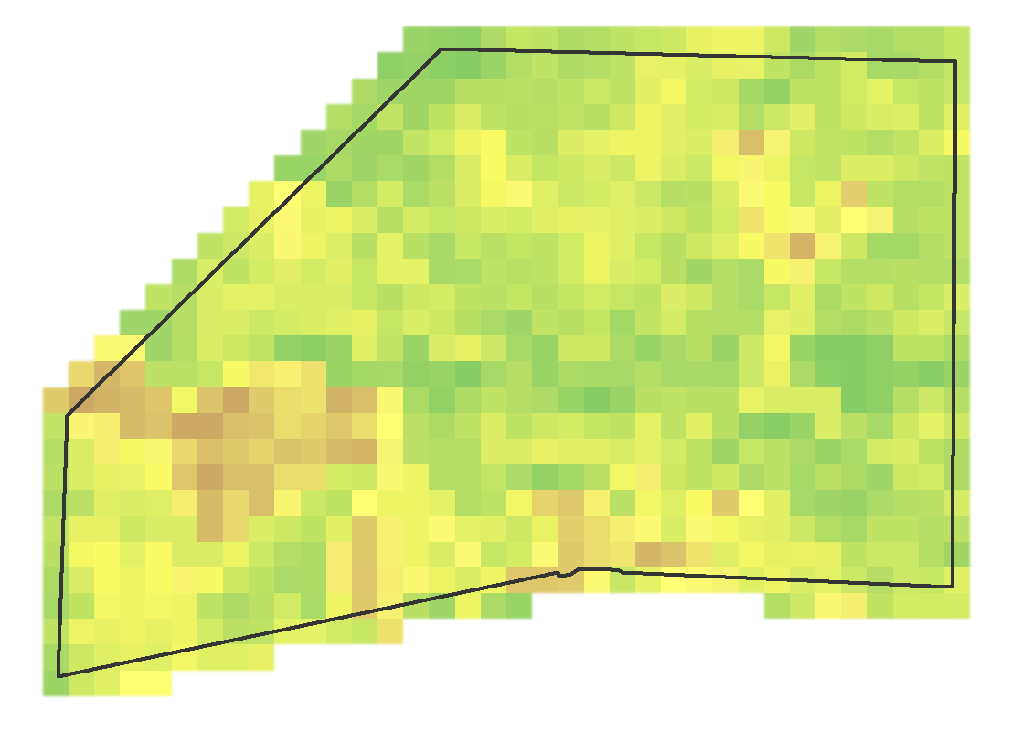
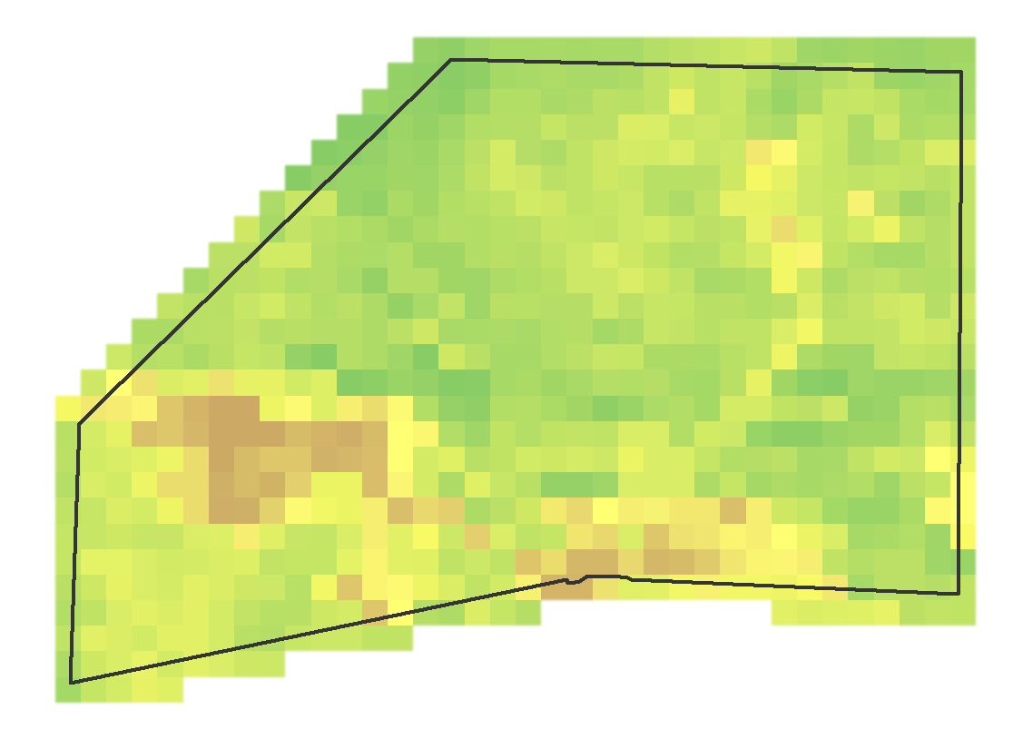
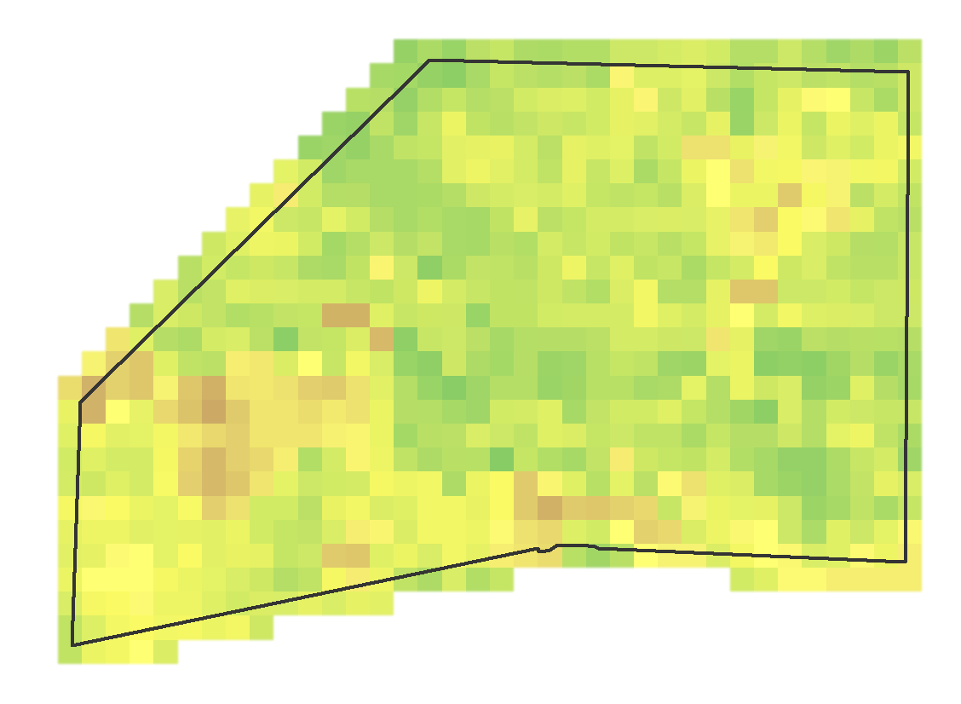
2017 | 97 | 2017-04-07 | 0.22 | 0.31 | 0.13 | 0.03 | 0.0011013346473 | 0.00055066732366
2017 | 113 | 2017-04-23 | 0.24 | 0.31 | 0.12 | 0.03 | 0.0011013346473 | 0.00055066732366
2017 | 129 | 2017-05-09 | 0.23 | 0.31 | 0.14 | 0.03 | 0.0011013346473 | 0.00055066732366
2017 | 145 | 2017-05-25 | 0.25 | 0.33 | 0.13 | 0.03 | 0.0011013346473 | 0.00055066732366
2017 | 161 | 2017-06-10 | 0.24 | 0.3 | 0.16 | 0.02 | 0.00073422309821 | 0.00036711154911
2017 | 177 | 2017-06-06 | 0.24 | 0.31 | 0.16 | 0.03 | 0.0011013346473 | 0.00055066732366
2017 | 193 | 2017-07-12 | 0.18 | 0.27 | 0.04 | 0.03 | 0.0011013346473 | 0.00055066732366
2017 | 209 | 2017-07-28 | 0.18 | 0.27 | 0.05 | 0.04 | 0.0014684461964 | 0.00073422309821
2017 | 225 | 2017-08-13 | 0.25 | 0.33 | -0.22 | 0.05 | 0.0018355577455 | 0.00091777887277
2017 | 241 | 2017-08-29 | 0.25 | 0.32 | 0.16 | 0.02 | 0.00073422309821 | 0.00036711154911 | 346.58551951 | 315.37603771 | 399.8696975
2017 | 257 | 2017-09-14 | 0.25 | 0.32 | 0.15 | 0.03 | 0.0011013346473 | 0.00055066732366
2017 | 273 | 2017-09-30 | 0.14 | 0.25 | 0.01 | 0.04 | 0.0014684461964 | 0.00073422309821
2017 | 289 | 2017-10-16 | 0.19 | 0.25 | 0.09 | 0.03 | 0.0011013346473 | 0.00055066732366
2017 | 305 | 2017-11-01 | 0.23 | 0.29 | -0.02 | 0.04 | 0.0014684461964 | 0.00073422309821 | 417.077844 | 361.90161714 | 492.14732
2017 | 321 | 2017-11-17 | 0.2 | 0.28 | 0.06 | 0.04 | 0.0014684461964 | 0.00073422309821
2017 | 337 | 2017-12-03 | 0.15 | 0.23 | -0.16 | 0.05 | 0.0018355577455 | 0.00091777887277
2017 | 353 | 2017-12-19 | 0.19 | 0.25 | 0.06 | 0.04 | 0.0014684461964 | 0.00073422309821
2018 | 1 | 2018-01-01 | 0.19 | 0.26 | 0.06 | 0.04 | 0.0014684461964 | 0.00073422309821
2018 | 17 | 2018-01-17 | 0.18 | 0.27 | 0.05 | 0.04 | 0.0014684461964 | 0.00073422309821
2018 | 33 | 2018-02-02 | 0.2 | 0.29 | 0.07 | 0.04 | 0.0014684461964 | 0.00073422309821 | 423.09824691 | 428.06125029 | 483.8409165

 |  | COHORT 1
Wt. Lbs | 12/4/15 | 2/22/16 | 5/4/16 | 7/21/16 | 9/25/16 | 12/1/16 | 1/10/17
Raramuri Criollo | 274.2417232 | 278.8230024 | 290.639074 | 335.2498472 | 349.719432 | 373.96140444 | 346.2267736 |  |  |  |  | 71.9850504
RC stderr | 4.0134155 | 3.814202 | 3.0495515 | 3.3722165 | 2.961206 | 5.175315 | 3.705505
1/2 stder | 2.00670775 | 1.907101 | 1.52477575 | 1.68610825 | 1.480603 | 2.5876575 | 1.8527525
Mexican Criollo | 299.1061 | 287.577328 | 293.08228545 | 333.92618327 | 341.13898333 | 372.15161818 | 352.28978667 |  |  |  |  | 53.183686667
mxstderr | 3.763364105 | 4.0822643643 | 3.7813466392 | 3.973986122 | 4.2158043233 | 5.1387611133 | 4.0822643643
1/2 stder | 1.8816820525 | 2.0411321821 | 1.8906733196 | 1.986993061 | 2.1079021616 | 2.5693805566 | 2.0411321821
Waguli x Criollo | 312.651 | 308.54335822 | 327.15323 | 368.87109422 | 383.28524 | 408.73679111 | 385.40200267 |  |  |  |  | 72.751002667
stder Kg | 6.71947 | 6.5088554445 | 8.5720830621 | 12.728338916 | 11.219463615 | 13.450816035 | 13.299780169
1/2 stder | 3.359735 | 3.2544277222 | 4.286041531 | 6.3641694578 | 5.6097318073 | 6.7254080177 | 6.6498900843

 |  | COHORT 2
Wt. Lbs | 12/4/15 | 2/22/16 | 5/4/16 | 7/21/16 | 9/25/16 | 2016-12-02 | 3/17/17 | 8/31/17 | 2017-11-08
Raramuri Criollo | 233.68235127 | 229.971144 | 234.32150364 | 266.89765636 | 303.98911127 | 317.30822182 | 292.05139455 | 346.58552364 | 417.077844 |  |  | 183.39549273
RC stder | 6.4155812546 | 6.0219278696 | 5.3260258247 | 5.3260258247 | 5.9068591793 | 6.1368754854 | 6.6586296407 | 6.4859343548 | 7.9104531691
1/2 stder | 3.2077906273 | 3.0109639348 | 2.6630129124 | 2.6630129124 | 2.9534295896 | 3.0684377427 | 3.3293148204 | 3.2429671774 | 3.9552265846
Mexican Criollo | 179.91402686 | 184.22315086 | 190.34664286 | 227.44398857 | 269.07725429 | 293.53882286 | 272.31719714 | 315.37603771 | 361.90161714 |  |  | 181.98759029
MC stder | 6.6746230477 | 8.6706262523 | 9.0935101638 | 10.819905472 | 10.909678713 | 10.737131848 | 11.294969315 | 24.701081544 | 11.69582474
1/2 stder | 3.3373115239 | 4.3353131261 | 4.5467550819 | 5.409952736 | 5.4548393563 | 5.3685659241 | 5.6474846577 | 12.350540772 | 5.84791237
Brangus x Criollo | 231.388619 | 234.960656 | 242.2464775 | 273.28918 | 323.3827465 | 353.0930225 | 336.0833225 | 399.8696975 | 492.14732 |  |  | 260.758701
stder | 11.526324396 | 9.3069297159 | 9.8856632723 | 9.681616632 | 9.7309603443 | 11.631564778 | 9.987344745 | 9.562142086 | 80.905207266
1/2 stder | 5.763162198 | 4.653464858 | 4.9428316362 | 4.840808316 | 4.8654801722 | 5.815782389 | 4.9936723725 | 4.781071043 | 10.397221801

