Werkblad 1
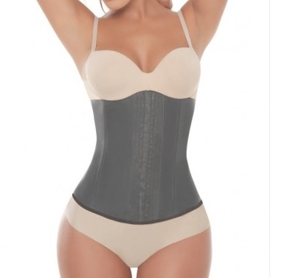
Tabel 1
 |  |  | STYLE leverancier
GS504-black-XS | 0
GS504-black-S | 0 |  | 1510
GS504-black-M | 35 |  | LET OP 20 stuks van
GS504-black-L | 35 |  | GS504-black-M opmelden op
GS504-black-XL | 0 |  | GS503-black-M-38 !!!!!!!!!
GS504-black-XXL | 0
GS504-black-XXXL | 0

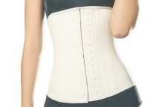
GS504-beige-XS | 0
GS504-beige-S | 10
GS504-beige-M | 10
GS504-beige-L | 10
GS504-beige-XL | 0
GS504-beige-XXL | 0
GS504-beige-XXXL | 0
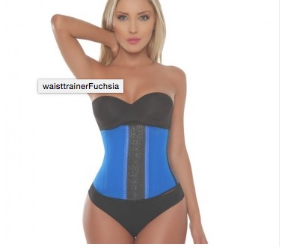

GS503-blue-XS-34 | 0
GS503-blue-S | 0 |  | 1610
GS503-blue-M | 0
GS503-blue-L | 5
GS503-blue-XL | 0
GS503-blue-XXL | 0
GS503-blue-XXXL | 0
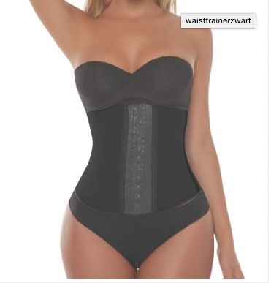
GS503-black-XS-34 | 0 |  | 1610
GS503-black-S-36 | 10
GS503-black-M-38 | 20 |  | LET OP 20 stuks van
GS503-black-L-40 | 0 |  | GS504-black-M opmelden op
GS503-black-XL-42 | 20 |  | GS503-black-M-38 !!!!!!!!!
GS503-black-XXL-44 | 0
GS503-black-XXXL-46 | 0

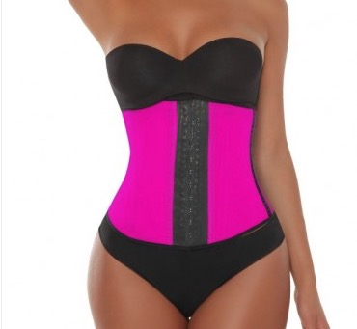
GS503-pink-XS-34 | 5 |  | 1610
GS503-pink-S | 0
GS503-pink-M | 0
GS503-pink-L | 0
GS503-pink-XL | 0
GS503-pink-XXL | 0
GS503-pink-XXXL | 0

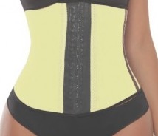
GS503-yellow-XS-34 | 0
GS503-yellow-S-36 | 0 |  | 1610
GS503-yellow-M-38 | 0
GS503-yellow-L-40 | 0
GS503-yellow-XL-42 | 0
GS503-yellow-XXL-44 | 0
GS503-yellow-XXXL-46 | 0

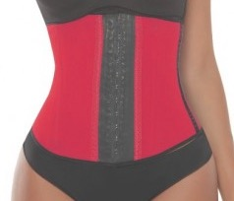
GS503-red-XS-34 | 0 |  | 1610
GS503-red-S-36 | 0
GS503-red-M-38 | 0
GS503-red-L-40 | 0
GS503-red-XL-42 | 0
GS503-red-XXL-44 | 0
GS503-red-XXXL-46 | 0

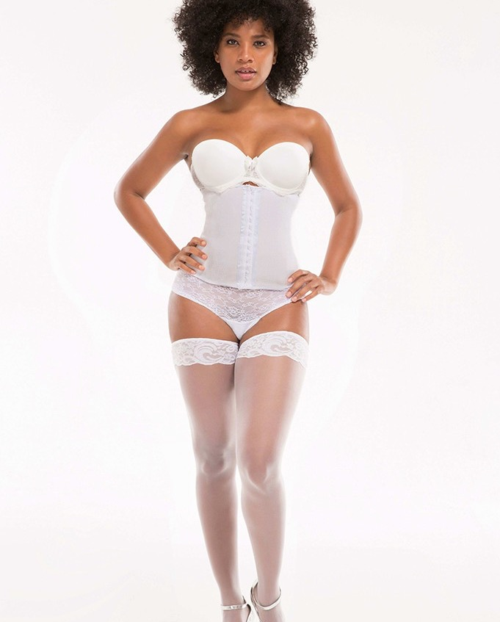
GS508-wit-XS | 7 |  | 1515
GS508-wit-S | 7
GS508-wit-M | 15
GS508-wit-L | 15
GS508-wit-XL | 7
GS508-wit-XXL | 7
GS508-wit-XXXL | 7

GS509-gold-XS | 7 |  | 1631
GS509-gold-S | 7 | GOUD
GS509-gold-M | 15
GS509-gold-L | 15 | GOUDSPIKKELS
GS509-gold-XL | 7
GS509-gold-XXL | 7
GS509-gold-XXXL | 7

GS505-black-XS-30 | 3 |  | 8091
GS505-black-S-32 | 0
GS505-black-M-34 | 0
GS505-black-L-36 | 0
GS505-black-XL-38 | 0
GS505-black-XXL-40 | 0
GS505-black-3X-42 | 0

 | 293

