Issue #1
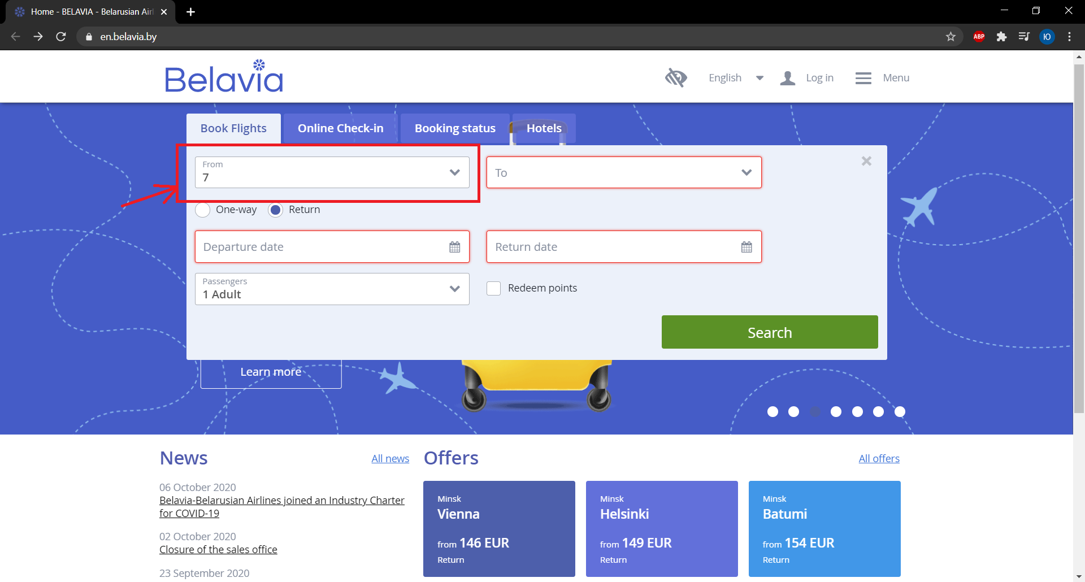
Title | Main page->form Book Flights: field From doesn't highlighted in red when type number and click button Search
Steps to reproduce | 1. Open main page 2. Click the field From 3. Type number 4.Click button Search
Actual result | Field From doesn't highlighted in red
Expected result | Field From highlighted in red (invalid data)
Component | Form Book Flights
Environment | Google Chrome (version 85.0.4183.102) on Windows 10
Severity | Trivial
Priority | Low
Assignee | Dmitry Gulko

Issue #2
Title | Main page->form Book Flights: new blank page opened when fill in the fields From and To with invalid data, fill in the rest of rhe field with valid data and click button Search (example on picture 1)
Steps to reproduce | 1. Open main page 2. Click the field From 3. Fill in the fields From and To with invalid data 4. Fill in the fields Departure date and Return date with valid data 5. Click button Search
Actual result | New blank page opened
Expected result | Fields From and To highlighted in red (invalid data)
Component | Form Book Flights
Environment | Google Chrome (version 85.0.4183.102) on Windows 10
Severity | Trivial
Priority | Low
Assignee | Dmitry Gulko

Screenshot

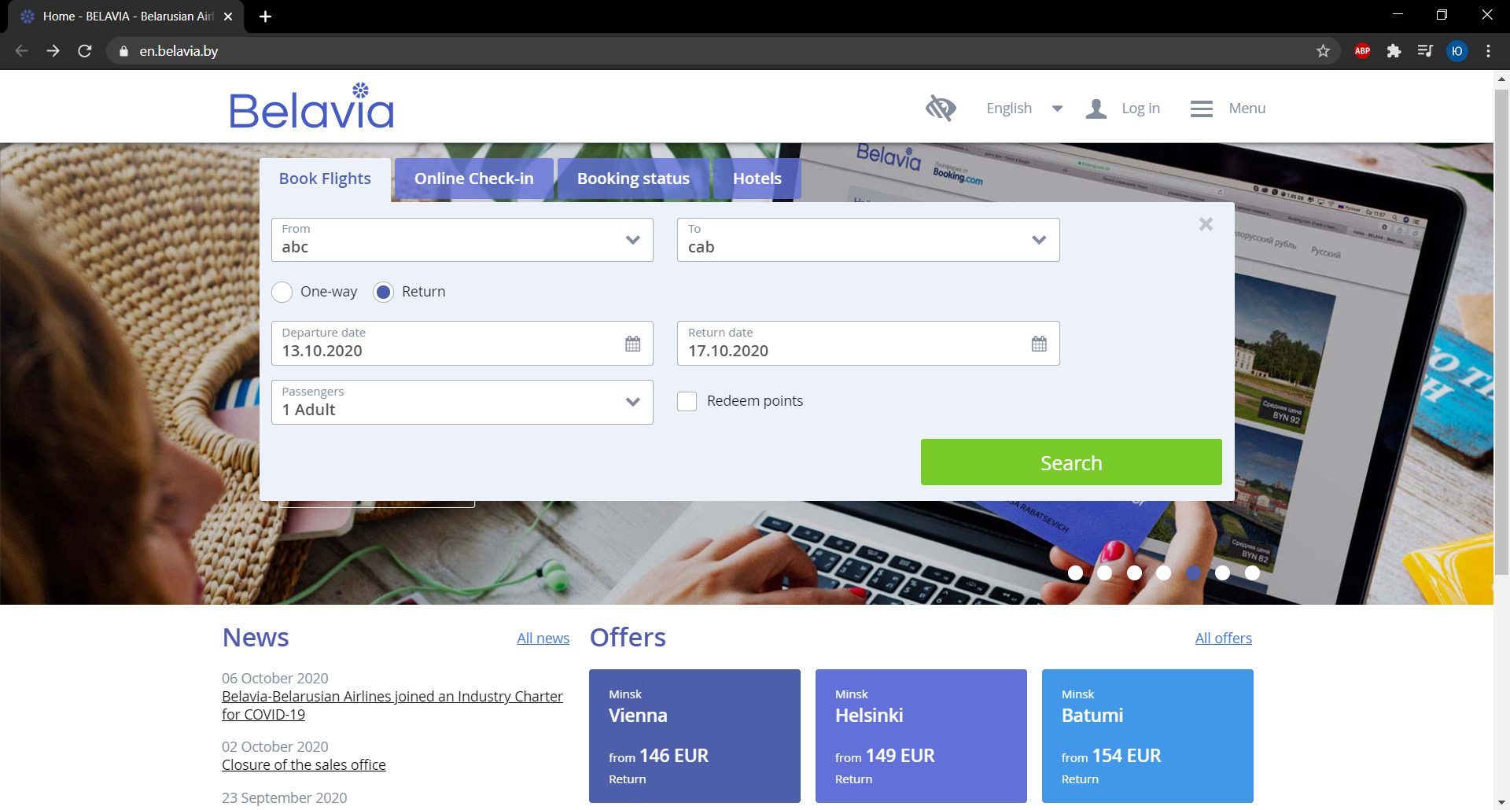
Picture 1

Issue #3
Title | Main page->form Book Flights: the field Return date is visible (the radio-button "One-way" is enabled) when fill in the fields From and To with invalid data, fill in the rest of rhe field with valid data, click on the radio-button "One-way" and click button Search then click on the button to return to the previous page and click the field From
Steps to reproduce | 1. Open main page 2. Click the field From 3. Fill in the fields From and To with invalid data 4. Fill in the field Departure date with valid data 5. Click on the radio-button "One-way" 6. Click button Search 7. Click on the button to return to the previous page 8. Click the field From
Actual result | The field Return date is visible (the radio-button "One-way" is enabled)
Expected result | The field Return date is hidden (the radio-button "One-way" is enabled)
Component | Form Book Flights
Environment | Google Chrome (version 85.0.4183.102) on Windows 10
Severity | Trivial
Priority | Low
Assignee | Dmitry Gulko
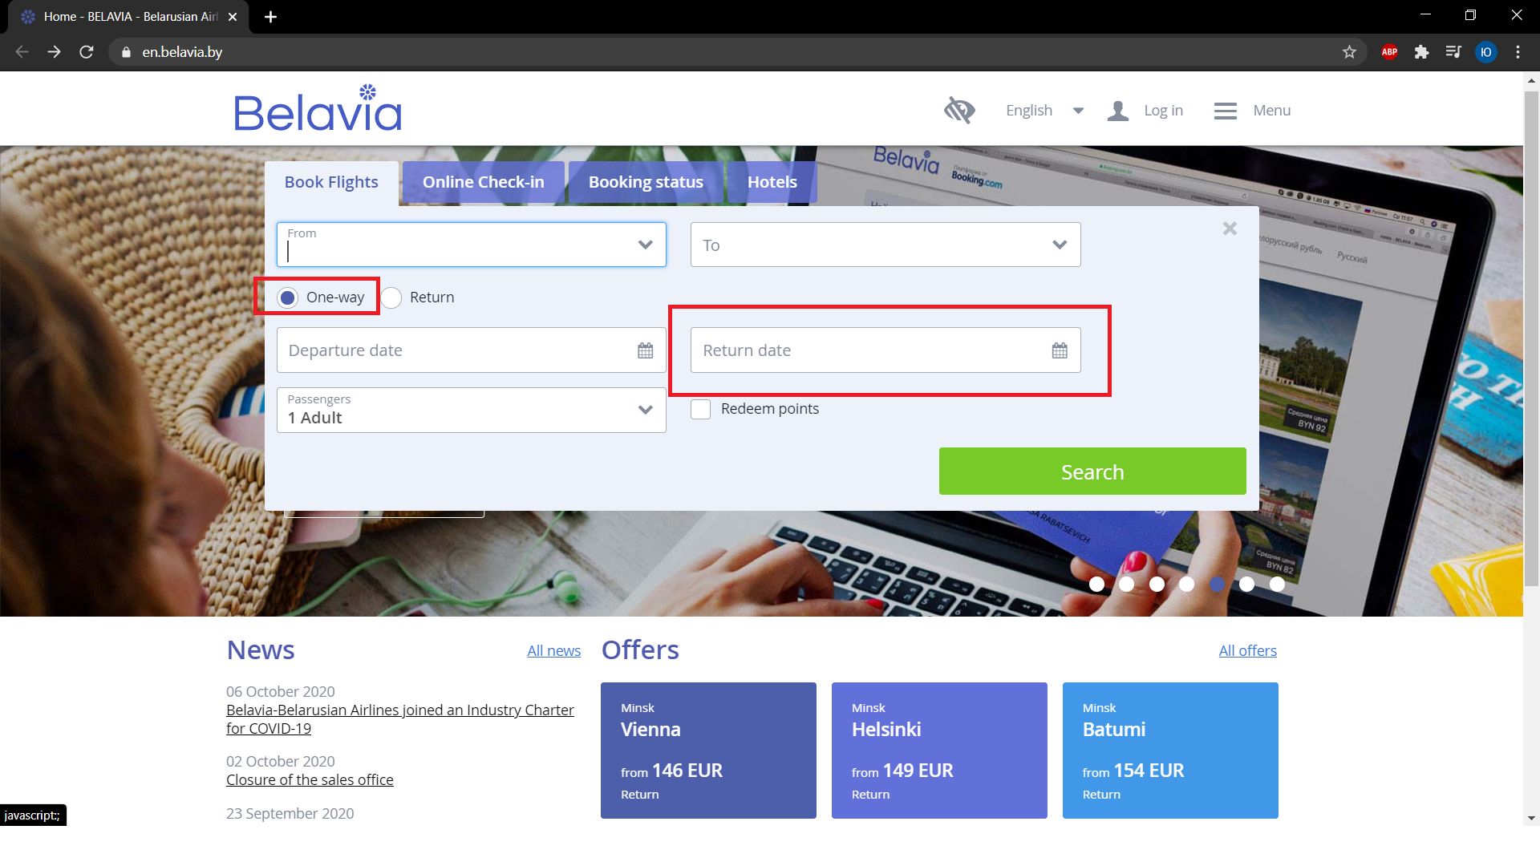
Screenshot

