Feature_Map_Sizes
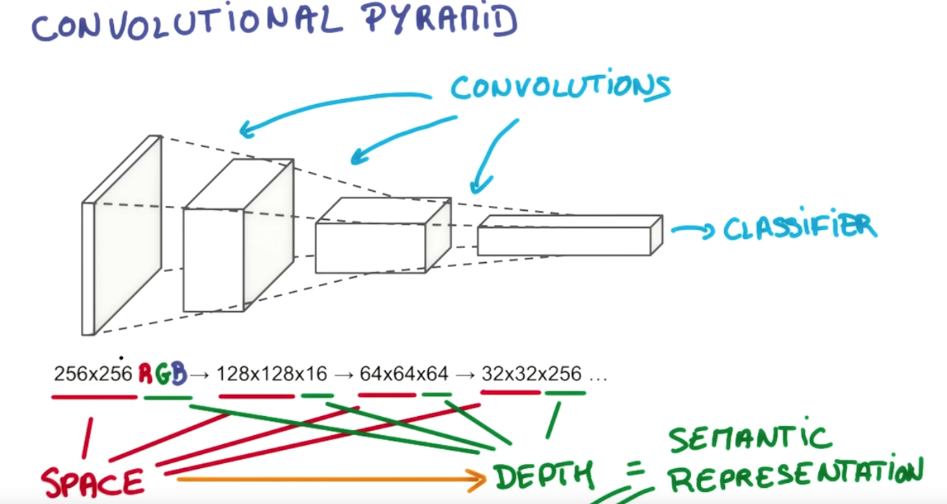

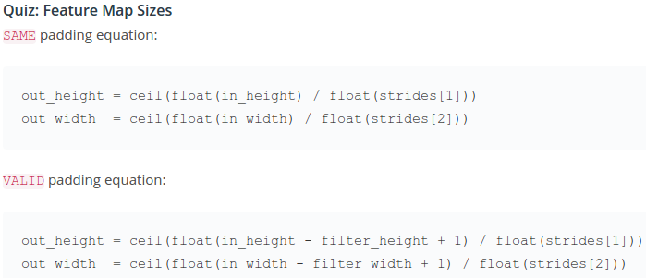

Wrong sign?

 | height | 32
 | width | 32
Only for Valid | filter_height | 5
 | filter_width | 5
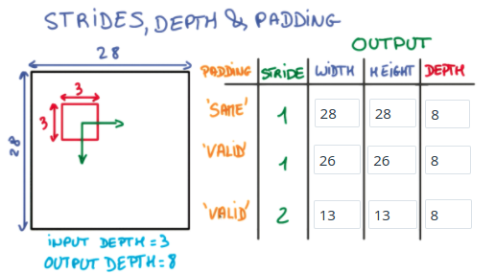
 | stride_height | 1
 | stride_width | 1

 | Same Padding
out_height | 32
out_width | 32

 | Valid Padding
out_height | 28
out_width | 28

Output_depth doesn't change

Filters
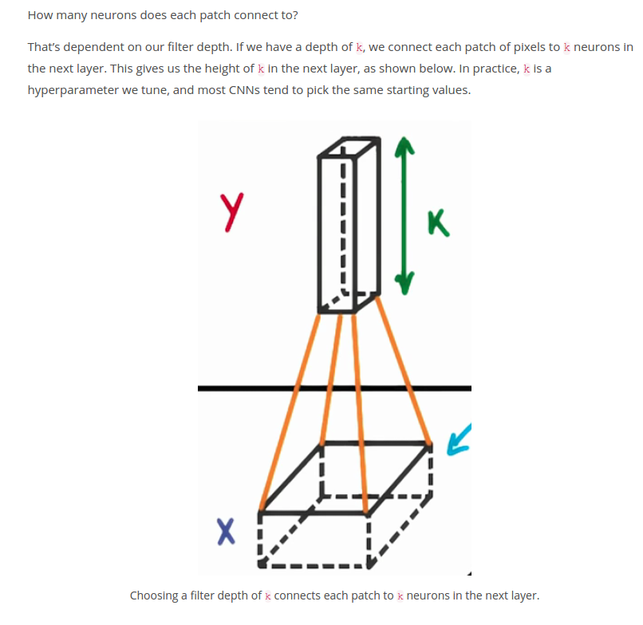

FullyConnected
Multilayer Perceptron
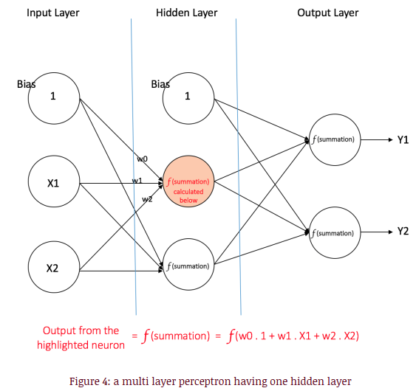

All the neuron are connected

Notes
