Hoja1
ALL WEIGHTS IN KILOGRAMS |  |  |  |  | OUTPUT |  |  | LOADING INSTRUCTION REPORT |  |  |  |  | LIR
Operator |  | Flight | Date | Registration | Origin - Destination | Manifest Revision |  | ALL WEIGHTS IN KILOGRAMS |  |  | Operator | Flight | Date | Registration | Origin - Destination |  | Fueling Order
TAMPA CARGO |  | TPA | 12/05/2025 | N330QT | ORI-DES | 0
OEW | 109548 |  |  |  |  |  |  |  |  |  |  |  |  |  |  |  | Operator
Trapped Fuel | 0 |  |  |  |  |  |  |  |  |  |  |  |  |  |  |  | Flight
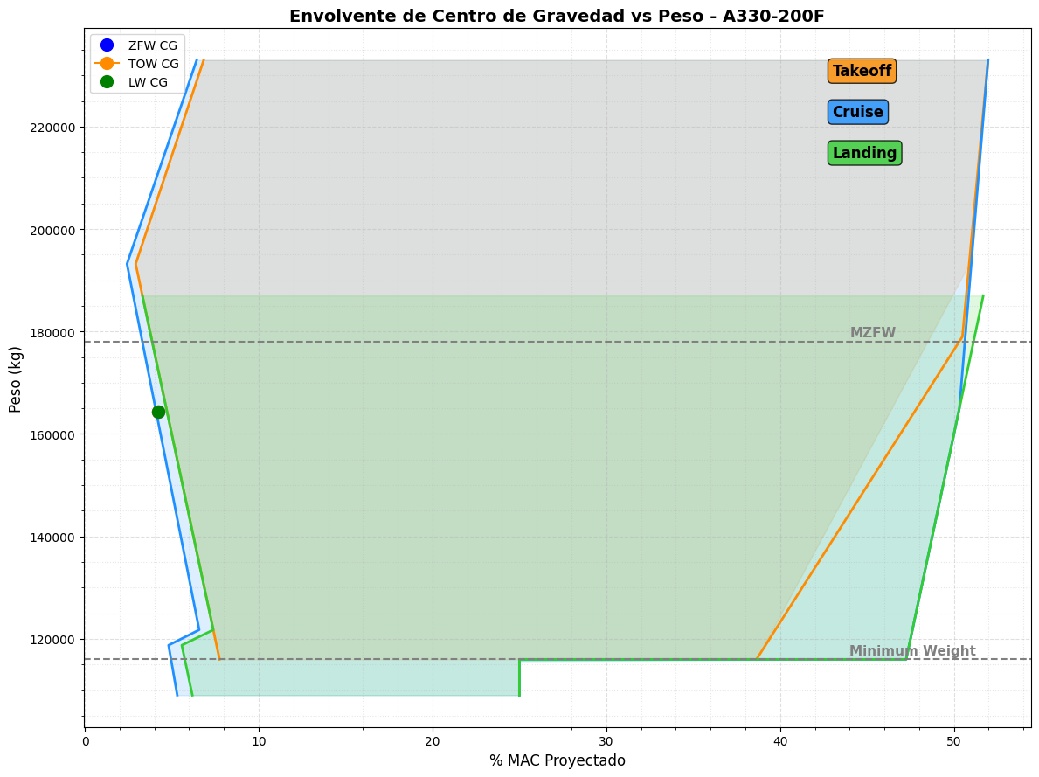
Add/Removed Stuff | 0 |  | Performance Data |  |  |  |  |  |  |  |  |  |  |  |  |  | Date
BOW | 109548 |  | Runway |  |  |  |  |  |  |  |  |  |  |  |  |  | Registration
Total Payload | 54772 |  | Conf. | 1+F |  |  |  |  |  |  |  |  |  |  |  |  | Origin - Destination
MZFW | 178000 |  | Anti Ice. | Off
Takeoff fuel | 0 |  | A/C. | Off
Maximum allowed TOW |  |  | Wind. | Calm
Taxi fuel | 0 |  | Temp. | 0
Trip Fuel | 0 |  | Pessure Alt. | 1013
Maximum allowed LW
Underload | 13680
Ramp Weight | 164320

ZFW / CG | 164320 | 14.50 | % |  |  |  |  |  |  |  |  |  |  |  |  | Total Cargo (kg)
TOW / CG | 164320 | 14.50 | %
LW / CG | 164320 | 14.50 | %
STAB TRIM | 9

Crew | 2
Passengers | 0
Cargo MD | 41054
Cargo LDF | 7222
Cargo LDA | 6046
Cargo Bulk | 450
Lateral Inbalance | 5211.516

 | Prepared by: | Julian Londoño - 1128269321 |  |  |  |  |  |  | Prepared by: | Julian Londoño - 1128269321
 | Approved by: | Julian Londoño - 1128269321 |  |  |  | Captain Signature: | Digitally Signed trught mBriefing App |  | Approved by: | Julian Londoño - 1128269321 |  |  |  |  | Captain Signature: | Digitally Signed trught mBriefing App

MTOW | 227000
MTOW-P | 0
MTOW-ZFW

MLW | 187000
MLW-P | 0

