CMM 10
 |  |  |  |  |  | WORK STATION INSPECTION RESULT DATA |  |  |  |  |  |  |  |  |  |  |  | NO. DOKUMEN
 |  |  |  |  |  |  |  |  |  |  |  |  |  |  |  |  |  | TGL BERLAKU
 |  |  |  |  |  |  |  |  |  |  |  |  |  |  |  |  |  | REV |  | 2
UNIT PRODUKSI |  | : | MACHINING CYLINDER COMP K2VG |  |  |  |  |  |  |  |  |  |  |  | TANGGAL |  |  | QCL 1 | QCL 2 | QCL 3
NAMA PART |  | : | CYLINDER COMP (MA) |  |  |  |  |  |  |  |  |  |  |  |  |  | TANGGAL
NO. PART |  | : | 1210A-KZR -6006-IN |  |  |  |  |  |  |  |  |  |  |  |  |  | TANDA TANGAN
LINE |  | : | CYLINDER COMP
PROSES |  | : | TURNING, DRILLING, REAMING, MILLING, BORING, HONING
STASIUN |  | :
PROSES NO. |  | : |  |  |  |  |  |  |  | SHIFT : 1 |  |  | 5/17/26 |  |  |  | NAMA/NRP
ILUSTRASI
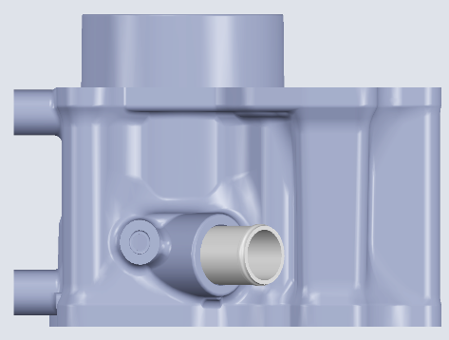
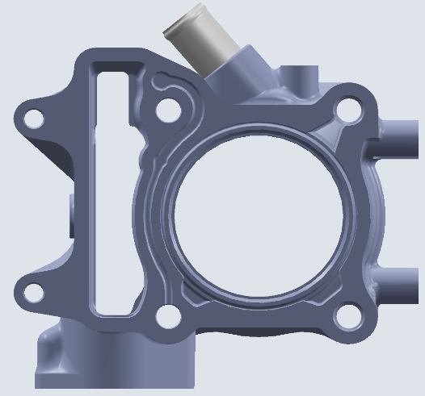
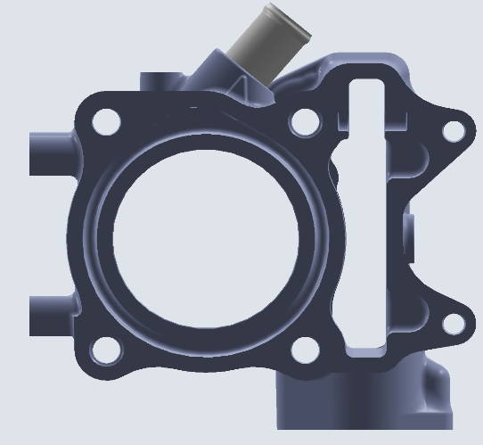
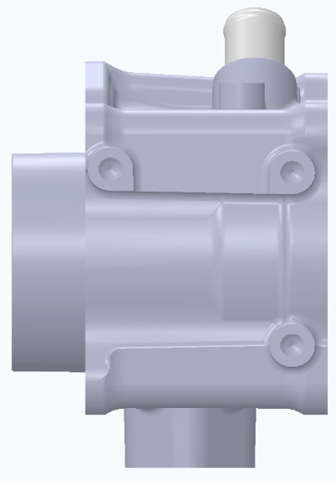
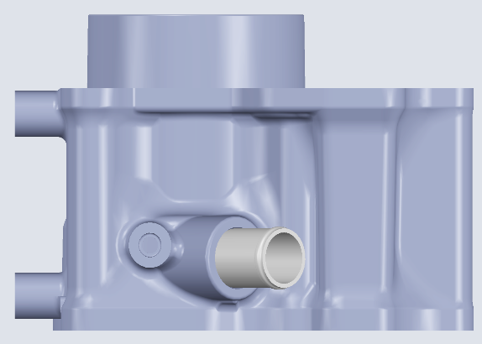
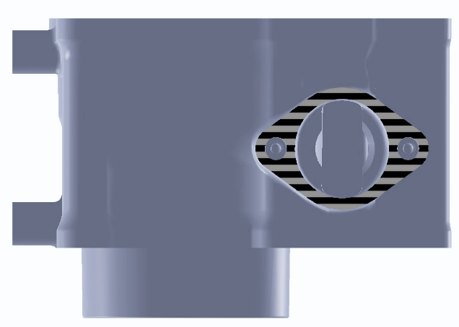
L000
J000
J163
J164
J151
J152
L164
L163
L152
L151
K304
K305
K401
K402
K403
K301
K302
K303
K300
L154
L153

KRITIKAL POINT |  |  |  | : |  | YES / NO

FREKUENSI PEMERIKSAAN |  |  |  | : |  | 1 / SHIFT

0
- 0.2
+0.060
+0.045
 | POINT PEMERIKSAAN |  |  | STANDARD (mm) |  |  | INSPECTION TOOLS |  | METODE PEMERIKSAAN | KRITERIA SAFETY
NO |  |  |  |  |  |  |  |  |  |  | AL | AR | BL | BR | CL | CR | DL | DR | EL | ER

J000 | FLATNESS FACE CRANK CASE |  |  | MAX 0.05 |  |  | CMM |  | DI UKUR | HB | 0.00 | 0.00 | 0.00 | 0.00 | 0.00 | 0.00 | 0.00 | 0.00 | 0.00 | 0.00

 |  |  |  | ( ANGKA )
L000 | FLATNESS FACE CYL HEAD |  |  | MAX 0.05 |  |  | CMM |  | DI UKUR | HB | 0.00 | 0.00 | 0.00 | 0.00 | 0.00 | 0.00 | 0.00 | 0.00 | 0.00 | 0.00

 |  |  |  | ( ANGKA )
J163 | POSITION X |  |  | 38 | + | 0.05 | CMM |  | DI UKUR | HB | 0.00 | 0.00 | 0.00 | 0.00 | 0.00 | 0.00 | 0.00 | 0.00 | 0.00 | 0.00
 |  |  |  |  | - | 0.05
 |  |  |  | ( ANGKA )
 | POSITION Y |  |  | 31 | + | 0.05 | CMM |  | DI UKUR | HB | 0.00 | 0.00 | 0.00 | 0.00 | 0.00 | 0.00 | 0.00 | 0.00 | 0.00 | 0.00
 |  |  |  |  | - | 0.05
 |  |  |  | ( ANGKA )
J164 | POSITION Y |  |  | 31 | + | 0.05 | CMM |  | DI UKUR | HB | 0.00 | 0.00 | 0.00 | 0.00 | 0.00 | 0.00 | 0.00 | 0.00 | 0.00 | 0.00
 |  |  |  |  | - | 0.05
 |  |  |  | ( ANGKA )
 | DISTANCE DOWELL (X)POSITION Y |  |  | 74 | + | 0.05 | CMM |  | DI UKUR | HB | 0.00 | 0.00 | 0.00 | 0.00 | 0.00 | 0.00 | 0.00 | 0.00 | 0.00 | 0.00
 |  |  |  |  | - | 0.05
 |  |  |  | ( ANGKA )
J151 | POSITION X |  |  | 38 | + | 0.2 | CMM |  | DI UKUR | HB | 0.0 | 0.0 | 0.0 | 0.0 | 0.0 | 0.0 | 0.0 | 0.0 | 0.0 | 0.0
 |  |  |  |  | - | 0.2
 |  |  |  | ( ANGKA )
 | POSITION Y |  |  | 31 | + | 0.2 | CMM |  | DI UKUR | HB | 0.0 | 0.0 | 0.0 | 0.0 | 0.0 | 0.0 | 0.0 | 0.0 | 0.0 | 0.0
 |  |  |  |  | - | 0.2
 |  |  |  | ( ANGKA )
J152 | POSITION X |  |  | 36 | + | 0.2 | CMM |  | DI UKUR | HB | 0.0 | 0.0 | 0.0 | 0.0 | 0.0 | 0.0 | 0.0 | 0.0 | 0.0 | 0.0
 |  |  |  |  | - | 0.2
 |  |  |  | ( ANGKA )
 | POSITION Y |  |  | 31 | + | 0.2 | CMM |  | DI UKUR | HB | 0.0 | 0.0 | 0.0 | 0.0 | 0.0 | 0.0 | 0.0 | 0.0 | 0.0 | 0.0
 |  |  |  |  | - | 0.2
 |  |  |  | ( ANGKA )
L152 | POSITION X |  |  | 36 | + | 0.2 | CMM |  | DI UKUR | HB | 0.0 | 0.0 | 0.0 | 0.0 | 0.0 | 0.0 | 0.0 | 0.0 | 0.0 | 0.0
 |  |  |  |  | - | 0.2
 |  |  |  | ( ANGKA )
 | POSITION Y |  |  | 31 | + | 0.2 | CMM |  | DI UKUR | HB | 0.0 | 0.0 | 0.0 | 0.0 | 0.0 | 0.0 | 0.0 | 0.0 | 0.0 | 0.0
 |  |  |  |  | - | 0.2
 |  |  |  | ( ANGKA )
L163 | POSITION X |  |  | 38 | + | 0.2 | CMM |  | DI UKUR | HB | 0.0 | 0.0 | 0.0 | 0.0 | 0.0 | 0.0 | 0.0 | 0.0 | 0.0 | 0.0
 |  |  |  |  | - | 0.2
 |  |  |  | ( ANGKA )
 | POSITION Y |  |  | 31 | + | 0.2 | CMM |  | DI UKUR | HB | 0.0 | 0.0 | 0.0 | 0.0 | 0.0 | 0.0 | 0.0 | 0.0 | 0.0 | 0.0
 |  |  |  |  | - | 0.2
 |  |  |  | ( ANGKA )
L153 | POSITION X |  |  | 35 | + | 0.2 | CMM |  | DI UKUR | HB | 0.0 | 0.0 | 0.0 | 0.0 | 0.0 | 0.0 | 0.0 | 0.0 | 0.0 | 0.0
 |  |  |  |  | - | 0.2
 |  |  |  | ( ANGKA )
 | POSITION Y |  |  | 77.3 | + | 0.2 | CMM |  | DI UKUR | HB | 0.0 | 0.0 | 0.0 | 0.0 | 0.0 | 0.0 | 0.0 | 0.0 | 0.0 | 0.0
 |  |  |  |  | - | 0.2
 |  |  |  | ( ANGKA )
L154 | POSITION X |  |  | 27.5 | + | 0.2 | CMM |  | DI UKUR | HB | 0.0 | 0.0 | 0.0 | 0.0 | 0.0 | 0.0 | 0.0 | 0.0 | 0.0 | 0.0
 |  |  |  |  | - | 0.2
 |  |  |  | ( ANGKA )
 | POSITION Y |  |  | 77.3 | + | 0.2 | CMM |  | DI UKUR | HB | 0.0 | 0.0 | 0.0 | 0.0 | 0.0 | 0.0 | 0.0 | 0.0 | 0.0 | 0.0
 |  |  |  |  | - | 0.2
 |  |  |  | ( ANGKA )
L151 | DISTANCE DOWELL (X) |  |  | 74 | + | 0.05 | CMM |  | DI UKUR | HB | 0.00 | 0.00 | 0.00 | 0.00 | 0.00 | 0.00 | 0.00 | 0.00 | 0.00 | 0.00
 |  |  |  |  | - | 0.05
 |  |  |  | ( ANGKA )
 | DISTANCE DOWELL (Y) |  |  | 62 | + | 0.05 | CMM |  | DI UKUR | HB | 0.00 | 0.00 | 0.00 | 0.00 | 0.00 | 0.00 | 0.00 | 0.00 | 0.00 | 0.00
 |  |  |  |  | - | 0.05
 |  |  |  | ( ANGKA )
L164 | POSITION X |  |  | 36 | + | 0.05 | CMM |  | DI UKUR | HB | 0.00 | 0.00 | 0.00 | 0.00 | 0.00 | 0.00 | 0.00 | 0.00 | 0.00 | 0.00
 |  |  |  |  | - | 0.05
 |  |  |  | ( ANGKA )
 | POSITION Y |  |  | 31 | + | 0.05 | CMM |  | DI UKUR | HB | 0.00 | 0.00 | 0.00 | 0.00 | 0.00 | 0.00 | 0.00 | 0.00 | 0.00 | 0.00
 |  |  |  |  | - | 0.05
 |  |  |  | ( ANGKA )
K301 | POSITION X THD CENTER |  |  | 21 | + | 0.2 | CMM |  | DI UKUR | HB | 0.0 | 0.0 | 0.0 | 0.0 | 0.0 | 0.0 | 0.0 | 0.0 | 0.0 | 0.0
 |  |  |  |  | - | 0.2
 |  |  |  | ( ANGKA )
 | POSITION Y |  |  | 30 | + | 0.2 | CMM |  | DI UKUR | HB | 0.0 | 0.0 | 0.0 | 0.0 | 0.0 | 0.0 | 0.0 | 0.0 | 0.0 | 0.0
 |  |  |  |  | - | 0.2
 |  |  |  | ( ANGKA )
K302 | POSITION X THD K301 |  |  | 42 | + | 0.2 | CMM |  | DI UKUR | HB | 0.0 | 0.0 | 0.0 | 0.0 | 0.0 | 0.0 | 0.0 | 0.0 | 0.0 | 0.0
 |  |  |  |  | - | 0.2
 |  |  |  | ( ANGKA )
 | POSITION Y |  |  | 30 | + | 0.2 | CMM |  | DI UKUR | HB | 0.0 | 0.0 | 0.0 | 0.0 | 0.0 | 0.0 | 0.0 | 0.0 | 0.0 | 0.0
 |  |  |  |  | - | 0.2
 |  |  |  | ( ANGKA )
K303 | POSITION X |  |  | 49.6 | + | 0.2 | CMM |  | DI UKUR | HB | 0.0 | 0.0 | 0.0 | 0.0 | 0.0 | 0.0 | 0.0 | 0.0 | 0.0 | 0.0
 |  |  |  |  | - | 0.2
 |  |  |  | ( ANGKA )
 | POSITION Y |  |  | 30 | + | 0.2 | CMM |  | DI UKUR | HB | 0.0 | 0.0 | 0.0 | 0.0 | 0.0 | 0.0 | 0.0 | 0.0 | 0.0 | 0.0
 |  |  |  |  | - | 0.2
 |  |  |  | ( ANGKA )
K304 | POSITION X |  |  | 14 | + | 0.2 | CMM |  | DI UKUR | HB | 0.0 | 0.0 | 0.0 | 0.0 | 0.0 | 0.0 | 0.0 | 0.0 | 0.0 | 0.0
 |  |  |  |  | - | 0.2
 |  |  |  | ( ANGKA )
 | POSITION Y |  |  | 24.5 | + | 0.2 | CMM |  | DI UKUR | HB | 0.0 | 0.0 | 0.0 | 0.0 | 0.0 | 0.0 | 0.0 | 0.0 | 0.0 | 0.0
 |  |  |  |  | - | 0.2
 |  |  |  | ( ANGKA )
K305 | POSITION X |  |  | 54.5 | + | 0.2 | CMM |  | DI UKUR | HB | 0.0 | 0.0 | 0.0 | 0.0 | 0.0 | 0.0 | 0.0 | 0.0 | 0.0 | 0.0
 |  |  |  |  | - | 0.2
 |  |  |  | ( ANGKA )
 | POSITION Y |  |  | 12.5 | + | 0.2 | CMM |  | DI UKUR | HB | 0.0 | 0.0 | 0.0 | 0.0 | 0.0 | 0.0 | 0.0 | 0.0 | 0.0 | 0.0
 |  |  |  |  | - | 0.2
 |  |  |  | ( ANGKA )
 | POSITION Y THD FACE HEAD |  |  | 20.8 | + | 0.2 | CMM |  | DI UKUR | HB | 0.0 | 0.0 | 0.0 | 0.0 | 0.0 | 0.0 | 0.0 | 0.0 | 0.0 | 0.0
 |  |  |  |  | - | 0.2
 |  |  |  | ( ANGKA )
 | ANGLE |  |  | 40 | + | 10 3' | CMM |  | DI UKUR | HB | 0.000 | 0.000 | 0.000 | 0.000 | 0.000 | 0.000 | 0.000 | 0.000 | 0.000 | 0.000
 |  |  |  |  | - | 10 3'
 |  |  |  | ( ANGKA )
L100 | PERPENDICULARITY |  |  | MAX 0.03 / H |  |  | CMM |  | DI UKUR | HB | 0.00 | 0.00 | 0.00 | 0.00 | 0.00 | 0.00 | 0.00 | 0.00 | 0.00 | 0.00

 |  |  |  | ( ANGKA )
K401 | POSITION X |  |  | 28 | + | 0.2 | CMM |  | DI UKUR | HB | 0.0 | 0.0 | 0.0 | 0.0 | 0.0 | 0.0 | 0.0 | 0.0 | 0.0 | 0.0
 |  |  |  |  | - | 0.2
 |  |  |  | ( ANGKA )
 | POSITION Y |  |  | 62 | + | 0.2 | CMM |  | DI UKUR | HB | 0.0 | 0.0 | 0.0 | 0.0 | 0.0 | 0.0 | 0.0 | 0.0 | 0.0 | 0.0
 |  |  |  |  | - | 0.2
 |  |  |  | ( ANGKA )
K402 | POSITION X |  |  | 1 | + | 0.1 | CMM |  | DI UKUR | HB | 0.0 | 0.0 | 0.0 | 0.0 | 0.0 | 0.0 | 0.0 | 0.0 | 0.0 | 0.0
 |  |  |  |  | - | 0.1
 |  |  |  | ( ANGKA )
 | POSITION Y |  |  | 52 | + | 0.15 | CMM |  | DI UKUR | HB | 0.00 | 0.00 | 0.00 | 0.00 | 0.00 | 0.00 | 0.00 | 0.00 | 0.00 | 0.00
 |  |  |  |  | - | 0.15
 |  |  |  | ( ANGKA )
K403 | POSITION X |  |  | 53 | + | 0.15 | CMM |  | DI UKUR | HB | 0.00 | 0.00 | 0.00 | 0.00 | 0.00 | 0.00 | 0.00 | 0.00 | 0.00 | 0.00
 |  |  |  |  | - | 0.15
 |  |  |  | ( ANGKA )
 | POSITION Y |  |  | 52 | + | 0.15 | CMM |  | DI UKUR | HB | 0.00 | 0.00 | 0.00 | 0.00 | 0.00 | 0.00 | 0.00 | 0.00 | 0.00 | 0.00
 |  |  |  |  | - | 0.15
 |  |  |  | ( ANGKA )

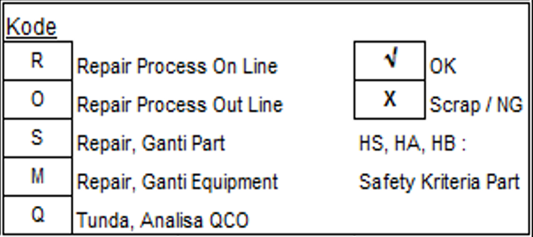

HASIL PEMERIKSAAN & PARAF PIMPINAN KERJA |  |  | I | OK____ ____NG |  |  |  |  |  |  |  | Keterangan |  |  |  |  |  | DIBUAT | DIPERIKSA | DISETUJUI

 |  |  | II | OK____ ____NG

 |  |  | III | OK____ ____NG

 |  |  |  |  |  |  | QCO
DOKUMEN REFERENSI |  |  |  |  |  |  |  |  | REV |  |  |  |  |  |  | TANGGAL | NAMA
NAMA DOKUMEN |  |  | PQCS CYL COMP K2V
 |  |  |  |  |  |  |  |  |  |  |  |  |  |  |  |  |  | SITI M | TAUFAN S | EGIH G
TANGGAL BERLAKU |  |  | 21-Aug-24 |  |  |  | REV | 01 |  | REVISI POINT L100 |  |  |  |  |  | 21-Aug-24 | Siti M

