Cover Sheet
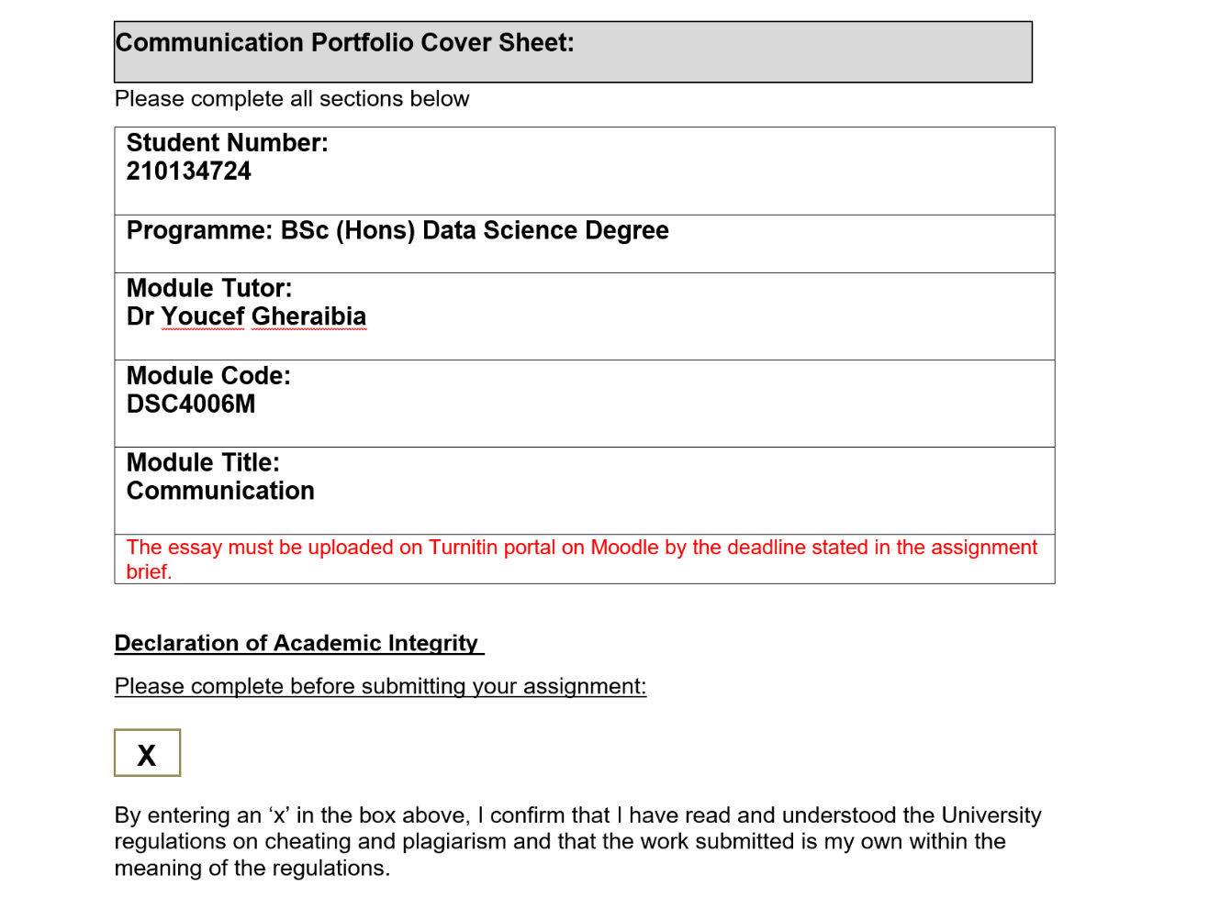

Dashboard
HR Attrition Dasboard
 | Attrition

 | No Attrition

Attrition by Age
 | No | Yes
18-24 | 59 | 38
25-34 | 442 | 112
35-44 | 454 | 51
45-54 | 220 | 25
55-64 | 58 | 11
Attrition by Monthly Income
 | No | Yes
1000-1999 | 15 | 18
2000-4999 | 570 | 145
5000-9999 | 392 | 49
10,000-14,999 | 128 | 20
15,000-19,999 | 128 | 5
Attrition by Department
 | No | Yes
Human Resources | 51 | 12
Research & Development | 828 | 133
Sales | 354 | 92

Attrition by Gender
 | No | Yes
Female | 500 | 87
Male | 733 | 150
Attrition by Role
 | No | Yes
Healthcare Representative | 122 | 9
Human Resources | 40 | 12
Laboratory Technician | 197 | 62
Manager | 97 | 5
Manufacturing Director | 135 | 10
Research Director | 78 | 2
Research Scientist | 245 | 47
Sales Executive | 269 | 57
Sales Representative | 50 | 33

 |  | Attrition Rate

 |  | 16%

 |  | Yes | No
 |  | 237 | 1233

Attrition by Years at Company
 | No | Yes
less than 1 year | 28 | 16
1 – 2 years | 212 | 86
3 – 5 years | 374 | 60
6 – 9 years | 291 | 37
10 – 19 years | 244 | 29
20 – 29 years | 71 | 5
30 years and over | 13 | 4
Attrition by Job Level
 | No | Yes
1 | 400 | 143
2 | 482 | 52
3 | 186 | 32
4 | 101 | 5
5 | 64 | 5

