Sanitary_Alternative
SN | ITEM CODE / IMAGE / ITEM | ORIG. FINISH | MANUFACTURER | PROPOSED FINISH | SAMPLE FINISH only
1 |  | Stainless Steel |  | Black Matte Finish
2 |  | Brushed Chrome |  | Black Matte Finish
3 |  | Stainless Steel |  | Black Matte Finish
4 |  | Stainless Steel |  | Black Matte Finish
5 |  | Stainless Steel |  | Black Matte Finish
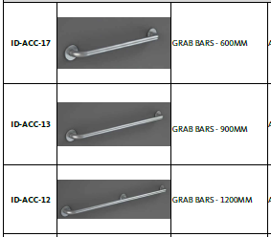
6 |  | Stainless Steel |  | Black Matte Finish
7 |  | Stainless Steel |  | Black Matte Finish
8 |  | Stainless Steel |  | Black Matte Finish
9 | 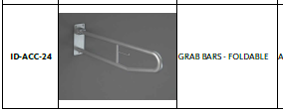 | Stainless Steel |  | Black Matte Finish

