00 Overview
Native CRoaring / No-Dense-Delivery Analysis
Readable analysis workbook. Fresh measurements apply to CRoaring only; DDC, WAH, and EWAH are frozen baselines unless explicitly stated.

Key results
Metric | New native result | Previous delivered result | Change / interpretation
Table 4 CR run total | 218.628 MiB | 291.234 MiB plain | Run optimization reduces CR payload by 24.93%; CR run remains 25.03% above DDC.
Earth OR+COMP CR/DDC geometric mean | 1.1375x | 2.0635x | CR wins 5 of 10 figure-facing cells under the native boundary.
JOB COMP CR/DDC geometric mean | 7.4602x | 23.6225x | Large reduction, but frozen DDC still uses a shorter equivalent COMP plan.
Cluster all-operation CR/DDC geometric mean | 0.8137x | 3.3580x | Complete 11-point sweep; 5 points are shown in the current figure.
Density OR CR/DDC geometric mean | 1.3730x | 2.4349x | 100-cell symmetric matrix derived from 55 independent upper-triangle measurements.

Measurement contract and caveats
• CRoaring OR/AND/NOT use native *_op rows; COMP uses the newly measured COMP_op_native row. No CR-to-dense-BTV delivery is included.
• Earth, JOB, and Cluster: CRoaring is a fresh 3-process median. DDC/WAH/EWAH are frozen baselines and retain their own result representations.
• Density: 55 upper-triangle CR points were freshly measured and mirrored into a 100-cell matrix. Other backends use the frozen density grid.
• JOB COMP remains a sensitivity comparison because the frozen DDC baseline used a shorter equivalent execution plan.
• Latency is milliseconds. Six decimal places are retained so sub-microsecond JOB values are never displayed as zero.

Total native payload
Table 4 total payload comparison (MiB)
DDC | 174.866
CR plain | 291.234
CR run | 218.628

13 Figures
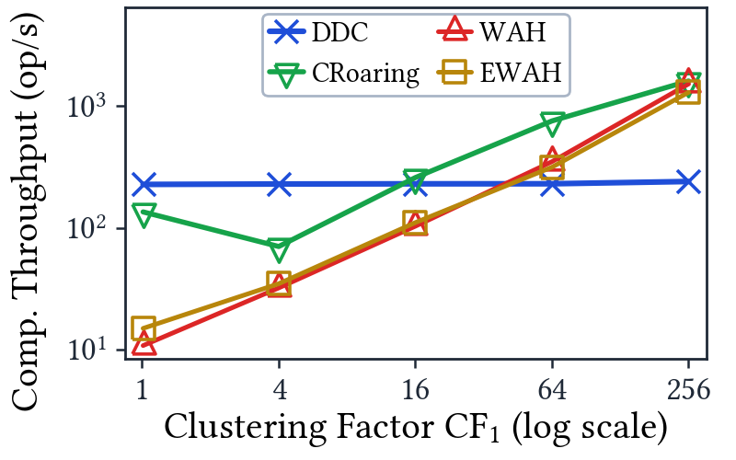
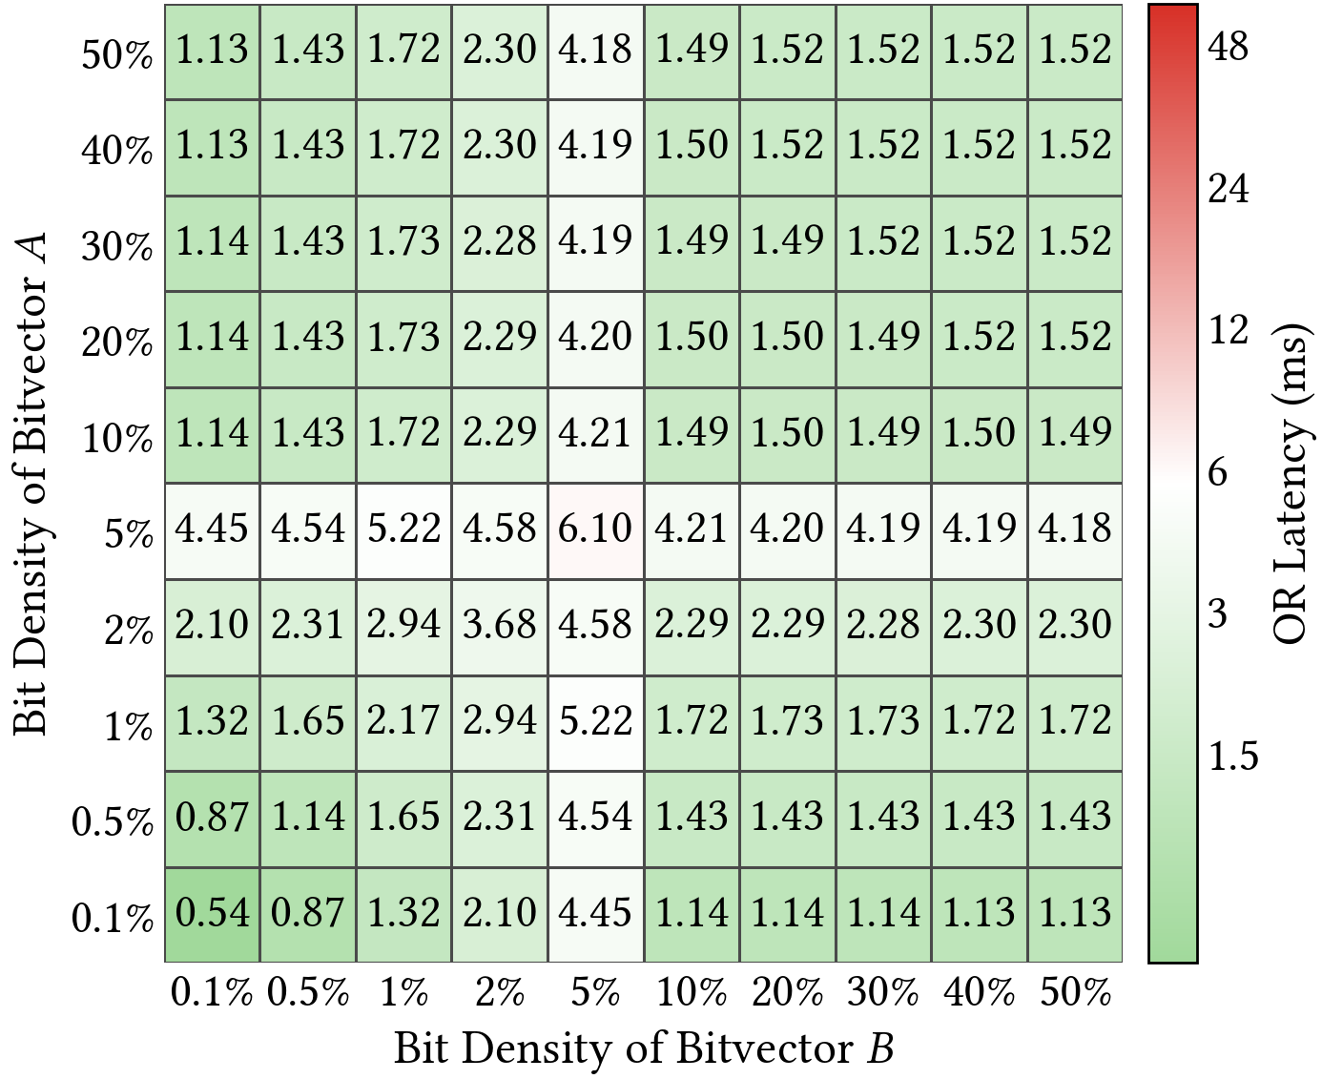
Key Native-CR Figures
Large embedded previews; full PDF and PNG files remain in the experiment figures directory.

