Sheet1
Relative Angles | Full Angle | Node Number
0 | 0 | 0
13.35 | 13.35 | 45
28.09 | 28.09 | 94 | Collector angles measured relative to rightmost angle in imageJ
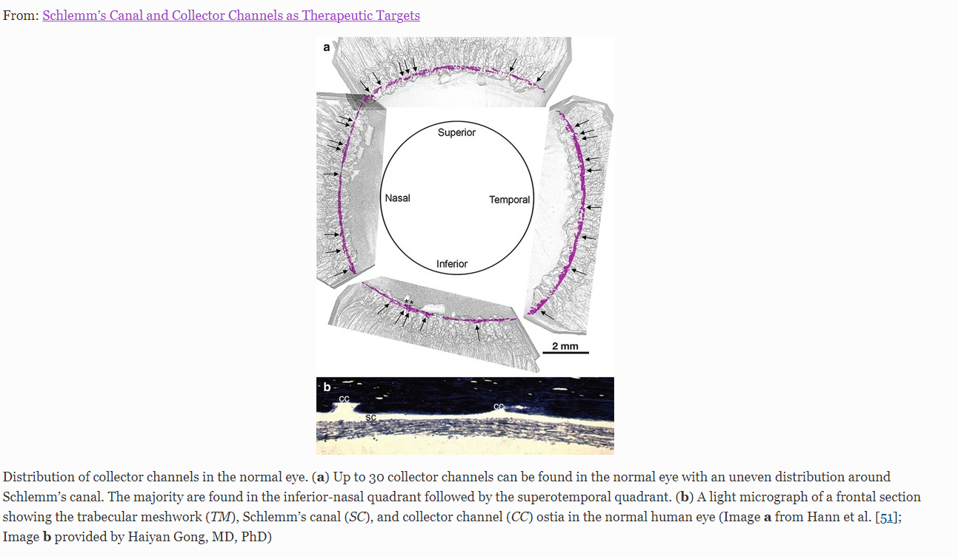
50.64 | 50.64 | 169
79 | 79 | 263
104.11 | 104.11 | 347
112.04 | 112.04 | 373
114.68 | 114.68 | 382
122.03 | 122.03 | 407
145.59 | 145.59 | 485
154.96 | 154.96 | 517
162.26 | 162.26 | 541
-169.43 | 190.57 | 635
-158.6 | 201.4 | 671
-155.86 | 204.14 | 680
-147.56 | 212.44 | 708
-145.14 | 214.86 | 716
-131.39 | 228.61 | 762
-126.56 | 233.44 | 778
-116.82 | 243.18 | 811
-113.79 | 246.21 | 821
-111.26 | 248.74 | 829
-71.53 | 288.47 | 962
-60.75 | 299.25 | 998
-35.96 | 324.04 | 1080
-32.64 | 327.36 | 1091
-30.34 | 329.66 | 1099
-21.55 | 338.45 | 1128
-17.01 | 342.99 | 1143

