Sheet1
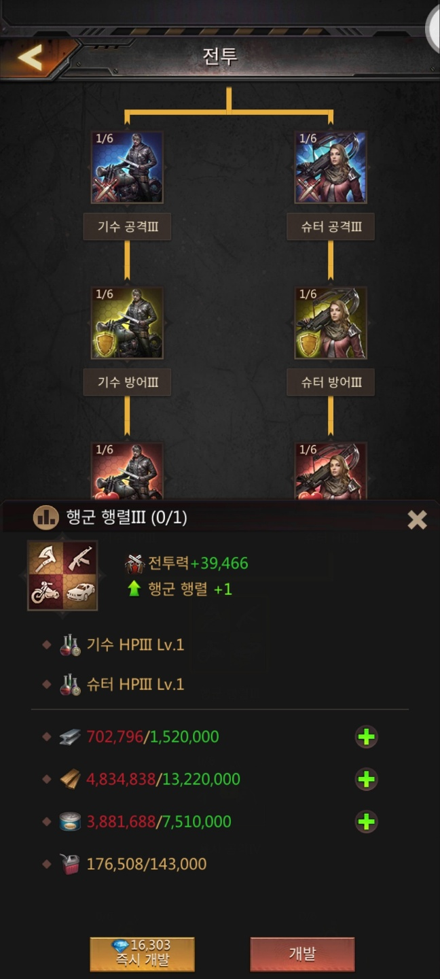
보급 | 키위베리

 |  | 강철 | 82만
 |  | 목재 | 840만
 |  | 식량 | 370만

