1. Title Page
Instacart Basket Analysis
Date: March 9 2023
Analyst Name: Austin Tam

Contents:

01 Population Flow
02 Consistency checks
03 Wrangling steps
04 Column derivations
05 Visualizations
06 Recommendations

Data Sources:

“The Instacart Online Grocery Shopping Dataset 2017”,
Accessed from https://www.instacart.com/datasets/grocery-shopping-2017 on 2/22/23

2. Population Flow
Title page

Population flow

Exclusion flag
Condition: max_order < 5
Obervations to be removed: 1,440,295
Final total count of order_products_all: 30,964,564

Orders_products_combined
Orders_products_merged
Orders_products_all

Total: 32,404,859
Total: 32,434,489
Total: 30,964,564

1.) The grey boxes in the first row of the population flow represent the original data sets as they were when you downloaded them. In the Total fields you need to add the count of the rows when you imported the data set into Jupyter.
2.) The second row of boxes (coloured) represents the data sets after you manipulated them, e.g., removed missing values and duplicates. In the Total fields you need to add the count of the rows after conducting these operations. This offers a visual oveview of how the data flows throughout the data consistency checks.
3.) The third row, where also the arrows are coloured, represents the merges you performed between the datasets. In the Total fields you need to add the count of the rows in the merged datasets, so that you end up with the final dataset (in the red box). Keep in mind the final dataset should be without exclusions (based on the exclusion flag).

3. Consistency checks
 |  |  |  | Title page
Consistency checks

Dataset | Missing values | Missing values treatment | Duplicates
orders | days_since_prior_order' | 206,209 | new column 'new_customer' was created to distinguish when the user first joined | none
products | product_name' | 16 | missing values were removed | 5 duplicates were removed
orders_products_prior | none | none | none
customers | none | none | none

4. Wrangling steps
 |  |  |  | Title page
Wrangling steps

Columns dropped | Columns renamed | Columns' type changed | Comment/Reason
eval_set' |  |  | this column did not contain any useful information for our anaylsis
 | "Gender" to "gender" |  | changed to snake_case for ease of reference
 | "STATE" to "state" |  | changed to snake_case for ease of reference
 | "AGE" to "age" |  | changed to snake_case for ease of reference
first_name' |  |  | contained PII data
last_name' |  |  | contained PII data

5. Column derivations
 |  |  |  | Title page

Column derivations and aggregations

Dataset | New column | Column/s it was derived from | Conditions
opm.pkl | price_range | prices | If the product price > 15$: high-range product; If the product prices was > 5 and <= 15: mid-range product; if the product was <= 5: low-range product
 | busiest_day | orders_day_of_week | If day is 0 flag: "busiest day"; if it’s the 4 day, flag: "least busiest". Anything else, flag: "regularly busy"
 | busiest_days | orders_day_of_week | If day is 0 or 1, flag: "busiest day". If day is 3 or 4, flag: "slowest day". Anything else flag: regularly busy
 | busiest_period_of_day | order_hour_of_day | If hour is on the 1st quantile then flag: "Fewest orders", if hour is between quantile 1 and 3, flag: "average orders", if hour is on the 3rd quantile flag: 'Most orders'.
 | loyalty_flag | Grouped by user_id and aggregated max values from order_number | If user has over 40 orders, flag: "Loyal customer". If user has more than 10 orders and less than or equal to 40 customers flag: "regular customer". If user has less than or equal to 10 orders flag: "new customer".
 | spending_flag | Grouped by user_id and aggregrated average values of orders | If user's average order < mean , flag: "low spender". If user's average order > mean, flag: "high spender".
 | order_frequency_flag | Grouped by user_id and aggregrated by the media of days_since_prior_order | If median values is more than 20, flag: "Non-frequent customer". If median values between 10 and 20, flag: "Regular customer". Finally, if values are less or equal to 10, flag: "Frequent customer".
tdhr.pkl | region | state | States were aggrupated into regions after the following online resource: (https://simple.wikipedia.org/wiki/List_of_regions_of_the_United_States)
 | age_gender | gender and age | if 18<age<39 and female = young woman if 39<age<64 and female = middle age woman if age>64 and female = elderly woman if 18<age<39 and male = young man if 39<age<64 and male = middle age man if age>64 and male = elderly man
 | household | n_dependents and 'fam_status' | if 'divorced/widowed' with no dependents = divorced/widowed with no dependents if 'living with parents and siblings' with dependents = single parent living with family if 'married' with no dependents = married with no dependents if 'married' with dependents = married with dependents if 'single' with no dependents = single with no children if ' single' with dependents = single parent
 | income_spender | income and spender_type | if high spender and income <= 44999 = low income high spender if high spender and income 44999 < income < 139999 = moderate income high spender if high spender and income > 139999 = high income high spender if low spender and income <= 44999 = low income low spender if low spender and income 44999 < income < 139999 = moderate income low spender if low spender and income > 139999 = high income low spender
 | pet_owner | department_id | if the user has ever bought pet food we considered them a pet owner
 | vegetarian | department_id | if the user has never bought any meat or seafood products we considered them vegetarian

6. Visualizations
Title page

Visualisations

Focus 01
The sales team needs to know what the busiest days of the week and hours of the day are (i.e., the days and times with the most orders) in order to schedule ads at times when there are fewer orders.

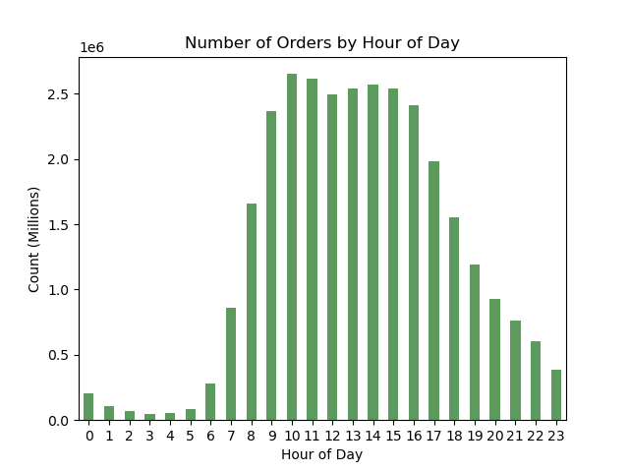

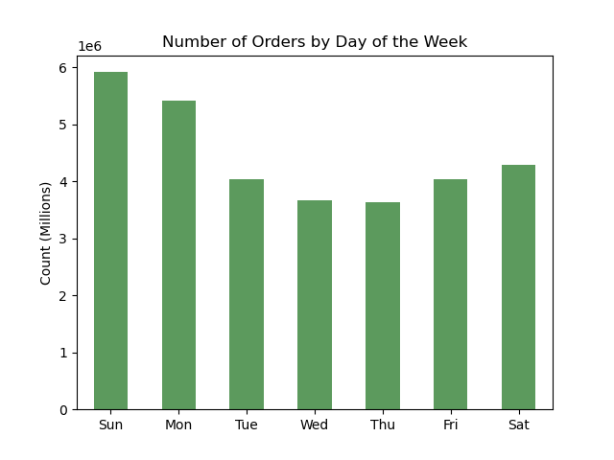

analysis
It looks like the busiest days are Sunday, Saturday and Monday. While the busient hours seem to range from 9am to 6pm.

Focus 02
The sales team needs to know whether there are particular times of the day when people spend the most money, as this might inform the type of products they advertise at these times.

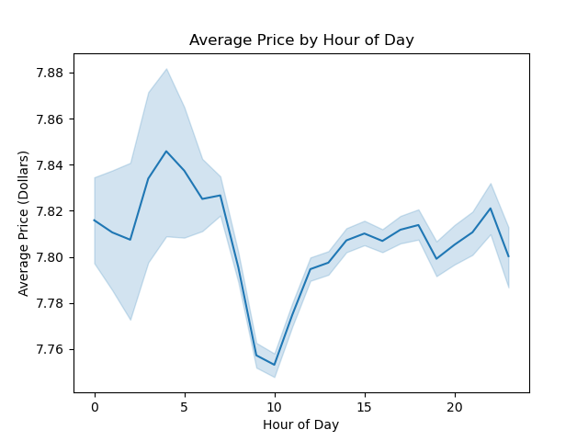
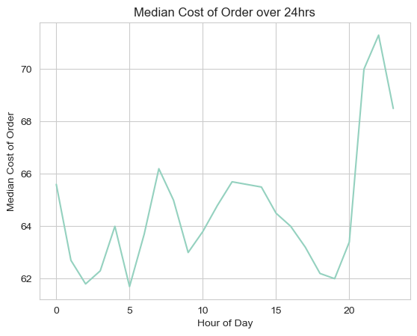
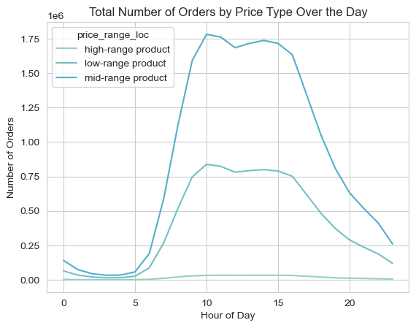

analysis
It looks like the busiest days are Sunday, Saturday and Monday. While the busient hours seem to range from 9am to 6pm.

Focus 03
Instacart has a lot of products with different price tags. Marketing and sales want to use simpler price range groupings to help direct their efforts.

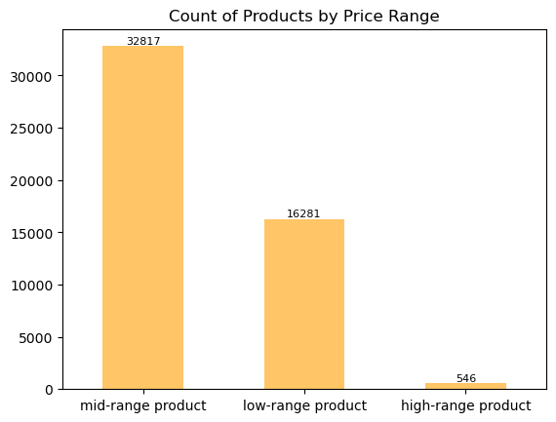

analysis
To address this, we've created three different groupings as shown in the bar chart: low range products (those with a price less than $5), mid range products (those with a price 5<price<15) and high range products (those with a price greater than 15). Along side it, we have created some summary statistics about each grouping and products by department id.

Focus 04
Are there certain types of products that are more popular than others? The marketing and sales teams want to know which departments have the highest frequency of product orders

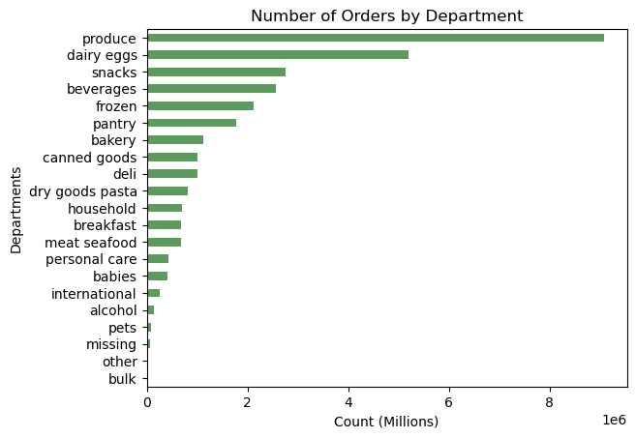

analysis
Here we can clearly see that our produce and dairy eggs departments are the ones that are the most frequented by our customers.

Focus 05
What's the distribution among users in regards to their brand loyalty (i.e. how often they return to instacart)

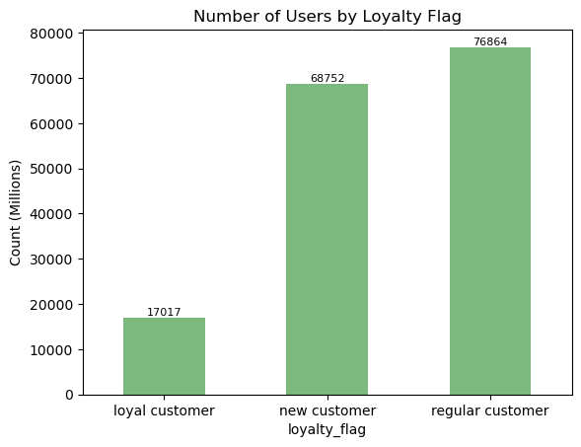

analysis
Here we can see the breakdown of our users by loyalty flag. Please see 'column derivations' to see how the loyalty flag was created.

Focus 06
Are there differences in ordering habits based on a customer's loyalty status?

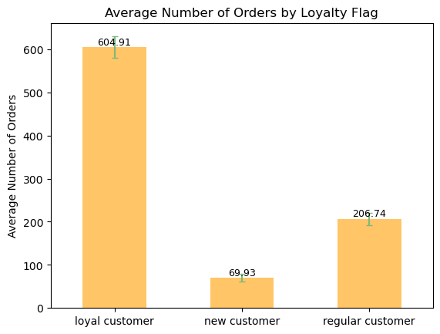

analysis
Here we can see that the number of orders, on average is a lot higher for loyal customers compared to the other groups.

Focus 07
Are there differences in ordering habits based on a customer's region?

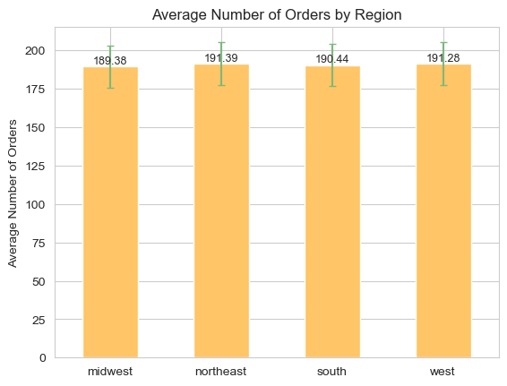

analysis
Here we can see that the number of orders, on average is a lot higher for loyal customers compared to the other groups.

Focus 08
Is there a connection between age and family status in terms of ordering habits?

analysis
According to the model developed in the last script, there are five main factors when it comes to determining ordering habits, in terms of average amount spent per order, and those are: income, being vegetarian, being a pet owner, being a new customer and being a regular customer. Therefore, age not family status holds a strong connection to ordering habits.

7. Recommendations
 |  | Title page

Recommendations

Question | Answer
when should we schedule our ads? | The least busy days of the week are from Tuesday through Thursday. While the least busy hours are from 7pm to 5am. Therefore, to increase sales we could increase ads in between Tuesday and Thursday and from 7pm till midnight, since users will most likely be asleep after midnight.
what times do people spend the most money? | In terms of price of item, users tend to buy higher priced items between the hours of 12am to 6am and from 5pm to 11pm In terms of quantity of higher priced items bought, users buy the most quantity between 10am to 3pm. Lastly, in terms of median cost of order, users spend the most money between 7pm and 11pm. As shown in the visualizations tab, we would want to advertise mid-range products during the day, from 8am to 5pm. While advertising more expensive products either in the early morning or later at night (after 7pm).
what insights can we gain from creating price range groupings for our products? | we see that we only carry 'high-range products' in our meat and seafood department, so to expand our sales in that department we might be interested in offering some more affordable products in that department The bulk of the products that we offer are considered as mid-range products, and the majority of our sales are mid-range products, therefore we should spend more effort on advertising these kinds of products.
which departments have the highest frequency of orders? | The highest departments, in order, are: produce, dairy eggs, snacks, beverages, and frozen. Since our users buy a lot of items that require extra care when delivering, like eggs and frozen items. We should ensure that we are taking the proper precautions and measures in delivering these items, and let the user know of these mesures and precautions. Our users also buy many items that seem to be consumed on a weekly basis, or have a shorter shelf life, like produce, so we could consider allowing the user to create a subscription ordering method so they can get set orders every week.
what is the distribution amongst our users in regards to their brand loyalty? | The majority of our customers are either regular customers or new customers. Therefore, it may be worthwhile to try to implement programs or methods to try to create more loyal customers. Such methods could include a reward program.
how are ordering habits distributed amongst different brand loyalty groups? | As expected our loyal customers on average order over twice as much as our regular customers. However, since we have over 4.5 times the number of regular customers, we should be more focused on this customer base as a whole.
what factors impact ordering habits the most? | We defined 'ordering habits' to mean how much money a user would spend at InstaCart. Thus, we trained a XGBoost Classifier model to predict whether or not a user would be a high spender or a low spender based on certain user characteristics like age, income, and family status. From our model, we found that the two most important factors in determining whether or not a user would be considered to be a high spender was mainly the loyalty status of the customer and whether or not they were vegetarian; not their age or family status. Therefore, in terms of order habits - in terms of being a high or low spender - we do not need to focus on the age and family status of the user. This will allow us to guide our advertising efforts with regards to user retention and market capture.

