Overview
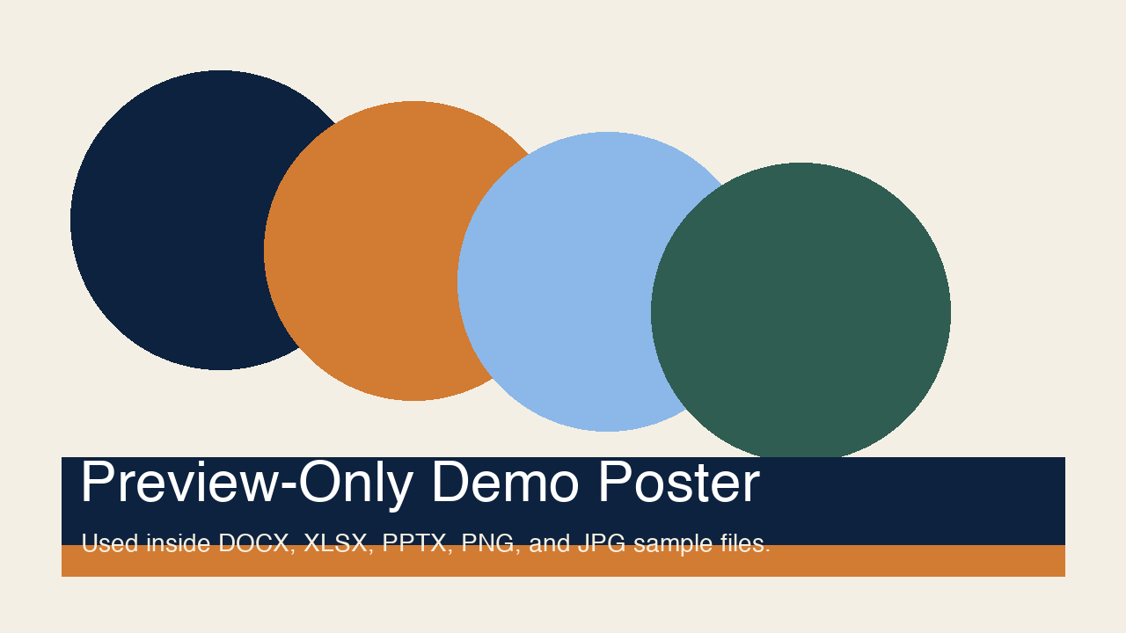
Target vs Actual
Modern Preview Demo Workbook
Area | Owner | Target | Actual | Variance | Status
Office | Platform | 92 | 95 |  | Ahead
PDF | Viewer | 88 | 87 |  | Watch
Markdown | Frontend | 80 | 84 |  | Ahead
Images | Frontend | 76 | 79 |  | Ahead
Unsupported | Policy | 100 | 100 |  | Locked

