Sheet1
match_rank | match_score | design_id | sherd_depth | sherd_patch | design_patch | marked_sherd | marked_design
1 | 3.2107 | 225 |  |  | 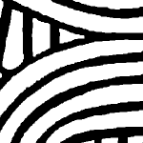 | 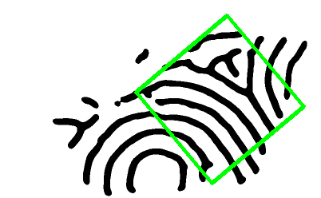 | 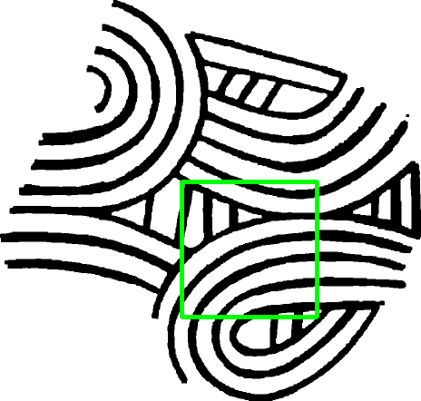
2 | 3.1159 | 100 |  |  |  | 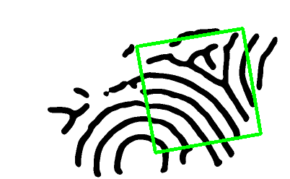 | 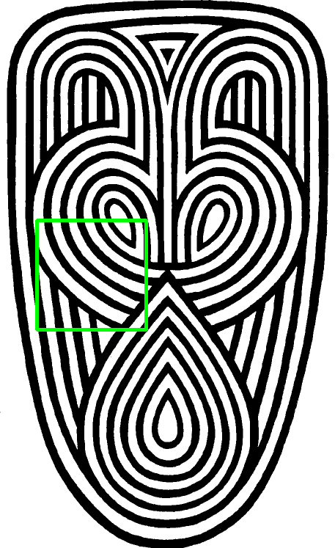
3 | 2.9229 | 60 |  |  |  | 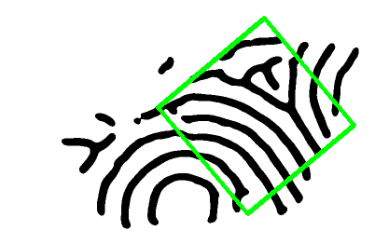 | 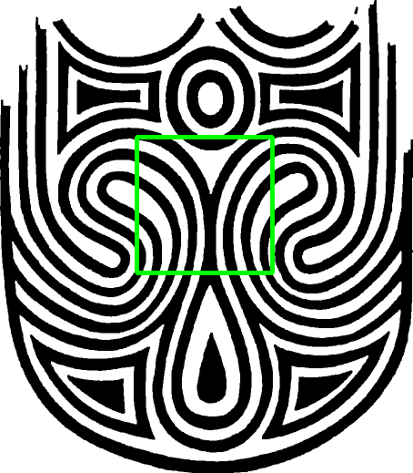
4 | 2.9177 | 323 |  |  |  | 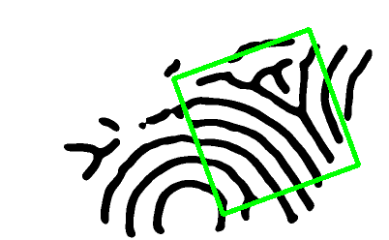 | 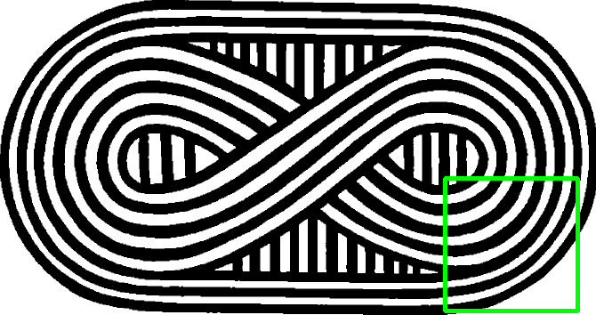
5 | 2.8979 | 380 |  | 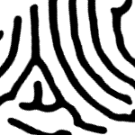 |  | 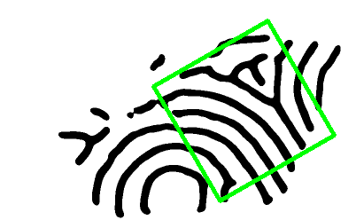 | 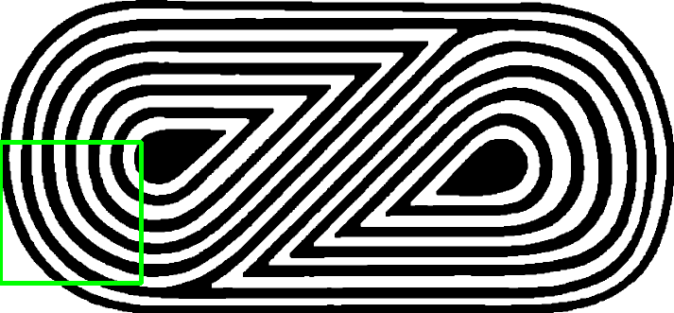
6 | 2.8928 | 376 |  |  |  | 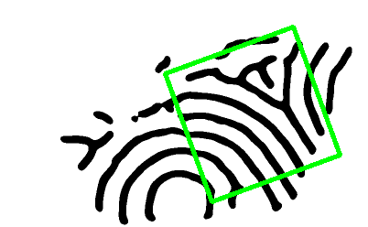 | 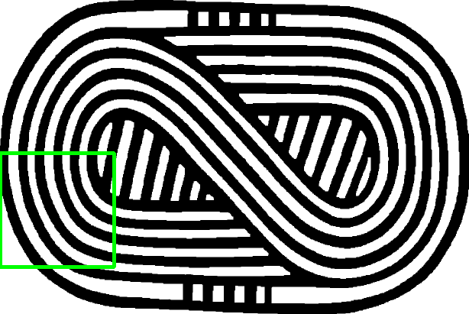
7 | 2.8574 | 88 |  |  |  | 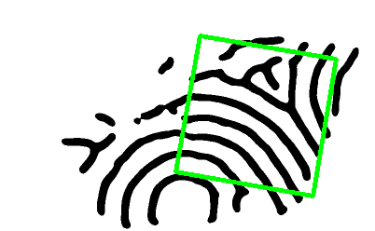 | 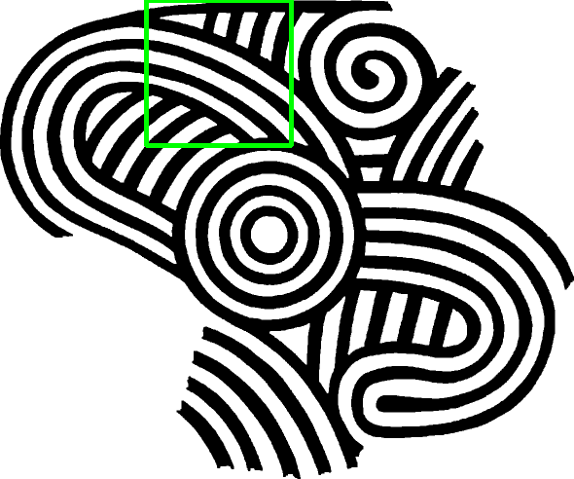
8 | 2.8381 | 40 |  |  |  |  | 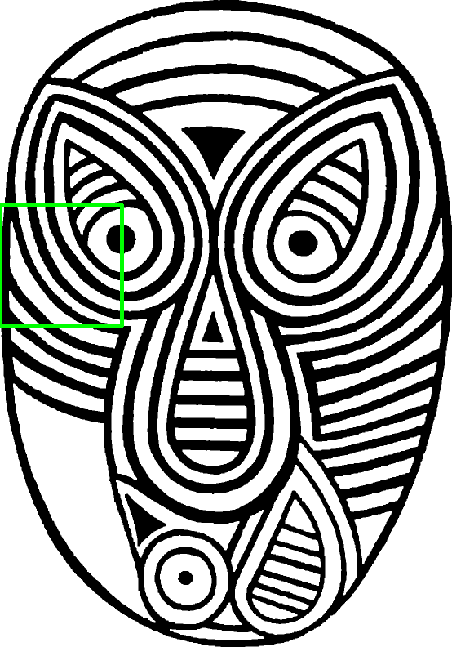
9 | 2.8297 | 181 |  |  |  |  | 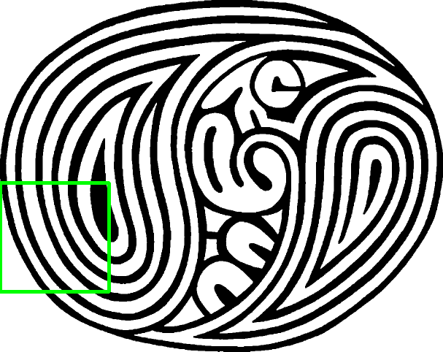
10 | 2.8048 | 172 |  |  |  |  | 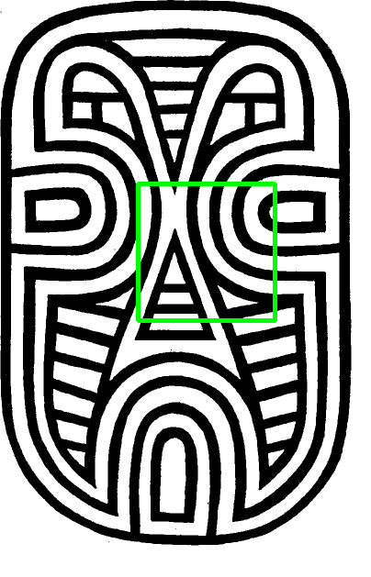
11 | 2.7997 | 338 |  |  |  |  | 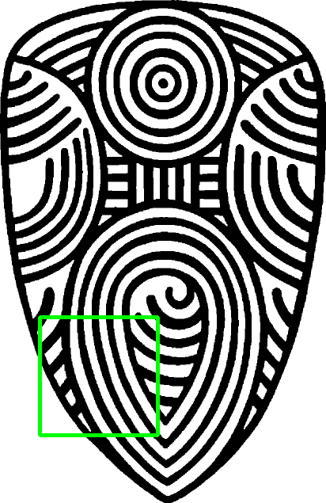
12 | 2.7943 | 113 |  | 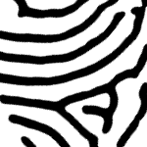 |  |  | 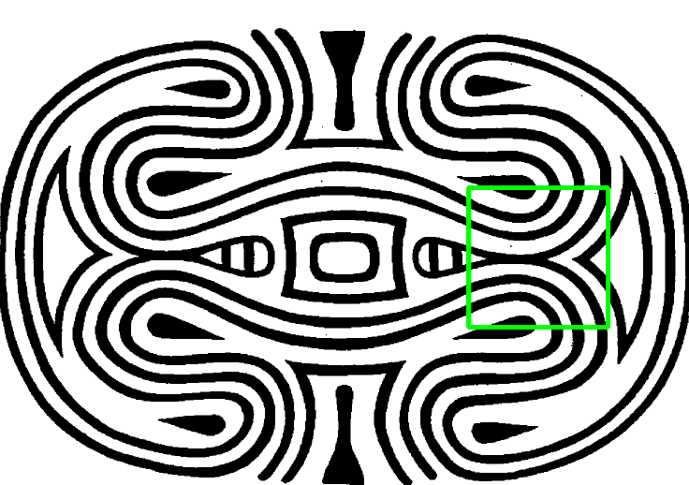
13 | 2.7789 | 205 |  |  |  | 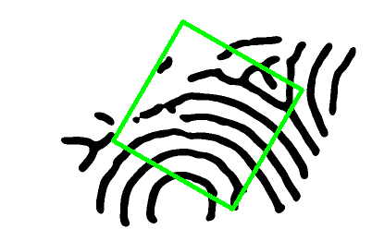 | 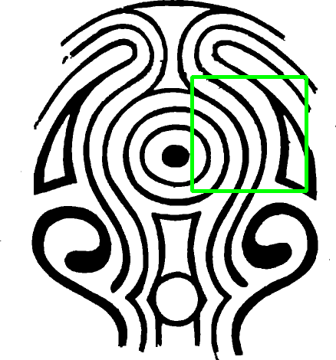
14 | 2.7533 | 288 |  |  |  |  | 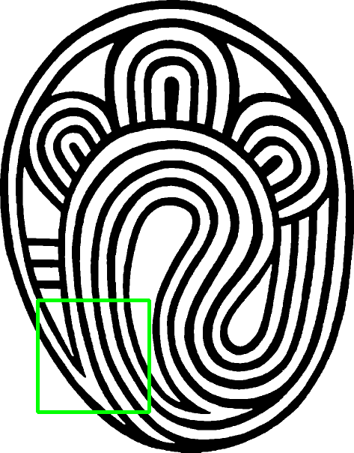
15 | 2.7027 | 144 |  |  |  |  | 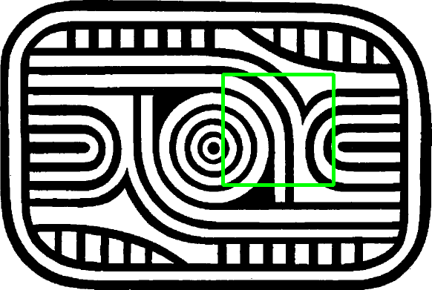
16 | 2.6230 | 119 |  |  |  | 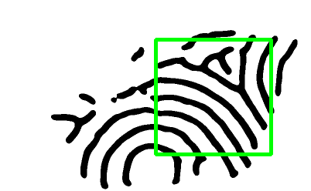 | 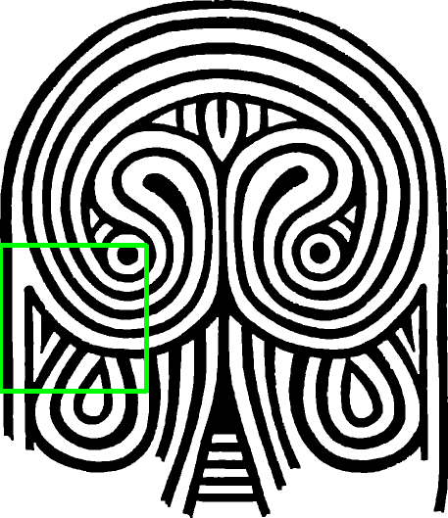
17 | 2.6039 | 7 |  | 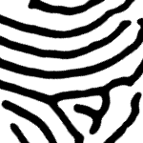 |  | 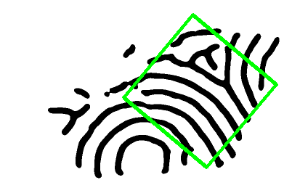 | 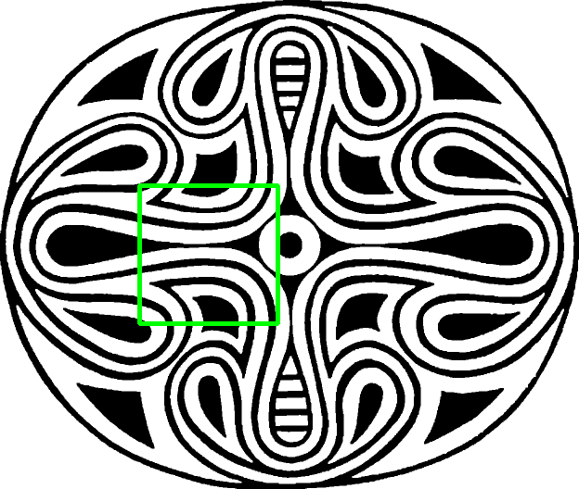
18 | 2.5975 | 220 |  |  |  |  | 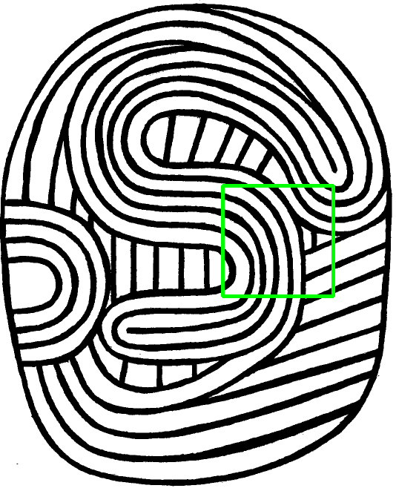
19 | 2.5958 | 84 |  |  |  | 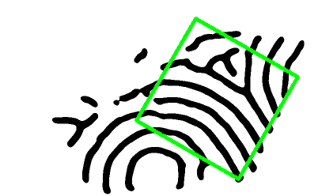 | 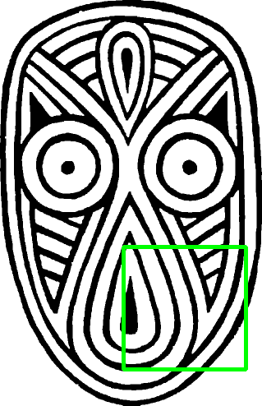
20 | 2.5957 | 62 |  |  |  |  | 