Sheet1
match_rank | match_score | design_id | sherd_depth | sherd_patch | design_patch | marked_sherd | marked_design
1 | 4.5629 | 119 | 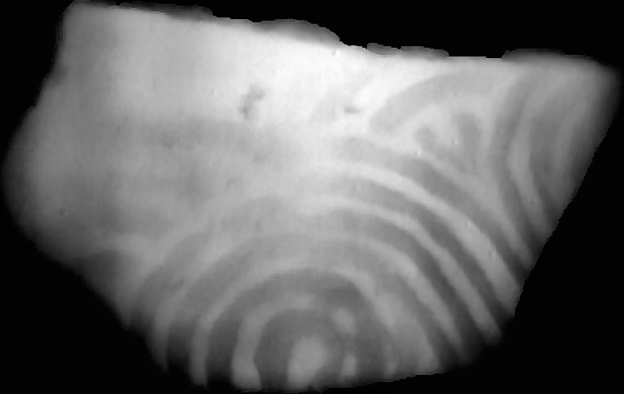 |  |  | 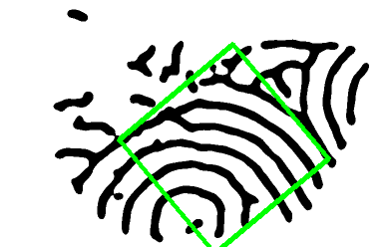 | 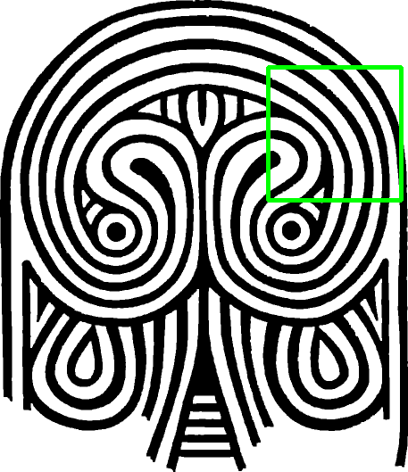
2 | 4.5219 | 100 |  |  |  | 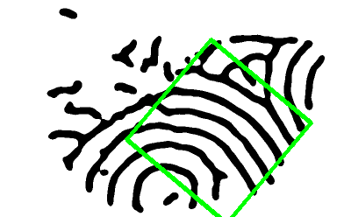 | 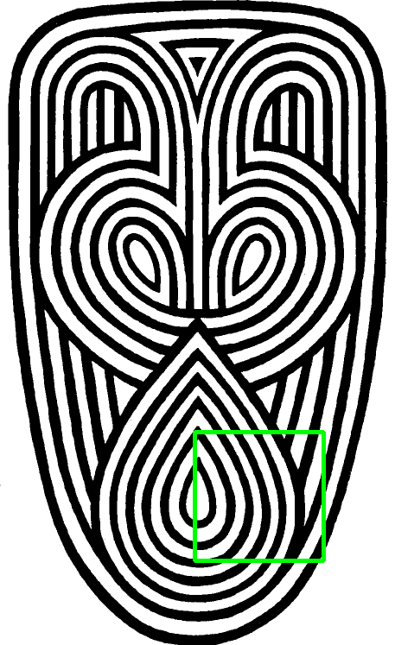
3 | 4.3125 | 220 |  |  |  | 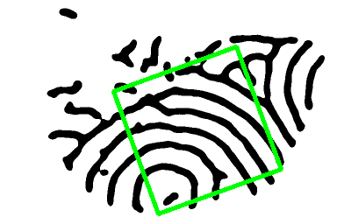 | 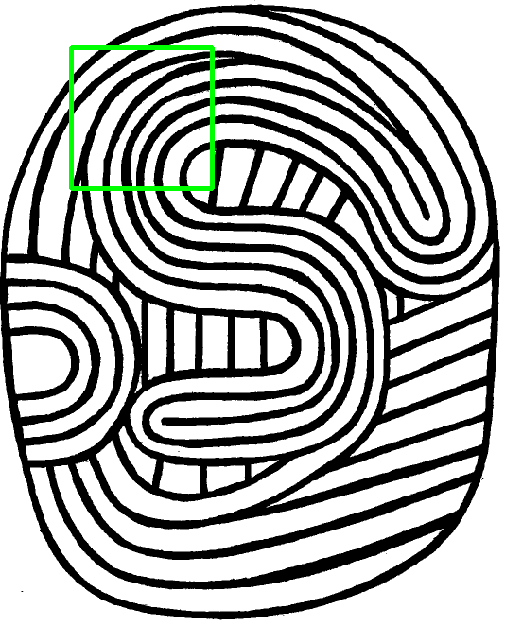
4 | 4.3090 | 205 |  |  |  | 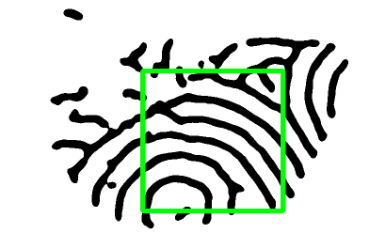 | 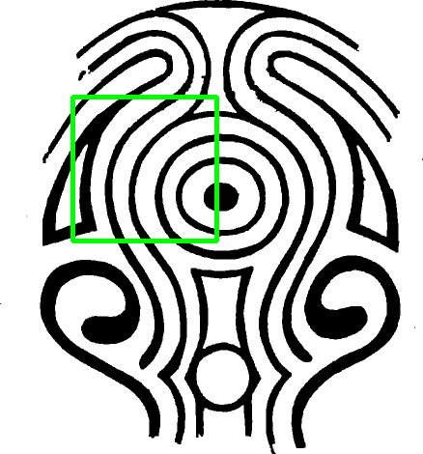
5 | 4.2559 | 380 |  | 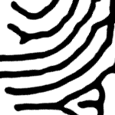 |  | 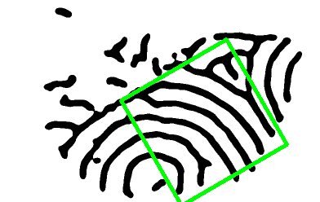 | 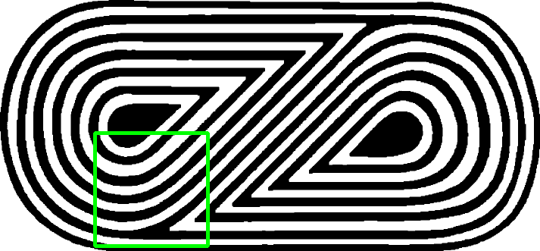
6 | 4.1969 | 10 |  |  |  |  | 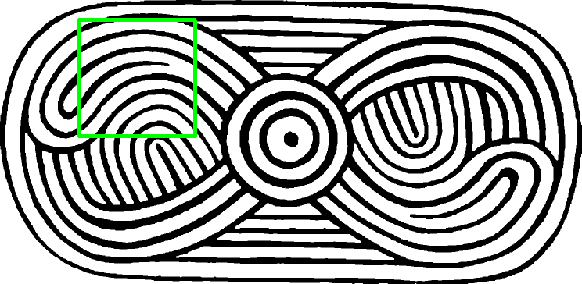
7 | 4.1843 | 62 |  |  |  |  | 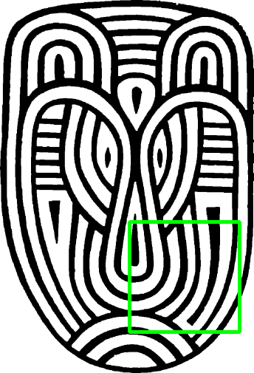
8 | 4.1396 | 323 |  |  |  |  | 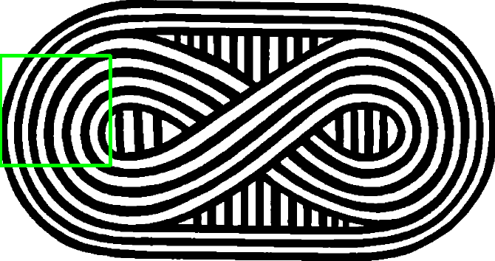
9 | 4.1222 | 116 |  |  |  | 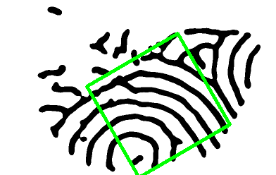 | 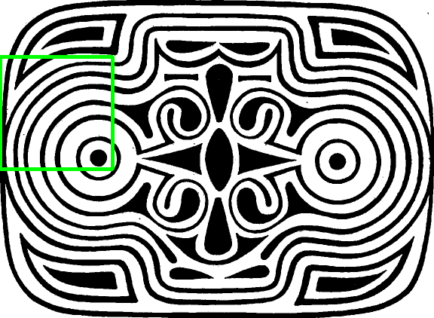
10 | 4.0659 | 60 |  |  |  | 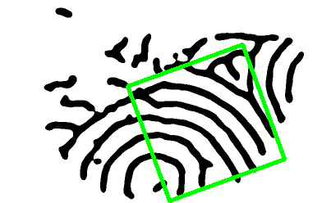 | 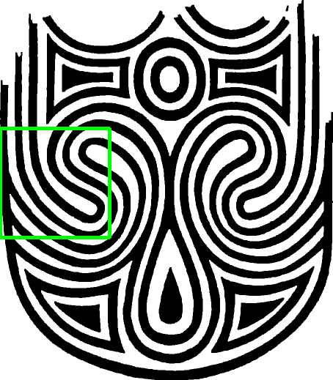
11 | 4.0063 | 181 |  |  |  |  | 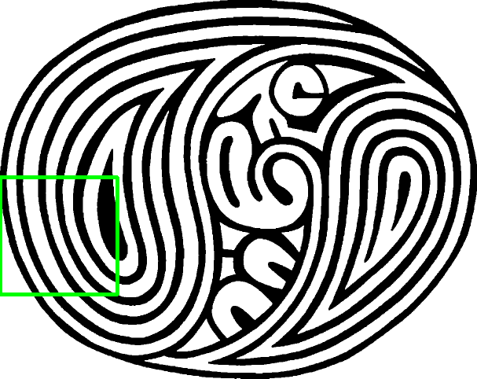
12 | 3.9989 | 376 |  |  |  |  | 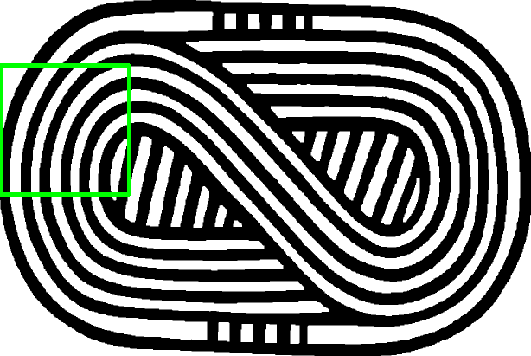
13 | 3.9847 | 338 |  |  |  | 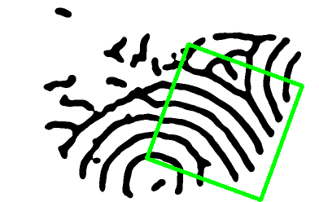 | 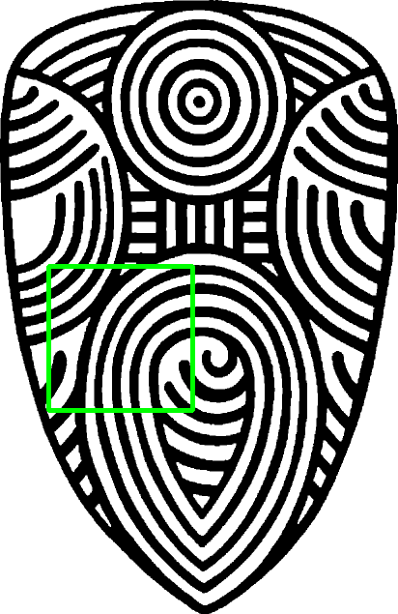
14 | 3.9815 | 40 |  |  |  |  | 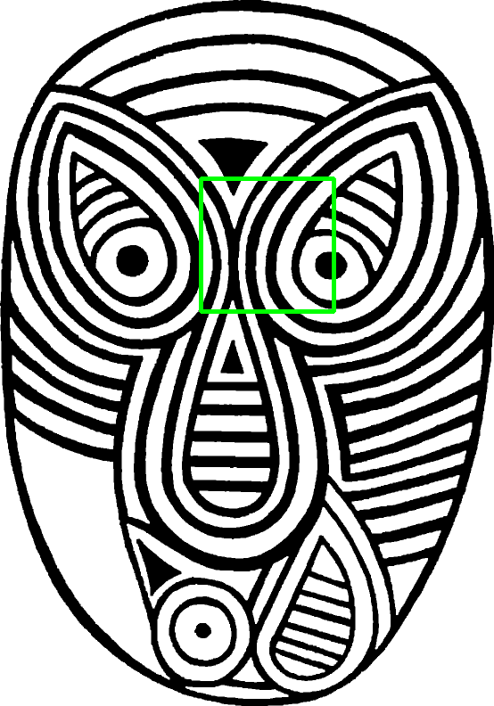
15 | 3.8985 | 288 |  |  |  |  | 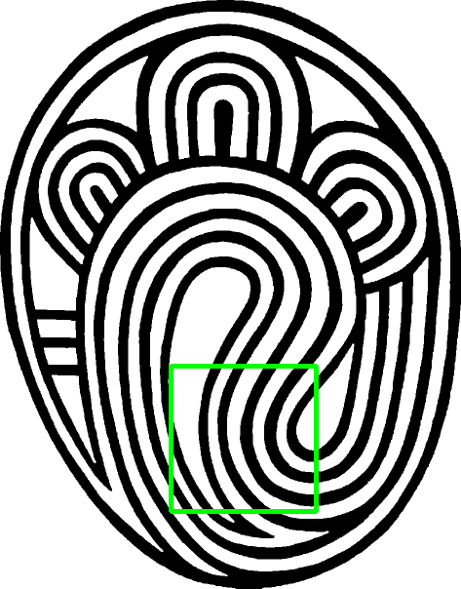
16 | 3.8569 | 225 |  |  |  | 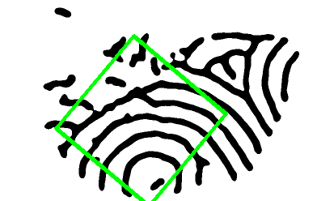 | 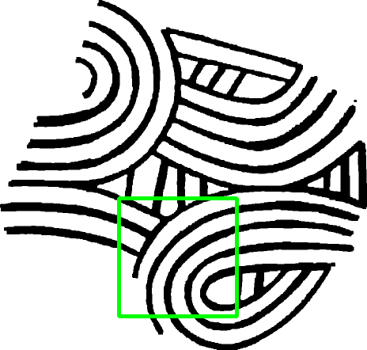
17 | 3.7391 | 247 |  |  | 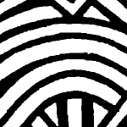 |  | 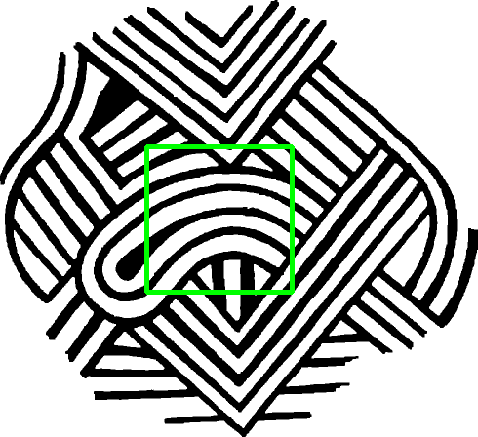
18 | 3.7075 | 120 |  |  |  |  | 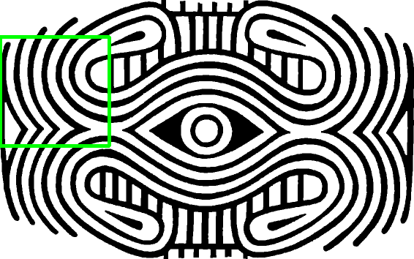
19 | 3.7055 | 115 |  |  |  | 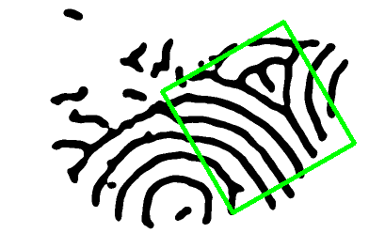 | 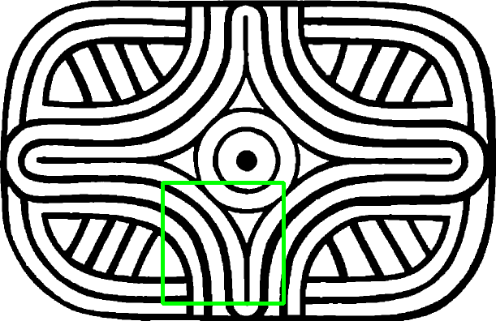
20 | 3.6903 | 113 |  |  |  | 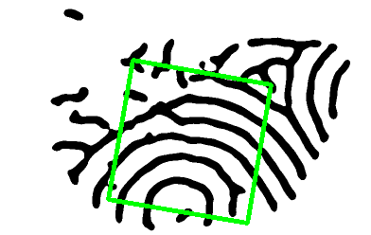 | 