Sheet1
match_rank | match_score | design_id | sherd_depth | sherd_patch | design_patch | marked_sherd | marked_design
1 | 7.2238 | 225 |  |  | 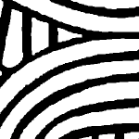 | 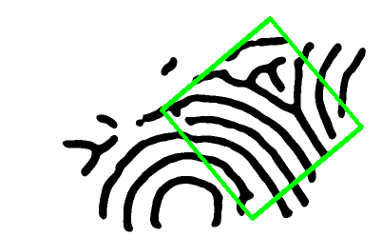 | 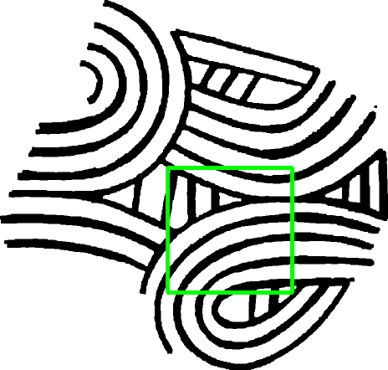
2 | 6.6986 | 323 |  |  |  | 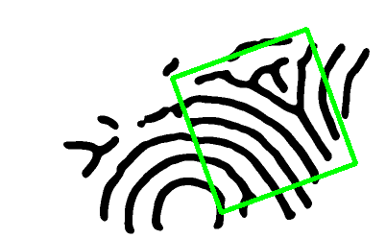 | 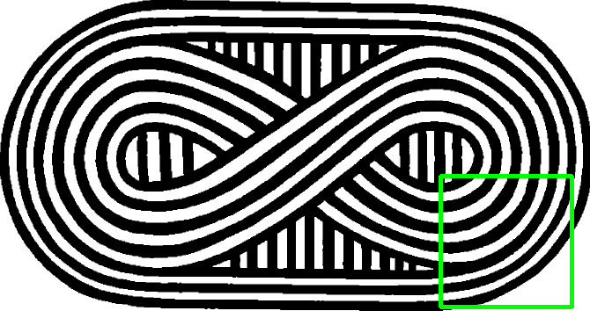
3 | 6.5568 | 100 |  |  |  | 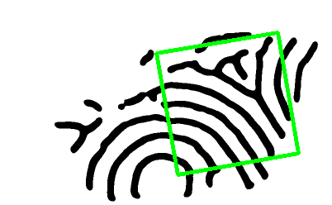 | 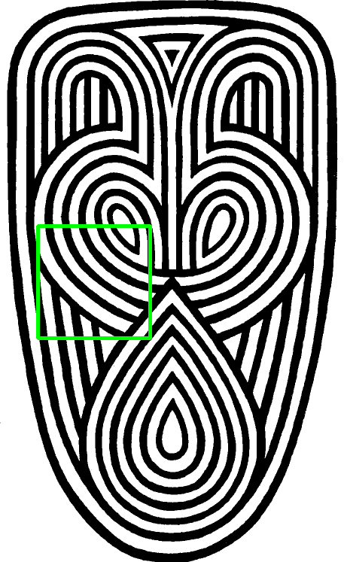
4 | 6.4627 | 376 |  |  |  | 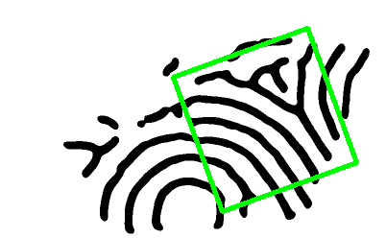 | 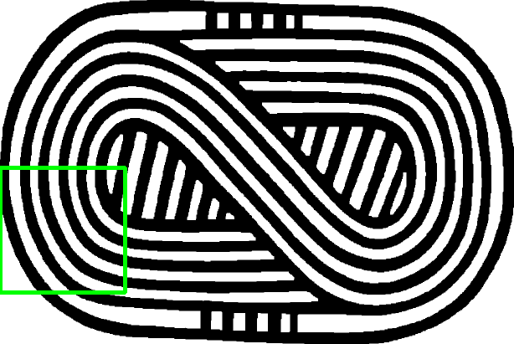
5 | 6.4279 | 380 |  |  |  | 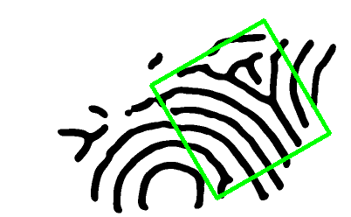 | 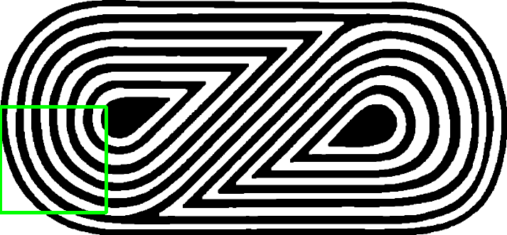
6 | 6.4141 | 88 |  |  |  | 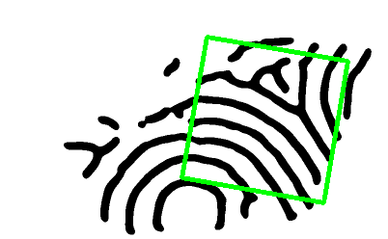 | 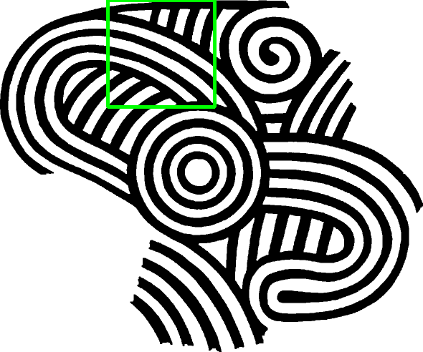
7 | 6.3017 | 119 |  |  |  |  | 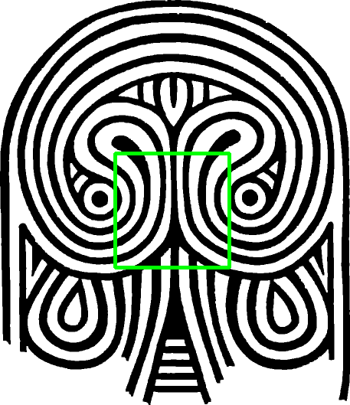
8 | 6.1785 | 181 |  |  |  |  | 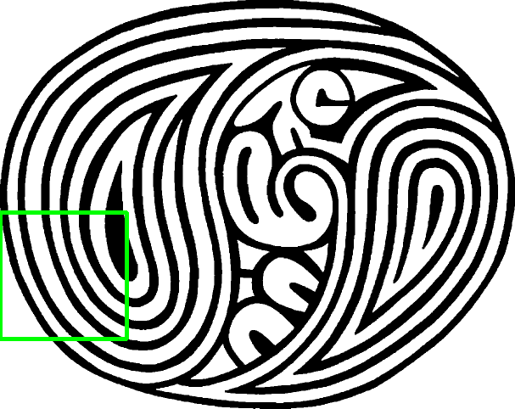
9 | 6.1543 | 40 |  |  |  |  | 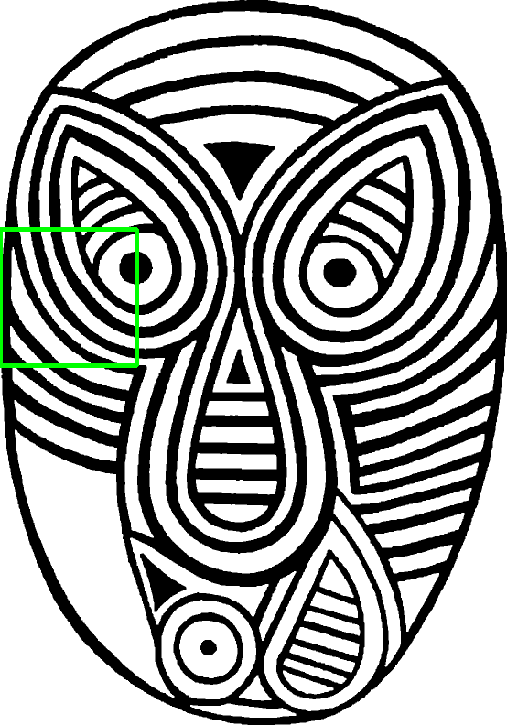
10 | 6.1071 | 288 |  |  |  |  | 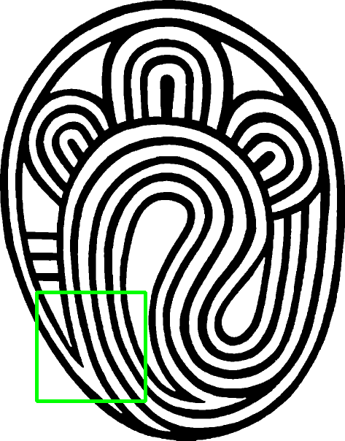
11 | 6.0671 | 338 |  |  |  |  | 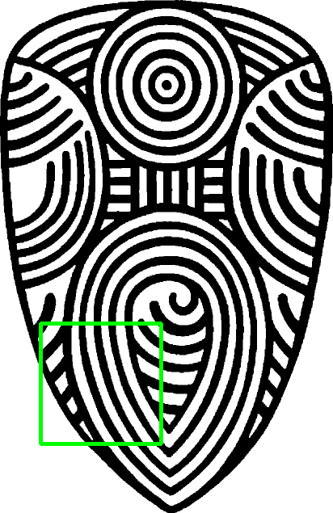
12 | 5.9932 | 116 |  |  |  | 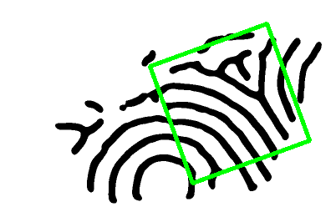 | 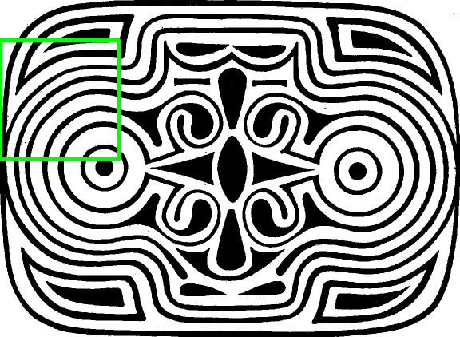
13 | 5.9469 | 113 |  | 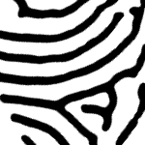 |  |  | 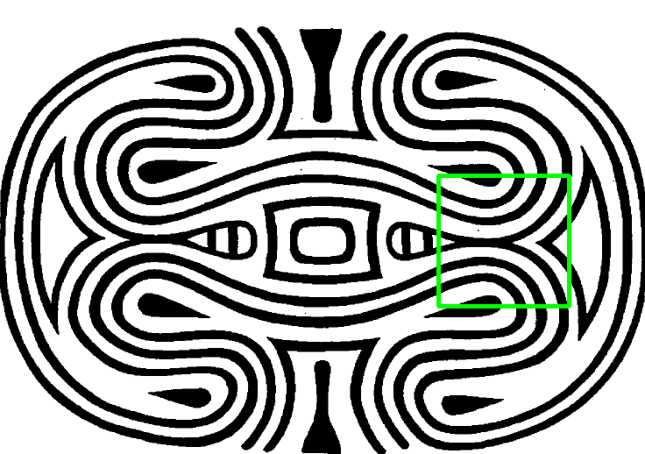
14 | 5.9310 | 205 |  |  |  | 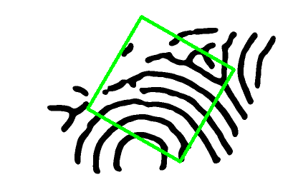 | 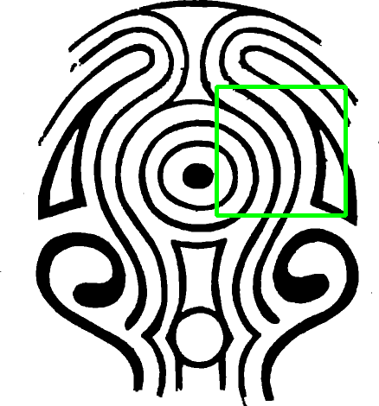
15 | 5.8734 | 10 |  |  |  |  | 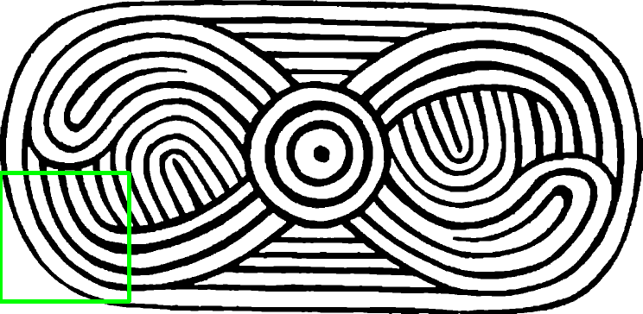
16 | 5.8420 | 60 |  |  |  |  | 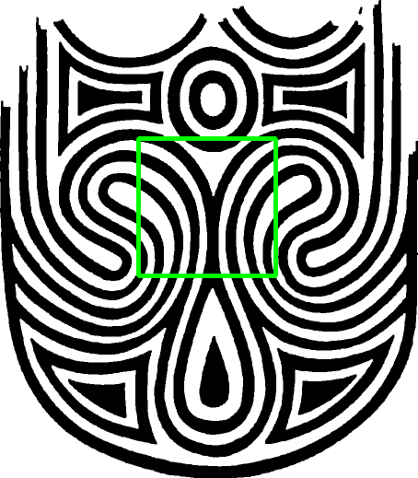
17 | 5.8099 | 84 |  |  |  | 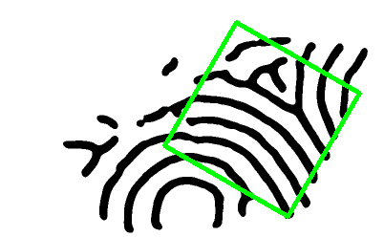 | 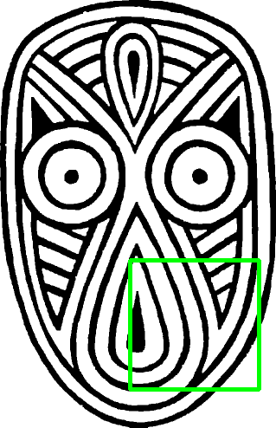
18 | 5.7952 | 70 |  |  |  |  | 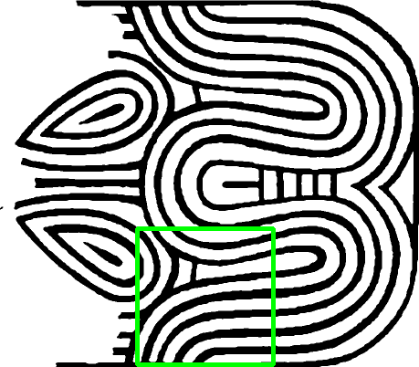
19 | 5.7903 | 172 |  |  |  |  | 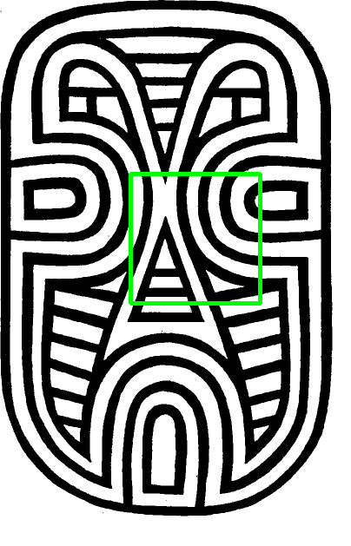
20 | 5.7181 | 247 |  | 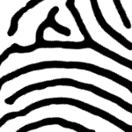 | 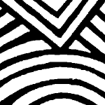 | 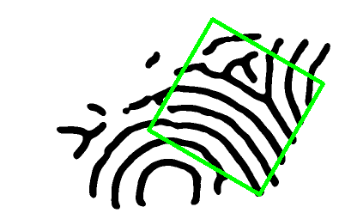 | 