Sheet1
match_rank | match_score | design_id | sherd_depth | sherd_patch | design_patch | marked_sherd | marked_design
1 | 3.8746 | 380 | 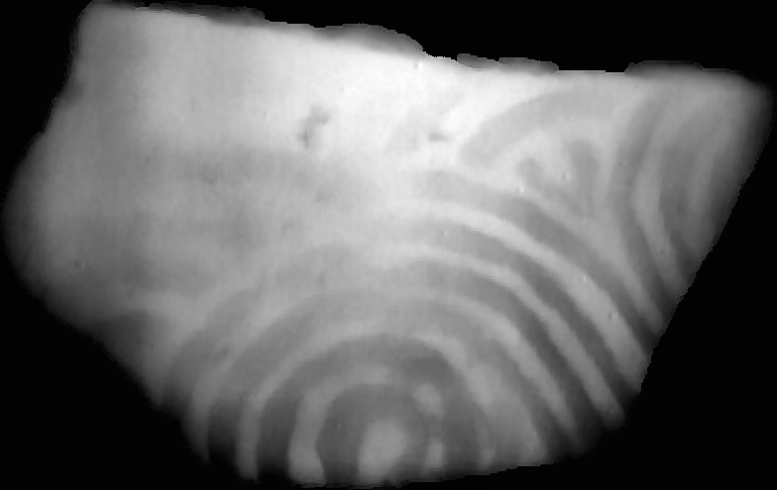 | 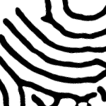 |  | 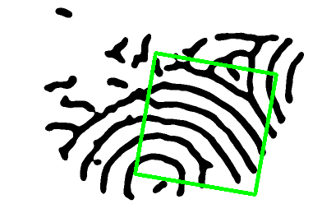 | 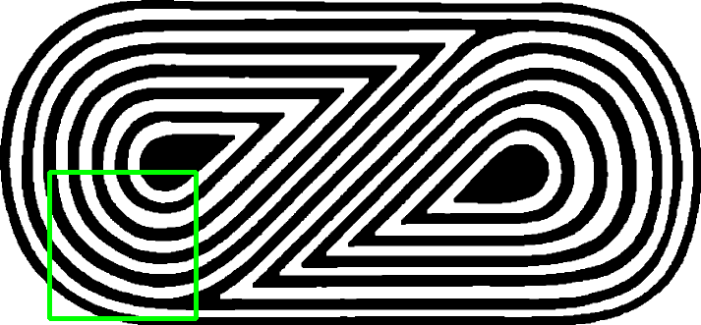
2 | 3.8682 | 119 |  |  |  | 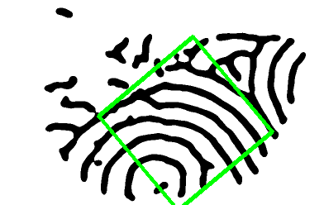 | 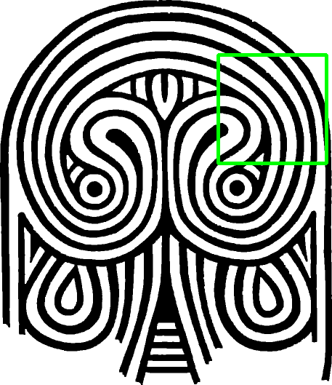
3 | 3.7634 | 100 |  |  |  | 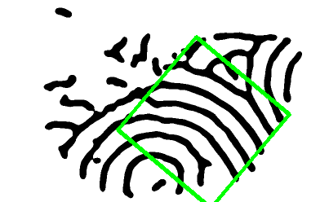 | 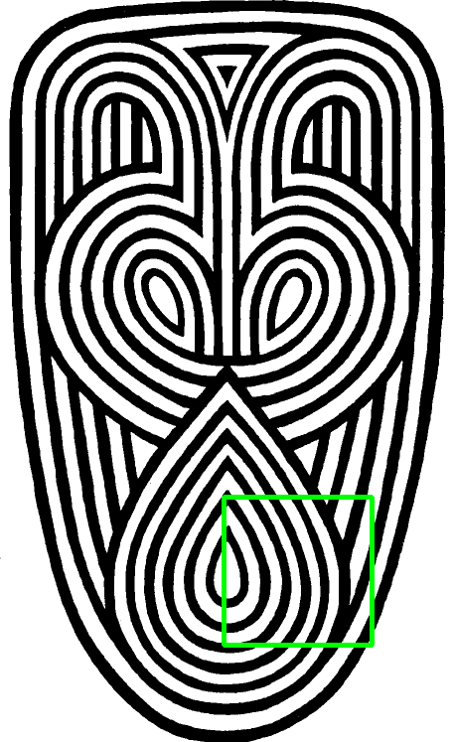
4 | 3.5055 | 376 |  |  |  | 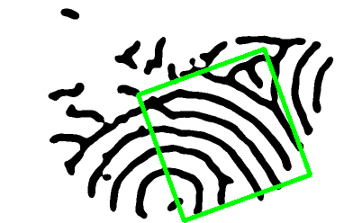 | 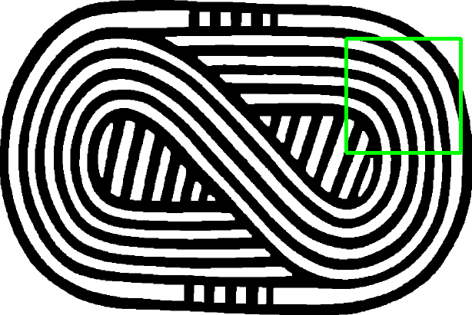
5 | 3.4861 | 288 |  |  |  |  | 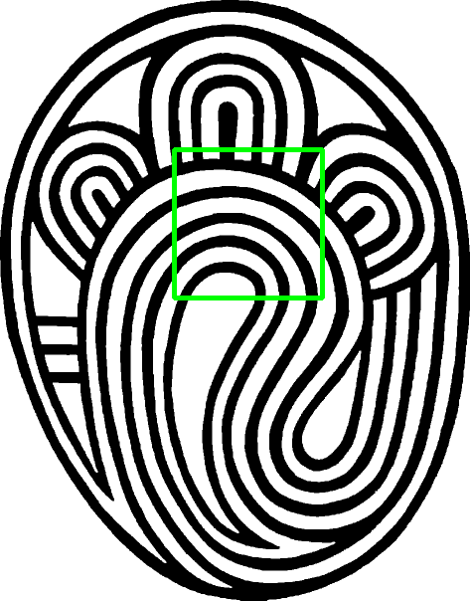
6 | 3.4577 | 323 |  |  |  |  | 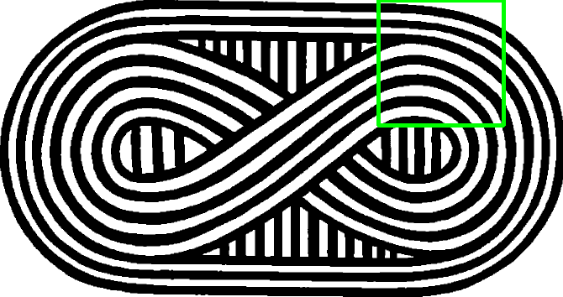
7 | 3.4378 | 220 |  |  |  |  | 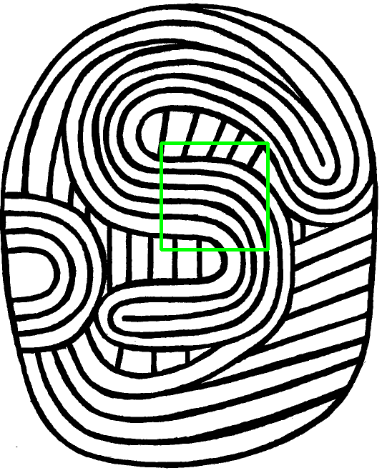
8 | 3.3916 | 60 |  |  |  | 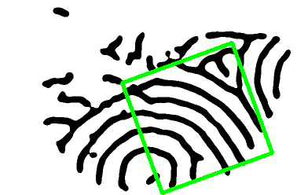 | 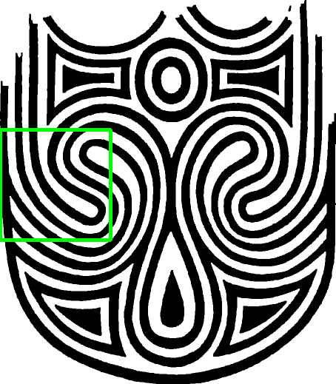
9 | 3.3707 | 40 |  |  |  |  | 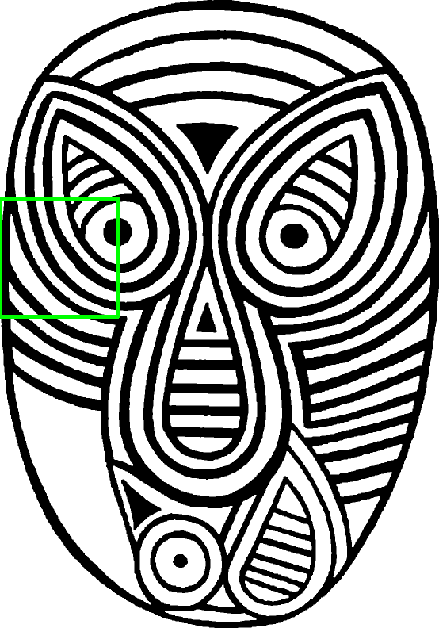
10 | 3.3489 | 205 |  |  |  |  | 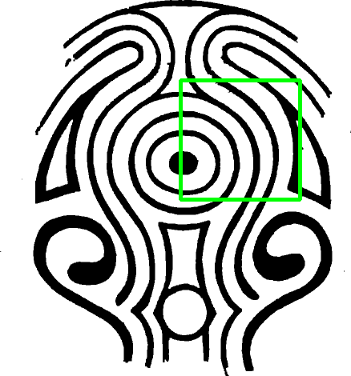
11 | 3.3374 | 181 |  |  |  |  | 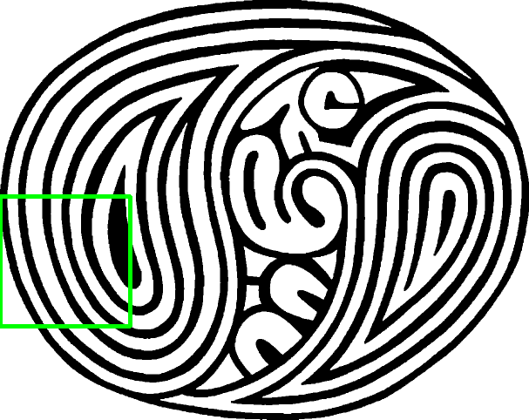
12 | 3.2850 | 247 |  |  | 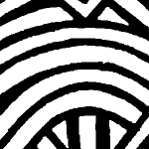 |  | 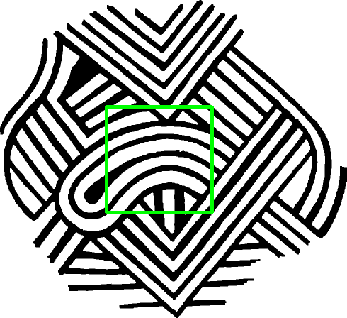
13 | 3.2243 | 115 |  |  |  | 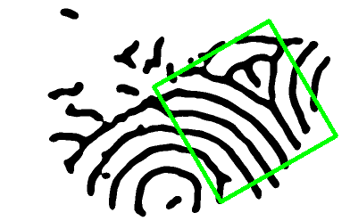 | 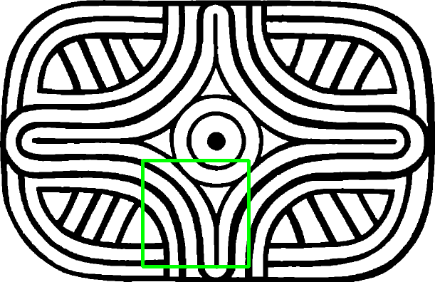
14 | 3.2141 | 144 |  |  |  |  | 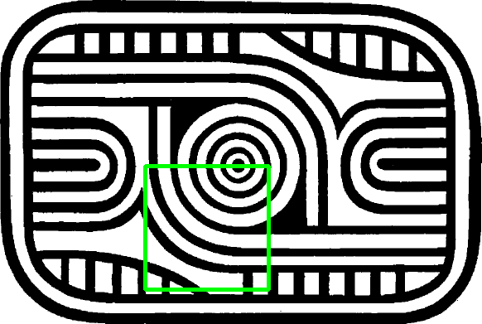
15 | 3.1709 | 194 |  |  |  | 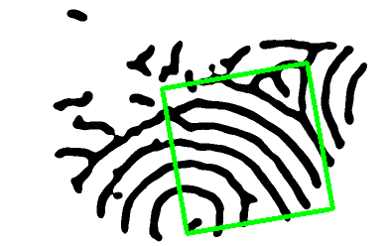 | 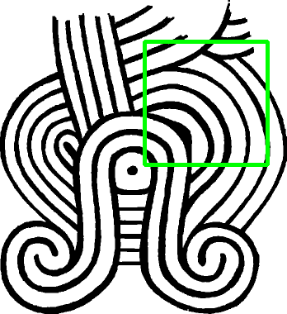
16 | 3.1626 | 225 |  |  |  |  | 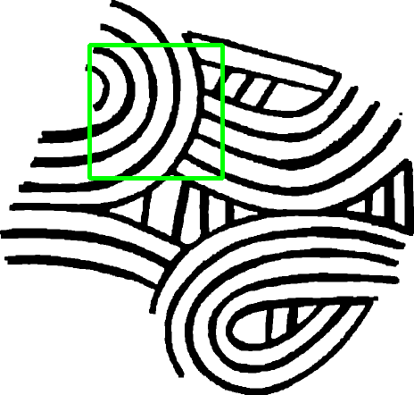
17 | 3.1165 | 10 |  |  | 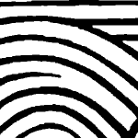 |  | 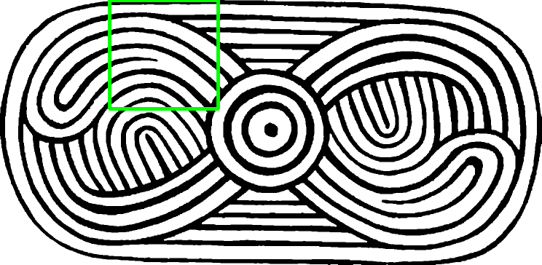
18 | 3.0813 | 62 |  |  |  |  | 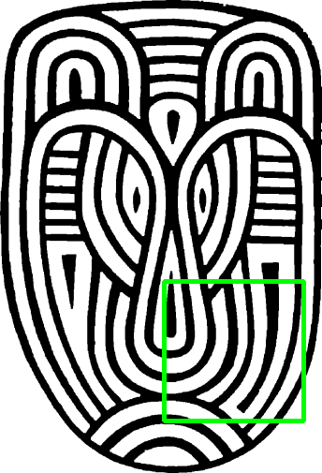
19 | 3.0726 | 162 |  |  |  | 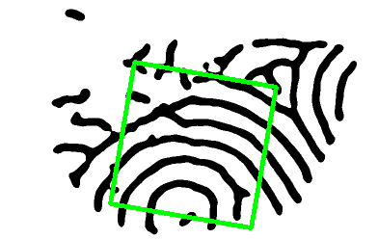 | 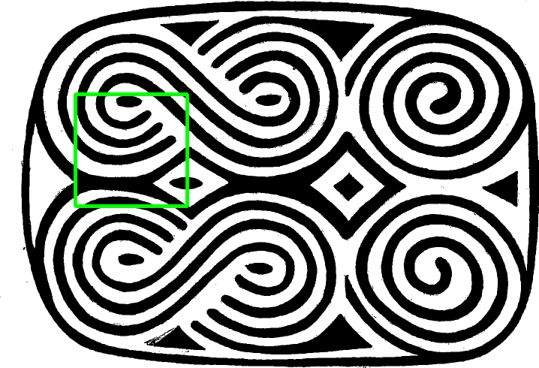
20 | 3.0685 | 113 |  |  |  |  | 