Sheet1
match_rank | match_score | design_id | sherd_depth | sherd_patch | design_patch | marked_sherd | marked_design
1 | 4.0621 | 181 | 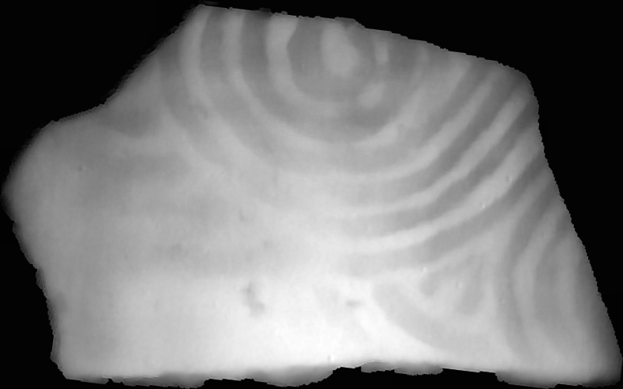 |  |  | 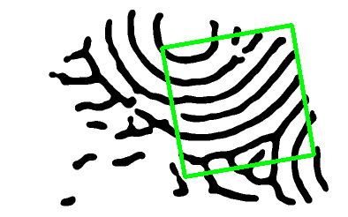 | 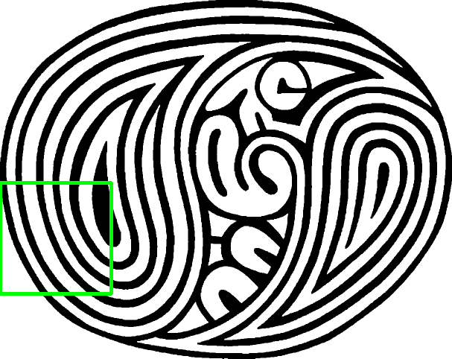
2 | 3.9102 | 220 |  |  |  | 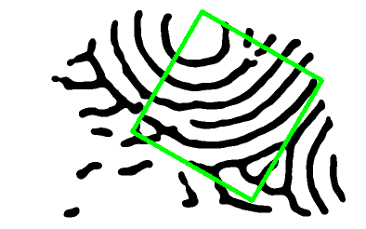 | 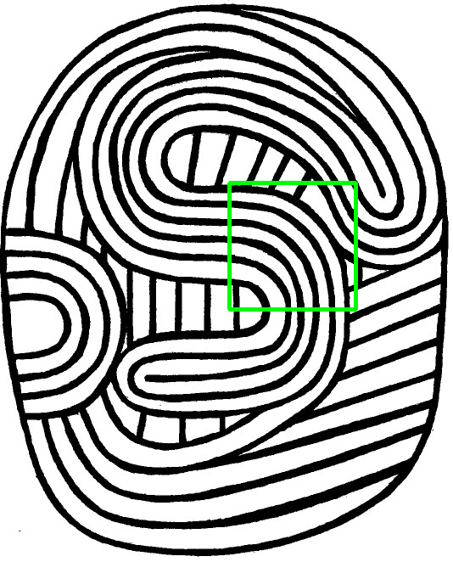
3 | 3.8674 | 10 |  |  |  |  | 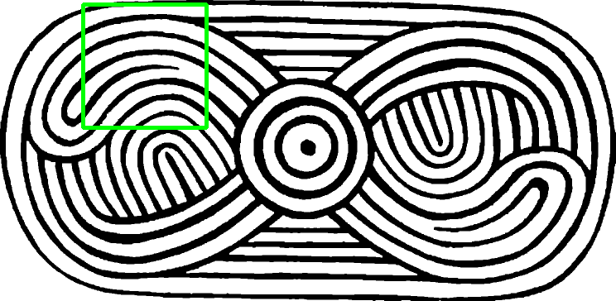
4 | 3.8649 | 119 |  |  |  | 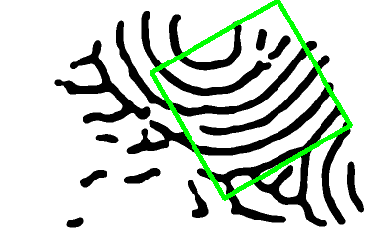 | 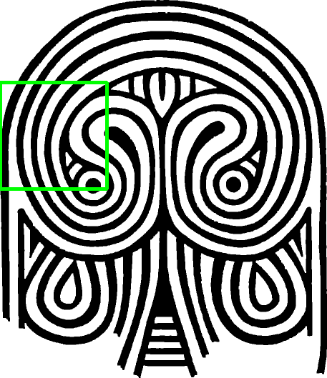
5 | 3.8486 | 376 |  |  |  |  | 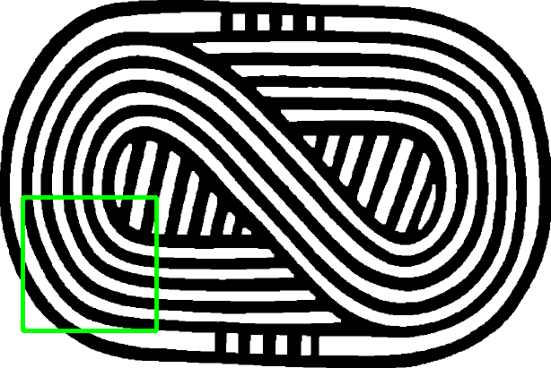
6 | 3.8340 | 100 |  |  |  |  | 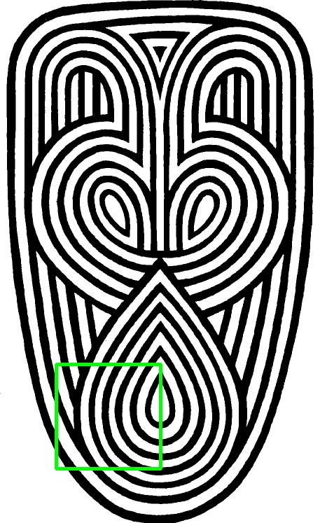
7 | 3.8097 | 323 |  |  |  | 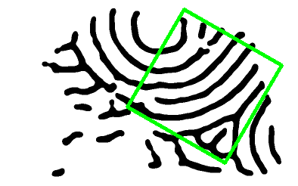 | 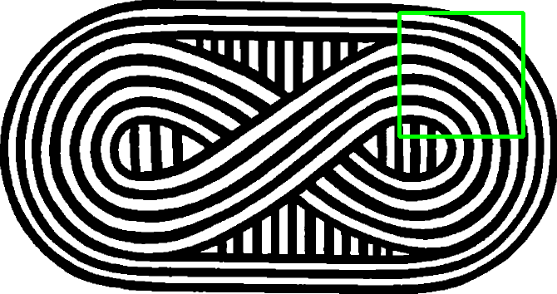
8 | 3.8009 | 380 |  |  |  |  | 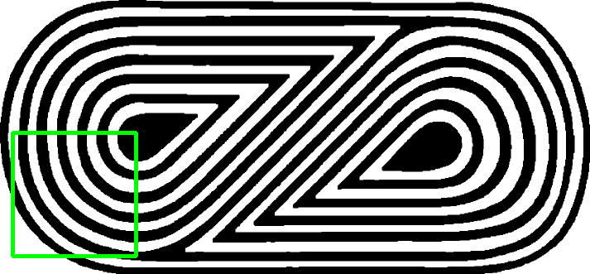
9 | 3.7888 | 40 |  |  |  |  | 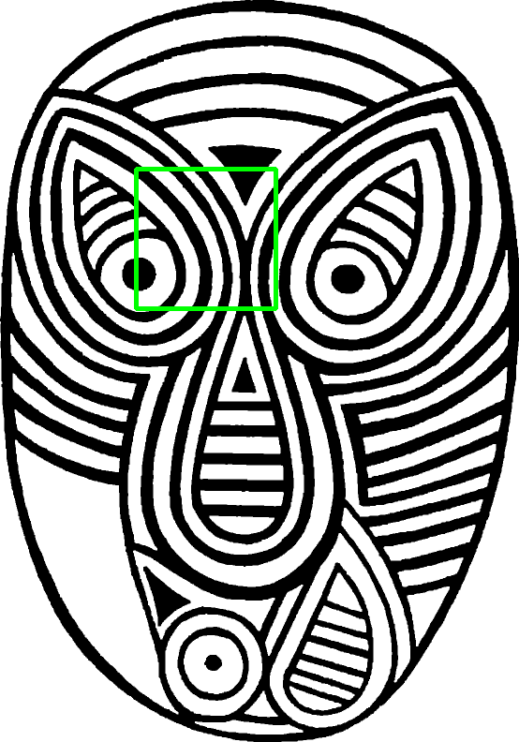
10 | 3.6275 | 242 |  |  |  | 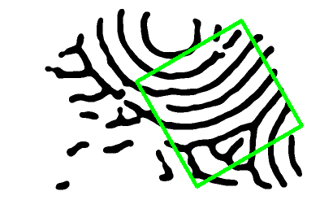 | 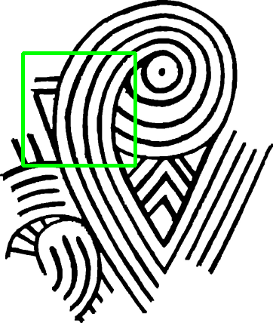
11 | 3.6205 | 205 |  |  |  |  | 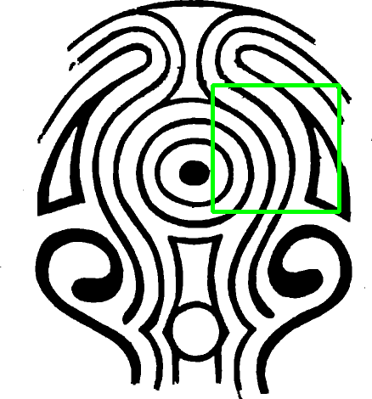
12 | 3.5961 | 288 |  |  |  |  | 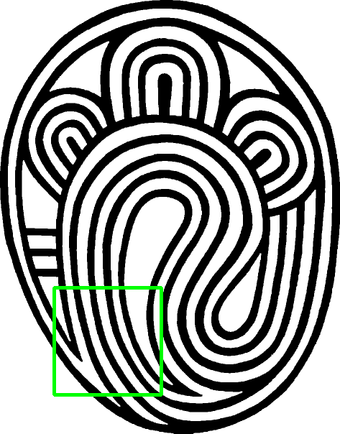
13 | 3.5667 | 247 |  | 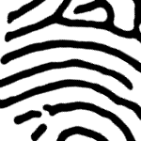 | 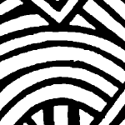 |  | 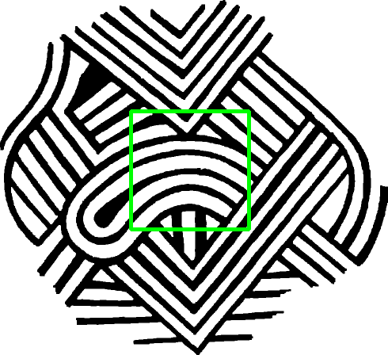
14 | 3.4904 | 338 |  |  |  | 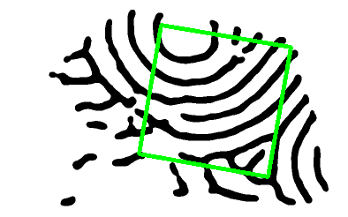 | 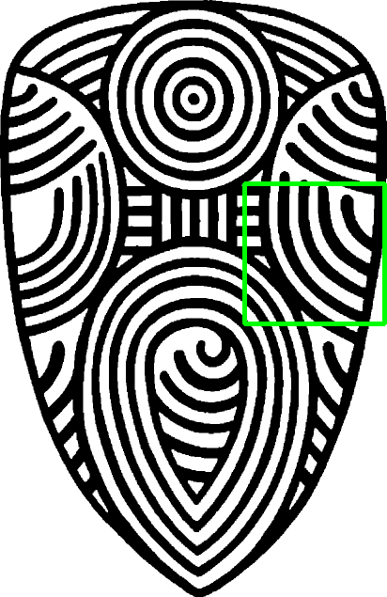
15 | 3.4862 | 144 |  |  |  |  | 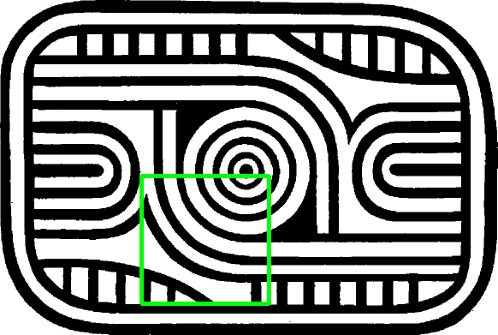
16 | 3.4798 | 60 |  |  |  | 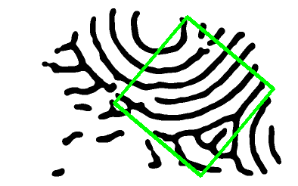 | 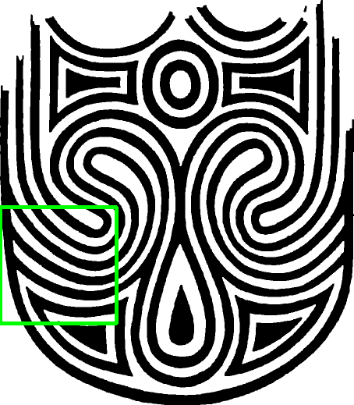
17 | 3.4756 | 62 |  |  | 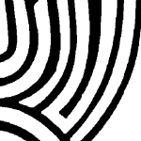 | 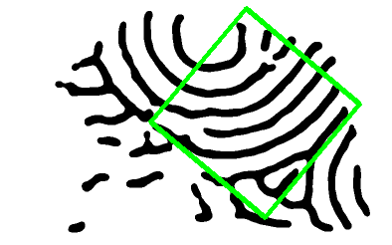 | 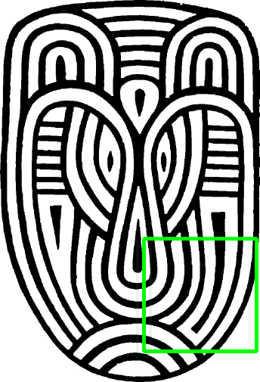
18 | 3.4051 | 114 |  | 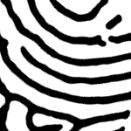 |  | 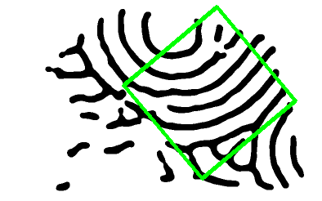 | 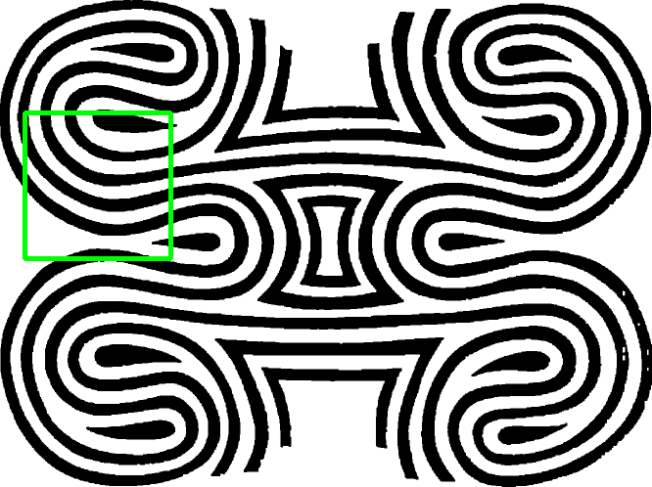
19 | 3.3712 | 225 |  |  |  |  | 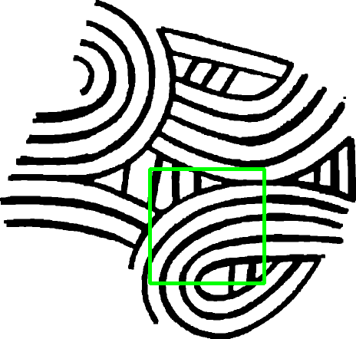
20 | 3.3435 | 162 |  |  |  |  | 