Sheet1
MINDORO AUTO PARTS
MERCHANDISE INVENTORY
As of December 31,2023

Product Name | Product Description | Remarks | Unit Cost | Quantity in Stocks | Unit of Measurement | Total Cost | TOTAL INVENTORY (NET OF 12% VAT)

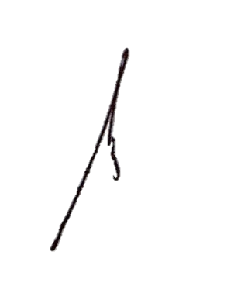
We declare, under the penalties of perjury, that this schedule has been made in good faith, verified by us, and to the best of our knowledge and belief, is true and correct pursuant to the provisions of the National Internal Revenue Code, as amended, and the regulations issued under authority thereof.
 | O- Owned
LEGEND:
 |  |  |  | JEFFREY C. CHENG
 |  |  |  | Proprietor
 |  |  |  | TIN: 944-325-127-000

