Sheet1
Stress Margins | Component | Von Mises Stress (MPa) | FS_y | FS_u | MoS (yield) | MoS (ult)
 | Habitat Floor | 229.96 | 2 | 3 | 0.0937 | -0.1709

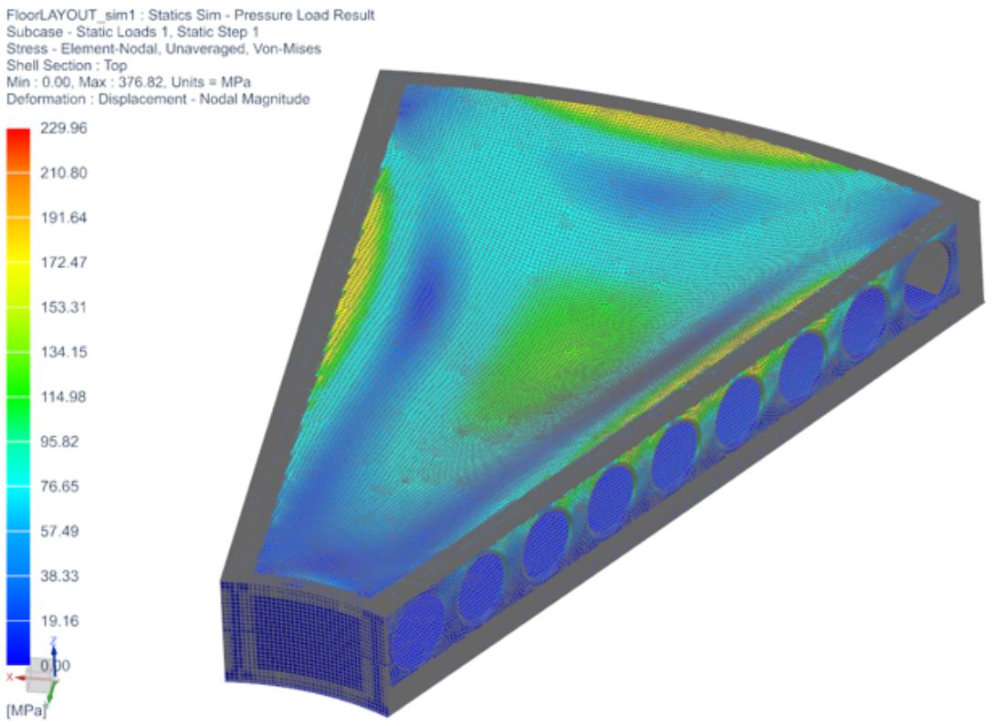
Deflection Analysis | Component | Allowable Deflection Ratio; (Deflection/Span) | Span (m) | Max Deflection (m) | Actual Deflection Ratio
 | Habitat Floor | 0.01 | 1.99 | 0.07211 | 0.0362

Material Constants | Component | Material | Yield Strength (MPa) | Ult. Strength (MPa)
 | Habitat Floor | Al 7075-T6 | 503 | 572

