01-03
No Material | Description | Required Qty | Issued Qty | Kurang
M02-01035010-KTY | PVC CORE HITAM | 98.99 | 100 | 1.01
M02-01055004-KTY | PVC HITAM | 1528.33 | 1600 | 71.67
M02-01235003-KTY | PVC CORE MERAH | 98.99 | 100 | 1.01
M02-02000003 | HDPE | 98.42 | 100 | 1.58
M13-05300004 | MASTER PUTIH | 2.5 |  | (2.50)
M13-05600001 | MASTER HIJAU | 1.22 |  | (1.22)
M14-07012001 | MYLAR | 51.67 | 48.12 | (3.55)
W01-03000013 | 0,120A | 72.91 | 73.04 | 0.13
W01-03000026 | 0,200A | 412.76 | 414.66 | 1.90
W01-03000027 | 0,127A | 166.22 | 165.38 | (0.84)
W01-04040043 | Alumunium Magnesium | 217.28 | 219.95 | 2.67
M02-01965005 | PVC PUTIH | 1407.24 | 1800 | 392.76
M02-03900004 | PP | 246.07 | 250 | 3.93
M02-08900001 | KS EVA | 13.6 | 50 | 36.40
M13-05100004 | MASTER HITAM | 3.82 |  | (3.82)
M13-05200006 | MASTER MERAH | 5.33 |  | (5.33)
M13-05400001 | MASTER KUNING | 0.81 |  | (0.81)
M14-02020009 | BENANG | 54.79 | 56 | 1.21
M14-03010003 | KERTAS 10mm | 48.35 | 48.68 | 0.33
M14-05013001 | NYLON 200D | 4.89 | 6 | 1.11
W01-03000004 | 0,08A | 1303.69 | 1308.56 | 4.87
M13-05700001 | MASTER ABU-ABU | 0.37 | 25 | 24.63
M14-02020007 | BENANG | 35.5 | 36.32 | 0.82
M02-01060009 | PVC | 88.25 | 100 | 11.75
M02-02000009 | PE | 12.04 | 25 | 12.96
M02-02000028 |  | 0.36 | 2 | 1.64
M13-05500001 |  | 0.15 | 0.25 | 0.10
M13-05800001 |  | 0.05 | 2 | 1.95
M14-02020010 | POLYESTER | 3.71 | 4.8 | 1.09
M14-07006003 | MYLAR BIRU | 2.39 | 2.8 | 0.41
M14-07006005 | MYLAR EMAS | 2.39 | 2.77 | 0.38
M14-07006006 | MYLAR MERAH | 2.39 | 2.72 | 0.33
M14-07006007 | MYLAR HIJAU | 2.39 | 2.72 | 0.33
M14-07006008 | MYLAR PERAK | 2.39 | 2.77 | 0.38
M14-07017001 | Mylar Alumunium Foil | 7.62 | 8.3 | 0.68
M14-07080001 | Mylar Alumunium Foil | 9.35 | 9.32 | (0.03)
W01-03000034 | 0,08 UEW | 48.8 | 48.4 | (0.40)
W01-04040011 | 0,08 T | 34.87 | 35.12 | 0.25 | Pinjam : | 5.5
W01-04040013 | 0.254 | 17.94 |  | (17.94)

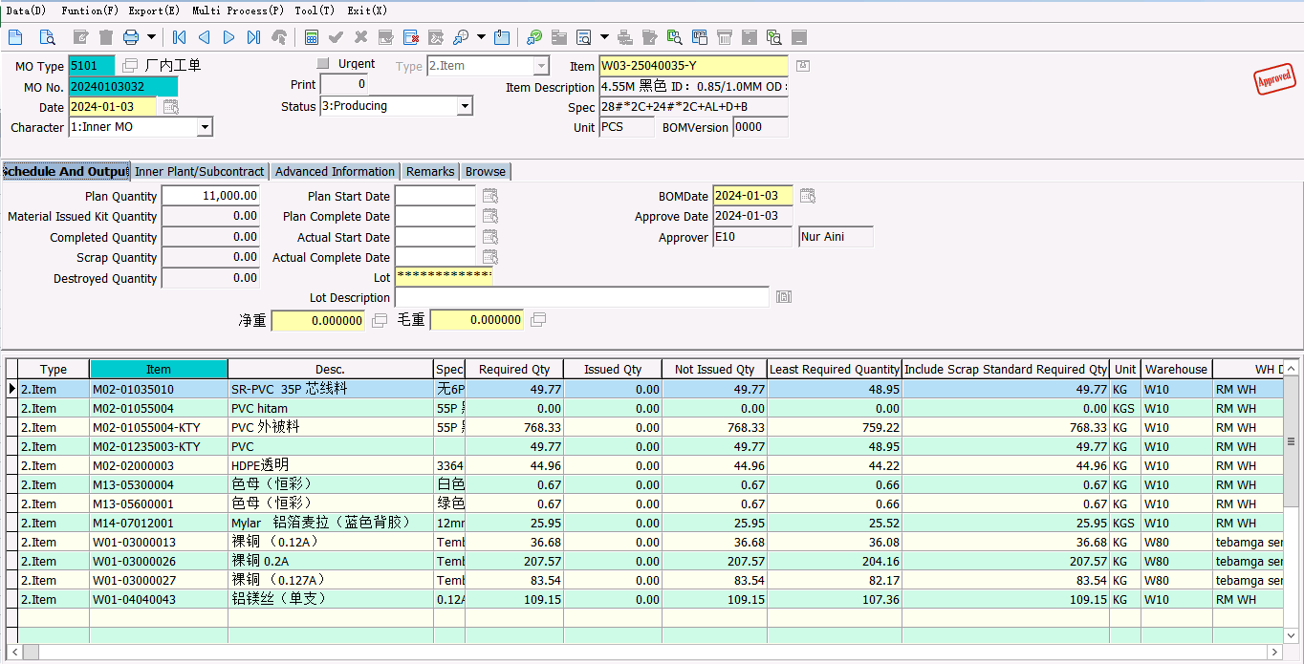
28 + 24 (W03-25040035-Y) |  | 11,000 PCS
No Material | Description | Required Qty
M02-01035010-KTY | PVC CORE HITAM | 49.77
M02-01055004-KTY | PVC HITAM | 768.33
M02-01235003-KTY | PVC CORE MERAH | 49.77
M02-02000003 | HDPE | 44.96
M13-05300004 | MASTER PUTIH | 0.67
M13-05600001 | MASTER HIJAU | 0.67
M14-07012001 | MYLAR | 25.95
W01-03000013 | 0,120A | 36.68
W01-03000026 | 0,200A | 207.57
W01-03000027 | 0,127A | 83.54
W01-04040043 | Alumunium Magnesium | 109.15

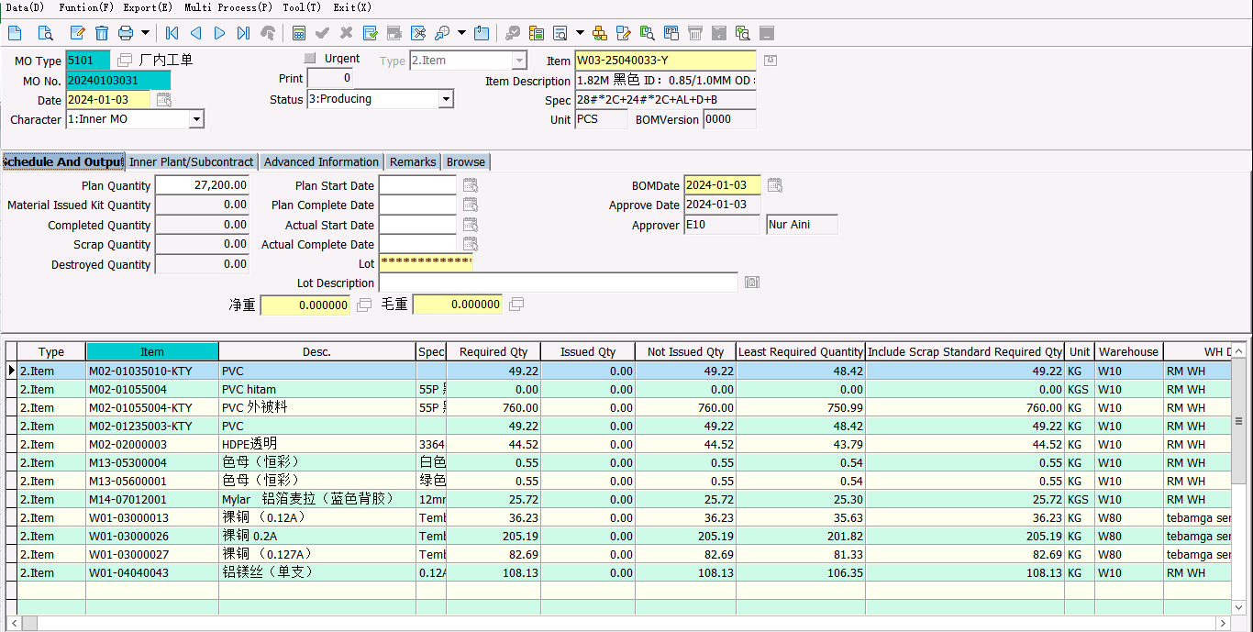
28 + 24 (W03-25040033-Y) |  | 27,200 PCS
No Material | Description | Required Qty
M02-01035010-KTY | PVC CORE HITAM | 49.22
M02-01055004-KTY | PVC HITAM | 760
M02-01235003-KTY | PVC CORE MERAH | 49.22
M02-02000003 | HDPE | 44.52
M13-05300004 | MASTER PUTIH | 0.55
M13-05600001 | MASTER HIJAU | 0.55
M14-07012001 | MYLAR | 25.72
W01-03000013 | 0,120A | 36.23
W01-03000026 | 0,200A | 205.19
W01-03000027 | 0,127A | 82.68
W01-04040043 | Alumunium Magnesium | 108.13

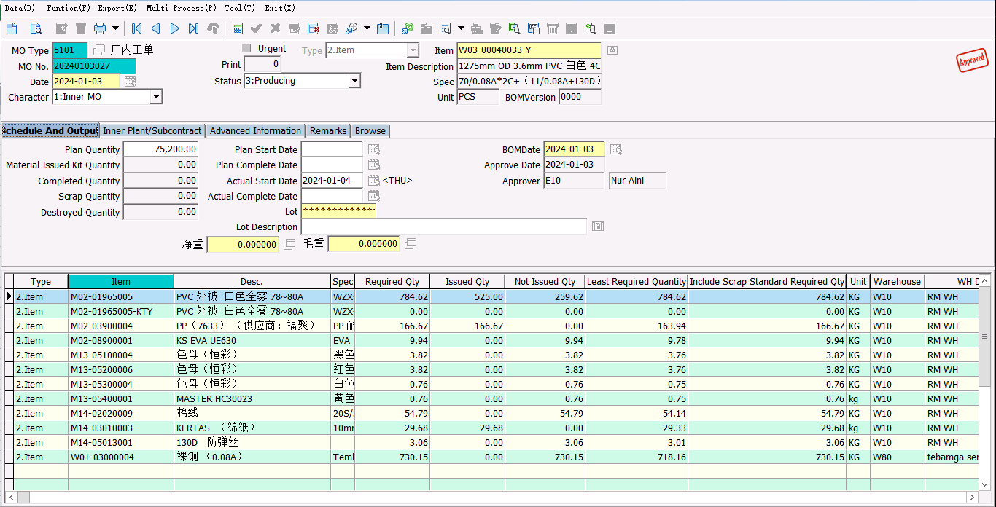
MM38 (W03-00040033-Y) |  | 75,200 PCS
No Material | Description | Required Qty
M02-01965005 | PVC PUTIH | 784.62
M02-03900004 | PP | 166.67
M02-08900001 | KS EVA | 9.94
M13-05100004 | MASTER HITAM | 3.82
M13-05200006 | MASTER MERAH | 3.82
M13-05300004 | MASTER PUTIH | 0.76
M13-05400001 | MASTER KUNING | 0.76
M14-02020009 | BENANG | 54.79
M14-03010003 | KERTAS 10mm | 29.68
M14-05013001 | NYLON 200D | 3.06
W01-03000004 | 0,08A | 730.15

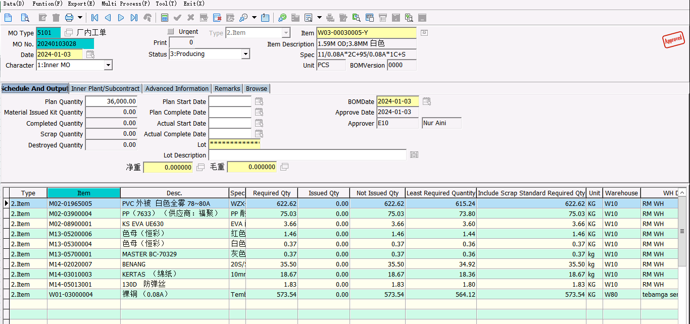
MK09C (W03-00030005-Y) |  | 36,000 PCS
No Material | Description | Required Qty
M02-01965005 | PVC PUTIH | 622.62
M02-03900004 | PP | 75.03
M02-08900001 | KS EVA | 3.66
M13-05200006 |  | 1.46
M13-05300004 |  | 0.37
M13-05700001 |  | 0.37
M14-02020007 | BENANG | 35.5
M14-03010003 | KERTAS 10mm | 18.67
M14-05013001 | NYLON 200D | 1.83
W01-03000004 | 0,08A | 573.54

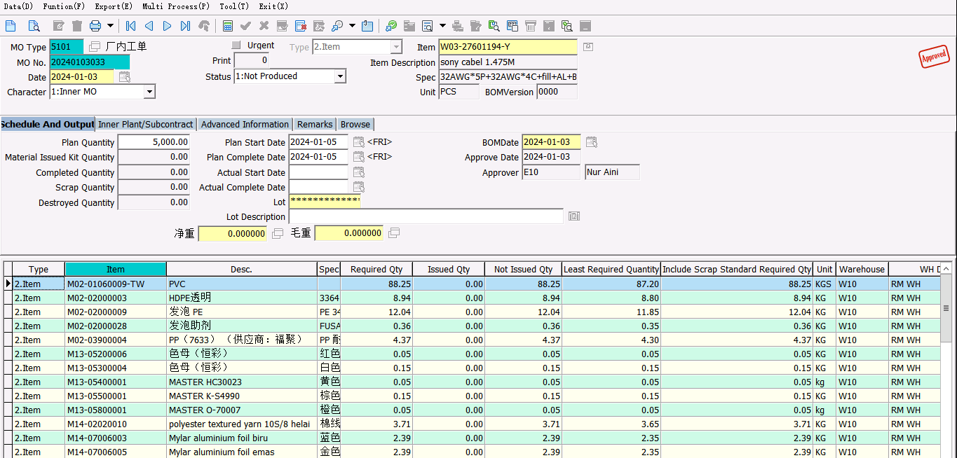
SONY HDMI (W03-27601194-Y) |  | 5,000 PCS
No Material | Description | Required Qty
M02-01060009 | PVC | 88.25
M02-02000003 | HDPE | 8.94
M02-02000009 | PE | 12.04
M02-02000028 |  | 0.36
M02-03900004 | PP | 4.37
M13-05200006 | MASTER MERAH | 0.05
M13-05300004 | MASTER PUTIH | 0.15
M13-05400001 | MASTER KUNING | 0.05
M13-05500001 |  | 0.15
M13-05800001 |  | 0.05
M14-02020010 | POLYESTER | 3.71
M14-07006003 | MYLAR BIRU | 2.39
M14-07006005 | MYLAR EMAS | 2.39
M14-07006006 | MYLAR MERAH | 2.39
M14-07006007 | MYLAR HIJAU | 2.39
M14-07006008 | MYLAR PERAK | 2.39
M14-07017001 | Mylar Alumunium Foil | 7.62
M14-07080001 | Mylar Alumunium Foil | 9.35
W01-03000034 | 0,08 UEW | 48.8
W01-04040011 | 0,08 T | 34.87
W01-04040013 | 0.254 | 17.94

01-08
 |  |  | No Material | Description | Required Qty | Issued Qty | Sisa JO | Satuan | Kurang
 |  |  | M02-01965005 | PVC PUTIH | 1043.37 | 1050 | 392.76 | kg | 399.39
 |  |  | M02-03900004 | PP | 221.64 | 250 | 3.93 | kg | 32.29
 |  |  | M02-08900001 | KS EVA | 13.22 |  | 36.4 | kg | 23.18
 |  |  | M13-05100004 | MASTER HITAM | 5.08 |  | 0 | kg | (5.08)
 |  |  | M13-05200006 | MASTER MERAH | 5.08 |  | 0 | kg | (5.08)
 |  |  | M13-05300004 | MASTER PUTIH | 1.02 |  | 0 | kg | (1.02)
 |  |  | M13-05400001 | MASTER KUNING | 1.02 |  | 0 | kg | (1.02)
 |  |  | M14-02020009 | BENANG | 72.86 | 72.8 | 1.21 | kg | 1.15
 |  |  | M14-03010003 | KERTAS 10mm | 39.47 | 39.5 | 0.33 | kg | 0.36
 |  |  | M14-05013001 | NYLON 200D | 4.07 | 4 | 1.11 | kg | 1.04
 |  |  | W01-03000004 | 0,08A | 970.95 | 381.66 | 4.87 | kg | (584.42)

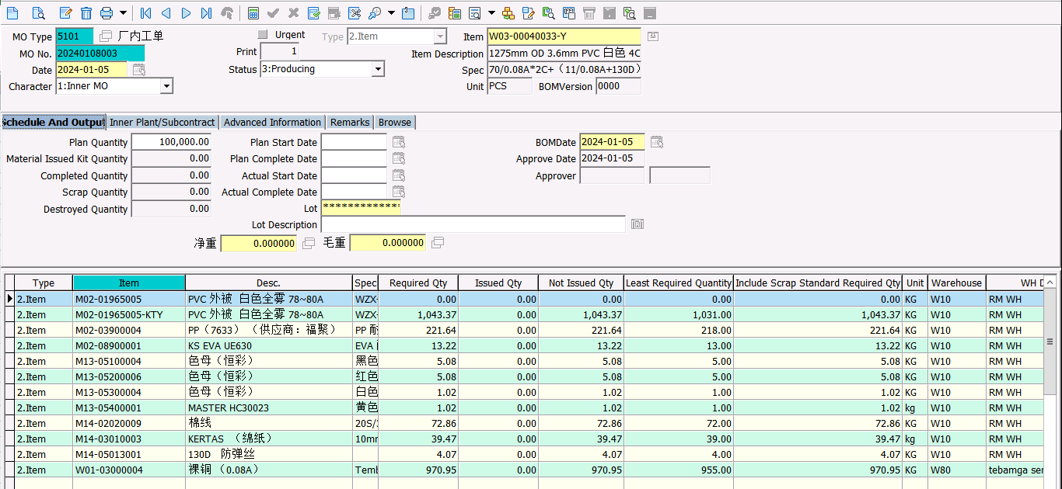
MM38 (W03-00040033-Y) |  | 100,000 PCS
No Material | Description | Required Qty
M02-01965005 | PVC PUTIH | 1043.37
M02-03900004 | PP | 221.64
M02-08900001 | KS EVA | 13.22
M13-05100004 | MASTER HITAM | 5.08
M13-05200006 | MASTER MERAH | 5.08
M13-05300004 | MASTER PUTIH | 1.02
M13-05400001 | MASTER KUNING | 1.02
M14-02020009 | BENANG | 72.86
M14-03010003 | KERTAS 10mm | 39.47
M14-05013001 | NYLON 200D | 4.07
W01-03000004 | 0,08A | 970.95

01-11
 |  |  | No Material | Description | Required Qty | Issued Qty | Sisa | Satuan | Kurang
 |  |  | M02-01035010-KTY | PVC CORE HITAM | 9.3 | 25 | 1.01 | kg | 16.71
 |  |  | M02-01055004-KTY | PVC HITAM | 157.83 | 125 | 71.67 | kg | 38.84
 |  |  | M02-01235003-KTY | PVC CORE MERAH | 9.3 | 25 | 1.01 | kg | 16.71
 |  |  | M02-02000003 | HDPE | 12.32 | 25 | 1.58 | kg | 14.26
 |  |  | M13-05300004 | MASTER PUTIH | 0.18 |  | 0 | kg | (0.18)
 |  |  | M13-05600001 | MASTER HIJAU | 0.18 |  | 0 | kg | (0.18)
 |  |  | M14-07012001 | MYLAR | 6.86 | 5.28 | 0 | kg | (1.58)
 |  |  | W01-03000013 | 0,120A | 181.53 | 10.56 | 0.13 | kg | (170.84)
 |  |  | W01-03000027 | 0,127A | 46.73 | 45.42 | 0 | kg | (1.31)
 |  |  | W01-04040043 | Alumunium Magnesium | 15.36 | 17.04 | 2.67 | kg | 4.35
 |  |  | M02-01055065-KTY | PVC HITAM | 351.4 | 225 | 0 | kg | (126.40)
 |  |  | M02-05935005-KTY | PVC CORE PUTIH | 117.6 | 125 | 0 | kg | 7.40
 |  |  | W01-03000013 | 0,120A | 181.53 |  | 0 | kg | (181.53)
 |  |  | W01-03000020 | 0,160A | 147.5 |  | 0 | kg | (147.50)

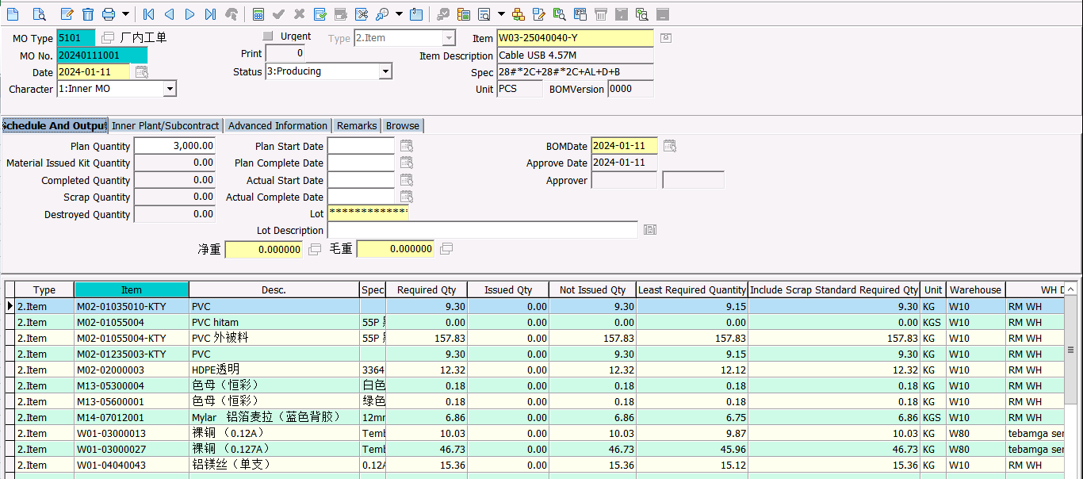
28+24 (W03-25040040-Y) |  | 3,000 PCS
No Material | Description | Required Qty
M02-01035010-KTY | PVC CORE HITAM | 9.3
M02-01055004-KTY | PVC HITAM | 157.83
M02-01235003-KTY | PVC CORE MERAH | 9.3
M02-02000003 | HDPE | 12.32
M13-05300004 | MASTER PUTIH | 0.18
M13-05600001 | MASTER HIJAU | 0.18
M14-07012001 | MYLAR | 6.86
W01-03000013 | 0,120A | 10.03
W01-03000027 | 0,127A | 46.73
W01-04040043 | Alumunium Magnesium | 15.36

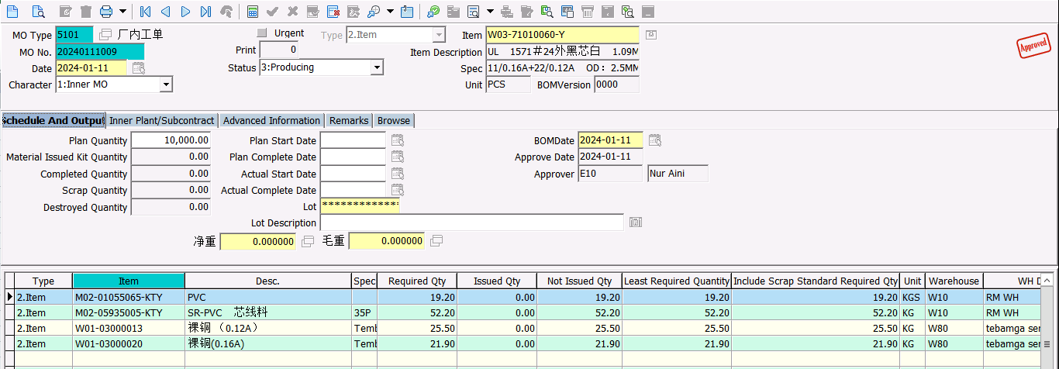
AY01 |  | 10,000 PCS
No Material | Description | Required Qty
M02-01055065-KTY | PVC HITAM | 52.2
M02-05935005-KTY | PVC CORE PUTIH | 19.2
W01-03000013 | 0,120A | 25.5
W01-03000020 | 0,160A | 21.9

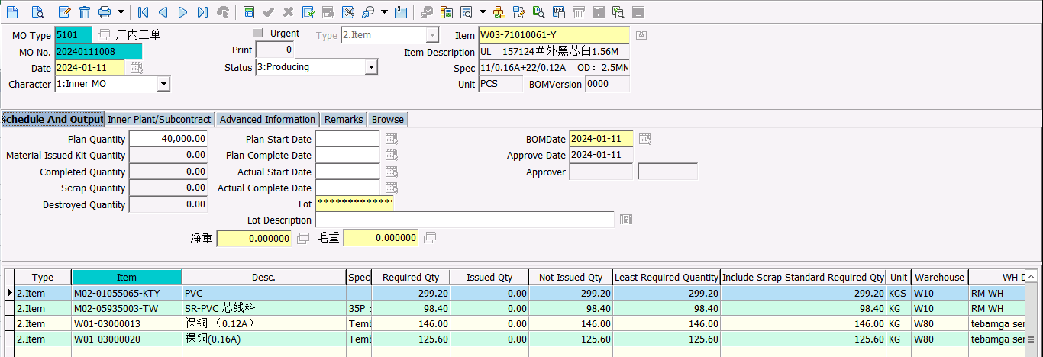
AX88 |  | 40,000 PCS
No Material | Description | Required Qty
M02-01055065-KTY | PVC HITAM | 299.2
M02-05935005-KTY | PVC CORE PUTIH | 98.4
W01-03000013 | 0,120A | 146
W01-03000020 | 0,160A | 125.6

01-15
 |  |  | No Material | Description | Required Qty | Issued Qty | Sisa | Satuan | Kurang
 |  |  | M02-01965005 | PVC PUTIH | 1043.37 | 325 | 399.39 | kg | (318.98)
 |  |  | M02-03900004 | PP | 221.64 | 200 | 32.29 | kg | 10.65
 |  |  | M02-08900001 | KS EVA | 13.22 |  | 23.18 | kg | 9.96
 |  |  | M13-05100004 | MASTER HITAM | 5.08 |  | 0 | kg | (5.08)
 |  |  | M13-05200006 | MASTER MERAH | 5.08 |  | 0 | kg | (5.08)
 |  |  | M13-05300004 | MASTER PUTIH | 1.02 |  | 0 | kg | (1.02)
 |  |  | M13-05400001 | MASTER KUNING | 1.02 |  | 0 | kg | (1.02)
 |  |  | M14-02020009 | BENANG | 72.86 | 49 | 1.15 | kg | (22.71)
 |  |  | M14-03010003 | KERTAS 10mm | 39.47 | 39.36 | 0.36 | kg | 0.25
 |  |  | M14-05013001 | NYLON 200D | 4.07 | 4 | 1.04 | kg | 0.97
 |  |  | W01-03000004 | 0,08A | 970.95 |  | 0 | kg | (970.95)

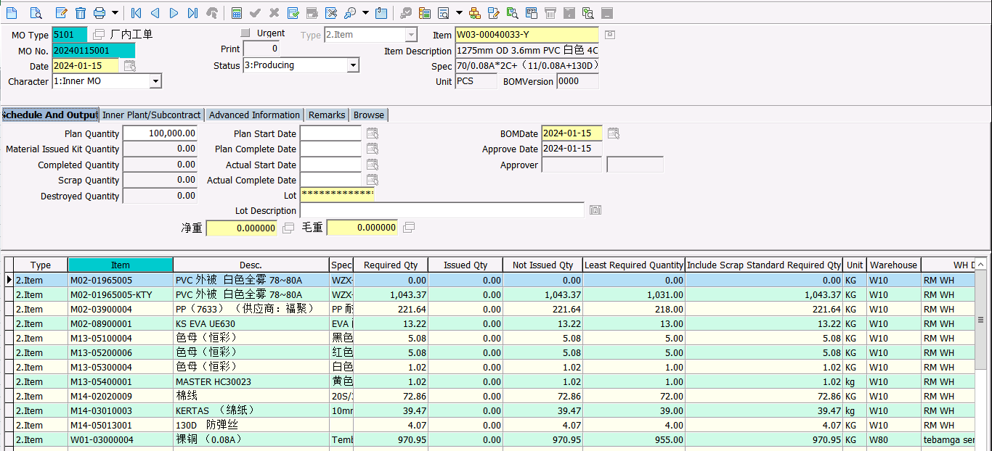
MM38 (W03-00040033-Y) |  | 100,000 PCS
No Material | Description | Required Qty
M02-01965005 | PVC PUTIH | 1043.37
M02-03900004 | PP | 221.64
M02-08900001 | KS EVA | 13.22
M13-05100004 | MASTER HITAM | 5.08
M13-05200006 | MASTER MERAH | 5.08
M13-05300004 | MASTER PUTIH | 1.02
M13-05400001 | MASTER KUNING | 1.02
M14-02020009 | BENANG | 72.86
M14-03010003 | KERTAS 10mm | 39.47
M14-05013001 | NYLON 200D | 4.07
W01-03000004 | 0,08A | 970.95

01-18
 |  |  | No Material | Description | Required Qty | Issued Qty | Sisa | Satuan | Kurang
 |  |  | M02-01035010-KTY | PVC CORE HITAM | 8.74 |  | 16.71 | kg | 7.97
 |  |  | M02-01055004-KTY | PVC HITAM | 146.92 |  | 38.84 | kg | (108.08)
 |  |  | M02-01235003-KTY | PVC CORE MERAH | 8.74 |  | 16.71 | kg | 7.97
 |  |  | M02-02000003 | HDPE | 11.6 | 25 | 14.26 | kg | 27.66
 |  |  | M13-05300004 | MASTER PUTIH | 0.14 |  | 0 | kg | (0.14)
 |  |  | M13-05600001 | MASTER HIJAU | 0.14 |  | 0 | kg | (0.14)
 |  |  | M14-07012001 | MYLAR | 6.45 |  | 0 | kg | (6.45)
 |  |  | W01-03000013 | 0,120A | 9.46 |  | 0 | kg | (9.46)
 |  |  | W01-03000027 | 0,127A | 44.01 |  | 0 | kg | (44.01)
 |  |  | W01-04040043 | Alumunium Magnesium | 14.47 | 163.83 | 4.35 | kg | 153.71

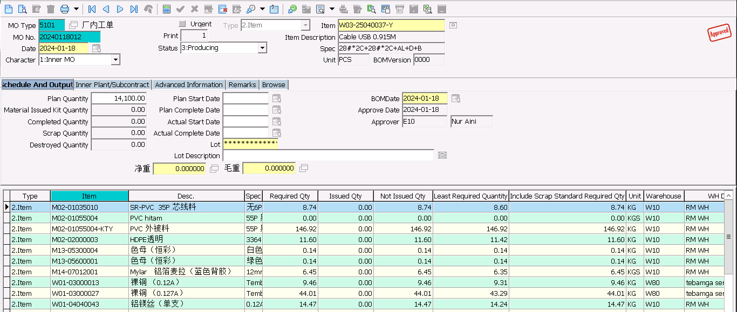
28+24 (W03-25040037-Y) |  | 14,100 PCS
No Material | Description | Required Qty
M02-01035010-KTY | PVC CORE HITAM | 8.74
M02-01055004-KTY | PVC HITAM | 146.92
M02-01235003-KTY | PVC CORE MERAH | 8.74
M02-02000003 | HDPE | 11.6
M13-05300004 | MASTER PUTIH | 0.14
M13-05600001 | MASTER HIJAU | 0.14
M14-07012001 | MYLAR | 6.45
W01-03000013 | 0,120A | 9.46
W01-03000027 | 0,127A | 44.01
W01-04040043 | Alumunium Magnesium | 14.47

01-22
 |  |  | No Material | Description | Required Qty | Issued Qty | Sisa | Satuan | Kurang
 |  |  | M02-01965005 | PVC PUTIH | 1297.13 |  | 0 | kg | (1,297.13)
 |  |  | M02-03900004 | PP | 305.77 |  | 10.65 | kg | (295.12)
 |  |  | M02-08900001 | KS EVA | 17.8 |  | 9.96 | kg | (7.84)
 |  |  | M13-05200006 | MASTER MERAH | 5.08 |  | 0 | kg | (5.08)
 |  |  | M13-05300004 | MASTER PUTIH | 1.27 |  | 0 | kg | (1.27)
 |  |  | M13-05700001 | MASTER ABU-ABU | 0.76 |  | 24.63 | kg | 23.87
 |  |  | M14-02020007 | BENANG | 73.96 |  | 0.82 | kg | (73.14)
 |  |  | M14-03010003 | KERTAS 10mm | 38.89 |  | 0.25 | kg | (38.64)
 |  |  | M14-05013001 | NYLON 200D | 3.81 |  | 0.97 | kg | (2.84)
 |  |  | W01-03000004 | 0,08A | 1717.97 |  | 0 | kg | (1,717.97)
 |  |  | M02-01865001-KTY | PVC | 768.61 |  | 0 | kg | (768.61)
 |  |  | M13-05100004 | MASTER HITAM | 2.03 |  | 0 | kg | (2.03)
 |  |  | M13-05200006 | MASTER MERAH | 5.08 |  | 0 | kg | (5.08)
 |  |  | M14-02020004 | BENANG | 53.52 |  | 0 | kg | (53.52)
 |  |  | M14-03010001 | KERTAS 12mm | 33.55 |  | 0 | kg | (33.55)
 |  |  | M14-04015001 | NYLON 150D | 1.53 |  | 0 | kg | (1.53)

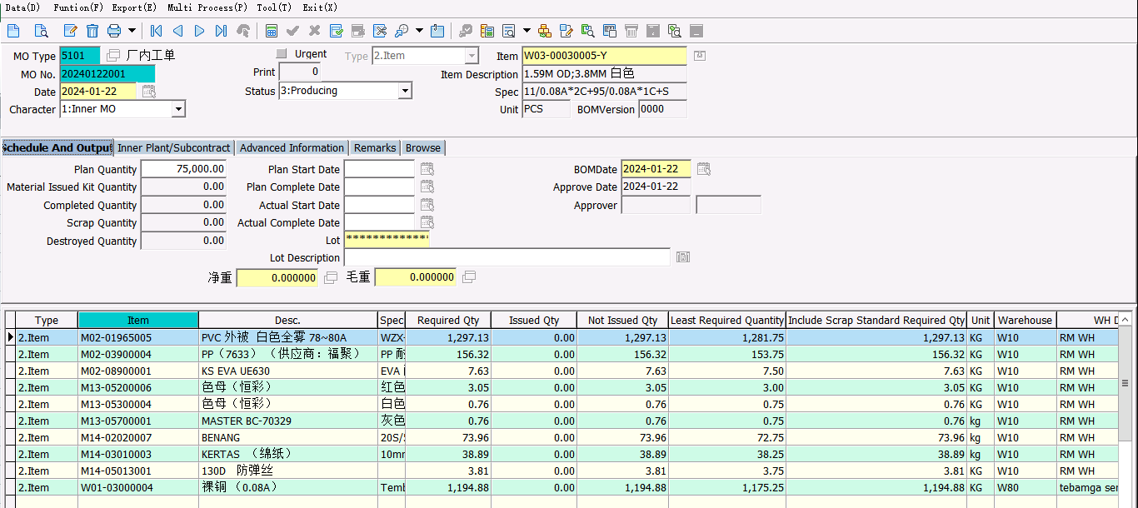
MK09 (W03-00030005-Y) |  | 75,000 PCS
No Material | Description | Required Qty
M02-01965005 | PVC PUTIH | 1297.13
M02-03900004 | PP | 156.32
M02-08900001 | KS EVA | 7.63
M13-05200006 | MASTER MERAH | 3.05
M13-05300004 | MASTER PUTIH | 0.76
M13-05700001 |  | 0.76
M14-02020007 | BENANG | 73.96
M14-03010003 | KERTAS 10mm | 38.89
M14-05013001 | NYLON 200D | 3.81
W01-03000004 | 0,08A | 1194.88

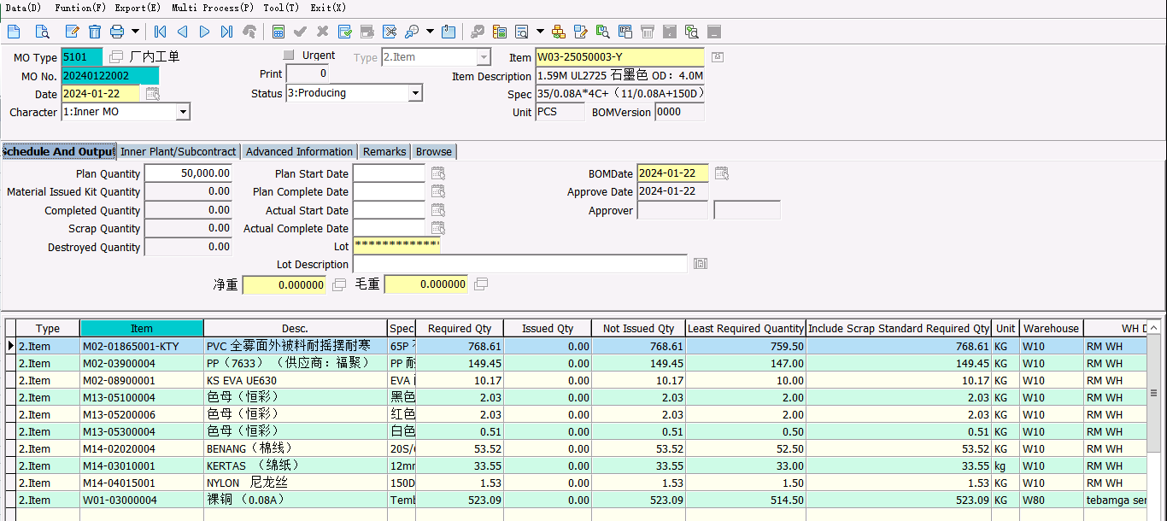
MK83 |  | 50,000 PCS
No Material | Description | Required Qty
M02-01865001-KTY | PVC | 768.61
M02-03900004 | PP | 149.45
M02-08900001 | KS EVA | 10.17
M13-05100004 | MASTER HITAM | 2.03
M13-05200006 | MASTER MERAH | 2.03
M13-05300004 | MASTER PUTIH | 0.51
M14-02020004 | BENANG | 53.52
M14-03010001 | KERTAS 12mm | 33.55
M14-04015001 | NYLON 150D | 1.53
W01-03000004 | 0,08A | 523.09

01-24
 |  |  | No Material | Description | Required Qty | Issued Qty | Sisa | Satuan | Kurang
 |  |  | M02-01035010-KTY | PVC CORE HITAM | 72.28 |  | 7.97 | kg | (64.31)
 |  |  | M02-01055004-KTY | PVC HITAM | 1142.16 |  | 0 | kg | (1,142.16)
 |  |  | M02-01235003-KTY | PVC CORE MERAH | 72.28 |  | 7.97 | kg | (64.31)
 |  |  | M02-02000003 | HDPE | 72.33 |  | 27.66 | kg | (44.67)
 |  |  | M13-05300004 | MASTER PUTIH | 1.01 |  | 0 | kg | (1.01)
 |  |  | M13-05600001 | MASTER HIJAU | 1.01 |  | 0 | kg | (1.01)
 |  |  | M14-07012001 | MYLAR | 41.32 |  | 0 | kg | (41.32)
 |  |  | W01-03000013 | 0,120A | 58.96 |  | 0 | kg | (58.96)
 |  |  | W01-03000026 | 0,200A | 232.62 |  | 0 | kg | (232.62)
 |  |  | W01-03000027 | 0,127A | 176.8 |  | 0 | kg | (176.80)
 |  |  | W01-04040043 | Alumunium Magnesium | 149.73 |  | 153.71 | kg | 3.98

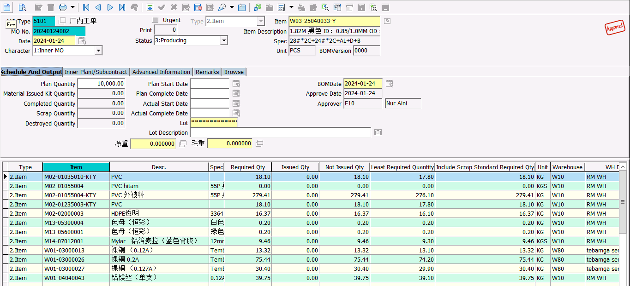
28 + 24 | W03-25040033-Y | 10,000 PCS
No Material | Description | Required Qty
M02-01035010-KTY | PVC CORE HITAM | 18.1
M02-01055004-KTY | PVC HITAM | 279.41
M02-01235003-KTY | PVC CORE MERAH | 18.1
M02-02000003 | HDPE | 16.37
M13-05300004 | MASTER PUTIH | 0.2
M13-05600001 | MASTER HIJAU | 0.2
M14-07012001 | MYLAR | 9.46
W01-03000013 | 0,120A | 13.32
W01-03000026 | 0,200A | 75.44
W01-03000027 | 0,127A | 30.4
W01-04040043 | Alumunium Magnesium | 39.75

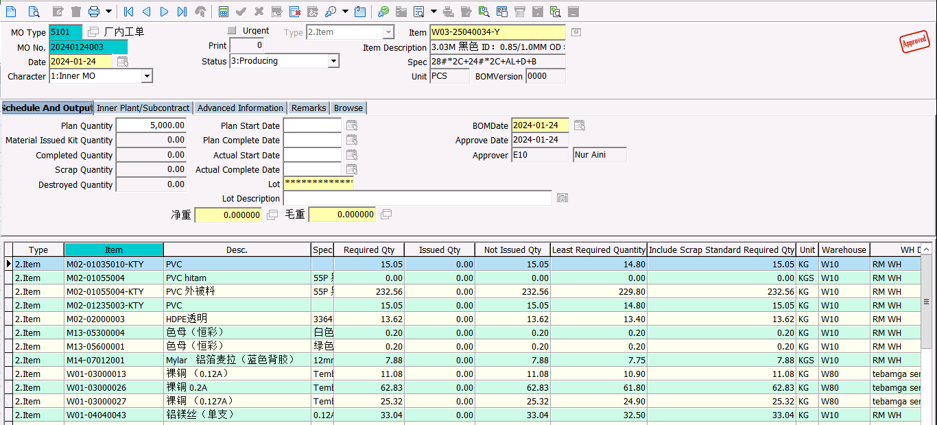
28 + 24 | W03-25040034-Y | 5,000 PCS
No Material | Description | Required Qty
M02-01035010-KTY | PVC CORE HITAM | 15.05
M02-01055004-KTY | PVC HITAM | 232.56
M02-01235003-KTY | PVC CORE MERAH | 15.05
M02-02000003 | HDPE | 13.62
M13-05300004 | MASTER PUTIH | 0.2
M13-05600001 | MASTER HIJAU | 0.2
M14-07012001 | MYLAR | 7.88
W01-03000013 | 0,120A | 11.08
W01-03000026 | 0,200A | 62.83
W01-03000027 | 0,127A | 25.32
W01-04040043 | Alumunium Magnesium | 33.04

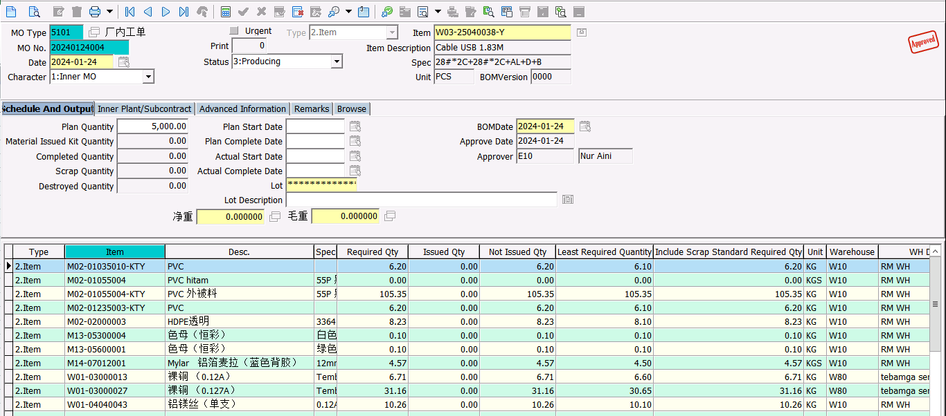
28 + 28 | W03-25040038-Y | 5,000 PCS
No Material | Description | Required Qty
M02-01035010-KTY | PVC CORE HITAM | 6.2
M02-01055004-KTY | PVC HITAM | 105.35
M02-01235003-KTY | PVC CORE MERAH | 6.2
M02-02000003 | HDPE | 8.23
M13-05300004 | MASTER PUTIH | 0.1
M13-05600001 | MASTER HIJAU | 0.1
M14-07012001 | MYLAR | 4.57
W01-03000013 | 0,120A | 6.71
W01-03000027 | 0,127A | 31.16
W01-04040043 | Alumunium Magnesium | 10.26

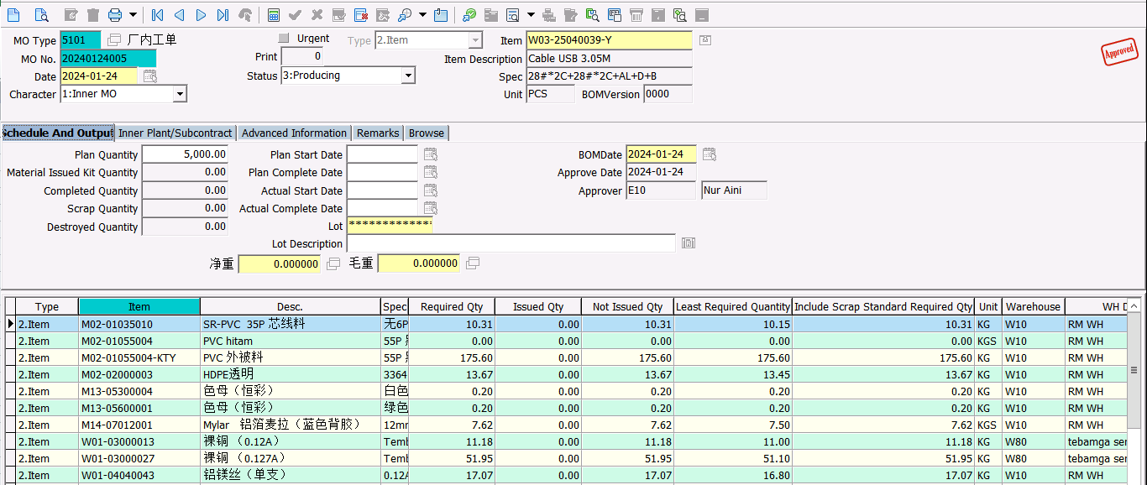
28 + 28 | W03-25040039-Y | 5,000 PCS
No Material | Description | Required Qty
M02-01035010-KTY | PVC CORE HITAM | 10.31
M02-01055004-KTY | PVC HITAM | 175.6
M02-01235003-KTY | PVC CORE MERAH | 10.31
M02-02000003 | HDPE | 13.67
M13-05300004 | MASTER PUTIH | 0.2
M13-05600001 | MASTER HIJAU | 0.2
M14-07012001 | MYLAR | 7.62
W01-03000013 | 0,120A | 11.18
W01-03000027 | 0,127A | 51.95
W01-04040043 | Alumunium Magnesium | 17.07

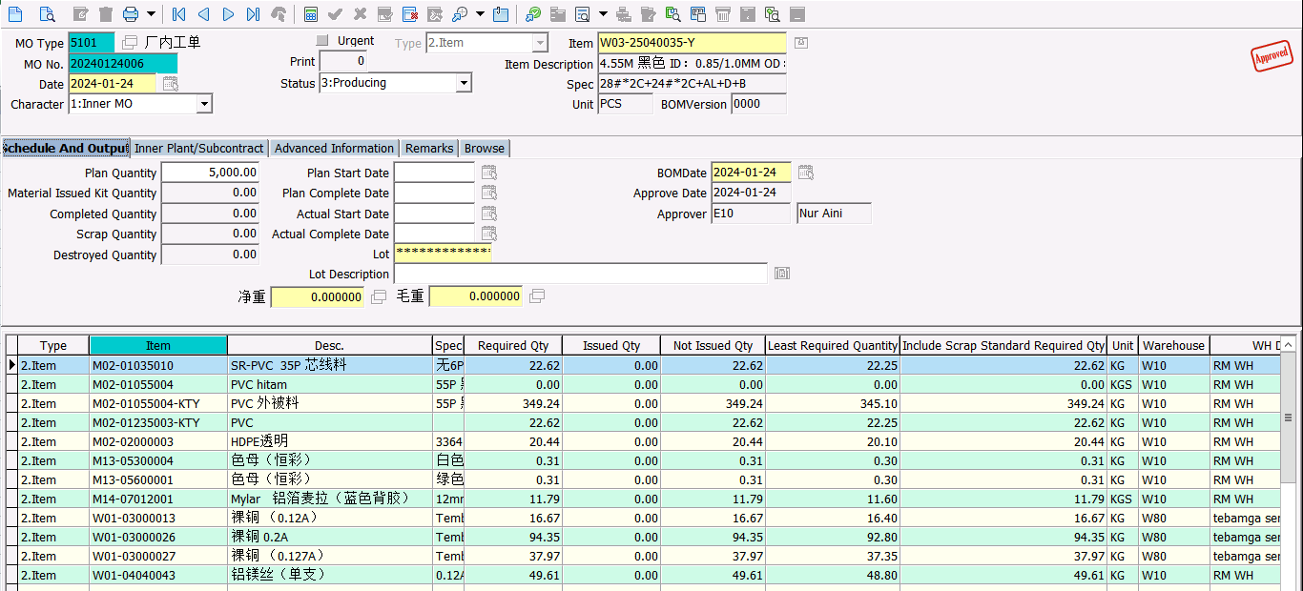
28 + 24 | W03-25040035-Y | 5,000 PCS
No Material | Description | Required Qty
M02-01035010-KTY | PVC CORE HITAM | 22.62
M02-01055004-KTY | PVC HITAM | 349.24
M02-01235003-KTY | PVC CORE MERAH | 22.62
M02-02000003 | HDPE | 20.44
M13-05300004 | MASTER PUTIH | 0.31
M13-05600001 | MASTER HIJAU | 0.31
M14-07012001 | MYLAR | 11.79
W01-03000013 | 0,120A | 16.67
W01-03000026 | 0,200A | 94.35
W01-03000027 | 0,127A | 37.97
W01-04040043 | Alumunium Magnesium | 49.61

01-30
 |  |  | No Material | Description | Required Qty | Issued Qty | Sisa | Satuan | Kurang
 |  |  | M02-01035010-KTY | PVC CORE HITAM | 2.68 |  | 0 | kg | (2.68)
 |  |  | M02-01055004-KTY | PVC HITAM | 40.88 |  | 0 | kg | (40.88)
 |  |  | M02-01235003-KTY | PVC CORE MERAH | 2.68 |  | 0 | kg | (2.68)
 |  |  | M02-02000003 | HDPE | 2.38 |  | 0 | kg | (2.38)
 |  |  | M13-05300004 | MASTER PUTIH | 0.06 |  | 0 | kg | (0.06)
 |  |  | M13-05600001 | MASTER HIJAU | 0.06 |  | 0 | kg | (0.06)
 |  |  | M14-07012001 | MYLAR | 1.37 |  | 0 | kg | (1.37)
 |  |  | W01-03000013 | 0,120A | 1.96 |  | 0 | kg | (1.96)
 |  |  | W01-03000026 | 0,200A | 11.07 |  | 0 | kg | (11.07)
 |  |  | W01-03000027 | 0,127A | 4.46 |  | 0 | kg | (4.46)
 |  |  | W01-04040043 | Alumunium Magnesium | 5.83 |  | 3.98 | kg | (1.85)
 |  |  | M02-01050022-TW | PVC HITAM | 546 |  | 0 | kg | (546.00)
 |  |  | M02-01938001 | PVC PUTIH | 237 |  | 0 | kg | (237.00)
 |  |  | M14-05020003 | TECHNORA | 4 |  | 0 | kg | (4.00)
 |  |  | W01-04040001 | 0,080 UEW | 467 |  | 0 | kg | (467.00)

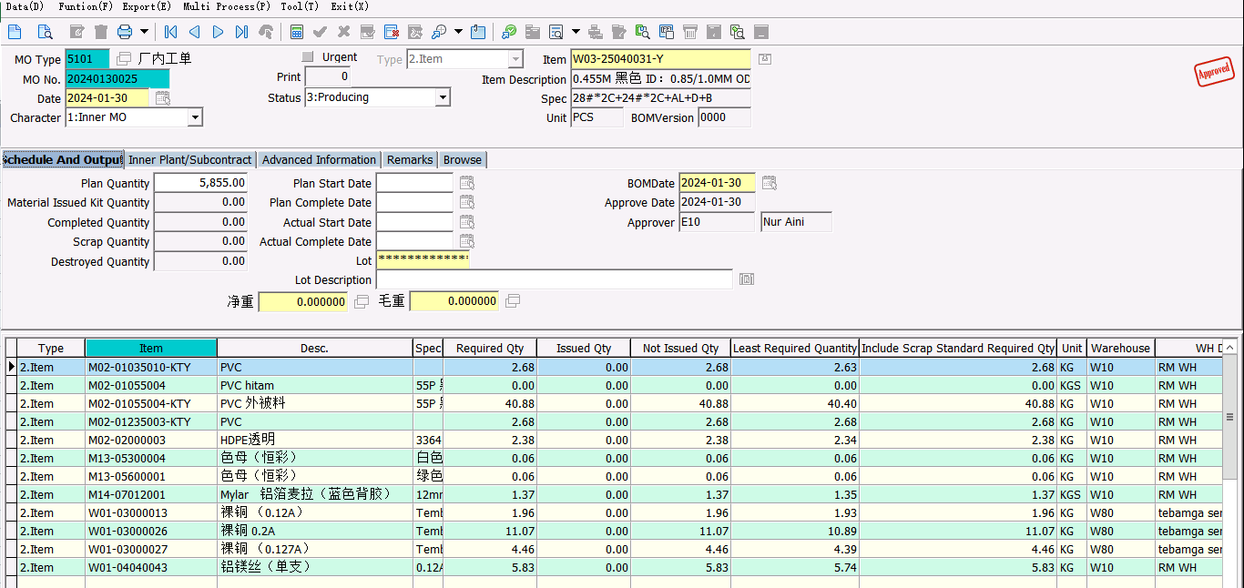
28 + 24 | W03-25040031-Y | 5,855 PCS
No Material | Description | Required Qty
M02-01035010-KTY | PVC CORE HITAM | 2.68
M02-01055004-KTY | PVC HITAM | 40.88
M02-01235003-KTY | PVC CORE MERAH | 2.68
M02-02000003 | HDPE | 2.38
M13-05300004 | MASTER PUTIH | 0.06
M13-05600001 | MASTER HIJAU | 0.06
M14-07012001 | MYLAR | 1.37
W01-03000013 | 0,120A | 1.96
W01-03000026 | 0,200A | 11.07
W01-03000027 | 0,127A | 4.46
W01-04040043 | Alumunium Magnesium | 5.83

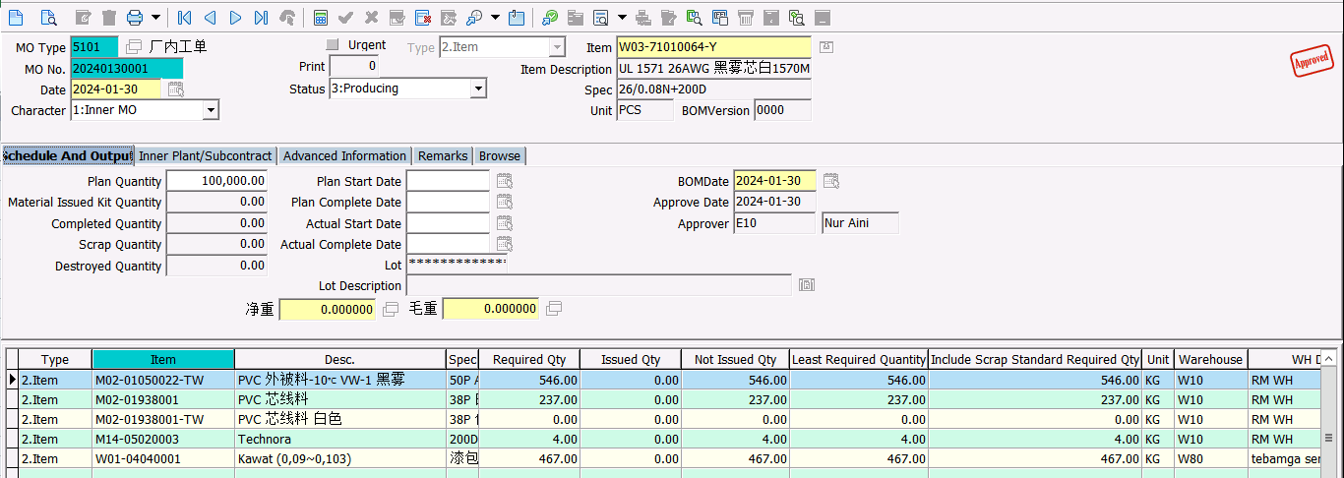
MB50 | W03-71010064-Y | 100,000 PCS
No Material | Description | Required Qty
M02-01050022-TW | PVC HITAM | 546
M02-01938001 | PVC PUTIH | 237
M14-05020003 | TECHNORA | 4
W01-04040001 | 0,080 UEW | 467

