Compounding
Lolli deposits $0.93 deposited in the year 2000. How much money is in the account in 3000 if the 2.25% annual rate was compounded monthly?

N | 1000 | Function | FV
I | 2%
PV | -0.93
PMT | 0
FV | $5,382,193,745.15

N Compounding | 12

Car Shopping
Fred wants to buy a car. The bank will lend him $40K. The loan will be amortized over 5 years. The nominal interest is 8% and interest is compounded and payments are monthly.

N | 5 | Function | PMT
I | 8%
PV | $40,000.00
PMT | ($811.06)
FV | $0.00

NPERY | 12

Car Payments
What is the balance of the loan after 2 years?

Car Payments Ans
What is the balance of the loan after 2 years?

 |  |  |  |  |  | I | 8%
 |  |  |  |  |  | PMT | 811.05577154
 |  |  |  |  |  | NPERY | 12
Period | Beginning Balance | Payment | Interest payment | Principal Payment | Ending balance
1 | $40,000.00 | $811.06 | $266.67 | $544.39 | $39,455.61
2 | $39,455.61 | $811.06 | $263.04 | $548.02 | $38,907.59
3 | $38,907.59 | $811.06 | $259.38 | $551.67 | $38,355.92
4 | $38,355.92 | $811.06 | $255.71 | $555.35 | $37,800.57
5 | $37,800.57 | $811.06 | $252.00 | $559.05 | $37,241.52
6 | $37,241.52 | $811.06 | $248.28 | $562.78 | $36,678.74
7 | $36,678.74 | $811.06 | $244.52 | $566.53 | $36,112.21
8 | $36,112.21 | $811.06 | $240.75 | $570.31 | $35,541.90
9 | $35,541.90 | $811.06 | $236.95 | $574.11 | $34,967.79
10 | $34,967.79 | $811.06 | $233.12 | $577.94 | $34,389.85
11 | $34,389.85 | $811.06 | $229.27 | $581.79 | $33,808.06
12 | $33,808.06 | $811.06 | $225.39 | $585.67 | $33,222.40
13 | $33,222.40 | $811.06 | $221.48 | $589.57 | $32,632.82
14 | $32,632.82 | $811.06 | $217.55 | $593.50 | $32,039.32
15 | $32,039.32 | $811.06 | $213.60 | $597.46 | $31,441.86
16 | $31,441.86 | $811.06 | $209.61 | $601.44 | $30,840.42
17 | $30,840.42 | $811.06 | $205.60 | $605.45 | $30,234.96
18 | $30,234.96 | $811.06 | $201.57 | $609.49 | $29,625.47
19 | $29,625.47 | $811.06 | $197.50 | $613.55 | $29,011.92
20 | $29,011.92 | $811.06 | $193.41 | $617.64 | $28,394.28
21 | $28,394.28 | $811.06 | $189.30 | $621.76 | $27,772.52
22 | $27,772.52 | $811.06 | $185.15 | $625.91 | $27,146.61
23 | $27,146.61 | $811.06 | $180.98 | $630.08 | $26,516.53
24 | $26,516.53 | $811.06 | $176.78 | $634.28 | $25,882.25
25 | $25,882.25 | $811.06 | $172.55 | $638.51 | $25,243.75
26 | $25,243.75 | $811.06 | $168.29 | $642.76 | $24,600.98
27 | $24,600.98 | $811.06 | $164.01 | $647.05 | $23,953.93
28 | $23,953.93 | $811.06 | $159.69 | $651.36 | $23,302.57
29 | $23,302.57 | $811.06 | $155.35 | $655.71 | $22,646.87
30 | $22,646.87 | $811.06 | $150.98 | $660.08 | $21,986.79
31 | $21,986.79 | $811.06 | $146.58 | $664.48 | $21,322.31
32 | $21,322.31 | $811.06 | $142.15 | $668.91 | $20,653.40
33 | $20,653.40 | $811.06 | $137.69 | $673.37 | $19,980.04
34 | $19,980.04 | $811.06 | $133.20 | $677.86 | $19,302.18
35 | $19,302.18 | $811.06 | $128.68 | $682.37 | $18,619.81
36 | $18,619.81 | $811.06 | $124.13 | $686.92 | $17,932.88
37 | $17,932.88 | $811.06 | $119.55 | $691.50 | $17,241.38
38 | $17,241.38 | $811.06 | $114.94 | $696.11 | $16,545.27
39 | $16,545.27 | $811.06 | $110.30 | $700.75 | $15,844.51
40 | $15,844.51 | $811.06 | $105.63 | $705.43 | $15,139.09
41 | $15,139.09 | $811.06 | $100.93 | $710.13 | $14,428.96
42 | $14,428.96 | $811.06 | $96.19 | $714.86 | $13,714.10
43 | $13,714.10 | $811.06 | $91.43 | $719.63 | $12,994.47
44 | $12,994.47 | $811.06 | $86.63 | $724.43 | $12,270.04
45 | $12,270.04 | $811.06 | $81.80 | $729.26 | $11,540.79
46 | $11,540.79 | $811.06 | $76.94 | $734.12 | $10,806.67
47 | $10,806.67 | $811.06 | $72.04 | $739.01 | $10,067.66
48 | $10,067.66 | $811.06 | $67.12 | $743.94 | $9,323.72
49 | $9,323.72 | $811.06 | $62.16 | $748.90 | $8,574.82
50 | $8,574.82 | $811.06 | $57.17 | $753.89 | $7,820.93
51 | $7,820.93 | $811.06 | $52.14 | $758.92 | $7,062.02
52 | $7,062.02 | $811.06 | $47.08 | $763.98 | $6,298.04
53 | $6,298.04 | $811.06 | $41.99 | $769.07 | $5,528.97
54 | $5,528.97 | $811.06 | $36.86 | $774.20 | $4,754.78
55 | $4,754.78 | $811.06 | $31.70 | $779.36 | $3,975.42
56 | $3,975.42 | $811.06 | $26.50 | $784.55 | $3,190.87
57 | $3,190.87 | $811.06 | $21.27 | $789.78 | $2,401.08
58 | $2,401.08 | $811.06 | $16.01 | $795.05 | $1,606.03
59 | $1,606.03 | $811.06 | $10.71 | $800.35 | $805.68
60 | $805.68 | $811.06 | $5.37 | $805.68 | $0.00

EAR
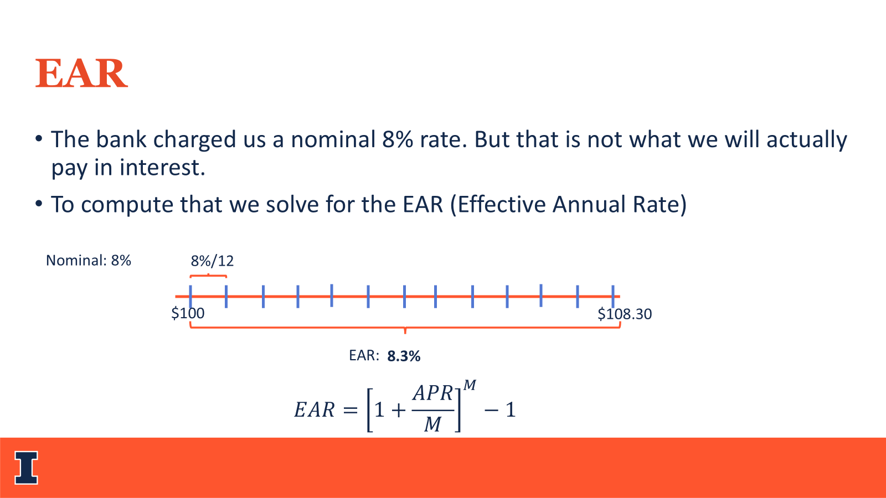

 | I | 8%
 | M | 12

 | Beginning balance | Interest | Ending Balance
1 | 100 | 0.66666666667 | 100.66666667
2 | 100.66666667 | 0.67111111111 | 101.33777778
3 | 101.33777778 | 0.67558518519 | 102.01336296
4 | 102.01336296 | 0.68008908642 | 102.69345205
5 | 102.69345205 | 0.68462301366 | 103.37807506
6 | 103.37807506 | 0.68918716709 | 104.06726223
7 | 104.06726223 | 0.6937817482 | 104.76104398
8 | 104.76104398 | 0.69840695986 | 105.45945094
9 | 105.45945094 | 0.70306300625 | 106.16251394
10 | 106.16251394 | 0.70775009296 | 106.87026404
11 | 106.87026404 | 0.71246842692 | 107.58273246
12 | 107.58273246 | 0.71721821643 | 108.29995068

EAR | 8.30%

Extending Credit
Alexis runs a jewelry store and can borrow at a nominal 9% compounded monthly. She want to extend credit to customers at a EAR rate 3% higher. What EAR (APR) should she charge?

Alexis APR | 9.00%
Alexis NPERY | 12

Alexis EAR | 9.38%

She offers EAR? | 12.38%

Bonus
She offers APR? | 11.73%

Annuity
Stella will have $1,500,000 in her Roth IRA when she turns 65. Once Liza turns 65, she wants to make equal withdrawals from her IRA as soon as she turns 65.
The IRA has an expected return of 8.4% APR compounded monthly. How large will Lisa’s monthly withdrawals be if she wishes to make these withdrawals for 25 years?

N | 25
I | 8.4%
PV | $(1,500,000.00)
PMT | $11,894.23
FV | 0
Type | 1
NPERY | 12

Uneven CF
You make 5 payments of $1K every 6 months starting in 6 months
You will then make no more deposits. The bank offers 6% nominal interest compounded semi-annually. (6 months)
What will you have at the end of 3 years?

Using FV | Using a payment table | Using NPV

Uneven CF Ans
You make 5 payments of $1K every 6 months starting in 6 months
You will then make no more deposits. The bank offers 6% nominal interest compounded semi-annually. (6 months)
What will you have at the end of 3 years?

Using FV |  |  |  |  | Using a payment table
Period | Payment | FV | I | 6% | Period | Beginning Balance | Payment | Interest payment | Ending balance
0 | $- | $0.00 | NPERY | 2 | 0 | $- | $- | $- | $-
1 | $1,000.00 | $1,159.27 |  |  | 1 | $- | $1,000.00 | $- | $1,000.00
2 | $1,000.00 | $1,125.51 |  |  | 2 | $1,000.00 | $1,000.00 | $30.00 | $2,030.00
3 | $1,000.00 | $1,092.73 |  |  | 3 | $2,030.00 | $1,000.00 | $60.90 | $3,090.90
4 | $1,000.00 | $1,060.90 |  |  | 4 | $3,090.90 | $1,000.00 | $92.73 | $4,183.63
5 | $1,000.00 | $1,030.00 |  |  | 5 | $4,183.63 | $1,000.00 | $125.51 | $5,309.14
6 | $- | $0.00 |  |  | 6 | $5,309.14 | $- | $159.27 | $5,468.41

Total | $5,000.00 | $5,468.41

 |  |  |  |  | Using NPV

 |  |  |  |  | PMT | 0 | 1000 | 1000 | 1000 | 1000 | 1000 | 0
 |  |  |  |  | PV | $4,579.71
 |  |  |  |  | FV | ($5,468.41)

