표지


대덕 EES 구축

EES 아이템 설비업체 송부

2021.11.04

문서정보
Document Information

 Document Information

문서제목 |  | EES 아이템 설비업체 송부
프로젝트 명 |  | 대덕 전자 EES 구축
프로젝트 관리자 |  |  |  |  | 문서 번호
작성자 |  | 지윤배 |  |  | 문서 버전 | V0.1
검수 |  | 지윤배 |  |  | 작성 일자 | 2021-11-04

 Revision History

문서 버전 | 변경 일자 |  | 작성자 | 변경내용
V1.0 | 2021.11.04 |  | 지윤배 | 초안

RCMD
EVENT | RCMD | RCMD DESC | CPNAME | CPVALUE
Tracking | LOT_CREATE | HOST에서 LOT ID 전송 | LOTID | LOTID
 |  |  | QTY | 수량
 |  |  | LOTTYPE | 1=초도, 2=본랏, 3=더미, 4=재초도, 5=재작업
 | LOT_INFO | LOT 정보 전달 | LOTID | LOT ID
 |  |  | LOTTYPE | 1=초도, 2=본랏, 3=더미, 4=재초도, 5=재작업
 |  |  | QTY | QUAD/STRIP수량
 |  |  | PROUDUCTTYPE | STRIP or QUAD
 |  |  | TOOLNO | TOOL NO
 |  |  | ITS | ITS 진행 여부 : 0 진행 , 1 미진행
 |  |  | ITSLOTID_IN | ITS LOTID 내부
 |  |  | ITSLOTID_CT | ITS LOTID 고객
 |  |  | UNITSIZEX | 유닛 SIZE X
 |  |  | UNITSIZEY | 유닛 SIZE Y
 |  |  | THICK | 두께
 |  |  | ABFMATERIAL | ABF 자재
 | LOT_START | 설비 START | LOTID | LOT ID
 |  |  | LOTTYPE | 1=초도, 2=본랏, 3=더미, 4=재초도, 5=재작업
 | LOT_CANCEL | 대기열 LOT 삭제 | LOTID | LOT ID
 |  |  | LOTTYPE | 1=초도, 2=본랏, 3=더미, 4=재초도, 5=재작업
 | LOT_PAUSE | 설비 투입기 일시 정지

 | LOT_RESUME | 설비 투입기 동작

설비호기변경 | LOT_EQP_CHANGE | 설비호기지정변경 | LOTID | LOTID
 |  |  | LOTTYPE | 1=초도, 2=본랏, 3=더미, 4=재초도, 5=재작업
 |  |  | CHANGECODE_01 | CHANGENAME
 |  |  | ~ | CHANGENAME
 |  |  | CHANGECODE_N | CHANGENAME
가동LOSS입력 | LOT_EQP_LOSS | 가동LOSS 입력 | LOTID | LOTID
 |  |  | LOTTYPE | 1=초도, 2=본랏, 3=더미, 4=재초도, 5=재작업
 |  |  | START_TIME | LOSS 시작 시간
 |  |  | END_TIME | LOSS 완료 시간
 |  |  | LOT_EQP_LOSSREASON_01 | LOSSREASON NAME
 |  |  | ~ | LOSSREASON NAME
 |  |  | LOT_EQP_LOSSREASON_N | LOSSREASON NAME
파라미터입력 | PARAMETER_INFO | 필수입력파라미터 입력 | LOTID | LOTID
 |  |  | LOTTYPE | 1=초도, 2=본랏, 3=더미, 4=재초도, 5=재작업
 |  |  | PARAMETER_01 | PARAMETER NAME
 |  |  | ~ | PARAMETER NAME
 |  |  | PARAMETER_N | PARAMETER NAME
"제공필요자료참조 탭에 4. 공정 작업 조건 정보 제공 화면 참조"
공정작업조건 | POP_CONDITION | 공정작업조건 표시

Process Scenario(Normal)
* Process Scenario

EQ |  | EAP |  | MES | RMS

Process Scanario(Normal)

작업자 LOT SCAN - LotType, Qty 입력

 | S6F11 - Lot Request (601)

 |  | S6F12 - EventReportAck
 |  |  | EqpLossCheckRequest

 |  |  |  | EqpLossCheckResponse

 |  | S2F41 - LOT_EQP_LOSS

 | S2F42 - HostCommandSendAck

 | S6F11 - LotEqpLossComplete (315)

 |  | S6F12 - EventReportAck
 |  |  | EqpLossInfoRequest

 |  |  |  | EqpLossInfoResponse

 |  | Result : OK

 |  |  | LotEqpChangeCheckRequest

 |  |  |  | LotEqpChangeCheckResponse
 |  | S2F41 - LOT_EQP_CHANGE

 | S2F42 - HostCommandSendAck

 | S6F11 - LotEqpChangeComplete (312)

 |  | S6F12 - EventReportAck
 |  |  | LotEqpChangeInfoRequest

 |  |  |  | LotEqpChangeInfoResponse

 |  | Result : OK

 |  |  | AdditionItemRequest(수동,In)

 |  |  |  | AdditionItemResponse
 |  | S2F41 - PARAMETER_INFO

 | S2F42 - HostCommandSendAck

 | S6F11 - ParaInputComplete (311)

 |  | S6F12 - EventReportAck

 |  |  | LotReserveRequest

 |  |  |  | LotReserveResponse

 |  | Resule : OK

 |  | S10F3 - Terminal Display, Single

 | S10F4 - Terminal Display, Single Ack
 |  |  | RequestPkgConditionV1

 |  |  |  |  | ReplyPkgConditionV1
 |  | S2F41 - POP_CONDITION

 | S2F42 - HostCommandSendAck

 | S6F11 - PopConditionComplete (332)

 |  | S6F12 - EventReportAck

 |  |  | SPECINFORequest

 |  |  |  |  | SPECINFORequest

 |  | Result : OK

 |  | S2F41 - LOT_INFO

 | S2F42 - HostCommandSendAck

 | S6F11 - PPSelected (314)

 |  | S6F12 - EventReportAck

 | S6F11 - LotStartRequest (310)

 |  | S6F12 - EventReportAck

 | S1F3 - SelectedEquipmentStatusRequest : blade 정보 / DICING 테이블 정보 문의

 |  | S1F4

 |  |  | AdditionItemInfoRequest(자동,In)

 |  |  |  | AdditionItemInfoResponse

 |  | Result : OK

 |  | S2F41 - LOT_START

 | S2F42 - HostCommandSendAck

 | S6F11 - LotStarted (603)

 |  | S6F12 - EventReportAck

 | S6F11 - EquipmentStateChange(RUN) (120)

 |  | S6F12 - EventReportAck
 |  |  | EquipmentStsReport
 | S6F11 - LotLoading (301)

 |  | S6F12 - EventReportAck
 |  |  | LotTrackInRequest

 |  |  |  | LotTrackInResponse

 |  | Result : OK

 | S6F11 - PanelLineIn (306)

초도 STRIP/QUD 먼저 작업후 제조 확인 후 남은 수량만큼 반복
 |  | S6F12 - EventReportAck
 |  |  | FunctionSequenceReport
 | S6F11 - PanelModuleIn (308)

 |  | S6F12 - EventReportAck
 |  |  | FunctionSequenceReport
 | S6F11 - PanelModuleOut (309)

 |  | S6F12 - EventReportAck
 |  |  | FunctionSequenceReport
 | S6F11 - PanelLineOut (307)

 |  | S6F12 - EventReportAck
 |  |  | FunctionSequenceReport

 | S6F11 - LotComplete (302)

 |  | S6F12 - EventReportAck

 |  |  | AdditionItemInfoRequest(자동,Out)

 |  |  |  | AdditionItemInfoResponse

설비에서 받은 Out 수량으로 Track Out 보고
 |  |  | LotTrackOutRequest

 |  |  |  | LotTrackOutResponse

Process Scenario(Local)
* Process Scenario

EQ |  | EIS |  | MES | RMS

Process Scanario(Normal)

작업자 LOT SCAN - LotType, Qty 입력

 | S6F11 - PPSelected

 |  | S6F12 - EventReportAck

 | S6F11 - EquipmentStateChange(RUN)

 |  | S6F12 - EventReportAck
 |  |  | EquipmentStsReport
 | S6F11 - LotLoading

 |  | S6F12 - EventReportAck

 | S6F11 - PanelLineIn

입력된 PANEL 수량만큼 반복
 |  | S6F12 - EventReportAck
 |  |  | FunctionSequenceReport
 | S6F11 - PanelModuleIn

 |  | S6F12 - EventReportAck
 |  |  | FunctionSequenceReport
 | S6F11 - PanelModuleOut

 |  | S6F12 - EventReportAck
 |  |  | FunctionSequenceReport
 | S6F11 - PanelLineOut

 |  | S6F12 - EventReportAck
 |  |  | FunctionSequenceReport

 | S6F11 - LotComplete

 |  | S6F12 - EventReportAck

TraceData Scenario
* TraceData Scenario

EQ |  | EIS |  | MES | FDC

TraceData Scanario

 | S6F11 - LotLoading

 |  | S6F12 - EventReportAck
 |  |  | LotTrackInRequest

 |  |  |  | LotTrackInResponse

 |  | Result : OK

 |  |  | Process Start

 |  |  |  |  | Trace Initialize Send
 |  | S2F23 - TraceInitializeSend

 | S2F24 - TraceInitializeAck

 | S6F1 - TraceDataSend

 |  | S6F2 - TraceDataAck
 |  |  | FDC_Report
Lot End 까지 반복수행
 | …. |  | ….
 | …. |  | ….
 | …. |  | ….

 | S6F1 - TraceDataSend

 |  | S6F2 - TraceDataAck
 |  |  | FDC_Report

 | S6F11 - LotComplete

 |  | S6F12 - EventReportAck
 |  |  | Process End

 |  | S2F23 - TraceInitializeSend(SMPLN 0)

 | S2F24 - TraceInitializeAck

제공 필요 자료 참조
 | Recipe Body Parameter 목록, 설비 보고 상태 값 (SV, PV) 모두 아래 문서 형식 이용 제공
 | Recipe Body Upload, Download는 실 설비에서 실행할 내용과 동일한 Log 필요

 | 순번 | Data Name | Data Type | 유효범위 | 소수점자리 | 소수점 상위 시스템 연산 (장비는 정수로 보고하고 소수점 연산은 상위 시스템에서 소수점자리수로 연산) | 단위 | 설명 | 비고
 | 1 | Speed | F4 | 0~999 | 0 | X | m/min | 라인속도 | Recipe Body Parameter, SV, PV
 | 2 | UltraSonicEnableDisable | Boolean | 0,1 | 0 | X |  | 과망간산 모듈 초음파 사용유무
 | 3 | Pressure#1 | I2 | 65535 | 0 | X | mm | 건조단 압력
 | 4 | Temp#1 | F4 | -3.4028234663852886e+38 ~ 3.4028234663852886e+38 | 2 | X | ℃ | 건조단 온도
 | 5
 | 6
 | 7
 | 8
 | 9
 | 10
 | 11
 | 12
 | 13
 | 14
계속

 | Data Type | Item Format
 | B | Binary
 | BOOLEAN | Boolean
 | A [length] | ASCII
 | I8 | 8-byte integer (signed)
 | I1 | 1-byte integer (signed)
 | I2 | 2-byte integer (signed)
 | I4 | 4-byte integer (signed)
 | F8 | 8-byte floating point
 | F4 | 4-byte floating point
 | U8 | 8-byte integer (unsigned)
 | U1 | 1-byte integer (unsigned)
 | U2 | 2-byte integer (unsigned)
 | U4 | 4-byte integer (unsigned)
계속

 | Alarm List | 제공 포멧

 | 순번 | ALID | ALCD | ALTX | 중요도 높음 | 설명
 | 1 | 1000 | 6 | EQ DOWN | N | 설비 상태 Down으로 변경됨
 | 2 | 1001 | 1 | Ch Chamber Door Open | Y | 화학조 문열림
 | 3
 | 4
 | 5
 | 6
 | 7
 | 8
 | 9
 | 10
 | 11
 | 12
계속

 | * 대덕 공정 작업 구성 화면 요구 .

 | 1. LOT예약
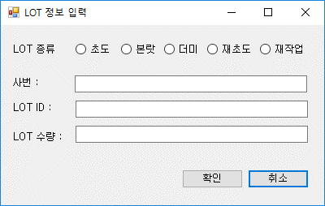

계속
 | 2. 추가 항목 수기 입력
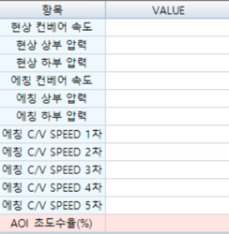

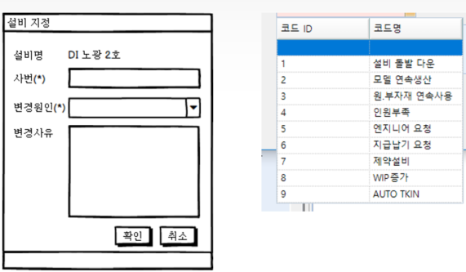
계속
 | 3. 지정 호기 변경 사유 입력

S2F41
1. L[2] L
1. A[8] RCMD="POP_CONDITION"
2. L[12]
1. L[2] CPLIST
1. A[5] CPNAME="LOTID"
2. A[12] CPVAL1=“11913730006S"
2. L[2] CPLIST
1. A[5] CPNAME="TOOLNO" Desc=[TOOL NO]
2. A[11] CPVAL2=“PHX01296-14"
3. L[2] CPLIST
1. A[4] CPNAME="PROCCD" Desc=[공정코드]
2. A[5] CPVAL3=“R0790"
4. L[2] CPLIST
1. A[6] CPNAME="PROCNAME" Desc=[공정명칭]
2. A[7] CPVAL4=＂PSR노광"
5. L[2] CPLIST
1. A[4] CPNAME="WORKCONDITION" Desc=[작업조건]
2. A[22] CPVAL5=“SRO OPEN SIZE 240 ± 20"
6. L[n] CPLIST
1. A[3] CPNAME="" Desc=[컬럼명, 구분자(#)]
2. L[n] CPVAL [RowCount]
1. A[0] ROWVAL="" Desc=[GridValue_01, 구분자(#)]
2. A[0] ROWVAL="" Desc=[GridValue_02, 구분자(#)]
…
n. A[0] ROWVAL="" Desc=[GridValue_n, 구분자(#)]
계속
 | 4. 공정 작업 조건 정보 제공 화면
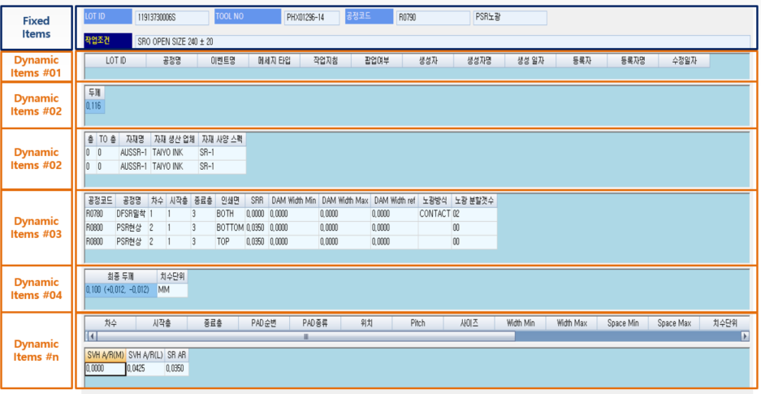

계속
 | 5. 가동 Loss 사유 입력
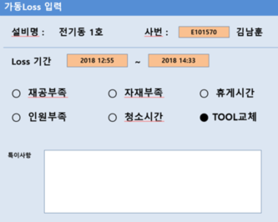

계속

 | * 레시피 ID 정리 건
 | 현 RecipeID 를 RMS 시스템에서 바로 사용할 수 없음

 | 레시피를 RMS 시스템에 등록할 레시피로 변경 필요
 | 이때, 사용자가 기존에 사용하던 레시피 이름을 한 화면에 표기되길 원할 수 있음
 | 특히 레시피 명에 공정조건 정보가 포함된 경우
 | 이 경우 레시피명 표기 화면에 추가 디자인이 필요할 수 있음
 | 신규 RecipeID | 부가 정보로서 공정정보포함된 구 RecipeID

끝

