figures
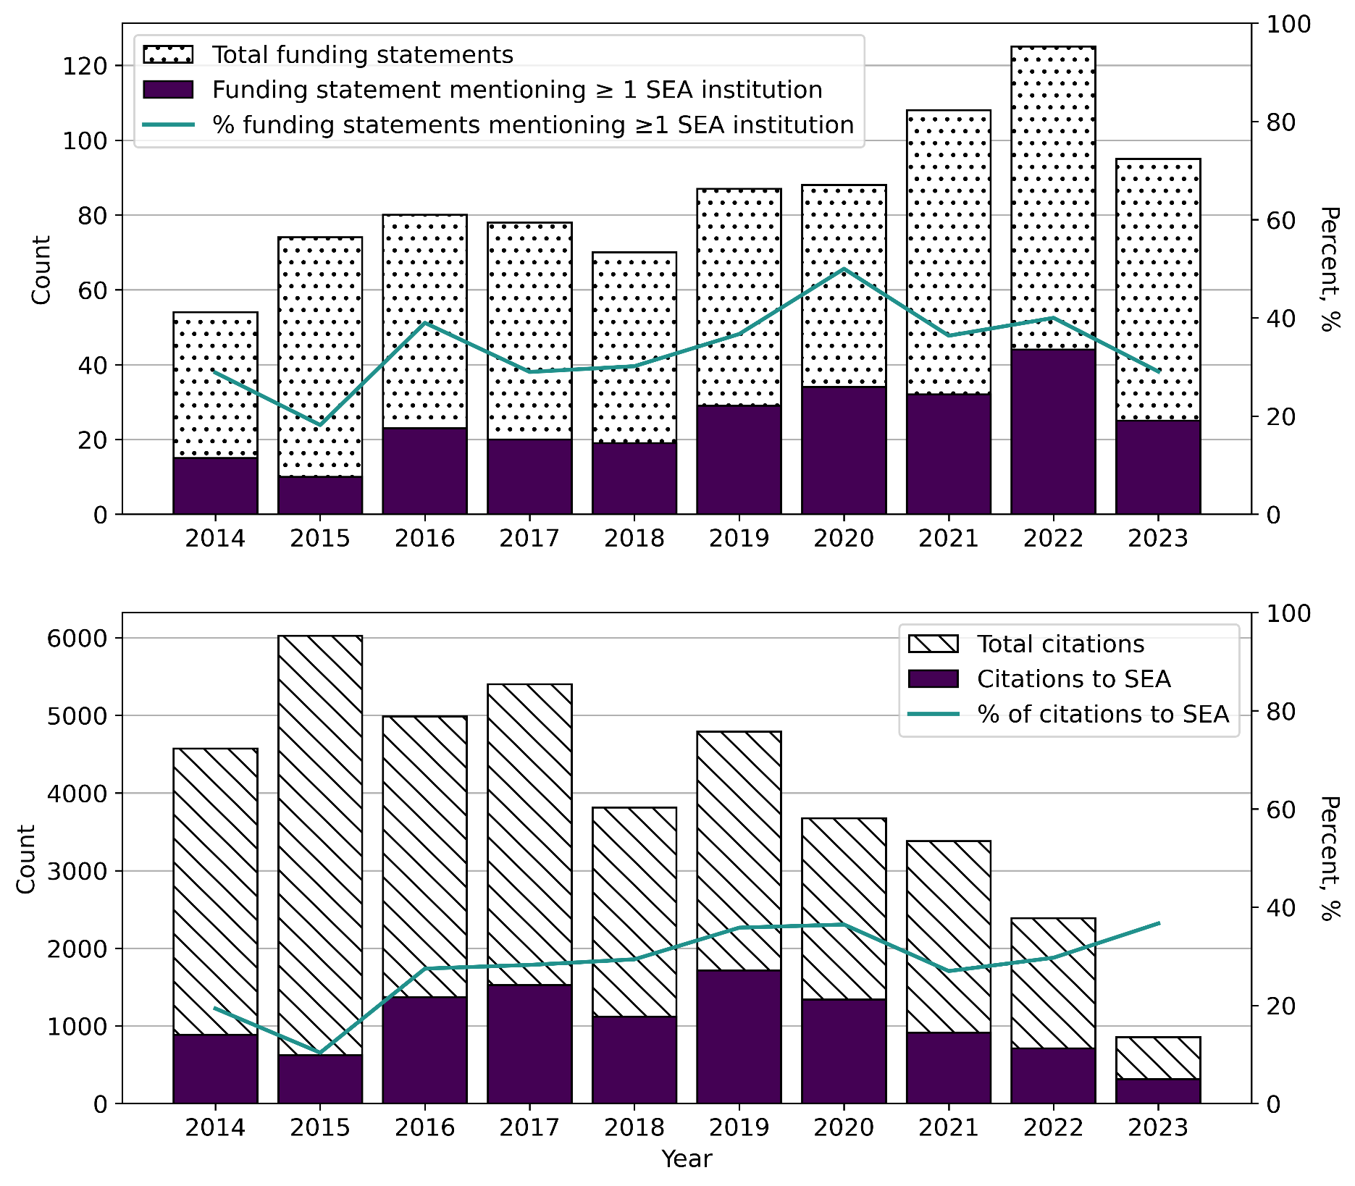

Figure S1. Top: Bar plots of the yearly count of published articles with funding statements (dotted) and statements that acknowledged at least one SEA-based institution (purple). Line plot shows the yearly proportion of articles supported by at least one SEA institution, in percent; Bottom: Bar plots of the yearly overall citations (hashed) and citations towards SEA authors (purple). Line plot shows the yearly percentage share of SEA authors in the total citation. Citation data is as of January 15, 2025.

