supp_figures_tables
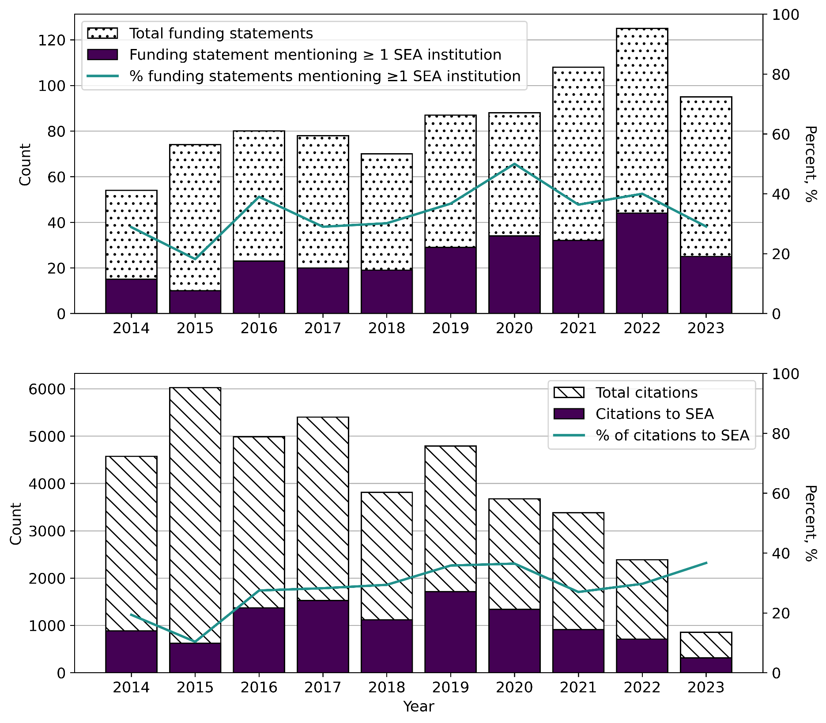
 | Table S1. 2023 population data for SEA and selected countries (World Bank, 2025)
 | Country | Population, 2023
 | China | 1,410,710,000
 | USA | 334,914,895
 | Japan | 124,516,650
 | Indonesia | 281,190,067
 | Philippines | 114,891,199
 | Vietnam | 100,352,192
 | Thailand | 71,702,435
 | Myanmar | 54,133,798
 | Malaysia | 35,126,298
 | Cambodia | 17,423,880
 | Laos | 7,664,993
 | Singapore | 5,917,648
 | Timor-Leste | 1,384,286
 | Brunei | 458,949
 | All SEA | 690,245,745

 | China alone is larger than all the SEA countries combined, while the USA has a bigger population than individual SEA countries. However, measuring research productivity based on authorship per capita may not provide a meaningful comparison, as research output is directly influenced by other factors such as a country’s R&D investment relative to its Gross Domestic Product (GDP). For example, the Philippines (0.8 author country-affiliation counts per million people, calculated from Tables 2 and 3) and Indonesia (0.7) have the highest population counts within SEA; however, their research productivity is less than that of smaller countries such as Malaysia (5.3), Singapore (17.2), and Thailand (1.6), SEA countries with higher investments in R&D (Figure 7). A comparison can also be made between Japan and the Philippines, whose population sizes are not as drastically different as those of China or the USA, yet Japan's scientific productivity in SEA climate research (1.8 author country-affiliation counts per million people) is still higher than that of the Philippines (0.8).

Figure S1. Top: Bar plots of the yearly count of published articles with funding statements (dotted) and statements that acknowledged at least one SEA-based institution (purple). Line plot shows the yearly proportion of articles supported by at least one SEA institution, in percent; Bottom: Bar plots of the yearly overall citations (hashed) and citations towards SEA authors (purple). Line plot shows the yearly percentage share of SEA authors in the total citation. Citation data is as of January 15, 2025.

