UX
 | Comment - Make Rapid Prototying text on one line
 | same banner header as landing page

Rapid prototyping aims to empower you transform your ideas to life, rapidly to test desirability, feasibility and viability | overarching comment of what Rapid prototyping/service is - what it tries to achieve
 | Why

 | What is our service?

Rapid Prototyping ideas and concepts through storyboards, wireframes or interactive concepts. We also equip you with devices to showcase your designs to stakeholders.
Develop Immersive Experience prototypes (Virtual Reality, Augmented Reality and Mixed Reality) that leverage on emerging technologies such as Microsoft HoloLens and HTC Vive.
Develop Applications for web and mobile (iOS, Android and Windows) through an end-to-end global delivery team to progress your prototypes to a functional application.

 | Comment - when you hover over the 3 boxes, it brings up why use us

What you could get
What you could get
What you could get

Storyboards
Wireframes
Prototypes
Virtual
Augmented
Mixed
Platform
Service
Support
Articulate your concept through a user workflow
Create a journey map of how your users would engage with your idea
Validate the desirability of your idea
Prototypes are focussed on increasing the fidelity of ideas (e.g. from storyboards to clickable app) for further
Test your ideas on real users
Fail fast, fail early on prototypes
Create polished, clickable prototypes that can show (not tell) your stakeholders about ideas
Bring your ideas to life
Also known as immersive multimedia or computer-simulated reality, is a computer technology that replicates an environment, real or imagined, and simulates a user's physical presence and environment to allow for user interaction.
Augmented reality is a digitally enhanced view of the real world. Turn any object, image, or place into an opportunity for AR. Watch everyday things come to life with graphics, animation, video, audio, and 3D content.
Also referred to as hybrid reality, is the merging of real and virtual worlds to produce new environments and visualizations where physical and digital objects co-exist and interact in real time.
- ios
- android
- desktop/windows
Projects will be delivered through agile methodology
Estimates will include testing and warranty support post application go live of 3 weeks

What you get would be an interactive application prototype (not a fully functiioning application but enough to prove out the desirability and feasibility of your concept)
What you get would be an interactive application prototype (not a fully functiioning application but enough to prove out the desirability and feasibility of your concept)
Case Studies

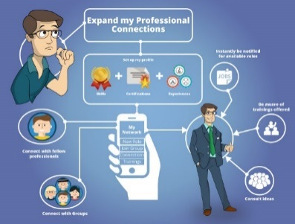
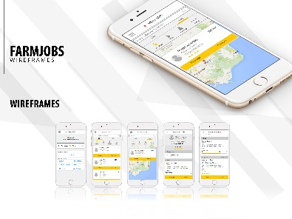
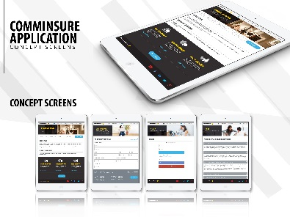

 | When they click on "tell me more" - it shows customer journey/testimonials, etc - essentially how did we execute it.

Tell me more
Tell me more
Tell me more

Engagement - What would it look like?

Rapid Prototying
Immersive Experiences
Appliation Development

- 1 x 2 hour concept workshop,
- 2 x playback sessions,
- 2-3 iterations of the prototype
What you get would be an interactive application prototype/application (not a fully functiioning application but enough to prove out the desirability and feasibility of your concept)
Cost of engagement:
Daily Rate $1,435.50 (on-site lead)
Daily Rate: $668.50 (off-site delivery personnel)

 | "Sign me up" links to form - that will include "Things you need to know"

$7.5K

Sign me Up!
Sign me Up!
Sign me Up!

Coaching
 | Comment - Make text on one line
 | same banner header as landing page

Innovation Capability Coaching supports and empowers our people to explore and solve their business problem / opportunities through an empathic, creative and test and learn approach | overarching comment of what Rapid prototyping/service is - what it tries to achieve
 | Why



 | What is our service?

Coaching
Facilitation
Training

Advice / Planning –we guide your team on how to approach your business challenge and help to map out a project plan
Learn via doing – We teach the ‘why’ and demonstrate the ‘how’ to guide you through your innovation journey
Coaching for projects – Step by step guidance / coaching through E2E Design Thinking / Experimentation process
Designathons –Similar to a Hackathon, we attempt to solve a challenge in 1-2 days
DT / Experimentation Workshops - From Defining the problem to Pitching the idea. Coaches take the hard work out of preparing and running workshops
Team off-sites - Engaging and high energy sessions to bring the best out of your team.
Formal Training - from 3 hour awareness session to a 2 day sound course (available via PeopleLink)
Tailored Training – we can tailor training courses according to the needs of your team
Masterclasses - deep dive sessions on a specific topic area

 | Comment - when you hover over the 3 boxes, it brings up why use us

What you could get

Coaching
Facilitation
Training

- up to 5 facilitated 3 hour workshops
- up to 5 coaching/planning sessions
- up to 5 customer empathy sessions
- access to all DT Tools/templates
on call support
XX
Hands-on experience
Tools and tips
best practices
classes are minimum of 12 people

Case Studies

Case Study 1
Case Study 1
Case Study 1
 | When they click on "tell me more" - it shows customer journey/testimonials, etc - essentially how did we execute it.

 | When you hover over the case study image it shwos the challenge statement being solved

Tell me more
Tell me more
Tell me more

Engagement - What would it look like?

Potential costs

Coaching
Facilitation
Training
Cost - $10k for average 3 month project
Cost –$1.5-$4k depending on group size and prep
Cost – $500 pp for 1 full day course
 | "Sign me up" links to form - that will include "Things you need to know"

Sign me Up!
Sign me Up!
Sign me Up!

Unleashing
 | Comment - Make text on one line
 | same banner header as landing page

In unison, the objective of the three frameworks is to:

 | overarching comment of what Rapid prototyping/service is - what it tries to achieve
 | Why

 | What is our service?

Enhance our Group wide idea management capabilities by effectively scaling the collection, connection, tracking and management of ideas.
Empower our employees by creating a singular destination for them to be able to submit their ideas and collaborate with others to drive a culture of bottom up innovation.
Create a consistent and connected innovation and idea management ecosystem that leverages all innovation assets across the Group.

What you could get

‘Unleashing Innovation’ is the CommBank Group’s idea collection and management platform, that offers the following frameworks to each BU, SU and Subsidiary across the Group:
 |  | Comment - when you hover over the 3 boxes, it brings additional information. Example - Timebound - would bring up the first blue box. The other 2 will bring up the second blue box




Time bound, innovation challenges that are focused on solving specific questions/problems/opportunities across the Group.
Continuous innovation channels for capturing new ideas that the business can manage, review, prioritise and implement.
Continuous improvement channels for collecting and tracking the benefits of implemented continuous improvements within a given business.
Platform
Services
Support
Platform
Services
Support

Platform setup, configuration & pre-challenge testing
UX/visual design to match sponsor branding requirements
Customised, automated reporting
Unlimited CBA Group user licenses
Usage of single sign on for user access & management
1x ‘Blueprint’ workshop with stakeholders to define challenge context, platform requirements & idea management process
Weekly ‘Challenge Scrums’ for challenge project team
1x ‘Expert Review’ workshop to select winning ideas
2x Training sessions for challenge project team
24/7 technical platform support system (from vendor)
Dedicated CommBank platform specialist for mid-challenge changes, issue management & queries
Platform setup, configuration & pre-launch testing for channel
UX/visual design to match sponsor branding requirements
Customised, automated reporting (with access to self service portal)
Unlimited CommBank Group user licenses for platform
Usage of single sign on for user access & management
Idea management consulting and design workshops to bring channel(s) to life
Training sessions for administrators and moderators (w/ materials)
Quarterly channel reviews with innovation consultant
Access to monthly administrator guild
2x Innovation challenges p.a.
24/7 technical platform support system (from vendor)
Dedicated CommBank platform specialist for channel changes, issue management & queries
Quarterly training refreshers for administrators and moderators

Case Studies

Tell me more
Tell me more
 | When they click on "tell me more" - it shows customer journey/testimonials, etc - essentially how did we execute it.
Tell me more

Engagement - What would it look like?
Time-bound challenge activities:
access to platform for challenge period
on call support
3 x review sessions
Continuous Improvement activities:
Unlimited access to platform for the whole year
on call support
3 x review sessions

$5K
$20K p.a.
 | "Sign me up" links to form - that will include "Things you need to know"

Sign me Up!
Sign me Up!

