ktn_imputedmatrix_2020
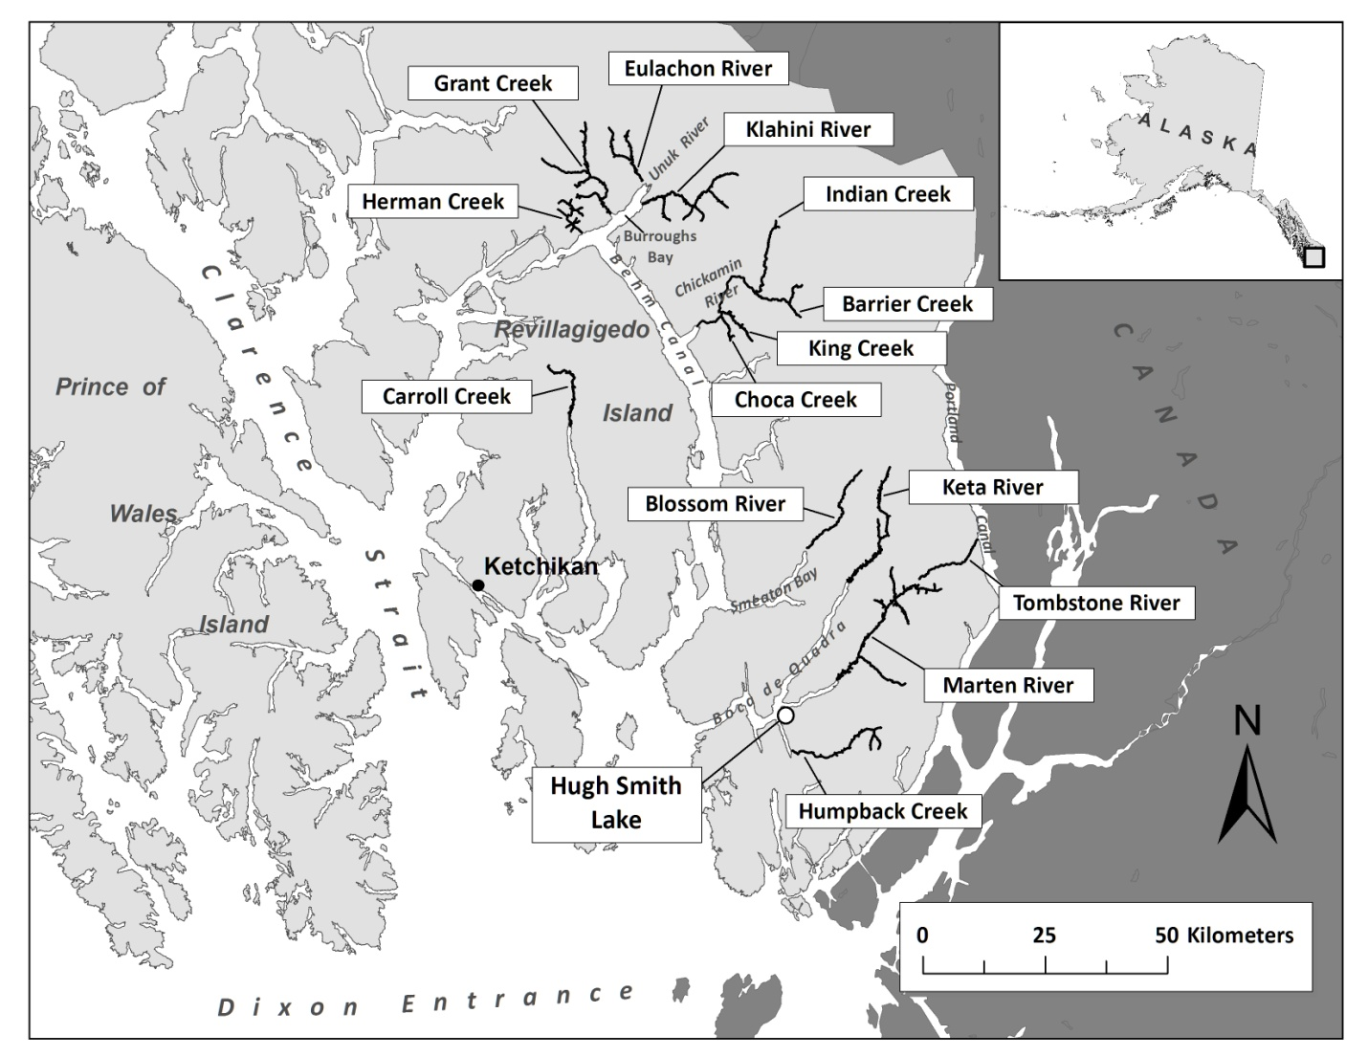
Year | Carroll Creek | Herman Creek | Grant Creek | Eulachon River | Klahini River | Indian Creek | Barrier Creek | King Creek | Choca Creek | Blossom River | Keta River | Tombstone River | Marten River | Humpback Creek | Ketchikan Survey Index
1987 | 180 | 92 | 90 | 154 | 65 | 350 | 114 | 227 | 138 | 700 | 800 | 532 | 740 | 650 | 4,833
1988 | 193 | 72 | 150 | 205 | 20 | 300 | 50 | 175 | 150 | 790 | 850 | 1,400 | 600 | 52 | 5,007
1989 | 314 | 75 | 101 | 290 | 15 | 925 | 450 | 510 | 200 | 1,000 | 650 | 950 | 1,175 | 350 | 7,005
1990 | 158 | 150 | 30 | 235 | 150 | 256 | 83 | 35 | 101 | 800 | 550 | 275 | 575 | 135 | 3,533
1991 | 375 | 245 | 50 | 285 | 50 | 550 | 100 | 300 | 220 | 725 | 800 | 775 | 575 | 671 | 5,721
1992 | 360 | 115 | 270 | 860 | 90 | 675 | 100 | 250 | 150 | 650 | 627 | 1,035 | 1,285 | 550 | 7,017
1993 | 310 | 90 | 175 | 460 | 50 | 475 | 325 | 110 | 300 | 850 | 725 | 1,275 | 1,525 | 600 | 7,270
1994 | 475 | 265 | 220 | 755 | 200 | 560 | 175 | 325 | 225 | 775 | 1,100 | 850 | 2,205 | 560 | 8,690
1995 | 400 | 250 | 94 | 435 | 165 | 600 | 220 | 415 | 179 | 800 | 1,155 | 2,446 | 1,385 | 82 | 8,626
1996 | 240 | 94 | 92 | 383 | 40 | 570 | 230 | 457 | 220 | 829 | 1,506 | 1,806 | 1,924 | 440 | 8,831
1997 | 140 | 75 | 94 | 420 | 60 | 365 | 118 | 237 | 175 | 1,143 | 571 | 847 | 759 | 32 | 5,037
1998 | 320 | 94 | 130 | 460 | 120 | 304 | 50 | 411 | 190 | 1,004 | 1,169 | 666 | 1,961 | 256 | 7,135
1999 | 425 | 75 | 127 | 657 | 150 | 356 | 25 | 627 | 225 | 598 | 1,895 | 840 | 1,518 | 520 | 8,038
2000 | 275 | 135 | 94 | 600 | 110 | 380 | 72 | 620 | 180 | 1,354 | 1,619 | 1,672 | 1,421 | 102 | 8,634
2001 | 173 | 80 | 110 | 929 | 151 | 1,140 | 263 | 891 | 450 | 1,561 | 1,744 | 1,912 | 1,956 | 506 | 11,866
2002 | 270 | 88 | 138 | 1,105 | 20 | 940 | 70 | 700 | 220 | 1,359 | 1,368 | 1,639 | 2,302 | 2,004 | 12,223
2003 | 459 | 242 | 196 | 875 | 39 | 690 | 57 | 1,140 | 380 | 1,940 | 1,934 | 1,745 | 1,980 | 214 | 11,890
2004 | 455 | 150 | 230 | 801 | 170 | 935 | 250 | 640 | 180 | 1,005 | 1,200 | 823 | 3,215 | 1,230 | 11,284
2005 | 500 | 510 | 300 | 1,240 | 360 | 890 | 190 | 810 | 270 | 3,680 | 3,290 | 1,170 | 1,130 | 500 | 14,840
2006 | 264 | 165 | 118 | 190 | 176 | 280 | 30 | 405 | 130 | 2,300 | 645 | 1,600 | 335 | 260 | 6,898
2007 | 185 | 134 | 75 | 333 | 35 | 245 | 15 | 290 | 210 | 990 | 970 | 713 | 351 | 286 | 4,832
2008 | 637 | 115 | 55 | 570 | 25 | 1,250 | 23 | 420 | 100 | 7,100 | 2,478 | 360 | 925 | 2,600 | 16,658
2009 | 1,100 | 154 | 330 | 330 | 340 | 750 | 110 | 1,050 | 100 | 1,490 | 315 | 225 | 1,675 | 700 | 8,670
2010 | 194 | 85 | 102 | 370 | 61 | 880 | 90 | 570 | 190 | 350 | 550 | 604 | 350 | 200 | 4,596
2011 | 215 | 91 | 86 | 350 | 68 | 175 | 82 | 110 | 85 | 1,235 | 730 | 670 | 350 | 850 | 5,097
2012 | 330 | 25 | 60 | 400 | 160 | 170 | 40 | 686 | 110 | 2,400 | 3,300 | 1,250 | 2,650 | 360 | 11,940
2013 | 215 | 191 | 184 | 715 | 151 | 784 | 174 | 648 | 265 | 2,140 | 1,560 | 1,340 | 2,370 | 550 | 11,287
2014 | 220 | 425 | 80 | 660 | 225 | 1,500 | 259 | 850 | 400 | 2,000 | 1,300 | 5,000 | 2,749 | 1,127 | 16,795
2015 | 450 | 20 | 200 | 550 | 134 | 1,200 | 155 | 550 | 200 | 2,310 | 1,470 | 1,035 | 1,555 | 210 | 10,039
2016 | 750 | 160 | 25 | 810 | 450 | 370 | 90 | 540 | 314 | 3,070 | 2,470 | 1,970 | 2,120 | 280 | 13,419
2017 | 285 | 40 | 173 | 540 | 280 | 850 | 20 | 100 | 240 | 3,100 | 2,450 | 980 | 1,675 | 830 | 11,563
2018 | 160 | 75 | 55 | 280 | 70 | 610 | 200 | 595 | 110 | 3,100 | 3,300 | 2,700 | 1,750 | 880 | 13,886
2019 | 60 | 240 | 60 | 220 | 115 | 420 | 20 | 800 | 700 | 2,200 | 570 | 500 | 1,410 | 600 | 7,915
2020 | 20 | 280 | 80 | 2,200 | 100 | 950 | 30 | 850 | 60 | 1,800 | 1,400 | 440 | 200 | 200 | 8,610
2010–2019 Average | 264 | 148 | 100 | 645 | 165 | 719 | 105 | 573 | 243 | 2,155 | 1,736 | 1,499 | 1,562 | 553 | 10,468

