Sheet1
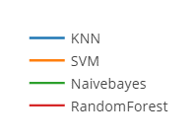
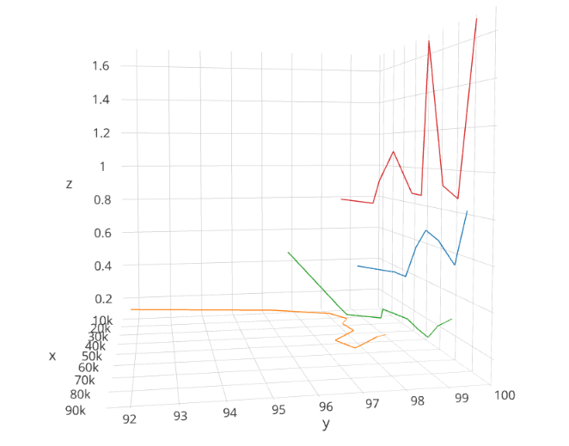
Original Sample Size |  | 88588 |  | Original Sampling rate |  |  | 20ms | Frequency | 50
Sample Size | 8858 | 17717 | 26576 | 35435 | 44294 | 53152 | 62011 | 70870 | 79729 | 88588
no.Windows | 354.32 | 708.68 | 1063.04 | 1417.4 | 1771.76 | 2126.08 | 2480.44 | 2834.8 | 3189.16 | 3543.52
SVM
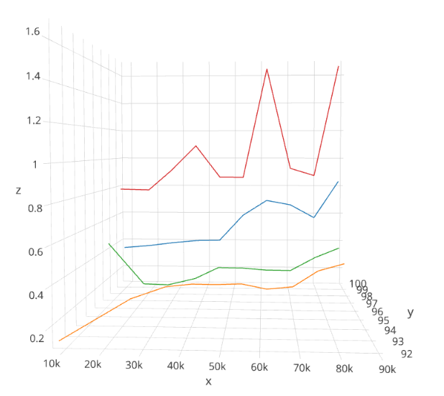
Accuracy | 91.75 | 96.13 | 97.805 | 98.1108 | 97.7365 | 97.8228 | 97.0775 | 97.365 | 97.654 | 97.5706
Time Taken(ms) | 0.1369 | 0.1382 | 0.143 | 0.14933 | 0.16384 | 0.166826 | 0.1663999 | 0.170667 | 0.26539 | 0.3178
KNN
Accuracy | 99.18 | 99.58 | 99.346 | 99.5788 | 99.60476 | 99.57807 | 99.5151 | 99.503759 | 99.561 | 99.4624
Time Taken(ms) | 0.3622 | 0.3661 | 0.3938 | 0.40448 | 0.407466 | 0.590079 | 0.698453 | 0.66816 | 0.576 | 0.83669
NaiveBayes
Accuracy | 96.82 | 98.3523 | 98.342 | 99.1626 | 98.927 | 99.3433 | 99.3134 | 99.25563 | 99.1517 | 99.1251
Time Taken(ms) | 0.4616 | 0.1373 | 0.132824 | 0.14464 | 0.233386 | 0.21589 | 0.20394 | 0.204799 | 0.30122 | 0.37205
RandomForest
Accuracy | 98.61 | 99.438 | 99.364 | 99.5123 | 99.774 | 99.7198 | 99.5551 | 99.6103 | 99.6245 | 99.6325
Time Taken(ms) | 0.788 | 0.7727 | 0.91691 | 1.08928 | 0.862293 | 0.8614 | 1.6354 | 0.928 | 0.8768 | 1.6541

 |  | https://plot.ly/~e0032186/1/#plot

