Sheet1
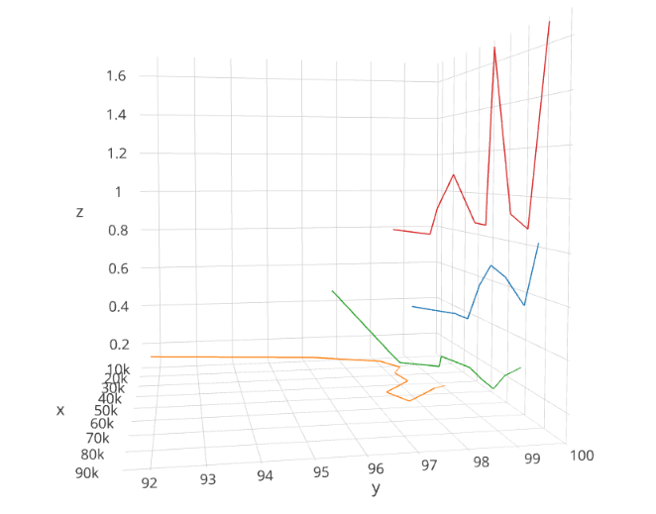
Original Sample Size |  | 88588 |  | Original Sampling rate |  |  | 20ms | Frequency | 50
Sample Size | 8858 | 17717 | 26576 | 35435 | 44294 | 53152 | 62011 | 70870 | 79729 | 88588
no.Windows | 354.32 | 708.68 | 1063.04 | 1417.4 | 1771.76 | 2126.08 | 2480.44 | 2834.8 | 3189.16 | 3543.52
SVM
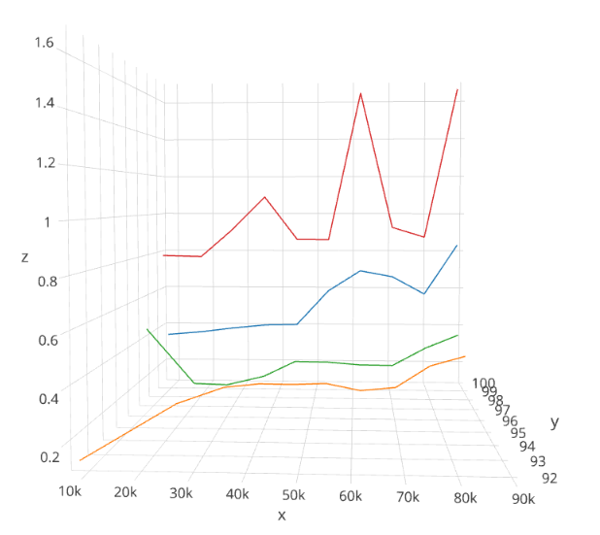
Accuracy | 91.75 | 96.13 | 97.805 | 98.1108 | 97.7365 | 97.8228 | 97.0775 | 97.365 | 97.654 | 97.5706
Time Taken(ms) | 0.1369 | 0.1382 | 0.143 | 0.14933 | 0.16384 | 0.166826 | 0.1663999 | 0.170667 | 0.26539 | 0.3178
KNN
Accuracy | 99.18 | 99.58 | 99.346 | 99.5788 | 99.60476 | 99.57807 | 99.5151 | 99.503759 | 99.561 | 99.4624
Time Taken(ms) | 0.3622 | 0.3661 | 0.3938 | 0.40448 | 0.407466 | 0.590079 | 0.698453 | 0.66816 | 0.576 | 0.83669
NaiveBayes
Accuracy | 96.82 | 98.3523 | 98.342 | 99.1626 | 98.927 | 99.3433 | 99.3134 | 99.25563 | 99.1517 | 99.1251
Time Taken(ms) | 0.4616 | 0.1373 | 0.132824 | 0.14464 | 0.233386 | 0.21589 | 0.20394 | 0.204799 | 0.30122 | 0.37205
RandomForest
Accuracy | 98.61 | 99.438 | 99.364 | 99.5123 | 99.774 | 99.7198 | 99.5551 | 99.6103 | 99.6245 | 99.6325
Time Taken(ms) | 0.788 | 0.7727 | 0.91691 | 1.08928 | 0.862293 | 0.8614 | 1.6354 | 0.928 | 0.8768 | 1.6541

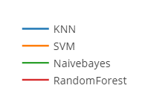

Conclude, Variable in the frequency domain is essential for instantaneous movement detection, as they are very sensitive to small changes.
https://plot.ly/~e0032186/1/#plot
Which Model Performed better, and why?
Random forest is robust in overfitting , naïve bayes is very fragile to overfitting
KNN is subjective to bad features, selecting feature might be troublesome, choosing k is troublesome also, works better in low dimensional space with a lot of points
SVM is good with outlier, it generally works better with high dimensional space, little points (Finds a linear line to split data)
For small sample size, KNN and Random forest gives highest accuracy.

What do you think makes the activities different and separable in your chosen modalities?

Top 5 features : | 11,10,5,7,35
11 | PSD,AccY
10 | Maximum, AccY
5 | PSD,AccX
7 | Median,AccY
35 | PSD, gyroZ

Then, pick one sample from your dataset and show us which activity it is classified into.
Run allalgo.

