Eval 6 tac vu
STT | Tác vụ | Prompt | Ảnh
Sinh ảnh từ text (5 case)
1 | T2I t2i_01 | Chân dung cận nửa người một cô gái Việt Nam khoảng 25 tuổi mặc áo dài đỏ, tóc đen dài, đứng trước bức tường vàng cũ, ánh sáng tự nhiên từ cửa sổ bên trái, ảnh chụp chân thực, chi tiết cao | 
2 | T2I t2i_02 | Ảnh sản phẩm: một chai nước mắm thủy tinh trong suốt, nhãn giấy màu nâu, đặt trên bàn gỗ mộc, nền trắng studio, ánh sáng mềm, bóng đổ nhẹ, chụp chân thực | 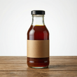
3 | T2I t2i_03 | Ruộng bậc thang Sa Pa mùa lúa chín vàng, sáng sớm có mây trắng bồng bềnh phía dưới thung lũng, một căn nhà sàn nhỏ bên sườn đồi, ảnh phong cảnh chân thực, góc rộng | 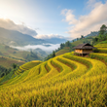
4 | T2I t2i_04 | Quán cà phê vỉa hè Sài Gòn buổi sáng: đúng ba chiếc ghế nhựa màu đỏ và một chiếc bàn nhựa thấp màu xanh, vỉa hè lát gạch, phía sau là bức tường có cửa sắt xanh, không có người, ảnh chụp chân thực | 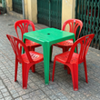
5 | T2I t2i_05 | Một con mèo mướp xám ngồi trên yên chiếc xe máy Honda cũ màu xanh đậu trong con hẻm nhỏ Hà Nội, tường gạch loang lổ, ánh nắng chiều xiên, ảnh chân thực, chi tiết cao | 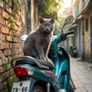
Local Edit (5 case)
6 | LocalEdit loc_01 | Change the color of her ao dai from red to royal blue. Keep her face, hair, pose, the wall and the lighting exactly the same. | 
7 | LocalEdit loc_02 | Remove the cat completely. The motorbike seat where it was sitting should look natural and empty. Keep everything else exactly the same. | 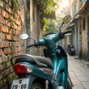
8 | LocalEdit loc_03 | Add one glass of Vietnamese iced milk coffee on the blue table. Keep the three red chairs, the table, and the background exactly the same. | 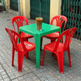
9 | LocalEdit loc_04 | Change the bottle's paper label from brown to dark green. Keep the bottle shape, the liquid, the wooden table and the white background exactly the same. | 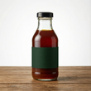
10 | LocalEdit loc_05 | Replace the small stilt house with a large old tree. Keep the terraces, the clouds and the lighting exactly the same. | 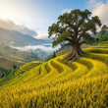
Global Edit (5 case)
11 | GlobalEdit glo_01 | Change the season: the terraces are now flooded with water during the planting season, reflecting the sky like mirrors. Keep the same composition and viewpoint. | 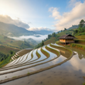
12 | GlobalEdit glo_02 | Make it night time with warm neon shop lights and wet pavement after rain. Keep the same chairs, table and composition. | 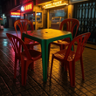
13 | GlobalEdit glo_03 | Convert to a black and white film photograph with fine grain and soft contrast. Keep the person, pose and composition identical. | 
14 | GlobalEdit glo_04 | Turn the whole image into a watercolor painting with soft washes and visible paper texture. Keep the cat, the motorbike and the alley composition. | 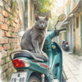
15 | GlobalEdit glo_05 | Change the color grading to warm golden-hour tones with soft amber light. Keep the bottle, the table and the framing exactly the same. | 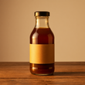
Structure Edit (5 case)
16 | StructureEdit str_01 | She turns her head to look to her left, in profile. Keep her face identity, her ao dai, the wall and the lighting the same. | 
17 | StructureEdit str_02 | The cat stands up on all four legs and stretches its back. Keep the same cat, the same motorbike and the same alley. | 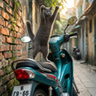
18 | StructureEdit str_03 | There are now exactly five red plastic chairs around the table instead of three. Keep the same chairs style, table and background. | 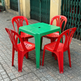
19 | StructureEdit str_04 | Change the camera to a top-down view looking straight down at the bottle on the table. Keep the same bottle, table and white background. | 
20 | StructureEdit str_05 | Zoom out to a full-body shot: she is standing, and we see her whole ao dai down to her feet. Keep her identity, outfit, the wall and lighting. | 
Ref Gen (5 case)
21 | RefGen ref_01 | Generate a new photo of this exact same bottle placed on white sand at a tropical beach at sunset, with the sea in the background. Keep the bottle and its label identical. | 
22 | RefGen ref_02 | Generate a new photo of this same woman, same face and same ao dai, walking through a busy Vietnamese wet market holding a basket. | 
23 | RefGen ref_03 | Generate a new photo of this same cat, same fur pattern, lying on a grey sofa in a modern living room. | 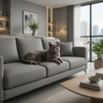
24 | RefGen ref_04 | Generate a new landscape with the same terraced composition and viewpoint, but as sand dunes in a desert at sunset. | 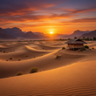
25 | RefGen ref_05 | Generate a new photo in the same photographic style and color palette, but showing a Hoi An old-town street at night with hanging silk lanterns. | 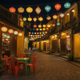
Multi-Ref (5 case)
26 | MultiRef mref_01 | Place the woman from image 1 standing in the terraced rice field landscape of image 2, in the foreground. Keep her face, hair and ao dai exactly as in image 1, and match the morning light of image 2. | 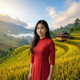
27 | MultiRef mref_02 | Place the bottle from image 1 on the blue table in the cafe scene of image 2. Keep the bottle and label identical, and keep the three red chairs of image 2. | 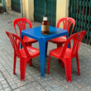
28 | MultiRef mref_03 | Place the cat from image 1 sitting on the edge of a rice terrace in the landscape of image 2. Keep the same cat fur pattern. | 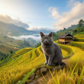
29 | MultiRef mref_04 | The woman from image 1 is holding the cat from image 2 in her arms, in the alley scene of image 2. Keep both the woman's face and the cat's fur pattern identical. | 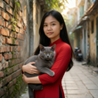
30 | MultiRef mref_05 | The woman from image 1 is holding the bottle from image 2 in her hand, presenting it to the camera, in front of the same yellow wall. Keep her face and the bottle label identical. | 