Sheet1
(a)

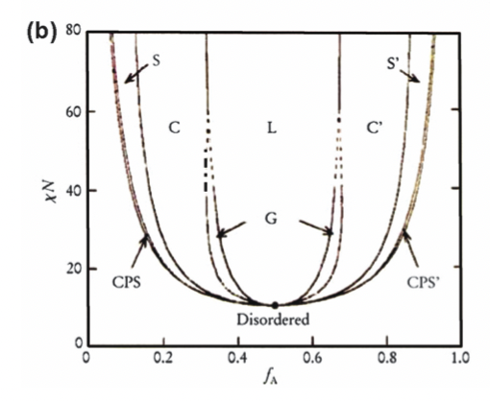
$$f$$
(b)

$$χN$$

$$f$$

