dashboard
Coffee sales dashboard

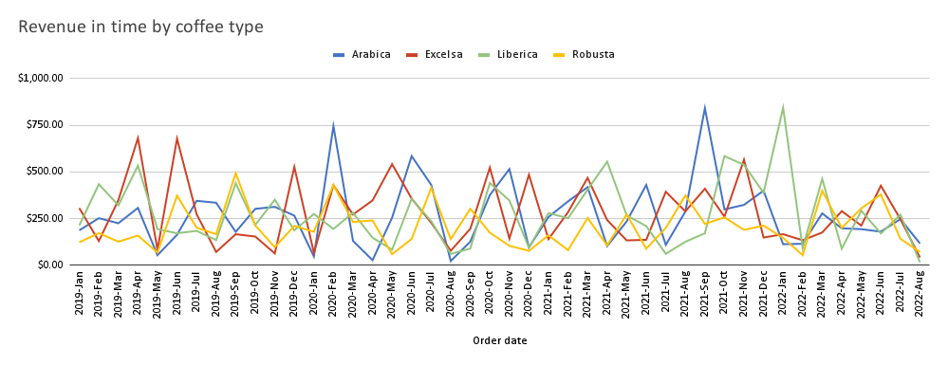

Total |  | Revenue | Orders
 |  | $45,134.26 | 1000

Total revenue, orders and avg sale by coffee/roast type table |  |  |  |  | Total revenue, orders and avg sale by country of order
Coffee type | Roast type | Total revenue | Total orders | Avg sale | Country | Total revenue | Total orders | Average sale
Arabica | Dark | $3,047.69 | 86 | $35.44 | United States | $35,638.89 | 774 | $46.05
Arabica | Light | $4,232.06 | 78 | $54.26 | Ireland | $6,696.87 | 153 | $43.77
Arabica | Medium | $4,488.75 | 100 | $44.89 | United Kingdom | $2,798.51 | 73 | $38.34
Total revenue % by country
Excelsa | Dark | $3,427.52 | 82 | $41.80
Excelsa | Light | $4,796.55 | 81 | $59.22
Excelsa | Medium | $4,082.38 | 84 | $48.60
Liberica | Dark | $4,096.09 | 85 | $48.19
Liberica | Light | $4,566.39 | 87 | $52.49
Liberica | Medium | $3,391.61 | 76 | $44.63
Robusta | Dark | $2,608.03 | 80 | $32.60
Robusta | Light | $3,759.47 | 87 | $43.21
Robusta | Medium | $2,637.75 | 74 | $35.65

Total revenue by coffee/roast type

 |  |  |  |  | Total revenue, orders and avg sale by loyalty card ownership
 |  |  |  |  | Loyalty card | Total revenue | Total orders | Average sale
 |  |  |  |  | No | $24,216.41 | 521 | $46.48
 |  |  |  |  | Yes | $20,917.85 | 479 | $43.67
Total revenue % by loyalty card ownership

pivot table
Arabica, Excelsa, Liberica and Robusta

