Correl_heatmap_features
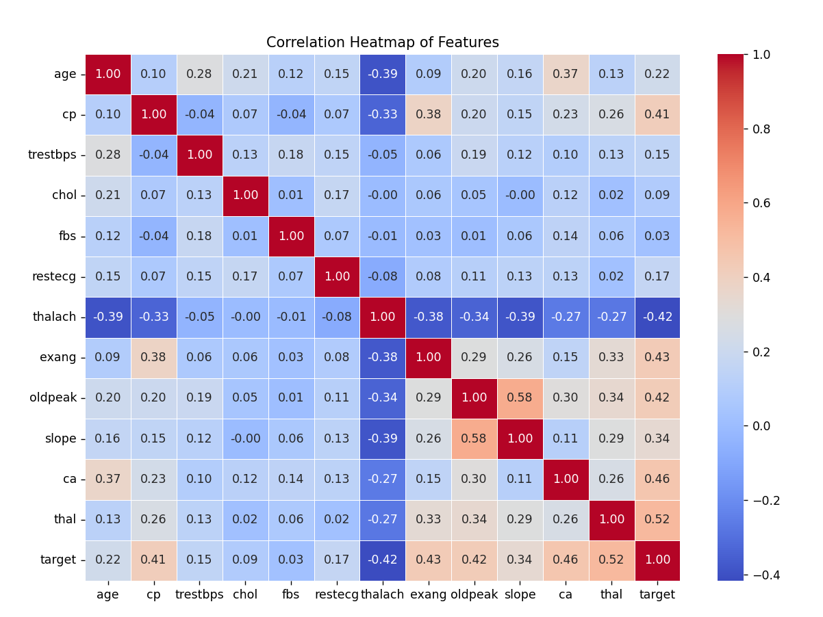
Key Findings:

1. Strongest Correlations with target (Heart Disease)

thal (0.52): The thalassemia test result is highly correlated with heart disease.
ca (0.46): The number of major vessels is a strong predictor.
cp (0.41): Chest pain type is also important.
oldpeak (0.42): ST depression is relevant.
exang (0.43): Exercise-induced angina is positively correlated.

2. Negative Correlations with target

thalach (-0.42): Maximum heart rate achieved is negatively correlated (higher heart rate → lower heart disease risk).
age (-0.22): Older patients tend to have more heart disease, but the correlation is not very strong.

3. Other Important Relationships

oldpeak & slope (0.58): ST depression and slope of ST segment have a strong relationship.
thalach & age (-0.39): Younger patients tend to have a higher maximum heart rate.

max_heart_rate_hist
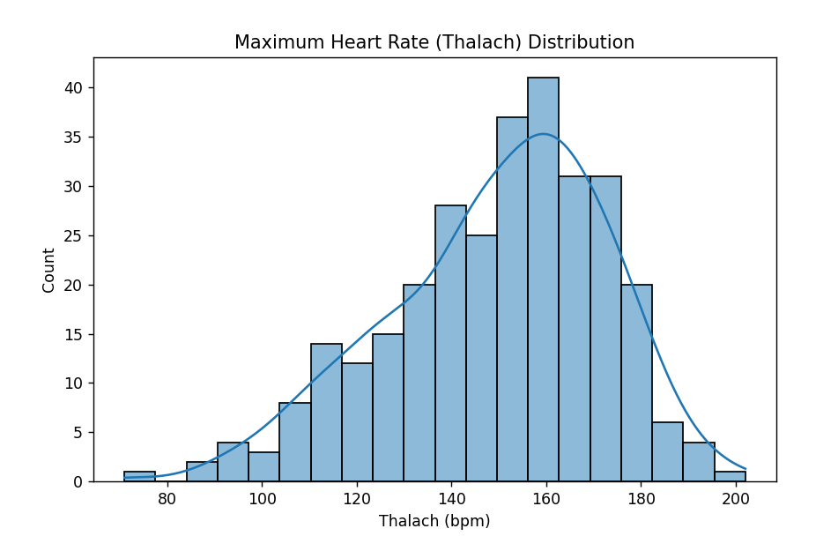

Key Observations from the Maximum Heart Rate Distribution Histogram

1. Bell-Shaped Distribution: The data is roughly normally distributed with a peak around 150-170 bpm.
2. Most Common Heart Rates:
Majority of patients have a thalach between 120-180 bpm.
Fewer patients have very low (<100 bpm) or very high (>190 bpm) heart rates.
3. Possible Outliers:
Some patients have thalach below 80 bpm, which might need further investigation.

chol_level_distrib_hist
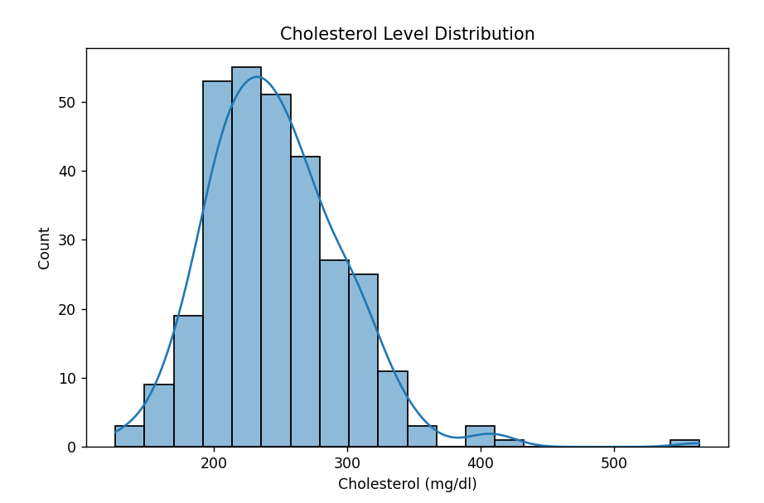

Key Observations:

1. Right-Skewed Distribution

Most cholesterol values fall between 180-300 mg/dL.
There are some extreme values above 400-500 mg/dL which might be outliers.

2. Potential Outliers

A small number of patients have very high cholesterol levels (>400 mg/dL).
These may need to be investigated (e.g., possible measurement errors or rare conditions).

3. Possible Preprocessing Needs

Log transformation might help normalize the skewed distribution.
Consider removing or capping extreme outliers to avoid model bias.

age_dist_of_patients
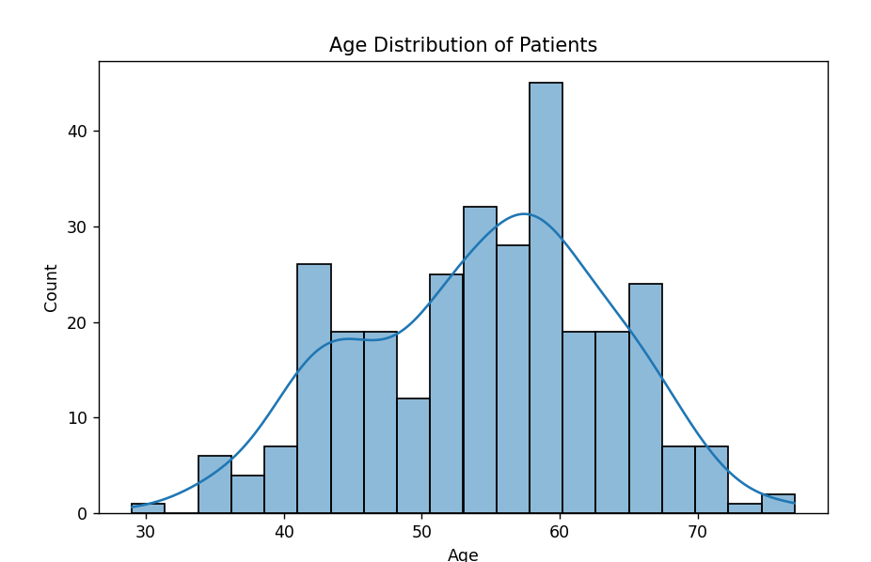
Key Observations:

1. Most Patients are Between 40-65 Years Old

The distribution shows a peak around 55-60 years old.
There are very few patients below 30 or above 75 years old.

2. Possible Slight Right-Skewness

There are more older patients than younger ones.
The KDE curve suggests a slight right skew, meaning more patients in the higher age range.

3. Potential Insights

If we compare age distribution across heart disease (target) classes, we may see older patients being more prone to heart disease.

age_by_heart_disease
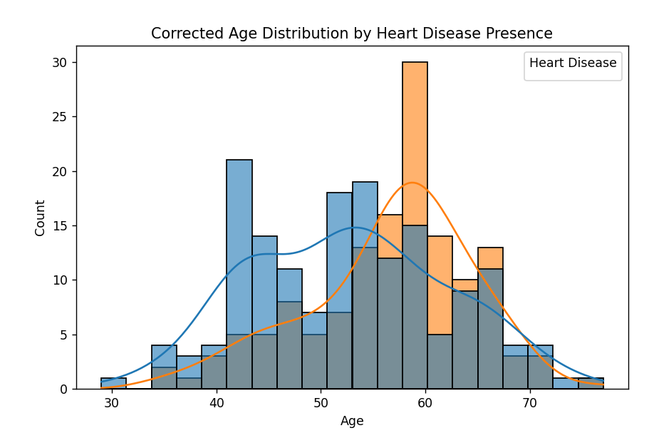
Key Insights

1. Heart Disease Peaks Around 55-65 Years Old

The orange curve (heart disease) peaks around 60 years old.
Most patients with heart disease fall between 50-70 years.

2. No-Disease Cases More Common in Younger Ages

The blue curve (no heart disease) shows more cases below 50 years.
Younger patients have lower risk of heart disease.

3. Balanced Data Distribution

The dataset has a good mix of both classes, making it suitable for classification modeling.

