PositionOrientation
z
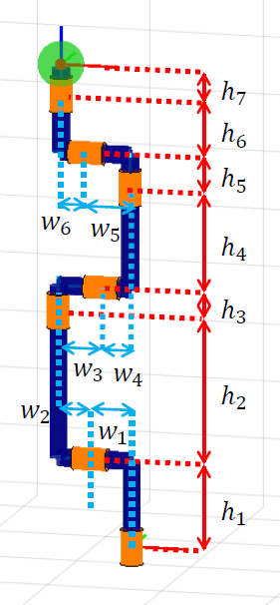
y
Space Coord
# | qx | qy | qz | H | W | omega |  |  | v
End-effector |  |  |  |  |  |  |  |  |  |  |  | h0 | 0.0775
6 | 0 | -0.1864 | 1.267 | 0.168 | -0.069 | 0 | 0 | 1 | -0.1864 | 0 | 0 | h1 | 0.222
5 | 0 | -0.1174 | 1.099 | 0.083 | -0.114 | 0 | -1 | 0 | 1.099 | 0 | 0 | h2 | 0.384
4 | 0 | -0.0034 | 1.016 | 0.267 | 0.075 | 0 | 0 | 1 | -0.0034 | 0 | 0 | h3 | 0.0655
3 | 0 | -0.0784 | 0.749 | 0.0655 | 0.1153 | 0 | -1 | 0 | 0.749 | 0 | 0 | h4 | 0.267
2 | 0 | -0.1937 | 0.6835 | 0.384 | -0.0847 | 0 | 0 | 1 | -0.1937 | 0 | 0 | h5 | 0.083
1 | 0 | -0.109 | 0.2995 | 0.222 | -0.109 | 0 | -1 | 0 | 0.2995 | 0 | 0 | h6 | 0.168
0 | 0 | 0 | 0.0775 | 0.0775 | 0 | 0 | 0 | 1 | 0 | 0 | 0 | h7
 |  |  |  |  |  |  |  |  |  |  |  | w1 | 0.109
 |  |  |  |  |  |  |  |  |  |  |  | w2 | 0.0847
Slist |  |  |  |  |  |  |  | M |  |  |  | w3 | 0.1153
# | v |  |  | omega |  |  |  |  |  |  |  | w4 | 0.075
end-effector |  |  |  |  |  |  |  |  |  |  |  | w5 | 0.114
6 | -0.1864 | 0 | 0 | 0 | 0 | 1 |  |  |  |  |  | w6 | 0.069
5 | 1.099 | 0 | 0 | 0 | -1 | 0
4 | -0.0034 | 0 | 0 | 0 | 0 | 1
3 | 0.749 | 0 | 0 | 0 | -1 | 0
2 | -0.1937 | 0 | 0 | 0 | 0 | 1
1 | 0.2995 | 0 | 0 | 0 | -1 | 0
0 | 0 | 0 | 0 | 0 | 0 | 1

Body Coord
# | qx | qy | qz | H | W | omega |  |  | v
end-effector
6 | 0 | 0 | 0 | 0.168 | -0.069 | 0 | 0 | 1 | 0 | 0 | 0
5 | 0 | 0.069 | -0.168 | 0.083 | -0.114 | 0 | -1 | 0 | -0.168 | 0 | 0
4 | 0 | 0.183 | -0.251 | 0.267 | 0.075 | 0 | 0 | 1 | 0.183 | 0 | 0
3 | 0 | 0.108 | -0.518 | 0.0655 | 0.1153 | 0 | -1 | 0 | -0.518 | 0 | 0
2 | 0 | -0.0073 | -0.5835 | 0.384 | -0.0847 | 0 | 0 | 1 | -0.0073 | 0 | 0
1 | 0 | 0.0774 | -0.9675 | 0.222 | -0.109 | 0 | -1 | 0 | -0.9675 | 0 | 0
0 | 0 | 0.1864 | -1.1895 |  |  | 0 | 0 | 1 | 0.1864 | 0 | 0

Blist |  |  |  |  |  |  |  | M
# | v |  |  | omega
end-effector
6 | 0 | 0 | 0 | 0 | 0 | 1
5 | -0.168 | 0 | 0 | 0 | -1 | 0
4 | 0.183 | 0 | 0 | 0 | 0 | 1
3 | -0.518 | 0 | 0 | 0 | -1 | 0
2 | -0.0073 | 0 | 0 | 0 | 0 | 1
1 | -0.9675 | 0 | 0 | 0 | -1 | 0
0 | 0.1864 | 0 | 0 | 0 | 0 | 1

Joint Angle
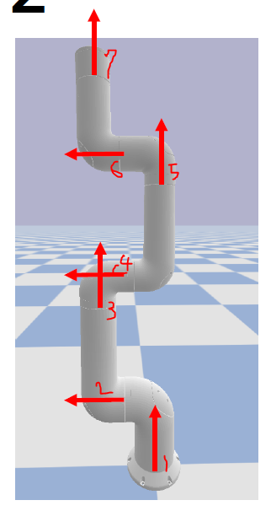
Constrains | min | max | min | max
0 | -2.872 | 2.872 | -164.55347876 | 164.55347876
1 | -3.054326191 | 3.054326191 | -175 | 175
2 | -3.054326191 | 3.054326191 | -175 | 175
3 | -3.054326191 | 3.054326191 | -175 | 175
4 | -2.703 | 2.703 | -154.87049202 | 154.87049202
5 | -2.703 | 2.703 | -154.87049202 | 154.87049202
6 | -3.5 | 3.5 | -200.5352283 | 200.5352283

