Power draw
Constants | Value | Units
Safe minimum capacity | 20 | %
Seconds to minutes | 60 | s/min

Battery chemistry | Nominal voltage (V) | Min voltage (V) | Min voltage [2] (V) | Min voltage resting (V) | Max voltage (V) | Max safe voltage (V) | Internal resistance (mΩ)
LiPo | 3.7 | 3.74 | 3.2 | 3.8 | 4.2 | 4.15 | 4
LiHV [4] | 3.8 |  |  |  | 4.35 | 4.3

Batteries | Cells | Capacity (mAh) | Nominal voltage (V) | Capacity (Wh) | Max current (C) | Max current (A) | Max charging current (C) | Max charging current (A) | Safe min charge (mAh) | Save min voltage (V)
13000mAh LiPo | 3 | 13000 | 11.1 | 144.3 | 35 | 455 | 5 | 65 | 2600 | 11.22
8000mAh LiPo | 2 | 8000 | 7.4 | 59.2 | 25 | 200 | 1 | 8 | 1600 | 7.48

 |  |  |  | @ 8000mAh | @ 8000mAh | @ 13000mAh | @ 13000mAh | @ 11.1V
Drain | Voltage (V) | Current (A) | Power (W) | Discharge time (h) | Discharge time (min) | Discharge time (h) | Discharge time (min) | Voltage drop (mV)
Computer (off) |  |  | 1.8 | 32.9 | 1973 | 80.2 | 4810 | 1
Computer without GPU (idle) |  |  | 30 | 2.0 | 118 | 4.8 | 289 | 11
GPU (idle) |  |  | 20 | 3.0 | 178 | 7.2 | 433 | 7
Computer with GPU (idle) |  |  | 50 | 1.2 | 71 | 2.9 | 173 | 18
SSD |  |  | 2.5 | 23.7 | 1421 | 57.7 | 3463 | 1
Stepper motor driver 4.5V max | 5 | 1.2 | 5 | 11.0 | 658 | 26.7 | 1603 | 2
Stepper motor driver 13.5V max | 14 | 1.2 | 16 | 3.7 | 219 | 8.9 | 534 | 6

Voltage vs Capacity | Capacity (%) | Voltage (V)

Voltage vs Capacity
 | Voltage vs Capacity
1
2 | 3.96
3 | 3.93
4 | 3.9
5 | 3.86
6 | 3.83
7 | 3.8
8 | 3.76
9 | 3.73
10 | 3.7
11 | 3.67
 | 77 | 3.96
 | 70 | 3.93
 | 63 | 3.9
 | 56 | 3.86
 | 48 | 3.83
 | 43 | 3.8
 | 35 | 3.76
 | 27 | 3.73
 | 21 | 3.7
 | 14 | 3.67

References | URL |  |  |  |  |  |  | Notes

1 | http://www.rchelicopterfun.com/rc-lipo-batteries.html |  |  |  |  |  |  | LiPo breakin: 5 cycles to 50% charge
 |  |  |  |  |  |  |  | Store LiPos at 50% charge, about 3.85V per cell
 |  |  |  |  |  |  |  | Discharge to minimum charge, not minimum voltage
2 | http://rogershobbycenter.com/lipoguide/
3 | http://www.rcgroups.com/forums/showthread.php?t=2015863
4 | http://www.rcgroups.com/forums/showthread.php?t=2490759

WiFi
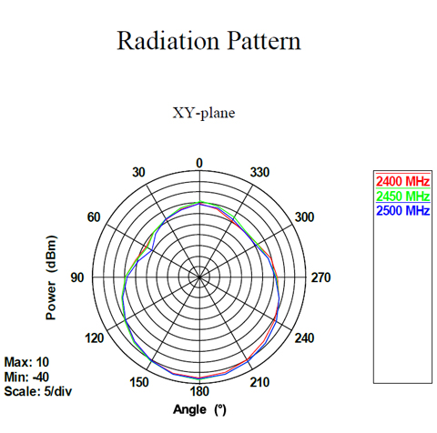
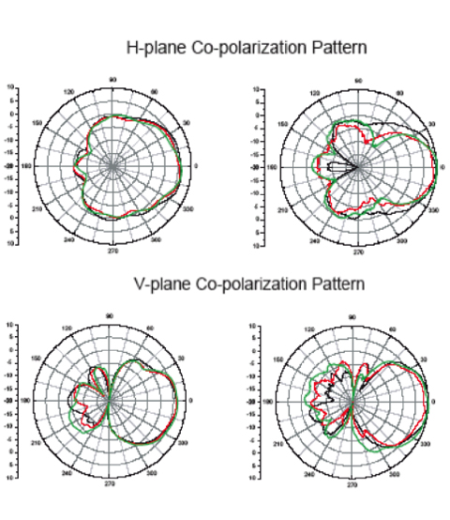
Constants | Value | Units
Gravity | 9.80665 | m/s2 |  |  |  |  |  |  |  | 7dBi
Seconds to minutes | 60 | s/min

Antenna | Gain 2.4-2.5GHz (dBi) | Gain 5.1-5.87GHz (dBi) | HPBW / Horiz 2.5GHz (°) | HPBW / Vert 2.5GHz (°) | HPBW / Horiz 5GHz (°) | HPBW / Vert 5GHz (°) | Impedance (Ω)
RNX-AD7D 7dBi | 5 | 7 | 70 | 70 | 50 | 60 | 50
RXN-AD10D 10dBi | 7.5 | 10 | 70 | 60 | 60 | 30 | 50

USB Adapter | Channels | 2.4GHz speed (Mbps) | 5GHz speed (Mbps) | USB Version
TP-Link Archer T2UH | a/b/g/n/ac |  | 433 | 2.0
Amped UA230A | a/b/g/n/ac | 150 | 433 | 2.0
ASUS AC56 | a/b/g/n/ac |  | 400 | 3.0

Stepping motor | Voltage (V) | Max RPM | Max rev/s | Steps per rev | Stride angle (°) | Current (mA) | In-traction torque (g*cm) | Holding torque (N*mm) | Gearing reduction
Adafruit | 12 | 80 | 1.3 | 32 |  |  | 254.9 | 25.0 | 16.025
Sparkfun | 12 |  |  | 48 | 7.5 | 400 | 100.0 | 9.8

 |  |  |  |  |  |  |  |  |  | 10dBi

